Charts
 |  |  |  | # Separations 12m | % Voluntary Attrition | # Replacement Cost

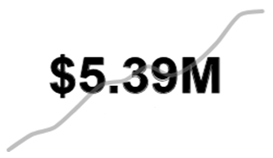
 |  | % Voluntary Attrition by Role | # Replacement Cost
Analyst | 15%
Director | 0%
HR Business Partner | 14%
Head of | 22%
Manager | 0%
Research Scientist | 11%
Sales Representative | 13%
Senior Analyst | 9%
Technician | 17%

 |  | % Voluntary Attrition by Capability

Availability Management | 13%
Business Partnering | 13%
Research and Analysis | 20%
Change Management | 19%
Client Services | 7%
IT Support | 7%
People Management | 15%
Risk Management | 24%
Business Modelling | 22%
Administrative Support | 8%

People Management | 0.15

