3.旁边看
大零售商 | 大品牌网站 | 主流款 | 新款 | 售价区间 | 卖点 | 缺点 | 定位 | 平台是否有售 | 售价区间
宝洁旗下品牌Pur水龙头滤水器 | http://www.pur.com/water-filtration/faucet-water-filters |  |  | $25~$50 | 随喝随滤，保证新鲜，经济实惠，简单易用。可以去除NSF认证的多种有害污染物，MAXION过滤技术 |  |  | 有 | $25~$50
宝洁旗下品牌Pur过滤饮水机 | http://www.pur.com/water-filtration/water-filter-pitchers-and-dispensers |  |  | $30~$50 | 家用净水壶，具有适中容量，利用宝洁专利技术，可以过滤99.9%微生物及病菌，减少98%铅汞氯等有害物质以及更多杂质，提供更干净、口感更好的过滤水。个别滤水壶带LED显示，在滤芯需要更换时会自动提示！ |  |  | 有 | $30~$50
宝洁旗下品牌Pur滤芯 | http://www.pur.com/water-filtration/replacement-water-filters |  |  | $20~$40 | 家用净水壶，具有适中容量，利用宝洁专利技术，可以过滤99.9%微生物及病菌，减少98%铅汞氯等有害物质以及更多杂质，提供更干净、口感更好的过滤水。个别滤水壶带LED显示，在滤芯需要更换时会自动提示！ |  |  | 有 | $20~$40
Walmart | http://www.walmart.com/ip/DuPont-Deluxe-Faucet-Mount-Water-Filter-Chrome/16521277 |  |  | $25.88 | 铬合金材料，带电度表（永久电池），内置抗菌保护系统，改善口感，可过滤水中多种危害元素 | 出水慢，显示器位置不理想，漏水现象（未经过滤） |  | 有 | $25.88
2016年十佳滤水器排名 | http://www.toprateten.com/best-faucet-water-filter/
德国碧然德brita | https://www.brita.com/water-pitchers/ | 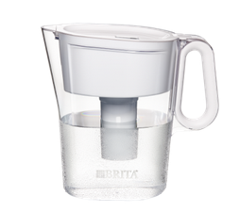 |  | $20~$45 | 1，一次可过滤出10大杯水 2， 不含BPA 3，有效减少氯的味道和气味，锌，铜，汞和镉 4，一个过滤器可以过滤300个16.9盎司塑料瓶水容量 | 1，把手断裂 2，水未经过滤室漏水3，使用TDS测试仪测试过滤前和过滤后水的TDS无明显变化 4，滤水速度慢，水过滤后有难闻的味道 5，内部模具无法脱离清洗 6，滤水壶边缘有漏水，滤水器与杯子不匹配 |  | 有 | $20~$45

4.产品定位
S | 细分市场，了解整个市场的构成，决定市场细分的因素
 | 家用滤水壶，家用过滤饮水机，家用水龙头滤水器，滤芯

T | 目标市场选择，目标市场的规模，竞争优势的来源，进入目标市场的策略，目标市场的竞争致胜策略
 | 由于家用滤水壶，家用过滤饮水机，家用水龙头滤水器，滤芯等产品已经有大牌占据大部分市场份额，新卖家需要开发出不同款式，高性价比，质量过硬，更多功能的产品

P: | 市场定位

维度一 | 如：消费者维度：目标人群，社会阶层，影响购买的关键因素，决定购买频率的原因，消费者习惯，消费者价值诉求点（产品性能，情感诉求）等
维度二 | 如：竞争者维度：价值，成本，市场竞争位置，决定企业竞争优势的因素
 |  |  |  |  |  | 维度2
关键词1 | 竞品数量 | 标杆竞品平均排名 | 关键词流量
Pitcher Water Filters | 20444
Replacement Pitcher Water Filters | 17445 | 小Top20
Water Dispenser with Filter | 104724 | 小Top20
Faucet Mount Water Filters | 28626 | 小Top20

 |  |  |  |  |  |  | 维度1

卖点提取
以上三类产品都属于家用型的滤水器。使用活性碳过滤，每1~3个月需要更换滤芯
使用频率高，消耗大。
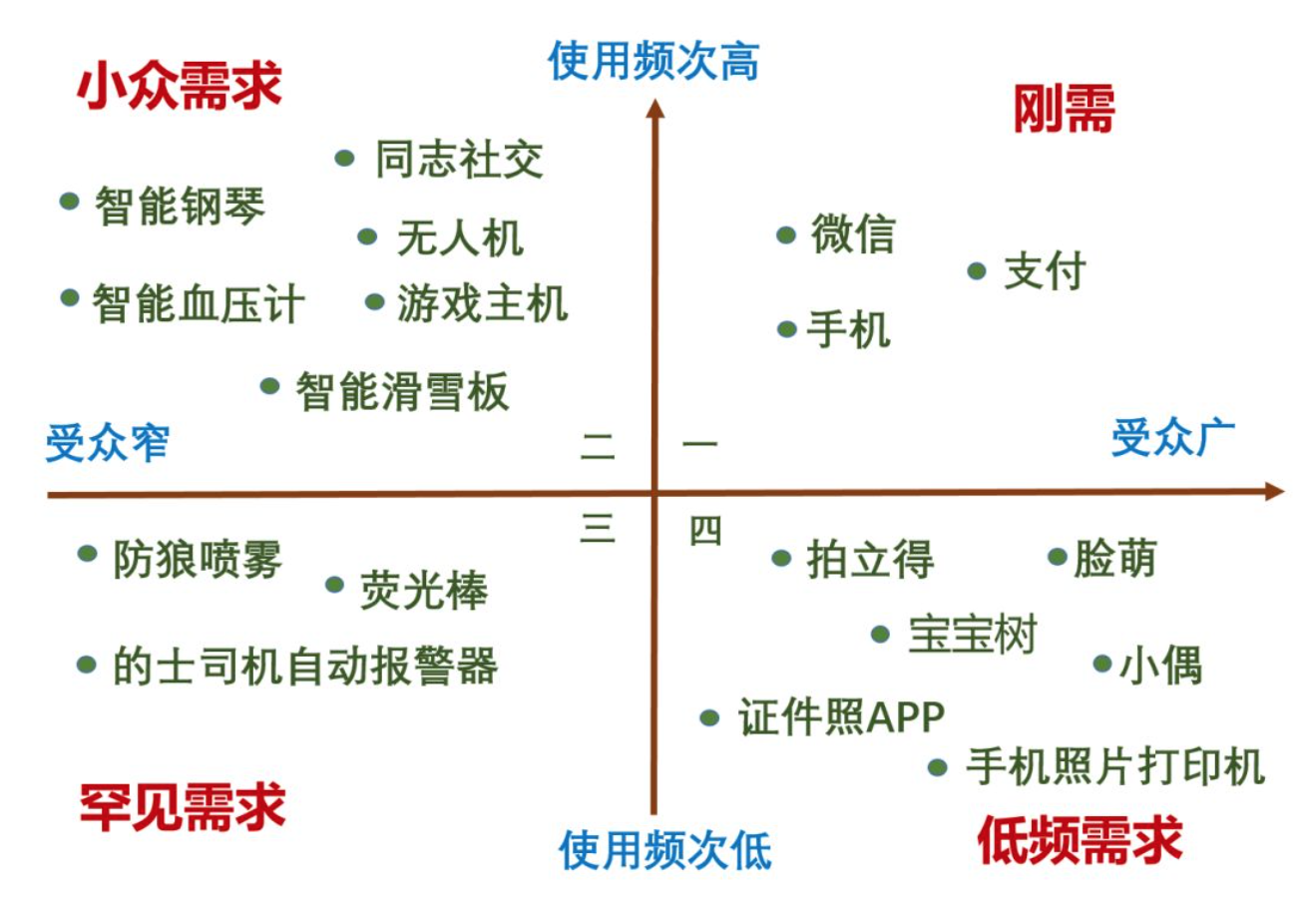
体积小，便于运输，安装和使用。
不含BPA |  |  |  | 例如： |  | 价值高
有效减少市政用水氯的味道和气味，锌，铜，汞和镉等
改善自来水的味道

 |  |  |  |  |  |  | 第一象限为最佳目标市场区域

 |  |  |  |  |  |  | 高价值，高专业度

 |  |  |  |  | 专业度低 |  |  | 专业度高

 |  |  |  |  |  | 价值低

开发流程图
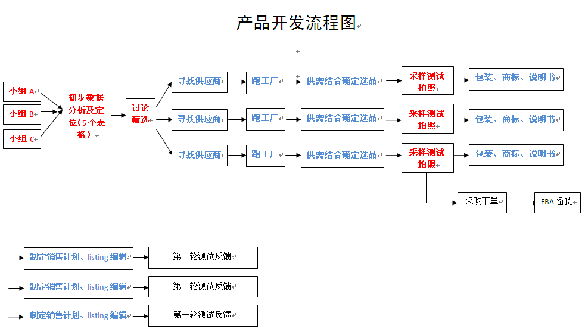

 | 监视点
£1.00 | 提供产品线-初步数据分析（5个表格）-讨论筛选。 | 2天完成
£2.00 | 寻找供应商-跑工厂-选品。 | 7天完成。（视具体情况调整时间）
£3.00 | 采样测试拍照。 | 3天内完成
£4.00 | 包装/商标/说明书-制定销售计划/listing编辑 | 3天完成

