RectX
RectX | RECTANGLE X-GRID
 | Edge Sizing Inputs | Symbol | Value | Units | Bisection Calculation |  |  | True N | Utility Validation Procedure
 | Edge Length | L | 1.7075E-02 | [m] | Parity for Number of Divisions | EVEN |  | 80 | ANSYS Edge Sizing Inputs
 | Size Definition Type |  | Number of Divisions |  | Bisected Side Divisions | 40 |  |  | One-Sided Target Length | 1.00E-03 | Edge Length | 2.00E-02
 | Size Definition Value | N | 8.00E+01 | [ ] |  |  |  |  | EVEN Target Length | 1.00E-03 | Growth Rate | 1.2
 | Bias Definition Type |  | Bias Factor |  | Bias Calculation Lookup |  |  |  | ODD Target Length | 1.10E-03
 | Bias Definition Value | B | 121.78575714 | [ ] | One-Sided Bias |  |  |  | ANSYS Mesh Results
 | Bias Type |  | One-Sided |  | Smallest Element Length | One-Sided | 8.3333E-06 | [m] |  | Smallest | Largest |  |  | Edge Lengths | Ratio | Target Element Size
 |  |  |  |  | Largest Element Length | One-Sided | 1.0149E-03 | [m] | Central Min EVEN | 3.8523E-04 | 1.9877E-03 |  | Exterior | 2.24E-02 |  | 1.00E-04
 | Equivalent Calculated Parameters |  |  |  | ODD Central Bias |  |  |  | Central Max EVEN | 3.8523E-04 | 1.9877E-03 |  | Interior | 2.25E-02 | 1.00410 | 1.00410E-04
 | Bias Growth Rate | r | 1.06 | [ ] | ODD Smallest Element Length | Central Min |  | [m] | Central Min ODD | 3.9279E-04 | 2.0267E-03
 | Bias Factor | B | 121.79 | [ ] | ODD Largest Element Length | Central Min |  | [m] | Central Max ODD | 4.2774E-04 | 2.2070E-03 |  | Top | 1.60E-02 | 0.99994 | 1.02994E-04
 | Target Element Length | 𝓁_target | 2.13438E-04 | [m] | ODD Smallest Element Length | Central Max |  | [m] | One-Sided | 1.0713E-04 | 3.4226E-03 |  | Bottom | 1.60E-02 |  | 1.03E-04
 | Number of Divisions | N | 80 | [ ] | ODD Largest Element Length | Central Max |  | [m]
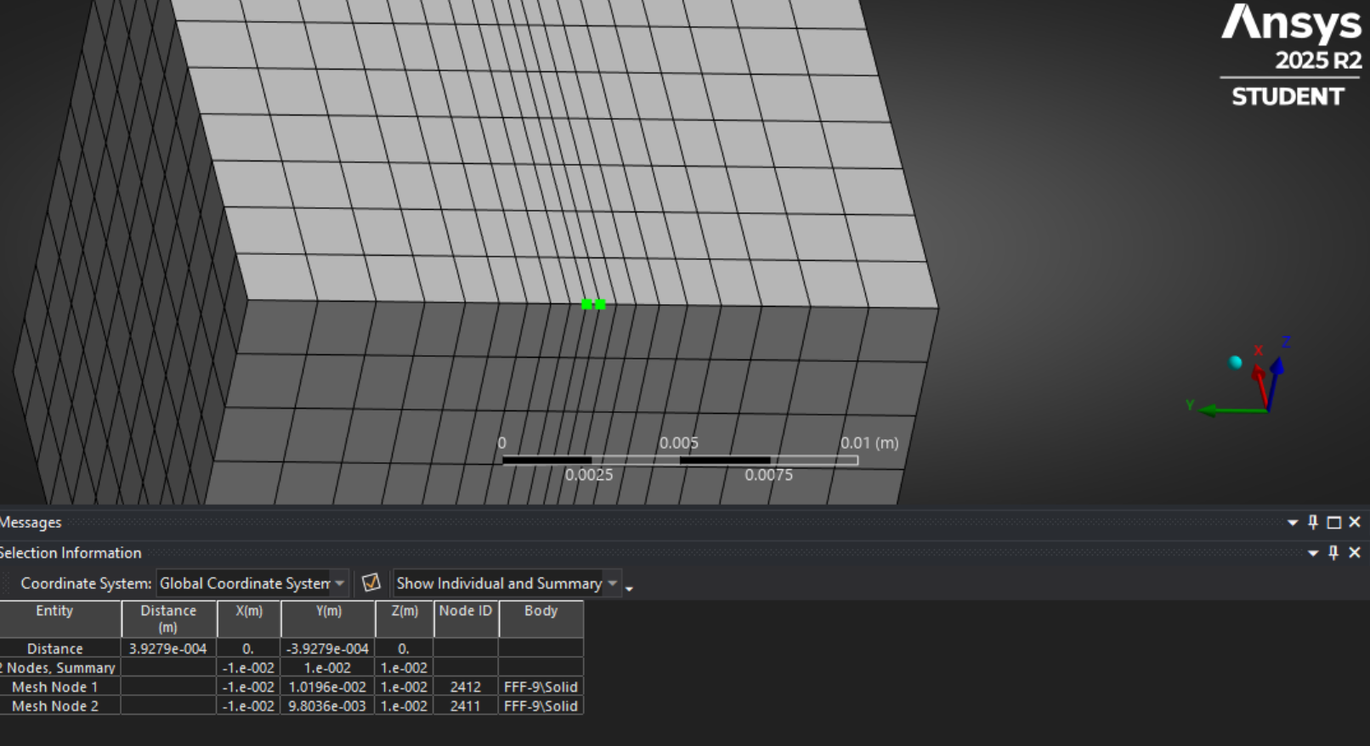
 |  |  |  |  | EVEN Central Bias
 | Element Size Calculation |  |  |  | EVEN Smallest Element Length | Central Min | 5.1568E-05 | [m]
 | Smallest Element Length | 𝓁_1 | 8.3333E-06 | [m] | EVEN Largest Element Length | Central Min | 5.5205E-04 | [m]
 | Largest Element Length | 𝓁_N | 1.0149E-03 | [m] | EVEN Smallest Element Length | Central Max | 5.1568E-05 | [m]
 |  |  |  |  | EVEN Largest Element Length | Central Max | 5.5205E-04 | [m]
 | Iterative Solution
 | Round-Rect Boundary Element Size | 𝓁_round | 8.3333E-06 | [m] | Input Type
 | Element Length Difference | 𝓁_N | 1.6552E-15 | [m] | Target Element Length
 |  |  |  |  | Number of Divisions

 |  |  |  |  | Bias Definition Type
 |  |  |  |  | Bias Factor
 |  |  |  |  | Smooth Transition (GR)
 | NB: Growth Rate (r) is the element-to-element relative growth rate, while the Bias Factor (B) is the total growth ratio (max element size:min element size).
 |  |  |  |  | Bias Types
 |  |  |  |  | One-Sided
 |  |  |  |  | Central Min
 |  |  |  |  | Central Max

