IDOC
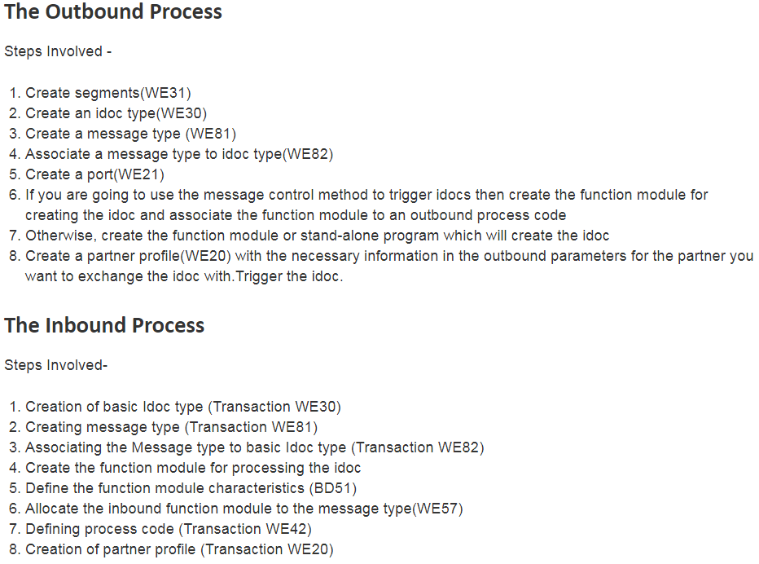
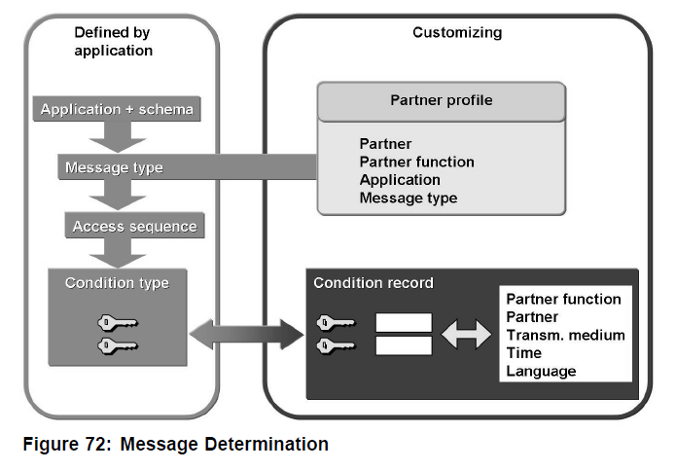
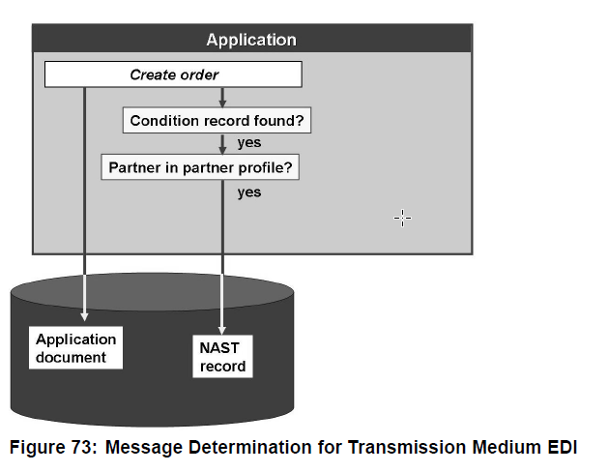
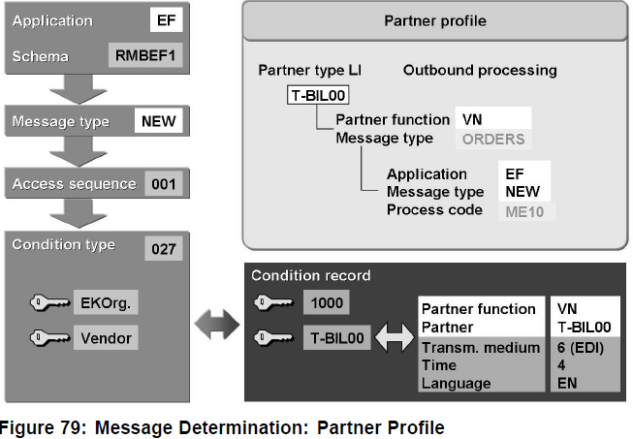
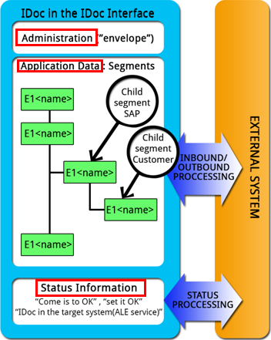
WE02 | display idoc 記錄 | TABLE : EDIDC
WE60 | IDOC 說明文件
WE31 | IDOC segment definition | 類似structure
WE30 | define IDOC types | 類似樣版
WE81 | Message Type | 邏輯上的定義，給人看，多個message type 會共用一個idoc type 因此在使用時，idoc type欄位不會全用。
we20 | Partner Profiles 定義交換對象 | A partner is defined as a business partner with whom you conduct business and exchange documents
WE21 | port 定義 | 要將資料送去何處。會與partner profile綁定。
WE82 |  | Associate a message type to idoc type
bd64 | distribution model | 主要用於同一個資料要傳到多個目的地(ex. 主檔)，且用於sap 2 sap

VD51~VD53 | 客戶料號mapping aten 料號

