TIPS
TIPS:

1. This matrix is a micro clash detection matrix intended to reduce the number of false positives and increase confidence in clash results, leading to pathways to automate the process of digital coordination.

2. This matrix is to be used by Services teams and Project Managers to instruct the BIM team to prioritise and execute clash detection tasks.

3. Matrix snapshot and explanation:
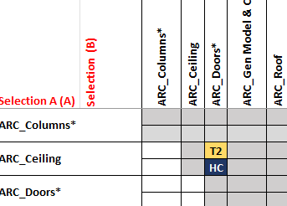

 |  | Selection B list of Items Categories

 |  | Clash Task Priority - refer to Clash Matrix Legend

Selection A list of Items Categories

 |  | Clearance factors - refer to Clash Matrix Legend

4. Workflow:
Start with the Clash Matrix and refer back to the Clash Matrix Legend
Use the Clash Task (Output) to filter by task priority and copy the associated task into the coordination software (such as Revizto)
[Imporntant] | After updating the clash matrix, please click 'Refresh All'are refreshed under the 'Clash Task Output' section

Seismic Restraints Technical
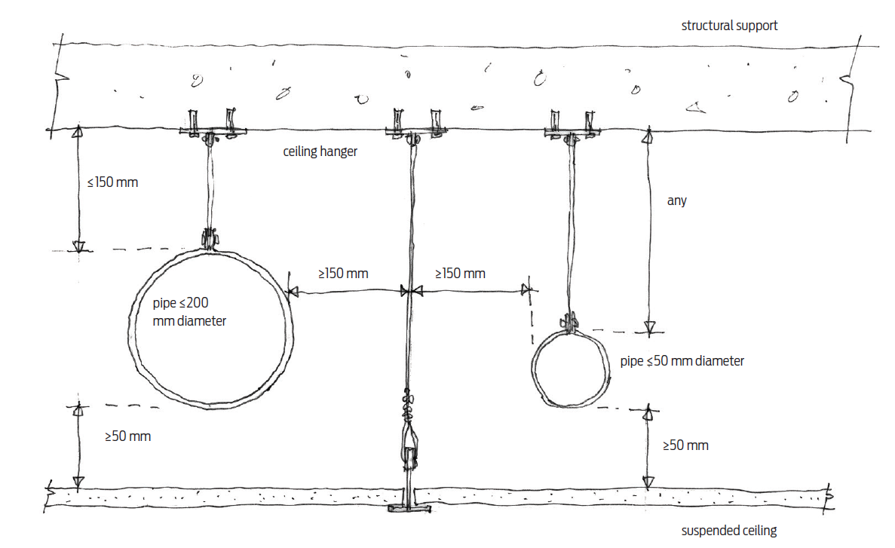
Table 15, NZS4219:2009 | Minimum Clearances (mm)
Condition - Being Considered | Horizontal | Vertical
Unrestained components to unrestained components | 250 | 50
Unrestained components to restained components | 150 | 50
Restained components to restained components | 50 | 50
Penetration through structure (such as walls and floors) | 50 | 50
Note: Ceiling hangers and braces are considered to be restrained components for the purpose of this table

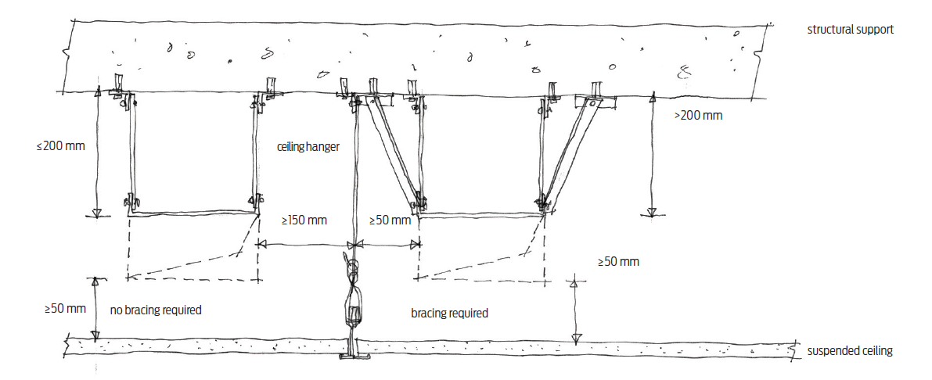
Where pipe restraints are not required
Notes:
Rigid ductwork, where the hanger length from the top of the duct to the structure support exceeds 200mm shall be restrained against seismic forces.
Pipework exceeding 50mm in diameter and located more than 150mm from the structural support shall be laterally braced. The spacing of transverse and longitudinal bracing shall be in accordance with nzs 4219, section 3.6.
Equipment within the ceiling exceeding 10kg mass shall be independently fixed and braced to the structure and separated from the ceiling by 25mm all around to allow for independent movement between equipment and ceiling
Clearance of services at all penetrations through structure or partition walls shall be 12mm for ductwork, 15mm for pipework and 25mm for cable tray. All services shall be restrained at penetrations through structure and partition walls. The design engineer of the structure / partition walls shall ensure the structure / partition walls shall be capable of resisting lateral seismic load imposed on it due to restraint provided at the penetrations
Piping systems (NZS 4219, Section 5.8)
Ducting (Section 5.9)
Where duct restraints are not required
Suspended equipment (Section 5.13)
Floor-mounted components (Section 3.7)
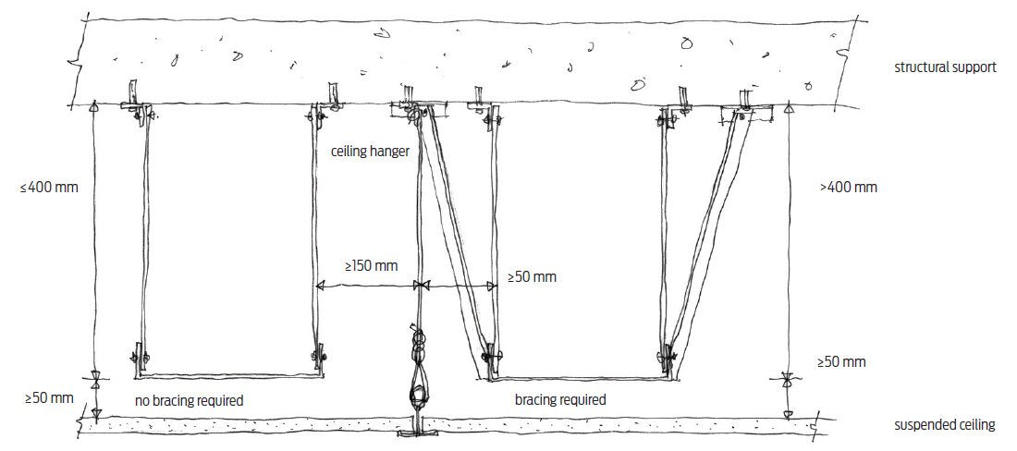
Physical interference: Ensure that seismic restraints, such as braces or fixings, do not interfere with the routing of pipes or ducts.
Clearance and access: Check that adequate clearances are maintained around seismic restraints and that access for maintenance or inspection remains unimpeded (as per Section 5.15 for plinths and clearances).
Load path conflicts: Ensure the load paths for seismic restraints are clear and do not intersect with other building systems, as per the requirements in Section 2 (General Requirements)

Where electrical services support system (cable tray) restraint is and is not needed.

