CONTROLS(FEP)
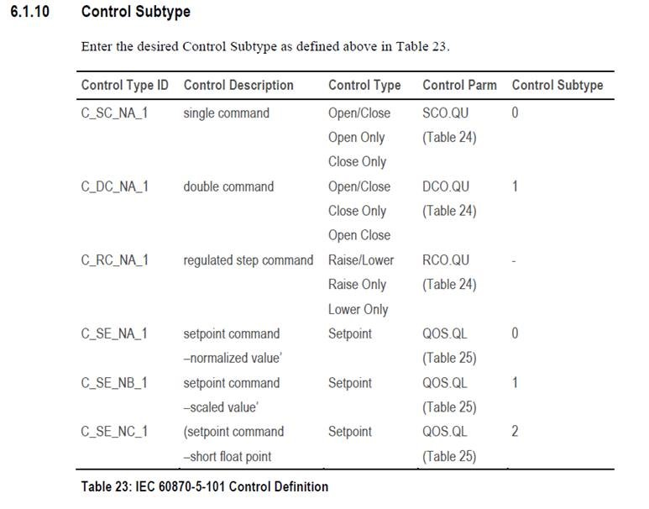
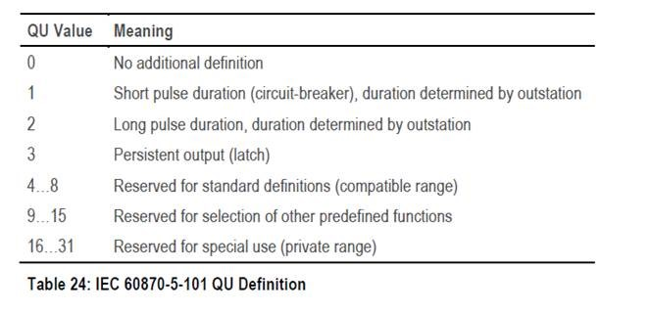
Indic | ScadaKey | pRTU | ControlAddress | ControlParm | Control Subtype | Mode | Control Type | Control Format | ScadaType
X | X | X | X | X | X | X | X | X | X | Control Parameter

