Tabelle1
Scale | Description Falkenberg | ChatGPT | Examples
Nominal |  |  | gender colour religion course matr.number exam
Ordinal | 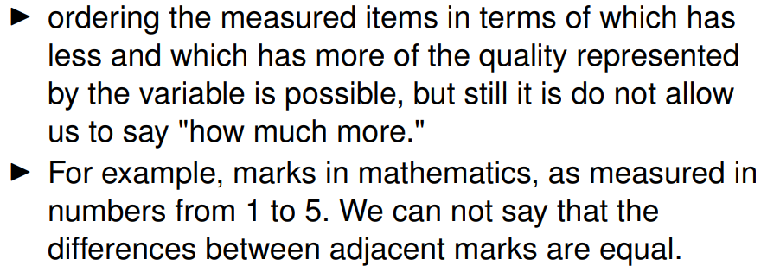 |  | military ranking consumer satisfaction rankings marks in mathematics score
Interval | 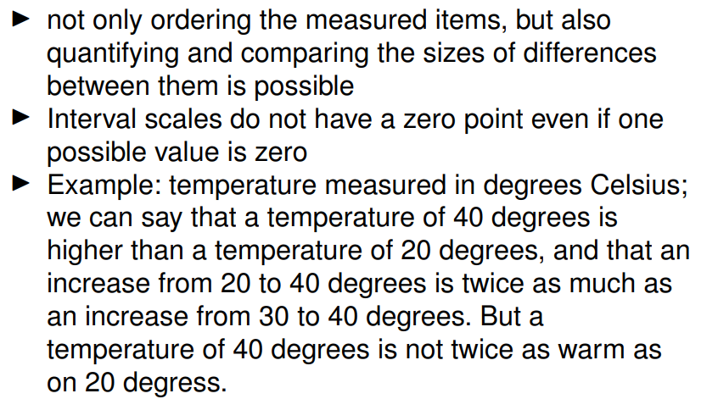 |  | dates of events temperature (°C or °F) date of birth
Ratio | 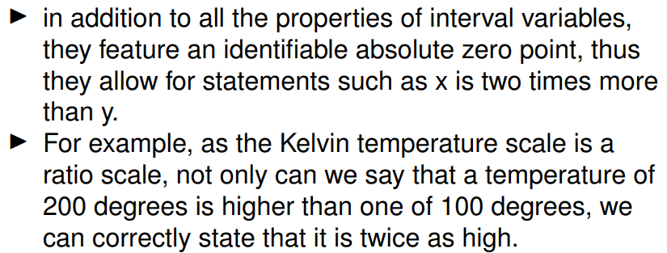 |  | amount of money in your pocket Number of bottles of wine in a student’s flat length weight height size semester temperatur (Kelvin) attempt time thickness of tumor
Absolute |  |  | credit points age

