efzofitimod
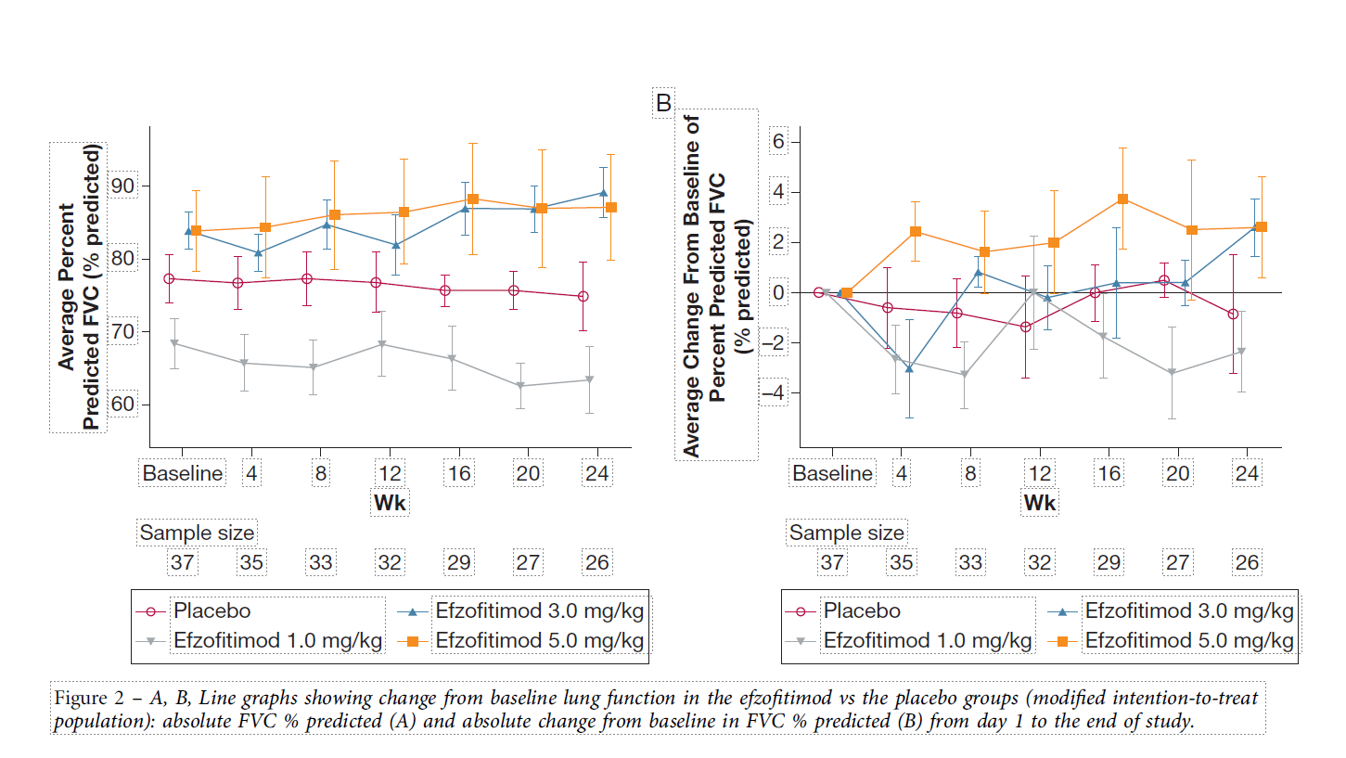
Main
 | Brand | ATYR1923
 | Generic | efzofitimod
 | Indication | pulmonary sarcoidosis. Lung granulomas. Dyspnea, cough, fatigue.
 |  | Granulomas which secret cytokines, including IL-12, IL-23 and TNFalpha.
 |  | Spontaneous remissions occur in 2/3rds of patients.
 | MOA | histidyl-tRNA synthetase, neuropilin 2 domain
 |  | upregulated on surface of activated immune cells??
 | PK
 |  | Step 1. Calculate molecular weight
 |  | 59 | 110 | 6490 | 55000 | 55059 | kDa | g/mol
 |  | amino acids | weight/aa | aa weight | Fc | combined

 |  | Step 2. Convert MW (g/mol) to molarity (mol/L)
 |  | 55059 | 0.001 | 1.816233495E-08 | 18.16233495
 |  | MW (g/mol) | g/L | mol/L | nM/L

 |  | Step 3. Calculate components of C_min (C_avg * shape_factor) at 4 weeks

 |  | Step 3a. Calculate CL*tau
 |  | 1.68 | 28 | 47.04
 |  | Clearance (L/day) | Days (tau) | CL/Volume in 28 days

 |  | Step 3b. Calculate shape factor (k*t*e^-k*t / 1 - e^-k*t)

 |  | 9 | 0.0770 | 28 | 2.1565 | 0.24957622915 | 0.8843 | 0.28
 |  | Half-life in days | k | days (tau) | kt | numerator | denominator | shape_factor

 |  | Step 4. Calculate Cmin at 4 weeks

 |  | 3000 | 47.04 | 0.28 | 18.0001
 |  | Dose (mg/kg) | Cavg | shape_factor | C_min (nM)

 |  | Step 5. Calculate Cmin required at 4 weeks given potency

 |  | 90% | 18.0001 | 2.0000
 |  | occupancy | c_min | Kd required (nM)

 |  | 300 | 18.0001 | 6%
 |  | potency (nM) | c_min | % occupied at trough

 | Administration | IV
 | Clinical Trials

 |  | Phase III "EFZO-FIT" n=268 pulmonary sarcoidosis

 |  | Phase Ib n=37 pulmonary sarcoidosis 24 weeks - NCT03824392
 |  | Protocol: day 15 steroid taper: 10-25mg/d -> 5mg/d by day 50, maintained until 24 weeks.
 |  | Baseline, FEV1:
 |  |  | placebo: 68.3%, 60.4% 1mg/kg, 77.6% 3mg/kg, 77.3% 5mg/kg.
 |  |  | FVC: 77.3%, 68.3%, 83.8%, 83.8%
 |  |  | Steroids: 13.3, 11.3, 14.4, 13.9.
 |  |  | Duration of Disease: 2.9, 5.3, 4.3, 2.9y.

 |  | Efzofitimod for the Treatment of Pulmonary Sarcoidosis. Culver et al. Chest 2023. |  |  |  |  |  |  | 28
 |  |  | 1mg/kg, 3mg/kg, 5mg/kg q4w or placebo
 |  |  | steroid taper in protocol?
 |  |  | n=12 placebo - 1 AE, 2 COVID-19, n=9 week 24 completer. Baseline FVC 77
 |  |  |  | 46% reduction from baseline in steroid use
 |  |  | n=8 1mg/kg - 1 AE dropout, 1 investigator decision dropout - n=6 week 24 completer. Baseline FVC 68
 |  |  |  | 41% reduction from baseline. 5% reduction in steroid use vs. placebo. +1.2% difference in adjusted means (AUC)
 |  |  | n=8 3mg/kg - 3 COVID-19 dropouts!!! - n=5 week 24 completer. Baseline FVC 84.
 |  |  |  | 49% reduction from baseline. 9% reduction in steroid use vs. placebo, 2.3% less in adjusted means (AUC)
 |  |  | n=9 5mg/kg - 1 COVID-19 dropout - n=8 week 24 completer. Baseline FVC 84.
 |  |  |  | 58% reduction from baseline in steroid use, 22% less than placebo. -12.3% adjusted means (AUC)
 |  |  |  | 3 tapered to zero steroids and maintained zero.
 |  |  | n=28 completers, n=9 discontinued, n=6 from COVID
 |  |  |  | 13.2mg/d (+-4.4mg/d)

 |  | Phase I healthy volunteers "ATYR1293-C-001"
 |  | 7-10 day halflife

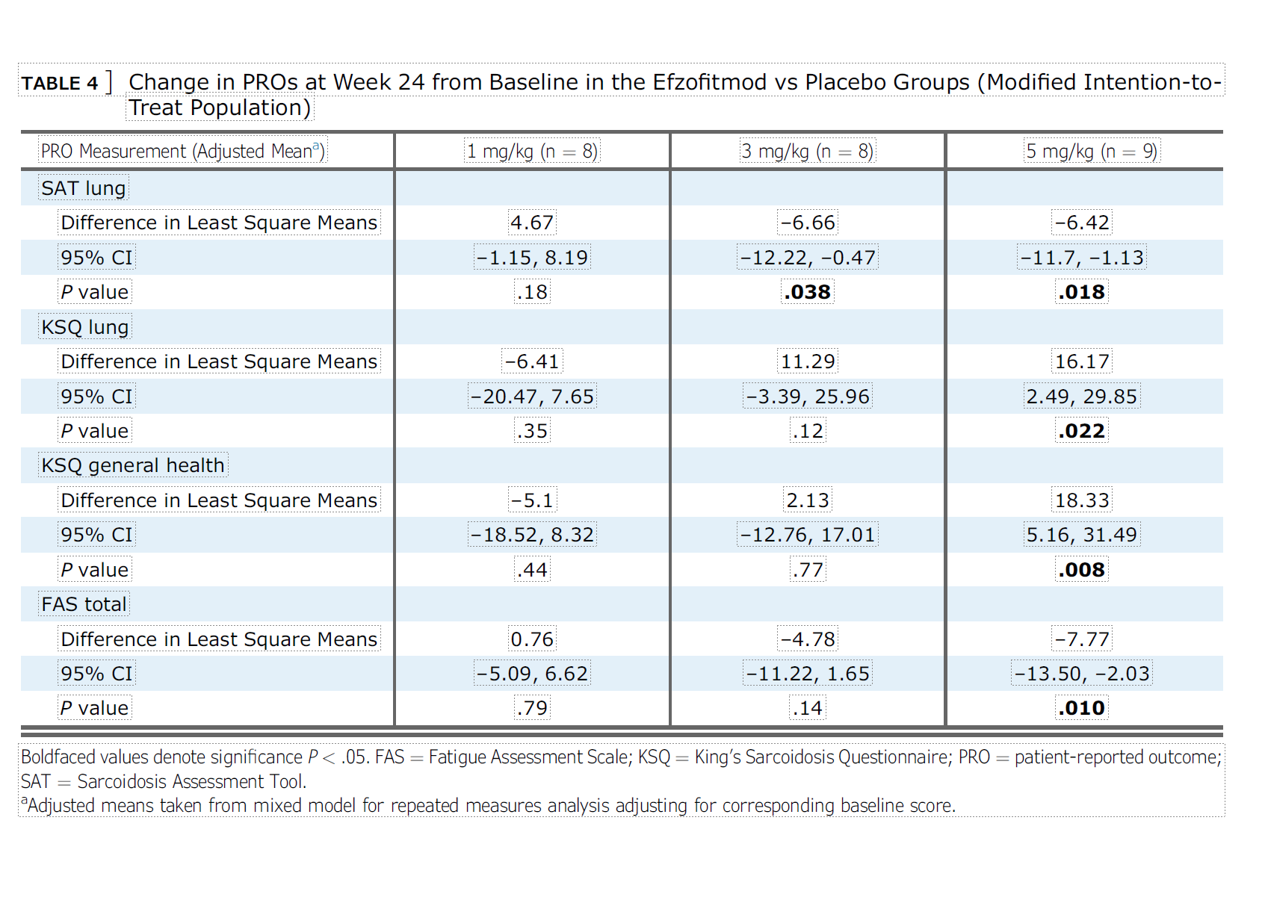

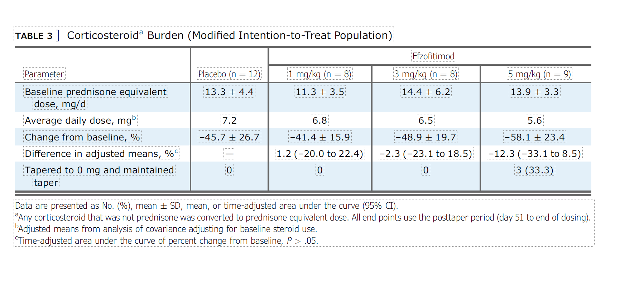

 |  | Phase II ustekinumab vs. golimumab. Judson et al. Eur Respir J 2014. - NCT00955279
 |  | Week 16-28 steroid tapering.
 |  | PE FVC at week 16.
 |  | -0.15 p=0.13, 1.15 p=0.54 for golimumab, placebo +2.02 beat both!

 |  | Phase II n=138 sarcoidosis - infliximab - Baughman et al. Am J Respir Crit Care Med 2006
 |  | FVC +2.5% vs. placebo at 24 weeks (2.8% for 3mg, 2.2% for 5mg)
 |  | 3mg/kg vs. 5mg/kg |  |  | Baseline 67.7% to 69.5%, +-8.6 to 11.1

 |  | 6MW -5.9m for placebo at week 24 vs. +7.6m for infliximab
 |  | SGRG lower is better -4.5 for placebo, -3.7 for infliximab
 |  | serum ACE +7.9 for placebo, -11.0 for infliximab
 |  | Borg's +0.2 for placebo, -0.1 for drug
 |  | Chest r-score +0.29 for placebo, -0.94 for drug.

Papers
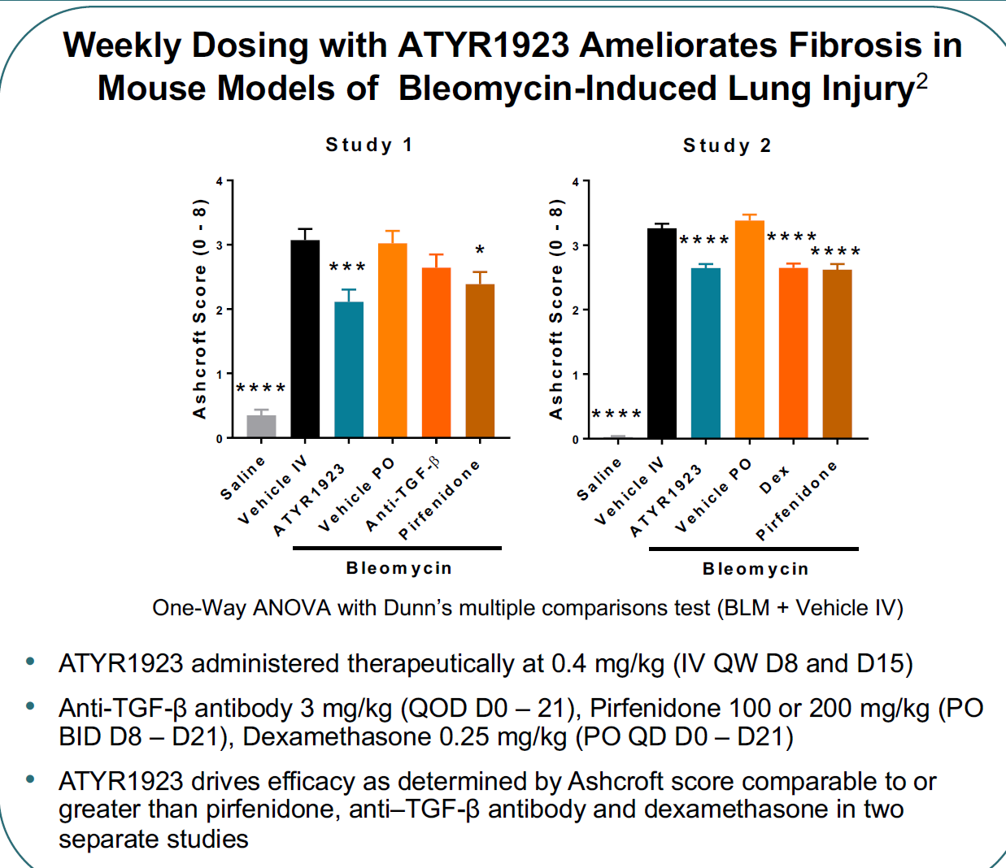
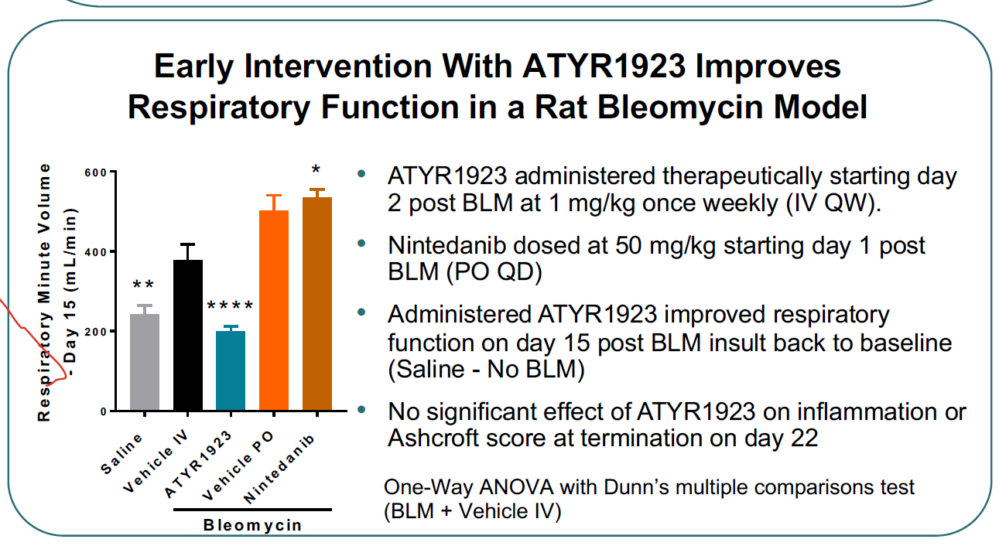
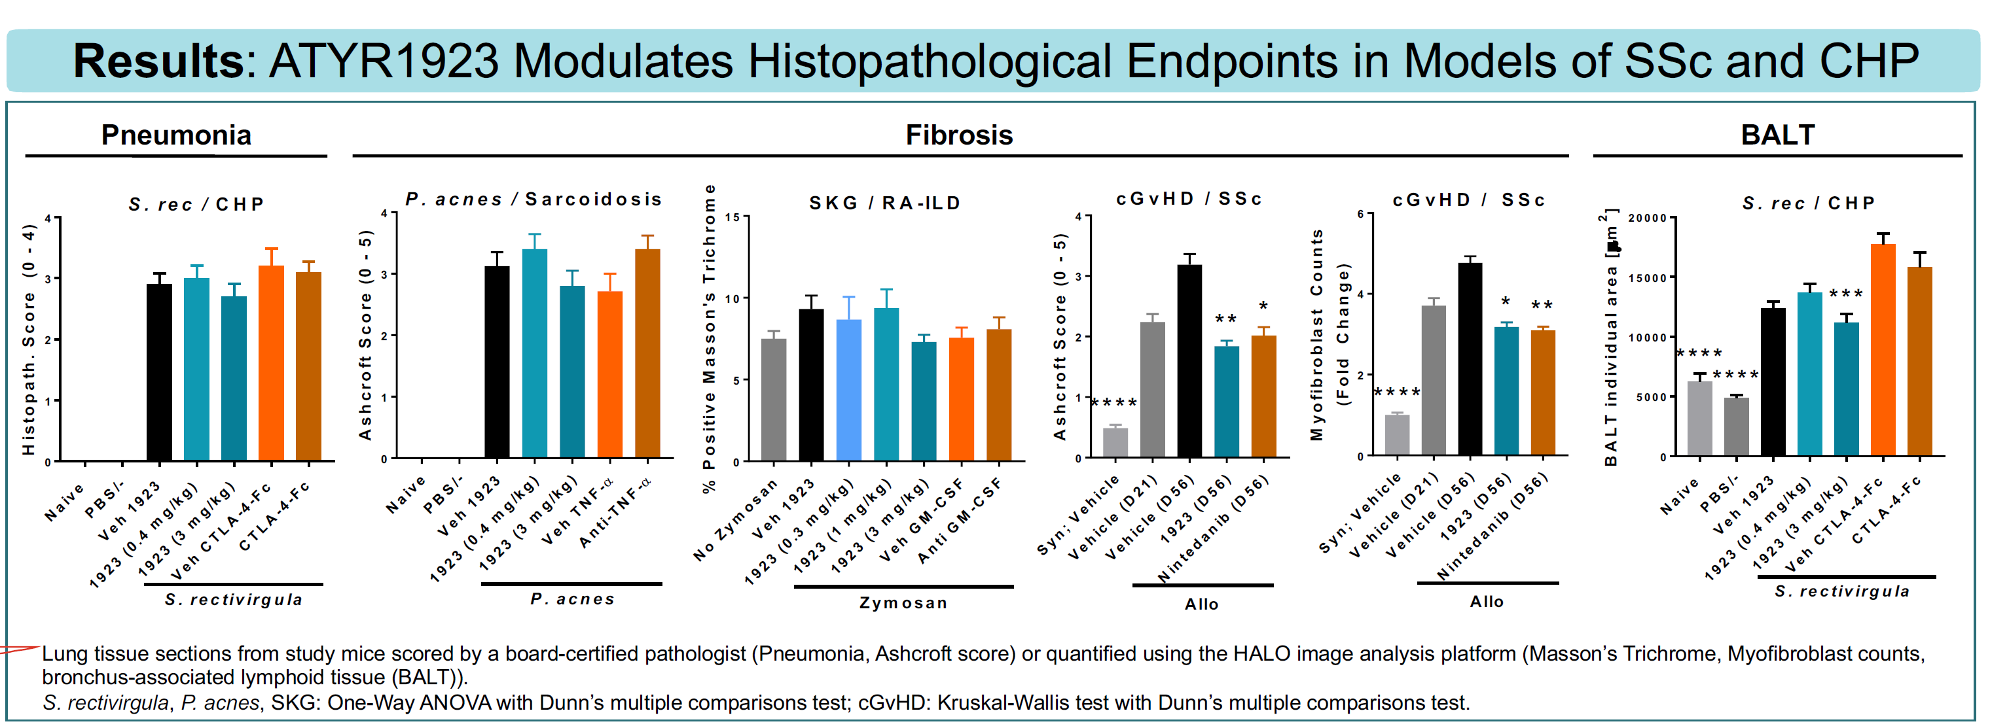
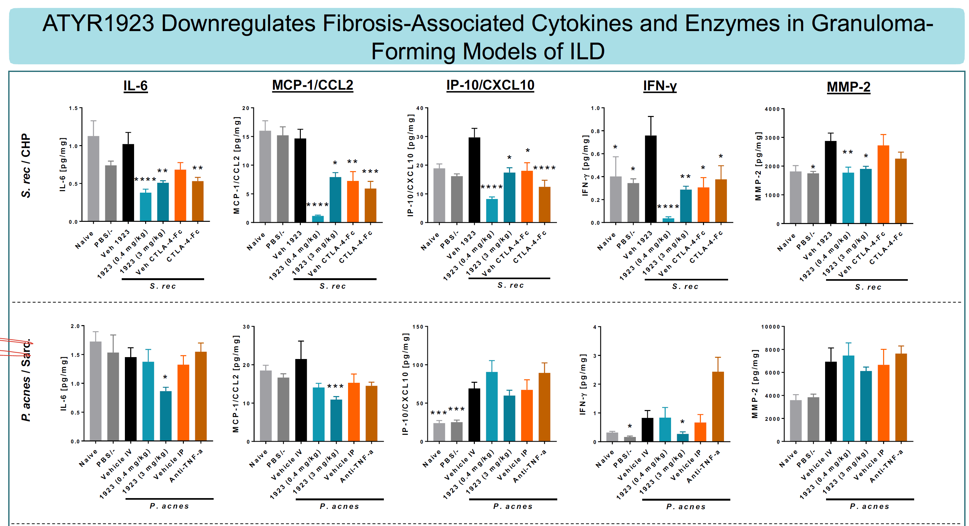
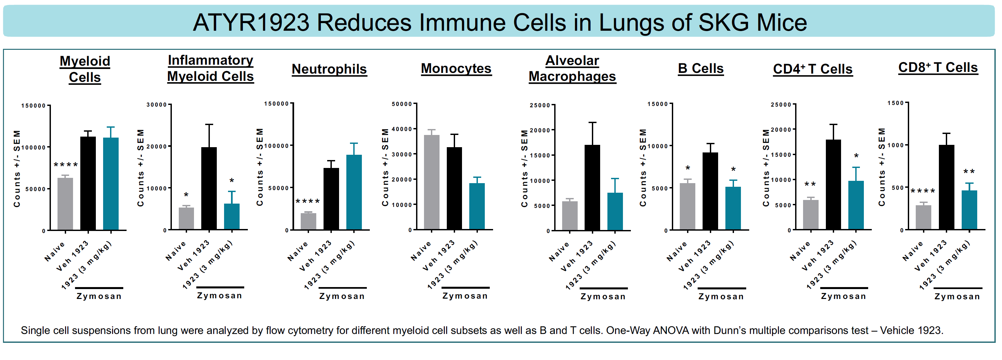
Clinical features associated with the presence of anti-Ro52 and anti-Ro60 antibodies in Jo-1 antibody-positive anti-synthetase syndrome. Yamaguchi et al. Front Immunol
 | Mice immunized with HRS develop other antibodies.

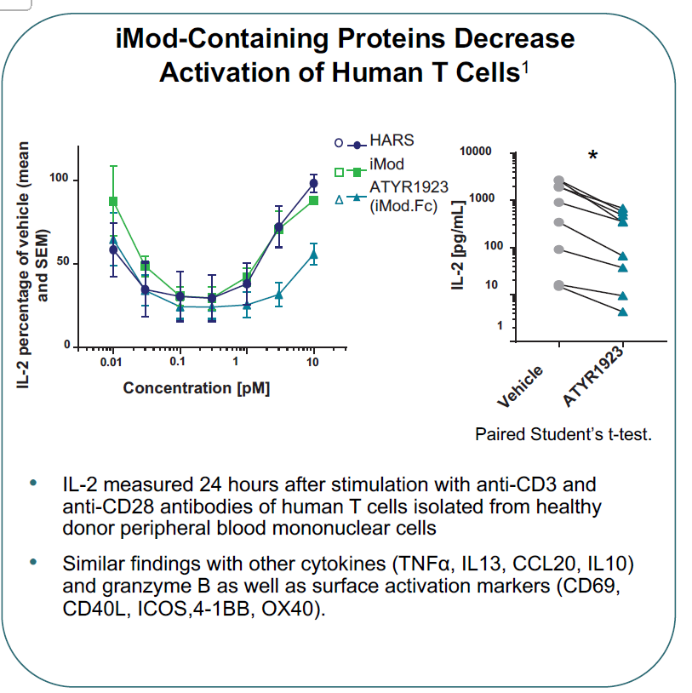
ATYR1923 Modules the Inflammatory Response in Experimential Models of Interstitial Lung Disease
 | Sclerodermatous cGvHD
 | Saccharopolyspora rectivirgula-induced CHP
 | Propionibacterium acnes-induced PF
 | SKG mice

Math
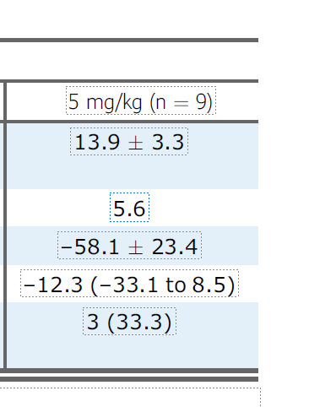
Patient 1 | 10.1 | 8.8 | -12%
Patient 2 | 12.5 | 7.5 | -40%
Patient 3 | 17.5 | 9.6 | -45%

Patient 5 | 15.5 | 5.6 | -64%
Patient 6 | 10.6 | 3.2 | -70%
Patient 7 | 14.4 | 3.7 | -74%
Patient 8 | 18.7 | 4.7 | -75%
Patient 9 | 16.3 | 3.3 | -80%

Mean | 14.5 | 5.8 | -59.9% | -58.1%
SD | 3.1 | 2.6 | 23.2% | 23.4%

 | PLACEBO | PLACEBO | 1MG | 1MG | 3MG | 3MG MIXED COHORT | 5MG | 5MG MIXED COHORT
 | N=12 | N=11 | N=8 | N=7 | N=8 | N=7 | N=9 | N=7
DURATION | 2.83 | 2.9 | 5.3 | 4.4 | 4.3 | 3.5 | 2.9 | 1.9
IMMUNOMOD | 6 | 6 | 3 | 2 | 1 | 1 | 4 | 3
PRED BASE | 13.3 | 13.6 | 11.3 | 11.4 | 14.4 | 13.6 | 13.9 | 14.3
PPFVC | 77.3 | 78.1 | 68.3 | 66.3 | 83.8 | 84.6 | 83.8 | 83.4
KSQ |  | 42.4 |  | 50.6 |  | 53.8 |  | 48.3
 |  |  |  | EXCLUDED PATIENT WITH 82.5 FVC, 11.5 DURATION
PLACEBO |  |  | 1MG |  |  | 3MG (MIXED COHORT, 2 5MG) |  |  |  | 5MG (MIXED COHORT, 1 3MG)
PATIENT 1 | 25% |  | PATIENT 1 | -15% |  | PATIENT 1 | -17% |  |  | PATIENT 1 | -12%
PATIENT 2 | -20% |  | PATIENT 2 | -25% |  | PATIENT 2 | -44% |  |  | PATIENT 2 | -40%
PATIENT 3 | -50% |  | PATIENT 3 | -35% |  | PATIENT 3 | -50% |  |  | PATIENT 3 | -68%
PATIENT 4 | -56% |  | PATIENT 4 | -36% |  | PATIENT 4 | -50% |  |  | PATIENT 4 | -70%
PATIENT 5 | -57% |  | PATIENT 5 | -50% |  | PATIENT 5 | -50% |  |  | PATIENT 5 | -74%
PATIENT 6 | -61% |  | PATIENT 6 | -50% |  | PATIENT 6 | -75% |  |  | PATIENT 6 | -80%
PATIENT 7 | -65% |  | PATIENT 7 | -65% |  | PATIENT 7 | -80% |  |  | PATIENT 7 | -68%
CHART VALUE | -41% |  | CHART VALUE | -39% |  | CHART VALUE | -52% |  |  | CHART VALUE | -59%
REAL VALUE | -46% |  | REAL VALUE | -41% |  | REAL VALUE | -49% |  |  | REAL VALUE | -58%
MEDIAN | -56% |  | MEDIAN | -36% |  | MEDIAN | -50% |  |  | MEDIAN | -68%

7 PATIENTS, 5 MISSING!!! |  |  | 7 PATIENTS, 1 MISSING BECAUSE 1 PATIENT HAD LESS THAN 4 DOSES |  |  | REAL 3MG |  |  |  | REAL 5MG
9 COMPLETERS, SO 2 MISSING!!! |  |  | 6 COMPLETERS, 2 DROPOUTS |  |  | MEAN | -45% |  |  | MEAN | -58%
1 EXCLUDED FOR DOSE REASONS |  |  | 1 DROPOUT HAD >= 4 |  |  | MEDIAN | -50% |  |  | MEDIAN | -69%
 |  |  | 1 DROPOUT HAD < 4 |  |  | 6 PATIENTS |  |  |  | 8 PATIENTS
 |  |  |  |  |  | 2 DROPOUTS HAD >= 4 |  |  |  | 1 DROPOUT HAD <4
 |  |  |  |  |  | 1 DROPOUT HAD < 4
 |  |  |  |  |  |  |  |  | 19
 |  |  | 4 EXCLUDED FOR DOSE REASONS

PLACEBO |  |  | 1MG |  |  | 3MG |  |  |  | 5MG
PATIENT 1 | 25% |  | PATIENT 1 | -15% |  | PATIENT 1 | -17% |  |  | PATIENT 1 | -44%
PATIENT 2 | -20% |  | PATIENT 2 | -25% |  | PATIENT 2 | -50% |  |  | PATIENT 2 | -75%
PATIENT 3 | -50% |  | PATIENT 3 | -35% |  | PATIENT 3 | -50% |  |  | PATIENT 3 | -12%
PATIENT 4 | -56% |  | PATIENT 4 | -36% |  | PATIENT 4 | -50% |  |  | PATIENT 4 | -40%
PATIENT 5 | -57% |  | PATIENT 5 | -50% |  | PATIENT 5 | -80% |  |  | PATIENT 5 | -70%
PATIENT 6 | -61% |  | PATIENT 6 | -50% |  | PATIENT 6 | -68% |  |  | PATIENT 6 | -74%
PATIENT 7 | -65% |  | PATIENT 7 | -65% |  | PATIENT 7 | -40% |  |  | PATIENT 7 | -80%
PATIENT 8 | -54% | dropout | PATIENT 8 | -50% |  | PATIENT 8 | -40% |  |  | PATIENT 8 | -68%
PATIENT 9 | -54% |  | REAL VALUE | -41% |  | REAL VALUE | -49% |  | dropout | PATIENT 9 | -58%
PATIENT 10 | -55% |  | OUR VALUE | -41% |  | OUR VALUE | -49% |  |  | REAL VALUE | -58%
PATIENT 11 | -55% |  | MEDIAN | -43% |  | MEDIAN | -50% |  |  | OUR VALUE | -58%
PATIENT 12 | -55% |  |  |  |  |  |  |  |  | MEDIAN | -68%
REAL VALUE | -46%
OUR VALUE | -46%
MEDIAN | -55%

PLACEBO
PATIENT 1 | 9%
PATIENT 2 | 4%
PATIENT 3 | 3%
PATIENT 4 | 2%
PATIENT 5 | 0%
PATIENT 6 | -3%
PATIENT 7 | -5%
PATIENT 8 | -9%
PATIENT 9 | -15%
PATIENT 10 | -24%
CHART AVG | -4%
REAL AVG | -1%

