Main
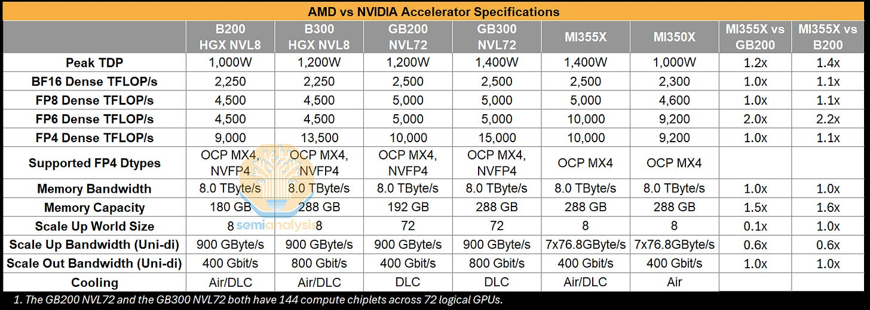
EPYC CPU |  |  | Versal FPGA | Price | 238.00
Instinct GPU |  |  | CXL 3.1, PCIe Gen6, LPDDR5X | Shares | 1,641 | Q325
 | MI300X |  | Versal RF | MC | 390,558
 | MI300 |  |  | Cash | 7,243 | Q325
 | ROCm |  |  | Debt | 3,220 | Q325
 | MI308 | China |  | EV | 386,535
 | MI355X | "Ramp going exceedingly well"
 |  | "Not a rackscale product" -- SemiAnalysis
 |  | 1400W air cool/DLC liquid cool
 | MI450 | upcoming AI chip, CoWoS? Will be rack-scale, could be competitive against R200 2H26.
 |  | Not real UAlink
 | MI300A
 | MI500 | 256 logical chips vs. 144 chips for R300
Ryzen CPU
 | Ryzen 9000X3D - desktop
 | Ryzen Z2 - mobile
 | Ryzen 9000HX - handheld
Ryzen AI PRO
 | Dell Pro notebook/desktop PC partnership
Ryzen AI Max, Max PRO
Ryzen AI 300
Ryzen AI 300 PRO
 | notebook
Ryzen 200 |  |  | Venice
Ryzen 200 PRO
Radeon GPU

LiquidAI, Vultr, Absci

