F02.CFG-Paths
do not print this form | VVSS, Info Romana, 2019-2020

F02a. Cautarea unei piese dupa nume tinand cont de majuscule

F02. Covered source code |  | F02. Control Flow Graph (CFG) | F02. Cyclomatic Complexity (CC)

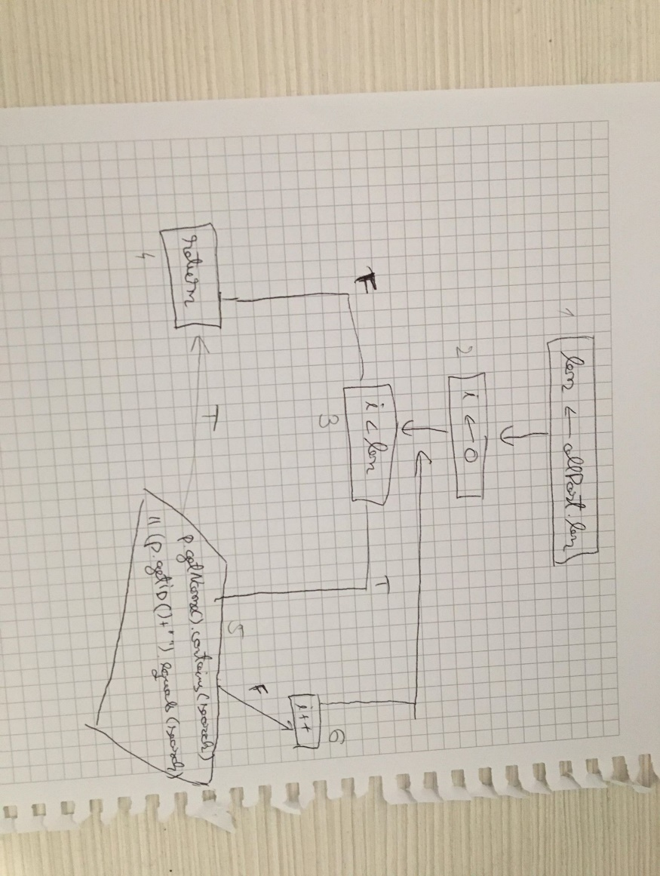
 |  | Please insert the CFG for this associated source code | CC1 = No. of regions = |  | 3
 |  | It may be a screenshot, picture, etc. | CC2 = Edges - Nodes + 2 = |  | 7-6+2
 |  | <Req02 CFG > | CC3 = No. of Conditions + 1 = |  | 2+1

 |  |  | F02. Individual Paths

 |  |  | Path No. | Path
 |  |  | F02_P01 | 1-2-3(F)-4
 |  |  | F02_P02 | 1-2-3(T)-5(F)-6-3(F)-4
 |  |  | F02_P03 | 1-2-3(T)-5(T)-4

