Sources
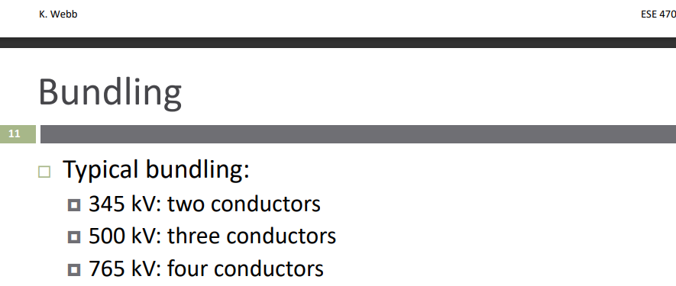
Sources
Insulators string distance:IEC 60071-2 Insulation co-ordination application guite part 2 (creepage distance). AND IEC 60305 IEC Insulators classes
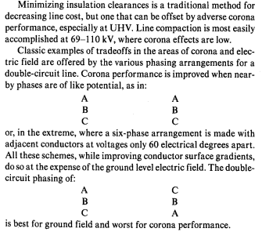
EPRI Transmission reference book
Stevenson, Grainger

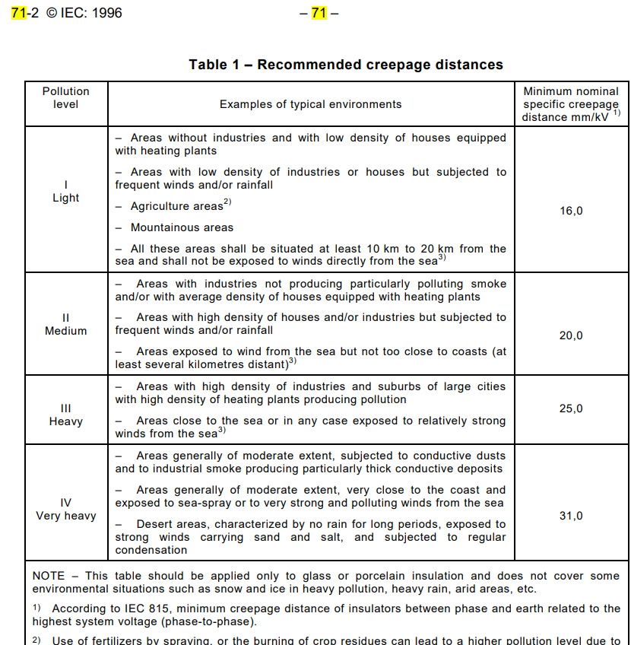

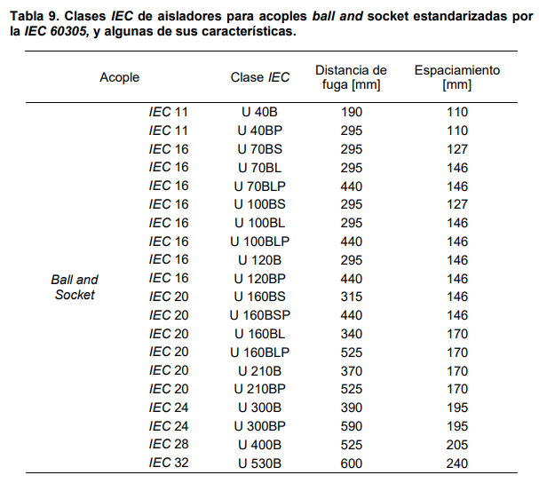

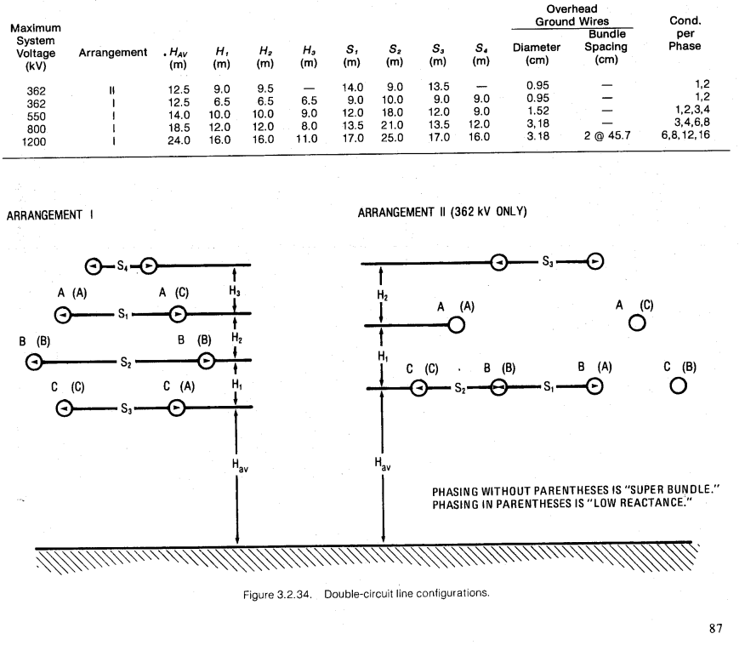

 | typical bundling | Oregon state U | Section 4 Transmission Lines.pdf (oregonstate.edu)

