Feuil1
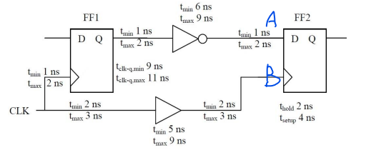
 | 0 | 1 | 2 | 3 | 4 | 5 | 6 | 7 | 8 | 9 | 10 | 11 | 12 | 13 | 14 | 0 | 1 | 2 | 3 | 4 | 5 | 6 | 7 | 8 | 9 | 10 | 11 | 12 | 13 | 14 | 0 | 1 | 2 | 3 | 4 | 5 | 6 | 7 | 8 | 9 | 10 | 11 | 12 | 13 | 14 | 45 | 46 | 47 | 48 | 49 | 50
CLK
A
CLK (FF1)
FF1 Q
A
B
CLK
CLK + hold + setup |  |  |  |  |  | setup |  |  |  |  |  |  |  |  |  |  |  |  |  |  | setup
 |  |  |  |  |  |  |  |  |  |  |  |  |  |  |  | hold |  |  |  |  |  |  |  |  |  |  |  |  |  |  | hold

setup violation
hold violation

