Comments and Overview
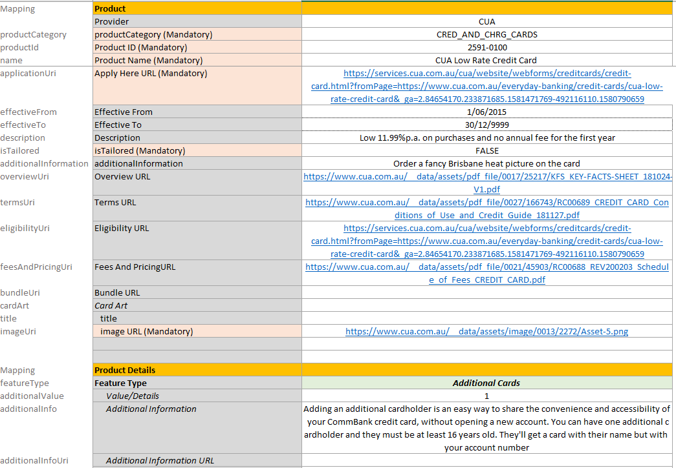
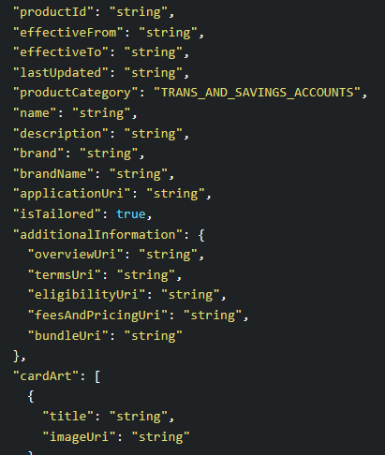
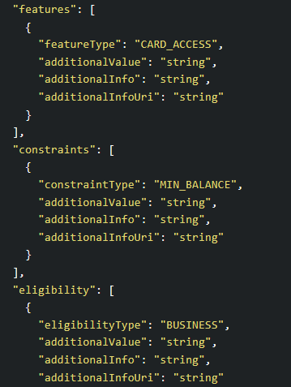
Overview of Manual Products V2 spreadsheet
1. As each product category will have similar product details and will be completed by different departments, a worksheet per category has been setup
2. Term Deposit Rates - as there are many term deposit rates/tiers, we have used a different layout so that it is easier for the business to capture/check the information. However the data can still be transposed for ingestion.
Most of the other product types have very few rates/tiers so we can retain the schema layout
3. Certain fields are not included as these could have default hard-coded values eg 'brandName' would be 'Credit Union Australia Ltd'. This prevents clutter on the worksheets
4. Drop downs will be created where specific enumerations are required. If there are enumerations that will be more user-friendly in 'CUA Business speak', an enumeration mapping worksheet will be included/provided
5. Each worksheet will have a Mapping column to specify which section the data refers to

