Sheet1
 | Unnamed: 0 | Bacterial_name | Type | Candidate_metabolite | Similarity | CID | smiles | anti_bacteria/fungi | insecticide | herbicide | tickkiller | virus
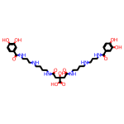 | 0 | Bacillus_thuringiensis | NI-siderophore | petrobactin | 100 | 11411510.0 | C1=CC(=C(C=C1C(=O)NCCCNCCCCNC(=O)CC(CC(=O)NCCCCNCCCNC(=O)C2=CC(=C(C=C2)O)O)(C(=O)O)O)O)O | Hit | - | - | - | -
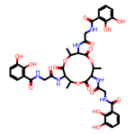 | 1 | Bacillus_thuringiensis | NRP-metallophore,NRPS | bacillibactin | 85 | 125349.0 | CC1C(C(=O)OC(C(C(=O)OC(C(C(=O)O1)NC(=O)CNC(=O)C2=C(C(=CC=C2)O)O)C)NC(=O)CNC(=O)C3=C(C(=CC=C3)O)O)C)NC(=O)CNC(=O)C4=C(C(=CC=C4)O)O | Hit | - | - | - | -
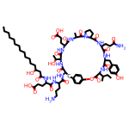 | 2 | Bacillus_thuringiensis | betalactone | fengycin | 40 | 443591.0 | CCCCCCCCCCCCCC(CC(=O)NC(CCC(=O)O)C(=O)NC(CCCN)C(=O)NC1CC2=CC=C(C=C2)OC(=O)C(NC(=O)C(NC(=O)C(NC(=O)C3CCCN3C(=O)C(NC(=O)C(NC(=O)C(NC1=O)C(C)O)CCC(=O)O)C)CCC(=O)N)CC4=CC=C(C=C4)O)C(C)CC)O | Hit | Hit | - | - | Hit
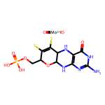 | 3 | Bacillus_thuringiensis | terpene | molybdenum cofactor | 17 | 136033744.0 | C(C1C(=C(C2C(O1)NC3=C(N2)C(=O)NC(=N3)N)[S-])[S-])OP(=O)(O)O.O=[Mo+2]=O | - | - | - | - | -
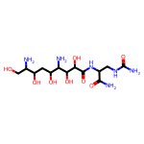 | 4 | Bacillus_thuringiensis | lanthipeptide-class-i,T1PKS,NRPS | zwittermicin A | 96 | 127916.0 | C(C(C(CO)N)O)C(C(C(C(C(=O)NC(CNC(=O)N)C(=O)N)O)O)N)O | - | - | - | - | -
 | 5 | Bacillus_thuringiensis | NRPS-like,NRPS | puwainaphycin A/puwainaphycin B/puwainaphycin C/puwainaphycin D | 40 |  |  | - | - | - | - | -
 | 6 | Bacillus_thuringiensis | lanthipeptide-class-ii | thuricin | 100 |  |  | Hit | - | - | - | -
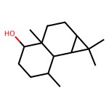 | 0 | streptomyces_avermitilis | terpene | avermitilol | 100 | 56927933.0 | CC1CCC(C2(C1C3C(C3(C)C)CC2)C)O | - | - | - | - | -
 | 1 | streptomyces_avermitilis | lassopeptide | cattlecin | 75 |  |  | - | - | - | - | -
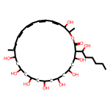 | 2 | streptomyces_avermitilis | T1PKS | filipin | 100 | 6433194.0 | CCCCCC(C1C(CC(CC(CC(CC(CC(CC(C(=CC=CC=CC=CC=CC(C(OC1=O)C)O)C)O)O)O)O)O)O)O)O | Hit | - | - | - | Hit
 | 3 | streptomyces_avermitilis | NRPS | diisonitrile antibiotic SF2768 | 66 |  |  | - | - | - | - | -
 | 4 | streptomyces_avermitilis | PKS-like,NRPS-like,T1PKS,NRPS | landepoxcin | 11 |  |  | - | - | - | - | -
 | 5 | streptomyces_avermitilis | T1PKS | LL-F28249α | 100 |  |  | - | - | - | - | -
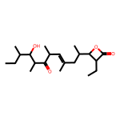 | 6 | streptomyces_avermitilis | terpene | ebelactone | 5 | 6436821.0 | CCC1C(OC1=O)C(C)CC(=CC(C)C(=O)C(C)C(C(C)CC)O)C | - | - | - | - | -
 | 7 | streptomyces_avermitilis | terpene | carotenoid | 100 |  |  | Hit | Hit | Hit | - | -
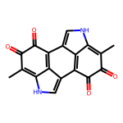 | 8 | streptomyces_avermitilis | melanin | melanin | 100 | 6325610.0 | CC1=C2C3=C(C4=CNC5=C(C(=O)C(=O)C(=C45)C3=CN2)C)C(=O)C1=O | Hit | Hit | Hit | - | Hit
 | 9 | streptomyces_avermitilis | T1PKS | foxicin A/foxicin B/foxicin C/foxicin | 12 |  |  | - | - | - | - | -
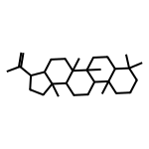 | 10 | streptomyces_avermitilis | terpene | hopene | 92 | 92155.0 | CC(=C)C1CCC2(C1CCC3(C2CCC4C3(CCC5C4(CCCC5(C)C)C)C)C)C | - | - | - | - | -
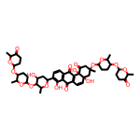 | 11 | streptomyces_avermitilis | NI-siderophore | grincamycin | 8 | 70691549.0 | CC1C(CCC(O1)OC2C(OC(CC2O)C3=C(C4=C(C=C3)C(=O)C5=C(C4=O)C=CC6(C5(C(=O)CC(C6)(C)OC7CCC(C(O7)C)OC8CCC(=O)C(O8)C)O)O)O)C)OC9CCC(=O)C(O9)C | Hit | - | - | - | -
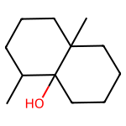 | 12 | streptomyces_avermitilis | terpene | geosmin | 100 | 29746.0 | CC1CCCC2(C1(CCCC2)O)C | Hit | - | - | - | -
 | 13 | streptomyces_avermitilis | lassopeptide | B/ashimides A/ashimide A/ashimide B | 10 |  |  | - | - | - | - | -
 | 14 | streptomyces_avermitilis | PKS-like,T1PKS,butyrolactone,other | tambjamine BE-18591 | 17 |  |  | - | - | - | - | -
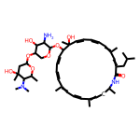 | 15 | streptomyces_avermitilis | T1PKS,T2PKS,PKS-like | auroramycin | 20 | 139591575.0 | CC1CC=C(C=CC=C(C=CC=CC(C(C=CC=CC=C(C=C(C(=O)N1)CC(C)C)C)(C)O)OC2C(C(C(CO2)OC3CC(C(C(O3)C)N(C)C)(C)O)O)N)C)C | Hit | - | - | - | -
 | 16 | streptomyces_avermitilis | T2PKS,T1PKS | oligomycin | 100 |  |  | Hit | Hit | - | - | -
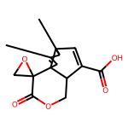 | 17 | streptomyces_avermitilis | terpene | pentalenolactone | 100 | 24199350.0 | CC1C2C=C(C3C2(C=C1C)C4(CO4)C(=O)OC3)C(=O)O | Hit | - | - | - | -
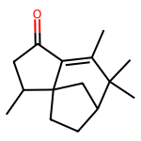 | 18 | streptomyces_avermitilis | terpene | albaflavenone | 100 | 25137938.0 | CC1CC(=O)C2=C(C(C3CCC12C3)(C)C)C | - | - | - | - | -
 | 19 | streptomyces_avermitilis | NRPS-like,NRPS | gobichelin A/gobichelin B | 16 |  |  | - | - | - | - | -
 | 20 | streptomyces_avermitilis | NRPS,NRPS-like | WS9326B/WS9326A/WS9326G/WS9326F | 7 |  |  | - | - | - | - | -
 | 21 | streptomyces_avermitilis | PKS-like,butyrolactone | 5-isoprenylindole-3-carboxylate β-D-glycosyl ester | 42 |  |  | - | - | - | - | -
 | 22 | streptomyces_avermitilis | NRPS,ladderane,arylpolyene | kitacinnamycin A/kitacinnamycin B/kitacinnamycin C/kitacinnamycin D/kitacinnamycin E/kitacinnamycin F | 30 |  |  | - | - | - | - | -
 | 23 | streptomyces_avermitilis | NI-siderophore | desferrioxamin B/desferrioxamine E | 83 |  |  | - | - | - | - | -
 | 24 | streptomyces_avermitilis | aminopolycarboxylic-acid | EDHA | 88 |  |  | - | - | - | - | -
 | 25 | streptomyces_avermitilis | lassopeptide | citrulassin D | 100 |  |  | - | - | - | - | -
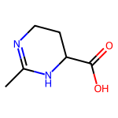 | 26 | streptomyces_avermitilis | ectoine | ectoine | 100 | 126041.0 | CC1=NCCC(N1)C(=O)O | - | - | - | - | -
 | 27 | streptomyces_avermitilis | NAPAA | ε-Poly-L-lysine | 100 |  |  | Hit | - | - | - | -
 | 28 | streptomyces_avermitilis | T3PKS | flaviolin/1,3,6,8-tetrahydroxynaphthalene | 100 |  |  | - | - | - | - | -
 | 29 | streptomyces_avermitilis | NI-siderophore | peucechelin | 25 |  |  | - | - | - | - | -
 | 30 | streptomyces_avermitilis | T1PKS,hglE-KS | hexacosalactone A | 11 |  |  | - | - | - | - | -
 | 31 | streptomyces_avermitilis | RiPP-like,lanthipeptide-class-iii | informatipeptin | 100 |  |  | - | - | - | - | -

