Dashboard
Oscar Best Picture Movies Dashboard

Nominee
 | Nominee
Cleopatra | 1
Flirtation Walk | 1
Here Comes the Navy | 1
Imitation of Life | 1
One Night of Love | 1
The Barretts of Wimpole Street | 1
The Gay Divorcee | 1
The House of Rothschild | 1
The Thin Man | 1
The White Parade | 1
Viva Villa! | 1
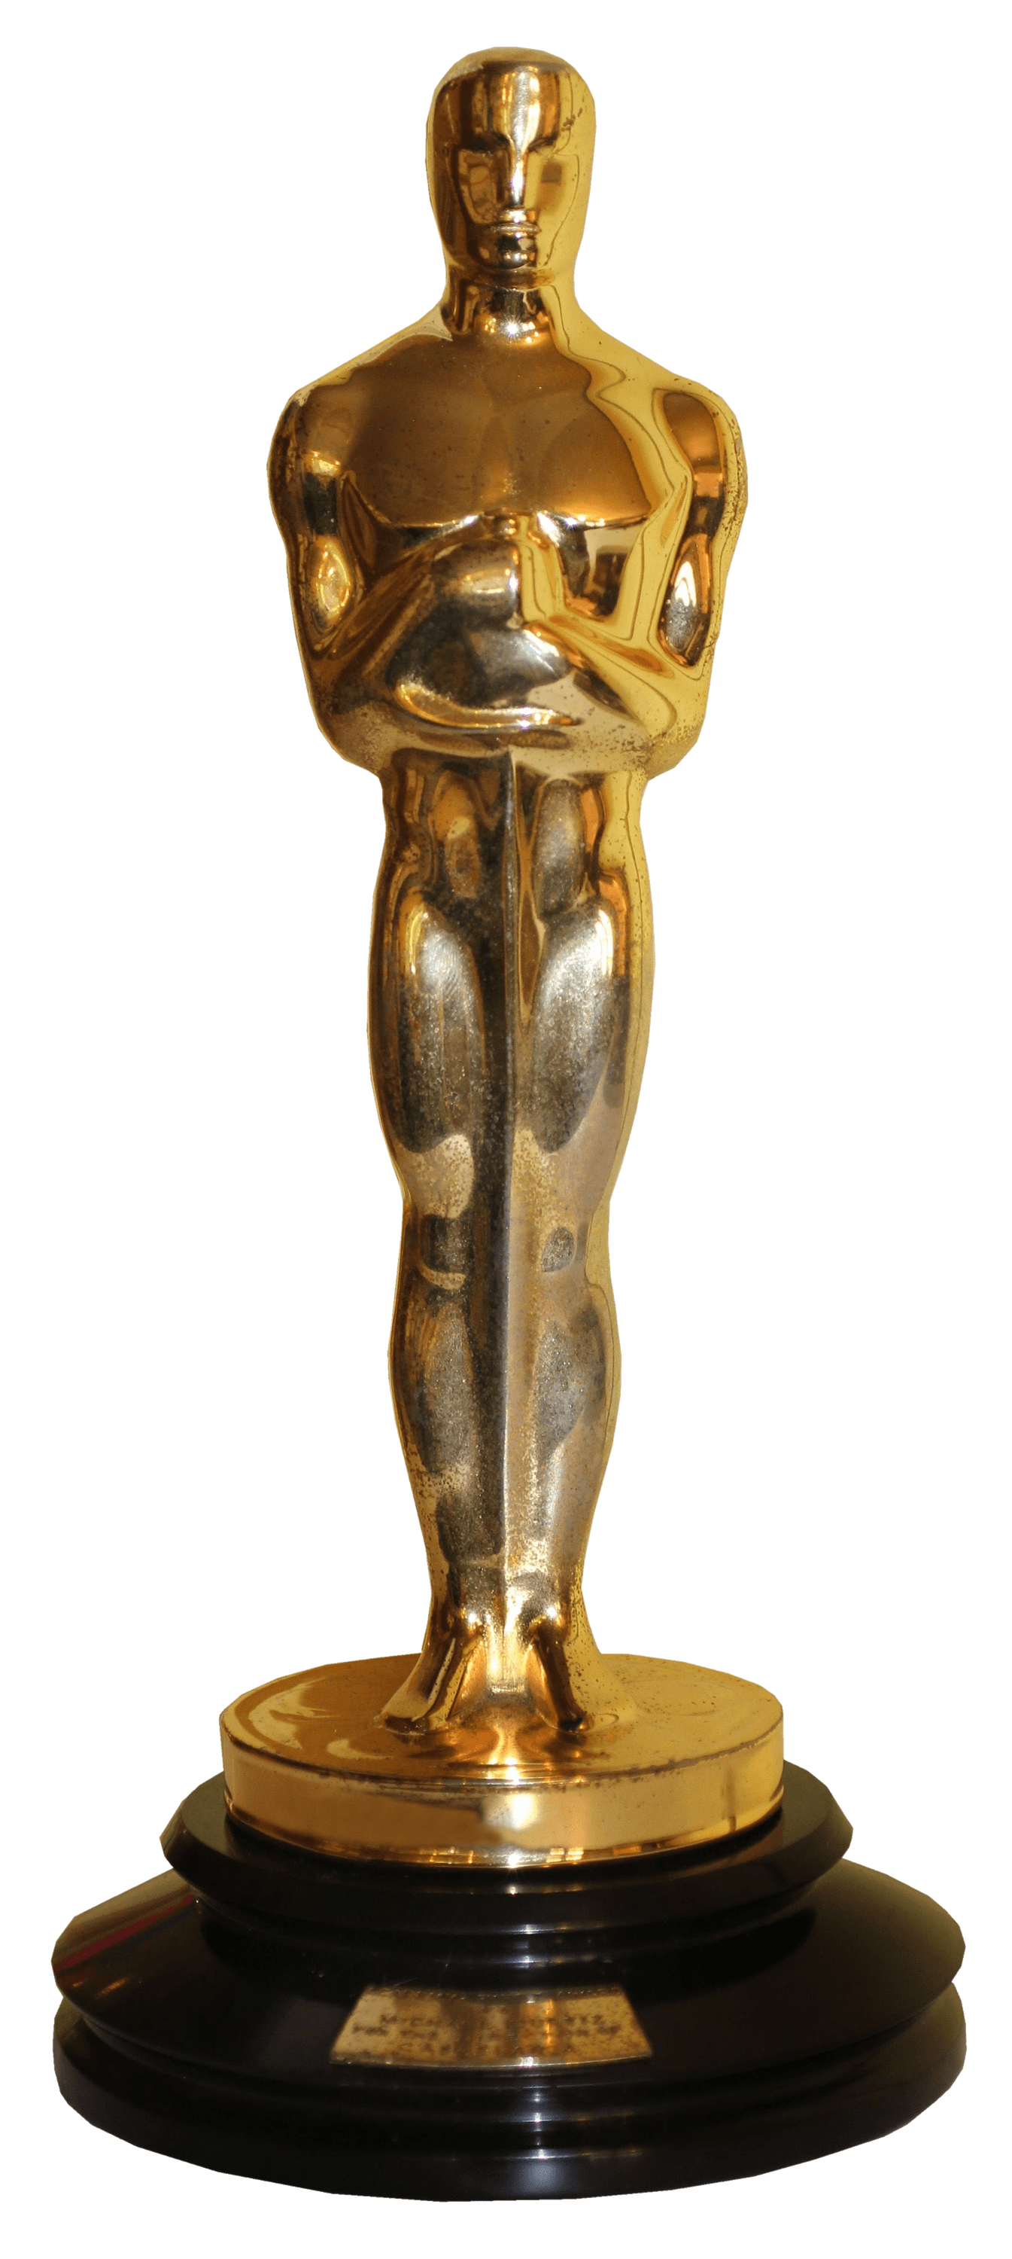
IMDB Rating Of Movies
 | Total
Cleopatra | 6.8
Flirtation Walk | 5.7
Here Comes the Navy | 6.3
Imitation of Life | 7.5
One Night of Love | 5.7
The Barretts of Wimpole Street | 7
The Gay Divorcee | 7.5
The House of Rothschild | 6.6
The Thin Man | 8
The White Parade | 6.8
Viva Villa! | 6.4

Audience Count And Director Name
 | Total
(blank)
(blank)
(blank)
John M. Stahl | 4562
(blank)
Sidney Franklin | 335
Mark Sandrich | 3378
(blank)
W.S. Van Dyke | 12999
(blank)
(blank)
Genre Of Movies
 | Total
(blank) | 1
(blank) | 1
(blank) | 1
Classics, Drama, Romance | 1
(blank) | 1
Classics, Drama, Romance | 1
Classics, Comedy, Drama, Musical & Performing Arts, Romance | 1
(blank) | 1
Classics, Comedy, Mystery & Suspense | 1
(blank) | 1
(blank) | 1

Film Studio/Producer(s)
 | Total
The House of Rothschild | 1
One Night of Love | 1
Flirtation Walk | 1
The White Parade | 1
The Barretts of Wimpole Street | 1
The Thin Man | 1
Viva Villa! | 1
Cleopatra | 1
The Gay Divorcee | 1
Imitation of Life | 1
Here Comes the Navy | 1

 | Nominee
Cleopatra | 1
Flirtation Walk | 1
Here Comes the Navy | 1
Imitation of Life | 1
One Night of Love | 1
The Barretts of Wimpole Street | 1
The Gay Divorcee | 1
The House of Rothschild | 1
The Thin Man | 1
The White Parade | 1
Viva Villa! | 1

