midjourney prompts
关键词 | 示例图 | 中文关键词
anthropomorphic white tiger wearing armor, extremely hyper aesthetic intricate detailed, sharp focus, bewitching lighting, trending on artstation, finely detailed armor, cinematic lighting, intricate filigree metal design, 8k, unreal engine, octane render | 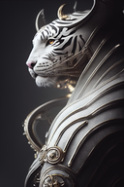 | 穿着盔甲的拟人白虎，极其超美学的复杂细节，锐利的焦点，迷人的灯光，在艺术站上流行，精细的盔甲，电影般的灯光，复杂的花丝金属设计，8k，不真实的引擎，辛烷渲染
anthropomorphic majestic cat arcane mage, big blue eyes, lots of details, portrait, finely detailed armor, cinematic lighting, intricate filigree metal design, 8k, unreal engine, octanerender, realistic, redshift render | 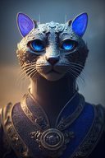 | 拟人雄伟的猫奥术法师，蓝色的大眼睛，很多细节，肖像，精细的盔甲，电影般的灯光，复杂的花丝金属设计，8k，不真实的引擎，八边形，逼真，红移渲染
Anthropomorphic majestic dog, detailed armor, intricate filigree metal design, gold, steel, silk, hyper detailed, cinematic lighting, 4k, 8k, Unreal Engine, Octane Rendering, | 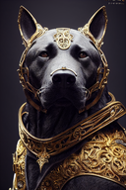 | 拟人的威严的狗，详细的盔甲，复杂的金属丝设计，黄金，钢铁，丝绸，超精细，电影照明，4k，8k，虚幻引擎，辛烷渲染，
Anthropomorphic majestic black knight warrior with sword and two camera lens on helmet for eyes, portrait, 55mm canon, spectacular details, finely detailed armor, cinematic lighting, intricate filigree black metal design, epic composition, ultra realistic, high contrast, octane render, 4k | 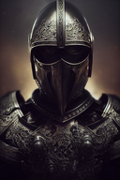 | 人形雄伟的黑色骑士战士，带剑和头盔上的双镜头，人像，55毫米大炮，壮观的细节，精细的盔甲，电影灯光，复杂的花丝黑色金属设计，史诗般的构图，超现实，高对比度，辛烷渲染，4k
Anthropomorphic cute and adorable chihuahua Aircraft Captain dog, finely detailed Sailor suit, intricate filigree metal design, silver, steel, silk, royal, gorgeous, funny, movie like lights, ornate, cinematic lighting, 4k, 8k, Unreal Engine, octane render | 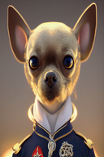 | 人形可爱可爱的吉娃娃飞机机长犬，精细的水手服，复杂的花丝金属设计，银色，钢，丝绸，皇家，华丽，有趣，电影般的灯光，华丽，电影灯光，4k，8k，虚幻引擎，辛烷渲染
Anthropomorphic majestic golden knight warrior with camera lens on helmet, portrait, 55mm canon, spectacular details, finely detailed armor, cinematic lighting, intricate filigree metal design, epic composition, ultra realistic, high contrast, octane render, 4k, 8k | 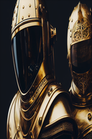 | 拟人的雄伟的黄金骑士战士，头盔上有相机镜头，肖像，55毫米大炮，壮观的细节，精细的盔甲，电影灯光，复杂的花丝金属设计，史诗般的构图，超现实，高对比度，辛烷渲染，4k，8k
an anthropomorphic owl with rubbing red eye, blue luminous horns on hes head, wearing a brown leather coat with metal inserts. against the backdrop of the milky way. | 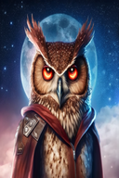 | 一只拟人猫头鹰，头上有红色的眼睛和蓝色发光的角，穿着一件镶有金属的棕色皮衣。在银河的背景下。
an anthropomorphic owl with three red eyes, blue luminous horns, wearing a brown leather coat with metal inserts. against the backdrop of the milky way. | 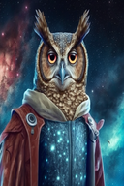 | 一只拟人猫头鹰，有三只红色的眼睛，蓝色发光的角，穿着一件镶有金属的棕色皮衣。在银河的背景下。
anthropomorphic majestic snake knight, portrait, finely detailed armor, cinematic lighting, intricate filigree metal design, 4k, 8k, unreal engine, octane render, ar 9 16 testp upbeta upbeta | 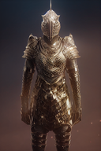 | 拟人雄伟的蛇骑士，肖像，精细的盔甲，电影灯光，复杂的花丝金属设计，4k，8k，不真实的引擎，辛烷渲染，ar 9 16 testp upbeta upbeta
side view portrait of an anthropomorphic majestic white knight mouse, very intricate design of metal armor and helm with intricate filigree silver detailing, ice blue eyes, cinematic lighting, night background, photography, super detailed, unreal engine, octane render ar 2 3 test creative upbeta | 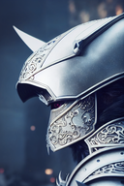 | 一只拟人的雄伟的白色骑士鼠的侧视图，金属盔甲和头盔的非常复杂的设计，带有复杂的银丝细节，冰蓝色的眼睛，电影般的灯光，夜间背景，摄影，超精细，不真实的引擎，辛烷渲染ar 23测试创造性的upbeta
Anthropomorphic majestic horse, detailed armor, intricate filigree metal design, gold, steel, silk, hyper detailed, cinematic lighting, 4k, 8k, Unreal Engine, Octane Rendering, | 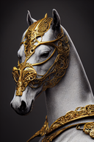 | 拟人雄伟的马，细致的盔甲，错综复杂的花丝金属设计，黄金、钢铁、丝绸，超精细，电影照明，4k、8k，虚幻引擎，辛烷渲染，
Carne Griffiths style of a Anthropomorphic chrome statue metallic robotic crow, hr giger, 3d, hyperrealism, Unreal Engine | 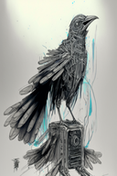 | 卡内·格里菲斯（Carne Griffiths）风格的拟人铬雕像金属机器乌鸦，hr giger，3d，超现实主义，虚幻引擎
Anthropomorphic majestic golden knight warrior with camera lens on helmet, portrait, 55mm canon, spectacular details, finely detailed armor, cinematic lighting, intricate filigree metal design, epic composition, ultra realistic, high contrast, octane render, 8k | 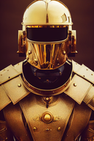 | 拟人的雄伟的黄金骑士战士，头盔上有相机镜头，肖像，55毫米大炮，壮观的细节，精细的盔甲，电影灯光，复杂的花丝金属设计，史诗般的构图，超现实，高对比度，辛烷渲染，8k
Anthropomorphic majestic black knight warrior with two camera lens on helmet for eyes, portrait, 55mm canon, spectacular details, finely detailed armor, cinematic lighting, intricate filigree black metal design, epic composition, ultra realistic, high contrast, octane render, 4k | 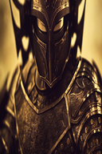 | 人形雄伟的黑色骑士战士，头盔上有两个镜头供眼睛观看，肖像，55毫米大炮，壮观的细节，精细的盔甲，电影灯光，复杂的花丝黑色金属设计，史诗般的构图，超逼真，高对比度，辛烷值渲染，4k
h.r. giger style of a Anthropomorphic chrome statue metallic robotic crow, pencil sketch, hyperrealism, Unreal Engine | 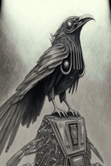 | h、 r.吉格风格的仿人铬雕像金属机器乌鸦，铅笔素描，超现实主义，虚幻引擎
Carne Griffiths style of a Anthropomorphic chrome statue metallic robotic crow, 3d, hyperrealism, Unreal Engine | 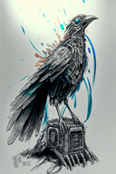 | 卡内·格里菲斯（Carne Griffiths）风格的拟人铬雕像金属机器乌鸦，3d，超现实主义，虚幻引擎
anthropomorphic majestic Black horse, portrait, finely detailed armor, intricate filigree metal design, silver, steel, silk, cinematic lighting, 4k, unreal engine, octane render, | 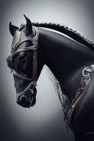 | 拟人雄伟的黑马，肖像，精细的盔甲，复杂的金属丝设计，银色，钢，丝绸，电影照明，4k，不真实的引擎，辛烷渲染，
Hybrid helmet/camera, medieval Knight Helmet mixed with a digital camera and lens, Anthropomorphic majestic golden knight warrior with camera lens on helmet, portrait, 55mm canon, spectacular details, finely detailed armor, cinematic lighting, intricate filigree metal design, epic composition, ultra realistic, high contrast, octane render, 4k, 8k | 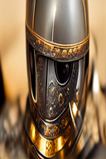 | 混合头盔/相机，中世纪骑士头盔与数码相机和镜头混合，头盔上带有相机镜头的拟人雄伟黄金骑士战士，肖像，55毫米大炮，壮观的细节，精细的盔甲，电影般的灯光，复杂的花丝金属设计，史诗般的构图，超逼真，高对比度，辛烷值渲染，4k，8k
Hybrid helmet/camera, medieval Knight Helmet mixed with a digital camera and lens, Anthropomorphic majestic golden knight warrior with camera lens on helmet, portrait, 55mm canon, spectacular details, finely detailed armor, cinematic lighting, intricate filigree metal design, epic composition, ultra realistic, high contrast, octane render, 8k | 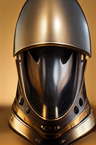 | 混合头盔/相机，中世纪骑士头盔与数码相机和镜头混合，头盔上带有相机镜头的拟人雄伟的黄金骑士战士，肖像，55毫米大炮，壮观的细节，精细的盔甲，电影般的灯光，复杂的花丝金属设计，史诗般的构图，超逼真，高对比度，辛烷值渲染，8k
cosplay photography, a beautiful female anthropomorphic lioness with long hair and electric guitar, in a heavy metal recording studio | 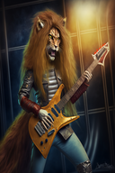 | cosplay摄影，一头长发、电吉他的美丽女性拟人狮子，在重金属录音室
anthropomorphic majestic dog knight, portrait, finely detailed armor, cinematic lighting, intricate filigree metal design, 4k, 8k, unreal engine, octane render, ,ureal | 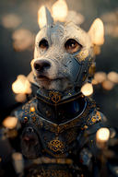 | 拟人的威严的狗骑士，肖像，精细的盔甲，电影灯光，复杂的金属丝设计，4k，8k，不真实的引擎，辛烷渲染，尿素
Anthropomorphic majestic caterpillar general, fierce, realistic detailed fur colors, big reflective eyes, lots of details, portrait, finely detailed majestic armor high clear detail armor, cinematic lighting, intricate filigree metal design high detail, 8k, unreal engine, octane render, realistic, redshift render, 2d, pixar art | 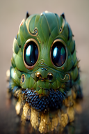 | 拟人的雄伟毛毛虫将军，凶猛，逼真的详细皮毛颜色，大眼睛，大量细节，肖像，精细的雄伟盔甲高清晰细节盔甲，电影照明，复杂的细丝金属设计高细节，8k，不真实的引擎，辛烷渲染，逼真，红移渲染，2d，pixar艺术
Carne Griffiths style of a Anthropomorphic chrome statue metallic robotic crow, pencil sketch, hyperrealism, Unreal Engine | 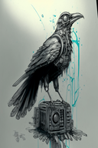 | 卡内·格里菲斯（Carne Griffiths）风格的拟人铬雕像金属机器乌鸦、铅笔素描、超现实主义、虚幻引擎
Anthropomorphic majestic monkey, close-up portrait, detailed armor, complex filigree metal design, gold, steel, silk, movie lighting, 4k, 8k, illusory engine, octane rendering HD | 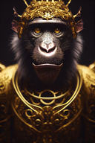 | 拟人雄伟的猴子，特写肖像，详细的盔甲，复杂的花丝金属设计，黄金，钢铁，丝绸，电影照明，4k，8k，虚幻引擎，辛烷渲染HD
Anthropomorphic blue owl, big green eyes, lots of details, portrait, finely detailed armor, cinematic lighting, intricate filigree metal design, 8k, unreal engine, octane render, realistic, redshift render, | 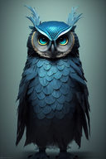 | 拟人的蓝色猫头鹰，绿色的大眼睛，大量细节，肖像，精细的盔甲，电影般的灯光，复杂的花丝金属设计，8k，不真实的引擎，辛烷值渲染，逼真的，红移渲染，
anthropomorphic male dragon in ancient chinese armor, red, blue, gold, black, portrait, detailed armor, cinematic lighting, intricate filigree metal design, 4k, 8k, unreal engine, octane rendering, ar 2 3 upbeta s 5000 test upbeta | 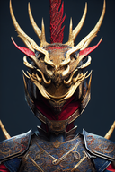 | 中国古代盔甲中的拟人男性龙，红色、蓝色、金色、黑色，肖像，详细的盔甲，电影灯光，复杂的花丝金属设计，4k、8k，不真实的引擎，辛烷渲染，ar 23 upbeta s 5000测试upbeta
Anthropomorphic majestic sheep, close-up portrait, detailed armor, complex filigree metal design, gold, steel, silk, movie lighting, 4k, 8k, illusory engine, octane rendering HD | 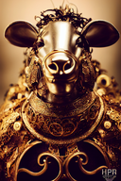 | 拟人雄伟的绵羊，特写肖像，详细的盔甲，复杂的金属丝设计，黄金，钢铁，丝绸，电影照明，4k，8k，虚幻引擎，辛烷渲染HD
Anthropomorphic majestic sea otter general, fierce, realistic detailed fur colors, big reflective eyes, lots of details, portrait, finely detailed majestic armor high clear detail armor, cinematic lighting, intricate filigree metal design high detail, 8k, unreal engine, octane render, realistic, redshift render, 2d, pixar art | 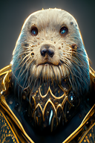 | 拟人的威严海獭将军，凶猛，逼真的细节皮毛颜色，大眼睛，大量细节，肖像，精细的细节威严盔甲高清晰细节盔甲，电影照明，复杂的细丝金属设计高细节，8k，不真实的引擎，辛烷渲染，逼真，红移渲染，2d，pixar艺术
Anthropomorphic majestic white tiger knight, portrait, finely detailed armor, cinematic lighting, intricate filigree metal design, 4k, 8k, unreal engine, octane render | 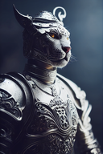 | 拟人的雄伟白虎骑士、肖像、精细的盔甲、电影般的灯光、复杂的花丝金属设计、4k、8k、不真实的引擎、辛烷值渲染
anthropomorphic majestic horse knight, portrait, finely detailed armor, cinematic lighting, intricate filigree metal design, 4k, 8k, unreal engine, octane render, ar 9 16 testp upbeta | 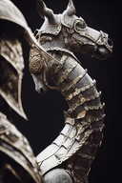 | 拟人的威严骑士，肖像，精细的盔甲，电影灯光，复杂的花丝金属设计，4k，8k，不真实的引擎，辛烷渲染，ar 9 16 testp upbeta
anthropomorphic majestic tiger knight, portrait, finely detailed armor, cinematic lighting, intricate filigree metal design, 4k, 8k, unreal engine, octane render, ar 9 16 testp upbeta | 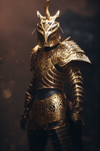 | 拟人雄伟的老虎骑士，肖像，精细的盔甲，电影灯光，复杂的花丝金属设计，4k，8k，不真实的引擎，辛烷渲染，ar 9 16 testp upbeta
Anthropomorphic majestic frog knight, portrait, finely detailed armor, cinematic lighting, intricate filigree metal design, 8k, unreal engine, octane render, high detail | 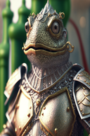 | 拟人的雄伟青蛙骑士，肖像，精细的盔甲，电影般的灯光，复杂的花丝金属设计，8k，不真实的引擎，辛烷渲染，高细节
Anthropomorphic white owl, big green eyes, lots of details, portrait, finely detailed armor, cinematic lighting, intricate filigree metal design, 8k, unreal engine, octane render, realistic, redshift render, sharp focus, trending on artstation, dramatic lighting, Unreal Engine 5, 8K | 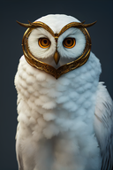 | 拟人白色猫头鹰，绿色大眼睛，大量细节，肖像，精细的盔甲，电影照明，复杂的金属丝设计，8k，虚幻引擎，辛烷渲染，逼真，红移渲染，锐利聚焦，艺术站趋势，戏剧照明，虚幻发动机5，8k
Anthropomorphic majestic snake, close-up portrait, detailed armor, complex filigree metal design, gold, steel, silk, movie lighting, 4k, 8k, illusory engine, octane rendering HD | 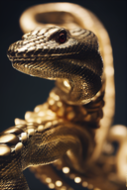 | 拟人雄伟的蛇，特写肖像，详细的盔甲，复杂的金属丝设计，黄金，钢铁，丝绸，电影照明，4k，8k，虚幻引擎，辛烷值渲染HD
epic scene of a full body dynamic pose shot of a Anthropomorphic majestic tiger knight, finely detailed armor, cinematic lighting, intricate filigree metal design, 8k, neon colors, colorful, high contrast, Jean-Baptiste Monge + Yoann Lossel + Alessio Albi + Greg Rutkowski + James Jean + Anna Dittman + HR Giger art, | 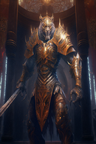 | 史诗般的场景，一个拟人的威严老虎骑士的全身动态姿势镜头，精细的盔甲，电影般的灯光，错综复杂的花丝金属设计，8k，霓虹色，五颜六色，高对比度，让-巴蒂斯特·蒙奇+约安·洛塞尔+阿莱西奥·阿尔比+格雷格·鲁特科夫斯基+詹姆斯·让+安娜·迪特曼+HR吉格艺术，
Anthropomorphic Majestic Devil, Arcane Magician, Big Fire Eyes, Big Horns, lots of details, portrait, finely detailed armor, cinematic lighting, intricate filigree metal design, 8k, unreal engine, octane render, realistic, redshift render, no glare | 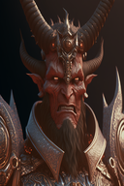 | 拟人巨魔、奥术魔术师、大火眼、大喇叭、大量细节、肖像、精细的盔甲、电影灯光、复杂的金属丝设计、8k、不真实的引擎、辛烷值渲染、逼真、红移渲染、无眩光
anthropomorphic orange dragon, big blue eyes, lots of details, portrait, finely detailed armor, cinematic lighting, intricate filigree metal design, 8k, unreal engine, octane render, realistic, redshift render | 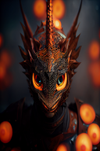 | 拟人的橙色龙，蓝色的大眼睛，很多细节，肖像，精细的盔甲，电影灯光，复杂的花丝金属设计，8k，不真实的引擎，辛烷渲染，真实的，红移渲染
anthropomorphic majestic bobcat warrior, portrait, finely detailed samurai armor, filigree design, ornate royal jewelry, cinematic lighting, intricate filigree blue and white metal design, 8k, unreal engine, octane render, realistic, | 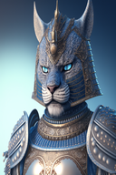 | 拟人的雄伟山猫战士，肖像，精细的武士盔甲，花丝设计，华丽的皇家珠宝，电影灯光，复杂的花丝蓝白金属设计，8k，不真实的引擎，辛烷渲染，逼真，
character design, anthropomorphic "rooster" wearing leather jacket and sunglasses, metal accessories, graffiti, vaporwave, synthwave background, intricate filigree detailing, photorealistic, volumetric lightning, hyper detailed, 8K, 16K, unreal engine 5, octane render, redshift render, light and shadow play, Light Rays, Cel-Shading, Light Diffusion, Cinematic Shading, and Cinematic Elements, HDR | 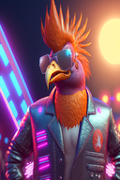 | 人物设计，穿着皮夹克和太阳镜的拟人“公鸡”，金属配件，涂鸦，蒸汽波，合成背景，复杂的花丝细节，照片真实感，体积闪电，超细节，8K，16K，不真实引擎5，辛烷值渲染，红移渲染，光影游戏，光线，Cel阴影，光线扩散，电影阴影和电影元素，HDR
anthropomorphic majestic tiger warrior, portrait, three-quarter view, finely detailed armor, intricate filigree metal design, silver, steel, silk, cinematic lighting, photorealistic, octane render, | 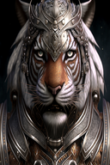 | 拟人雄伟的老虎战士，肖像，四分之三视图，精细的盔甲，复杂的花丝金属设计，银，钢，丝绸，电影照明，照片真实感，辛烷渲染，
Anthropomorphic majestic monkey, close-up portrait, detailed armor, intricate filigree metal design, gold, steel, silk, cinematic lighting, 4k, 8k, Unreal Engine, Octane Rendering, | 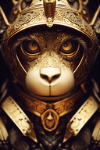 | 拟人的雄伟猴子、特写肖像、详细的盔甲、复杂的金属丝设计、黄金、钢铁、丝绸、电影照明、4k、8k、虚幻引擎、辛烷渲染、，
Anthropomorphic majestic rat, detailed armor, intricate filigree metal design, gold, steel, silk, cinematic lighting, 4k, 8k, Unreal Engine, Octane Rendering HD | 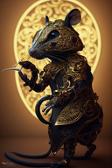 | 拟人雄伟的老鼠，详细的盔甲，复杂的细丝金属设计，黄金，钢铁，丝绸，电影照明，4k，8k，虚幻引擎，辛烷渲染HD
claymation, ***high color vintage jack kirby styled psychedelic acid trip screenprint, weird anthropomorphic mutant creatures in action, surreal alien grotesque morbid anatomy creature,bizarre atypical heavy metal poster design, in the style of 1970s comic books | 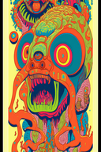 | 粘土化，***高颜色复古杰克·柯比风格的迷幻酸之旅剧本，动作中怪异的拟人变种生物，超现实的外星人怪异的病态解剖生物，怪异的非典型重金属海报设计，20世纪70年代的漫画风格
Anthropomorphic blue kitten, big green eyes, lots of details, portrait, finely detailed armor, cinematic lighting, intricate filigree metal design, beautiful lighting, fantasy, d&d, masterwork, realistic figure, realism, anthropomorphic, magical woods in the background, stardust glowing. | 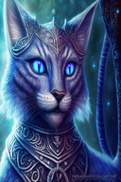 | 拟人的蓝色小猫，绿色的大眼睛，很多细节，肖像，精细的盔甲，电影灯光，复杂的金属丝设计，美丽的灯光，幻想，设计和制作，杰作，现实主义的人物，现实主义，拟人，背景中的魔法森林，星尘发光。
anthropomorphic liger warrior in metal armor space pilot gear in brown alien cockpit | 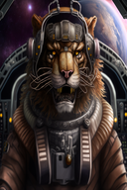 | 身穿金属盔甲的拟人狮虎战士棕色外星人驾驶舱的太空飞行员装备
epic scene of a full body dynamic pose shot of a Anthropomorphic majestic sword hero, finely detailed armor, cinematic lighting, intricate filigree metal design, 8k, neon colors, chiaroscuro, high contrast, Yoann Lossel + Alessio Albi + Greg Rutkowski + James Jean + Anna Dittman + HR Giger art, | 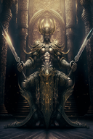 | 史诗般的场景，一个拟人的雄伟剑英雄的全身动态姿势镜头，精细的盔甲，电影般的灯光，错综复杂的花丝金属设计，8k，霓虹灯颜色，明暗对比，高对比度，约安·洛塞尔+阿莱西奥·阿尔比+格雷格·鲁特科夫斯基+詹姆斯·让+安娜·迪特曼+HR吉格艺术，
Anthropomorphic blue hawk, big green eyes, lots of details, portrait, finely detailed armor, cinematic lighting, intricate filigree metal design, beautiful lighting, fantasy, d&d, masterwork, realistic figure, realism, anthropomorphic, magical woods in the background, stardust glowing. | 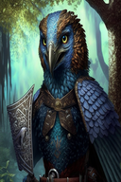 | 拟人蓝鹰，绿色大眼睛，大量细节，肖像，精细的盔甲，电影灯光，复杂的金属丝设计，美丽的灯光，幻想，设计和制作，杰作，现实主义人物，现实主义，拟人，背景中的魔法森林，星尘发光。
Anthropomorphic majestic white chicken face angel,fine feathered big wings、detailed portrait, Exquisite Chinese style armor, bioluminescence，cinematic lighting, intricate filigree metal design, 4k, 8k | 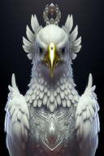 | 人形雄伟的白鸡脸天使、羽毛细腻的大翅膀、详细的肖像、精致的中国式盔甲、生物发光、电影照明、复杂的花丝金属设计、4k、8k
epic scene of a full body dynamic pose shot of a Anthropomorphic majestic Cthulhu knight, finely detailed armor, cinematic lighting, intricate filigree metal design, 8k, neon colors, chiaroscuro, high contrast, Yoann Lossel + Alessio Albi + Greg Rutkowski + James Jean + Anna Dittman + HR Giger art, | 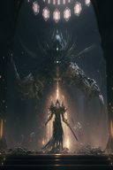 | 史诗般的场景，拍摄了一位拟人的威严克图鲁骑士的全身动态姿势，精细的盔甲，电影般的灯光，错综复杂的花丝金属设计，8k，霓虹灯颜色，明暗对比，高对比度，约安·洛塞尔+阿莱西奥·阿尔比+格雷格·鲁特科夫斯基+詹姆斯·让+安娜·迪特曼+HR吉格艺术，
anthropomorphic seagulls, big red eyes, lots of details, portrait, finely detailed armor, cinematic lighting, intricate filigree metal design, 8k, unreal engine, octane render, realistic, redshift render | 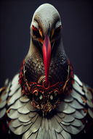 | 拟人海鸥，大红眼，很多细节，肖像，精细的盔甲，电影灯光，复杂的金属丝设计，8k，不真实的引擎，辛烷值渲染，逼真，红移渲染
Anthropomorphic majestic bunny, detailed armor, intricate filigree metal design, gold, steel, silk, cinematic lighting, 4k, 8k, Unreal Engine, Octane Rendering HD |  | 拟人的威严兔子，详细的盔甲，复杂的花丝金属设计，黄金，钢铁，丝绸，电影照明，4k，8k，虚幻引擎，辛烷渲染HD
Anthropomorphic purple dragon, big eyes, lots of details, portrait, finely detailed armor, cinematic lighting, intricate filigree metal design, 8k, unreal engine, octane render, realistic, redshift render |  | 拟人紫色龙，大眼睛，大量细节，肖像，精细的盔甲，电影灯光，复杂的金属丝设计，8k，不真实的引擎，辛烷值渲染，逼真，红移渲染
cute chibi metal anthropomorph gryphon, tsutomu nihei art style, full body, green eyes, long tail, extremely detailed, sharp lines, furry, fluffy, intricate details, 8K |  | 可爱的chibi金属拟人鹰头狮，tsutomu nihei艺术风格，全身，绿色眼睛，长尾，极其细致，线条清晰，毛茸茸，蓬松，复杂的细节，8K
Anthropomorphic majestic cat arcane mage, big blue eyes, lots of details, portrait, finely detailed armor, cinematic lighting, intricate filigree metal design, 8k, unreal engine, octane render, realistic, redshift render |  | 拟人雄伟的猫科神秘法师，大蓝眼睛，很多细节，肖像，精细的盔甲，电影般的灯光，复杂的花丝金属设计，8k，不真实的引擎，辛烷值渲染，逼真，红移渲染
anthropomorphic majestic Lion Paladine, portrait, three-quarter view, finely detailed armor, intricate filigree metal design, steel, silk, cinematic lighting, photorealistic, octane render, 8K |  | 拟人雄伟的狮子帕拉丁，肖像，四分之三视图，精细的盔甲，复杂的花丝金属设计，钢，丝绸，电影照明，真实感，辛烷渲染，8K
anthropomorphic majestic chicken knight, portrait, finely detailed armor, cinematic lighting, intricate filigree metal design, 4k, 8k, unreal engine, octane render,hd ar 9 16 test upbeta upbeta |  | 拟人雄伟的鸡骑士，肖像，精细的盔甲，电影灯光，复杂的花丝金属设计，4k，8k，不真实的引擎，辛烷渲染，hd ar 9 16测试upbeta upbeta
Anthropomorphism werewolf in leather armor, fierce look, nighttime with neighborhood dogs in background, ultra detailed, intricate, photo realistic, unreal engine, psychedelic color, chromatic metal |  | 身穿皮甲的拟人狼人，神情凶猛，夜间与邻居狗在一起，超精细，复杂，照片逼真，引擎不真实，迷幻色，彩色金属

