midjourney prompts
关键词 | 示例图 | 更新时间 | 热度
Kirin, is a mythical creature in ancient China, from shanhai classic, they are painted with the lion's head, deer horn, big of eyes, lovely sitting, tang sancai four-legged creature that color of skin, Chinese mythology, Chinese god beast, and the classic, very large, the king of monsters, 8 k, super details, high realism, epic scenes, edge light, style of float world draw, Details, ar 9:16 | 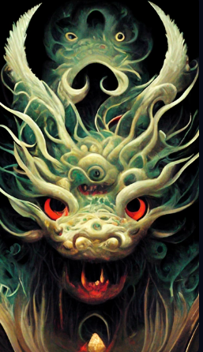 | 2022-10-15
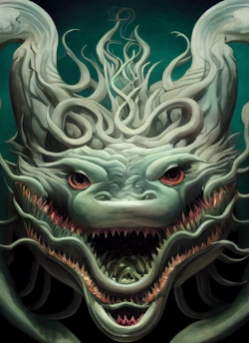 Gluttony, is a mythical creature, in the classic ancient Chinese mountain, they are described as green skin four-legged alien creatures, with the shark teeth, eyes on the shoulder, eyes shining, and seas in the classical Chinese culture is described as fengshen, Chinese god beast, wings of a huge cloud, windfury huge explosion, release the power, lightning, movies, the epic scenes, vivid, light volume, Fantasy, surreal, highly detailed, octane rendering, light and shade contrast,Unreal Engine,symmetry, 4k,hd |  | 2022-10-15
Gluttony, is a mythical creature, in the classic ancient Chinese mountain, they are described as green skin four-legged alien creatures, with the shark teeth, eyes on the shoulder, eyes shining, and seas in the classical Chinese culture is described as fengshen, Chinese god beast, wings of a huge cloud, windfury huge explosion, release the power, lightning, movies, the epic scenes, vivid, light volume, Fantasy, surreal, highly detailed, octane rendering, light and shade contrast,Unreal Engine,symmetry, 4k,hd | 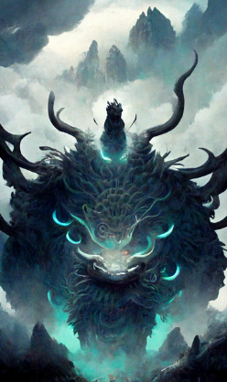 | 2022-10-15
 |  | 2022-10-15
mythical creature, setting concept | 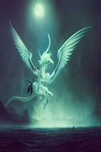 | 2022-10-15 | 840.7577380
Gluttony, is a mythical creature, in the classic ancient Chinese mountain, they are described as green skin four-legged alien creatures, with the shark teeth, eyes on the shoulder, eyes shining, and seas in the classical Chinese culture is described as fengshen, Chinese god beast, wings of a huge cloud, windfury huge explosion, release the power, lightning, movies, the epic scenes, vivid, light volume, Fantasy, surreal, highly detailed, octane rendering, light and shade contrast,Unreal Engine,symmetry, 4k,hd | 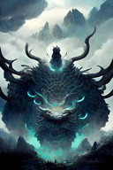 | 2022-10-15 | 842.1191167
gryphon mythical creature | 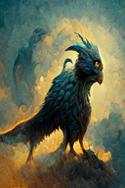 | 2022-10-15 | 842.1806186
portrait of a mythical creature, death, skull, 50% human 50% death, dark forest, smoke, high quality, excellent detail, dramatic lighting, 8KHD | 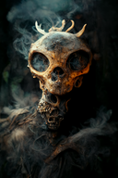 | 2022-10-15 | 842.0621741
Portrait of a mythical creature, dark forest, smoke, a formidable dragon, red eyes, high quality, excellent detail, dramatic lighting, 8KHD | 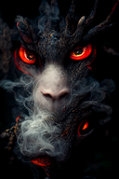 | 2022-10-15 | 842.0545281
dragon, mythical creatures, forest colors in backround, 3D, clumsy | 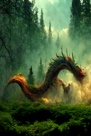 | 2022-10-15 | 841.9956393
an anthropomorphic mythical creature, character design, fantasy art, cinematic lighting, soft natural lighting, visual clarity, tone mapping, color grading, enhance, retouch, outdoors, open sky, wide view, hyperrealism, hyper detailed | 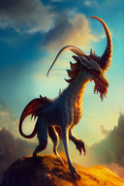 | 2022-10-15 | 841.9950562
the great ouroboros, a self devouring dragon , detailed and realistic 3d model, intricate ornate skin, legendary creature, mythical, ultra high detail, unreal engine 5, lumen, vfx, post processing, ray tracing , white and fuchsia, hazy, shot by denis villeneuve, 35mm lens, color correction | 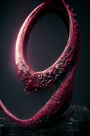 | 2022-10-15 | 840.9445188
Japanese Fox Mask Sticker - Japanese Folklore - Mythical Creature Decal - Mythology Nine Tailed Fox Decals | 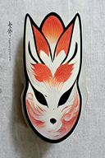 | 2022-10-15 | 841.6904202
Kirin, is a mythical creature in ancient China, from shanhai classic, they are painted with the lion's head, deer horn, big of eyes, lovely sitting, tang sancai four-legged creature that color of skin, Chinese mythology, Chinese god beast, and the classic, very large, the king of monsters, 8 k, super details, high realism, epic scenes, edge light, style of float world draw, Details, ar 9:16 | 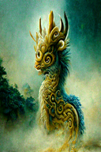 | 2022-10-15 | 841.5475756
Majestic Phoenix, mythical creature, concept art, fiery aura, majestic, highly detailed, smoke, cinematic lighting, radiant, fantasy, swirling fire, glowing | 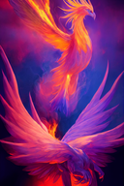 | 2022-10-15 | 841.5147799
Majestic Phoenix, mythical creature, concept art, fiery aura, beautiful, highly detailed, smoke, cinematic lighting, radiant, fantasy, swirling fire, glowing | 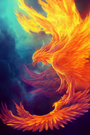 | 2022-10-15 | 841.5079376
Majestic Phoenix, mythical creature, concept art, fiery aura, beautiful, highly detailed, smoke, cinematic lighting, radiant, fantasy, swirling fire, glowing, watercolor style | 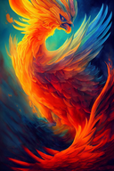 | 2022-10-15 | 841.4671351
Majestic Phoenix, mythical creature, concept art, fiery aura, beautiful, highly detailed, smoke, cinematic lighting, radiant, fantasy, swirling fire, glowing, japanese illustration style |  | 2022-10-15 | 841.5009462
Majestic Phoenix, mythical creature, concept art, fiery aura, beautiful, highly detailed, smoke, cinematic lighting, radiant, fantasy, swirling fire, glowing, chinese illustration style | 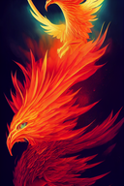 | 2022-10-15 | 841.4877176
**surrealistic, digital collage style,, mesh of dark creatures and mythical monsters with random objects and elements, mysterious realm, dark magic, eerie, insidious, fierce, exciting, beautiful, magical, beautiful collage, ultra-realistic, realistic, photorealistic, smooth, hyperdetail, hypermaximalist, sharp focus, octane render, global illumination, art by artgerm, trending on artstation, 8k, super quality | 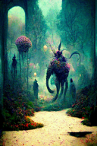 | 2022-10-15 | 840.0528162
surrealistic, digital collage style, story, mesh of mythical monsters and dark creatures in scenes with random objects and elements, mysterious, storytelling, myths, interesting realm, dark magic, eerie, insidious, fierce, exciting, beautiful, magical, beautiful collage, ultra-realistic, realistic, photorealistic, smooth, hyperdetail, hypermaximalist, sharp focus, octane render, global illumination, art by artgerm, trending on artstation, 8k, super quality | 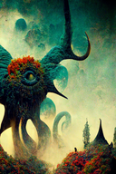 | 2022-10-15 | 840.0748700
surrealistic, digital collage style,, mesh of dark legendary creatures and mythical special monsters with random objects and elements, mysterious, storytelling, myths, interesting realm, dark magic, eerie, insidious, fierce, exciting, beautiful, magical, beautiful collage, ultra-realistic, realistic, photorealistic, smooth, hyperdetail, hypermaximalist, sharp focus, octane render, global illumination, art by artgerm, trending on artstation, 8k, super quality | 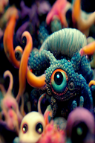 | 2022-10-15 | 839.7812240
surrealistic, digital collage style, dark creatures and mythical monsters in a magical and mysterious realm, dark magic, eerie, insidious, spells, beautiful collage, ultra-realistic, daylight, beautiful colors, realistic, ultra realistic, photorealistic, octane render, global illumination, art by artgerm, trending on artstation, 8k, super quality, full of detail | 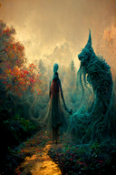 | 2022-10-15 | 839.7902162
**surrealistic, digital collage style, mythical scenes in strange realms, mesh of dark creatures and mythical monsters, mysterious realm, dark magic, eerie, insidious, fierce, exciting, beautiful, magical, beautiful collage, ultra-realistic, realistic, photorealistic, smooth, hyperdetail, hypermaximalist, sharp focus, octane render, global illumination, art by artgerm, trending on artstation, 8k, super quality | 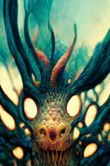 | 2022-10-15 | 840.5267037
mythological bat, creature concept + creation bioluminescence, hyper detailed mythical, octane render cinematic lighting, volumetric lighting, unreal engine | 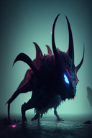 | 2022-10-15 | 841.1877004
mythological bat, creature concept + creationbioluminescence, hyper detailed mythical, octane render cinematic lighting, volumetric lighting, unreal engine | 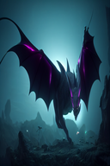 | 2022-10-15 | 841.1843436
mythical creatures, Horns and hooves, setting concept | 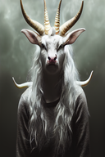 | 2022-10-15 | 840.3166438
dark creature, dark red environment, mythical, dangerous | 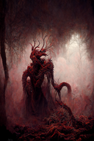 | 2022-10-15 | 840.4251438
A warrior in golden armor riding a mammoth fighting with the enemy., iper quality, iper detailed, intricate details, octan render, cinematic, standing facing the viewer, mythical creature, hermit, concept art, wide angle, full composition, dynamic lighting, cinematic, | 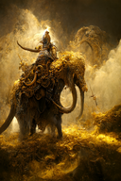 | 2022-10-15 | 840.1937757
dark purple mythical angelic scary creature, angel wings, black fur, purple thunder surrounding him, dark purple eyes, unreal engine, realistic | 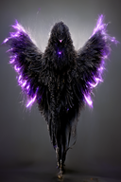 | 2022-10-15 | 840.6516676
mythical creature , blue thunder surrounding him, red wings with katana in hand, crow with red eyes on his shoulder unreal engine , realistic | 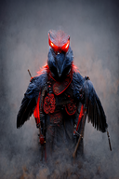 | 2022-10-15 | 840.6351662
forgotten mythical creature, art, detailed, happy | 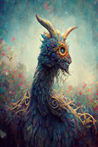 | 2022-10-15 | 840.4246051
Wild Man Riding by a Mammoth in heavy gilded armor, standing facing the viewer, mythical creature, hermit, concept art, wide angle, full composition, dynamic lighting, cinematic, 4K, realistic, octane rendering, | 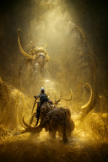 | 2022-10-15 | 839.8567584
Cute kappa (mythical water-dwelling creature),PhotoReal, hyper quality | 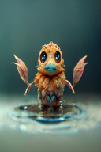 | 2022-10-15 | 840.3189176
anime mythical creatures multicolor detailed | 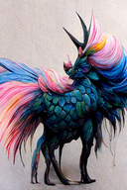 | 2022-10-15 | 840.0573364
A Wild Man warrior Riding by a Mammoth in heavy gilded armor, standing facing the viewer, mythical creature, hermit, concept art, wide angle, full composition, dynamic lighting, cinematic, 4K, realistic, octane rendering, | 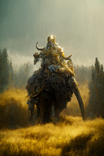 | 2022-10-15 | 839.8847182
zoo of mythical creatures, dragon, unicorn, phoenix, griffon, luminous, ethereal | 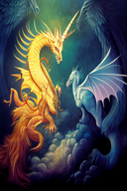 | 2022-10-15 | 839.7430522

