Overview
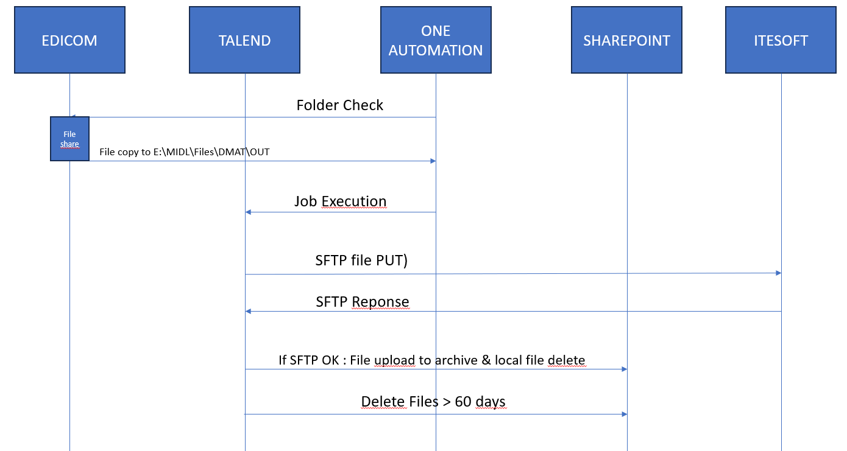
Global overview of the flow

Define steps of the flow | N° | Name | Description | Connection (cf. tab connection info)
 | 1 | Package ETL scheduling by One automation | One automation executes the package once a day at 7 a.m. (see the "Job execution (FEX)" tab) | PREPROD
 | 2 | Download itesoft files | Description in "Download" tab
 | 3 | Archive itesoft files | Description in "Archive" tab
 | 4 | Upload itesoft files | Description in "Upload" tab
 | 5
 | 6
 | 7
 | 8
 | 9
 | 10
 |  |  |  | PROD

Define variables | General diagram :
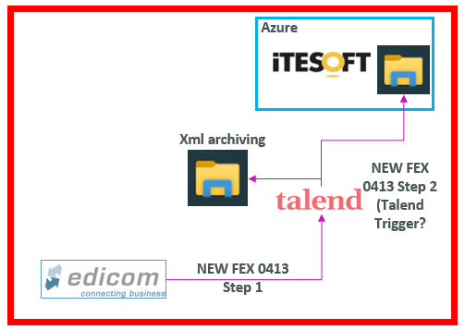

 |  |  |  | GPG Encryption (if applicable)

 |  |  |  | Passphrase | à créer par Roquette
 |  |  |  | Private key | fichier.asc

