Overview
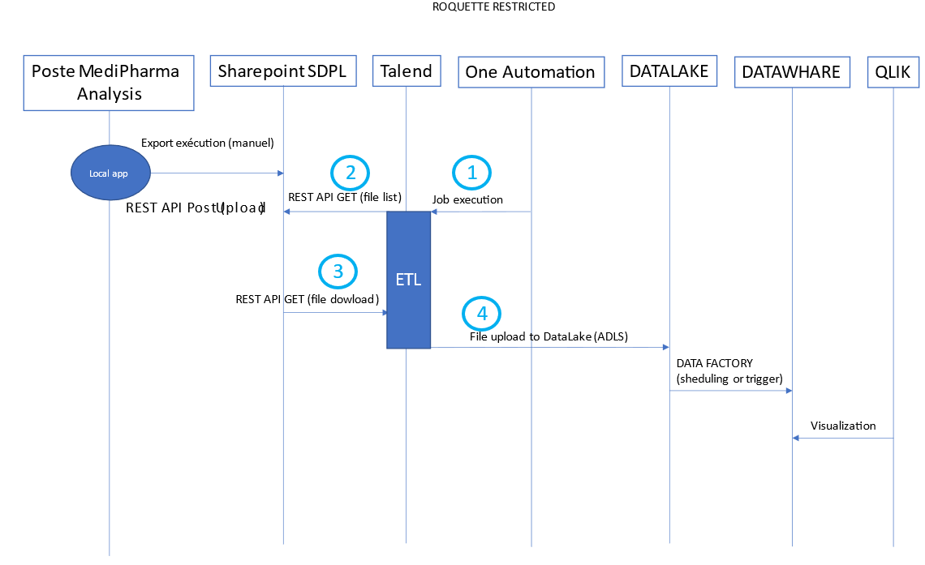
Global overview of the flow

Define steps of the flow | N° | Name | Description | Connection (cf. tab connection info)
 | 1 | Package ETL scheduling by One automation | One automation executes the package every 2 hours (see the "Job execution (FEX)" tab) | PREPROD
 | 2 | lists webservice call | Retrieving of attribute EntityTypeName of CTS.
 | 3 | GetFolderByServerRelativePath | Retrieving the list of file to send to datalake
 | 4 | GetFolderByServerRelativePath description | Description dans l'onglet "GetFolderByServerRelativePath d"
 | 5 | Sharepoint getFileById API call (GET) | Description dans l'onglet "getFileById API Call"
 | 6 | Send files to Datalake (File upload to DataLake (ADLS)) | Description dans l'onglet "DATA LAKE Connectivity"
 | 7
 | 8
 | 9
 | 10
 | 11
 | 12
 |  |  |  | PROD

Define variables

 |  |  |  | GPG Encryption (if applicable)

 |  |  |  | Passphrase | à créer par Roquette
 |  |  |  | Private key | fichier.asc

GetFolderByServerRelativePath d
Talend calls an API
DESCRIPTION
 | Using the GetFolderByServerRelativePath webservice to retrieve the list of files in the json response. We only recover the files contained in the 3 directories (GoodAssays, FailedAssays and Dissolution) of the "DirectCompression" directory for the 3 sites (Lestrem, Singapore, Philadelphia) of CTS-Pharma. The directories in which the files must be retrieved are highlighted in yellow on the SDPL Sharepoint site Structure to the right of this tab. To be sure to take into account everything that is new or modified since the last execution of the flow, the last execution date of the flow will be stored in a lastexecutiondate.csv file to be used during the next execution of the flow.
 | Connection information: • Authentication method: Token (A new account will be created for this flow) • KLIF: to product in build • PROD : to product in UAT • Endpoint : https://roquettegroup.sharepoint.com/sites • Sharepoint location : • DEV : SDPL [DEV] - Home (sharepoint.com) • PROD : SDPL - Home (sharepoint.com) It will be necessary to make 3 successive calls to the getSharepointItemsList webservice (step 2) to retrieve the files in the 3 directories corresponding to the 3 sites (Lestrem, Singapore, Philadelphia). CTS-Pharma is the only folder structure to browse initially, it is planned to add additional CTS later. The project request is fixed on a single CTS (Le CTS-Pharma) as well as on the 3 sites corresponding to the 3 countries (LES: Lestrem, PHI: Philadelphia and SIN: Simgapore) and on the directory process "DirectCompression". Plan a scalable structure to plan to add CTS if necessary as well as countries and directory process if necessary. Indeed, SDPL is by misnomer assimilated to the Scientific Data Platform of wave 1: Pharma CTS Direct Compression process But in fact SDPL is a program which will process around ten lab processes. The following waves will focus on Coating, Wet Granulation, and other Food CTS and R&D processes. We are just limiting ourselves to Pharma Direct Compression in this 1st wave. The rest will be taken care of if the rest of the program is validated | Example
Endpoint | PROD : https://roquettegroup.sharepoint.com/sites/one-collab-SDPL DEV : https://roquettegroup.sharepoint.com/sites/dev-SDPL/ | http://api.endpoint.com
Authorization | token | token, user/pwd …
Methode | get | get, post, put, delete, update …
Token | Client id + client secret |  | Structure de dossier :
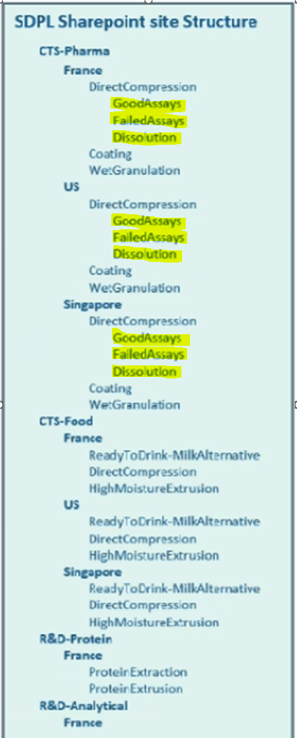

ACCESS TOKEN
Access token URL
Client ID
Client Secret
Username
Password
Client Authentication
Grant Type

HEADER
KEY | VALUE

PARAMETER
KEY | VALUE

BODY
TYPE
 | json, raw, data, form …

RESPONSE (add file)

