Overview
Global overview of the flow

Define steps of the flow | N° | Name | Description | Connection (cf. tab connection info)
 | 1 | Package ETL scheduling by One automation | One automation executes the package 2 times a day (at 10:00 a.m. and 3:00 p.m.) (see the "Job execution (FEX)" tab) | PREPROD
 | 2 | SQL Query on BPCO | Description in "SQL Query" tab
 | 3 | Creation of the file | Description in "Format Delimited File" tab RG1 : List of generic badges to store on the TALEND side (with target structure) and to add to the destination file.
 | 4 | Upload file : scheduling by One automation | One automation will transfer the file to the WEBCAISSE SMB (see the "Job status (FEX)" tab)
 | 5
 | 6
 | 7
 | 8
 | 9
 | 10
 | 11 |  |  | PROD
 | 12
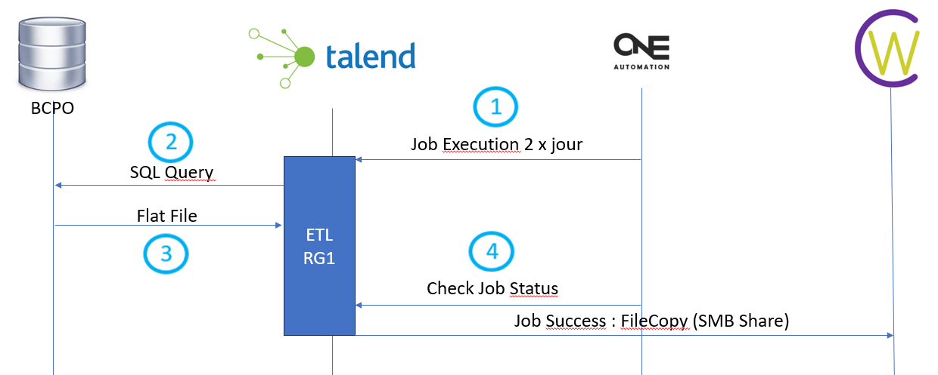
Define variables

 |  |  |  | GPG Encryption (if applicable)

 |  |  |  | Passphrase | à créer par Roquette
 |  |  |  | Private key | fichier.asc

