Sheet1
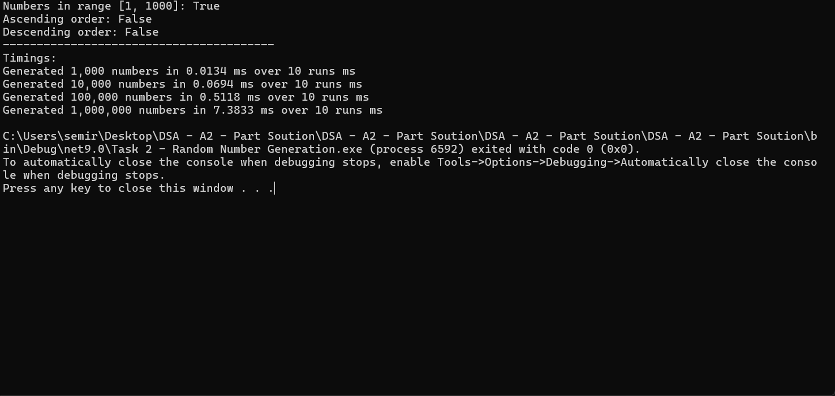
No# | Time
1000 | 0.0134
10000 | 0.0694
100000 | 0.5118
1000000 | 7.3833

