Experiment 10 Plot
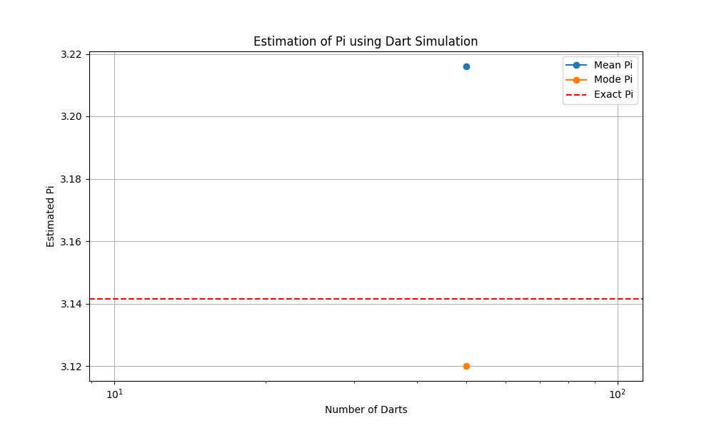
Plot of Experiment 10

Experiment 101 Plot
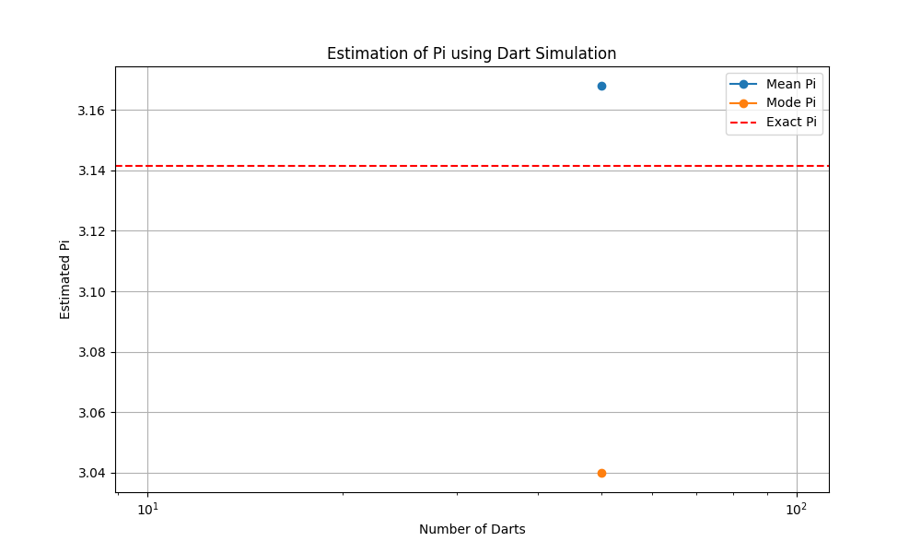
Plot of Experiment 101

Experiment 102 Plot
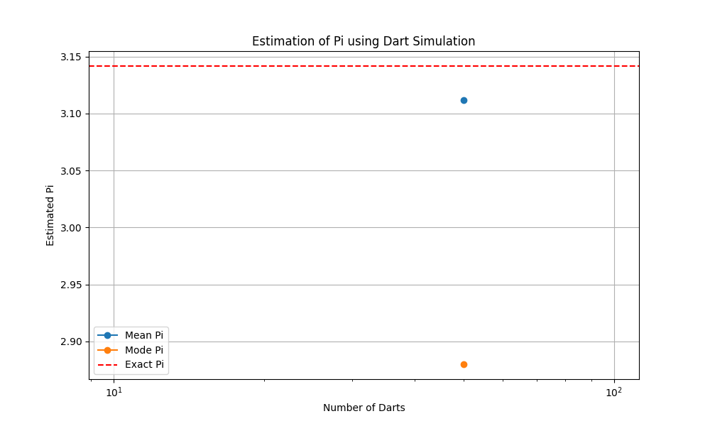
Plot of Experiment 102

Experiment 103 Plot
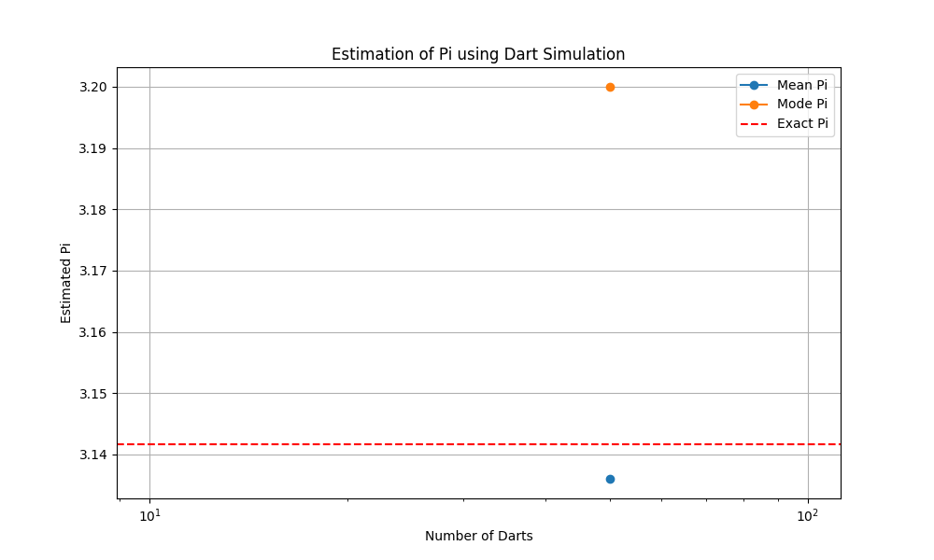
Plot of Experiment 103

Experiment 104 Plot
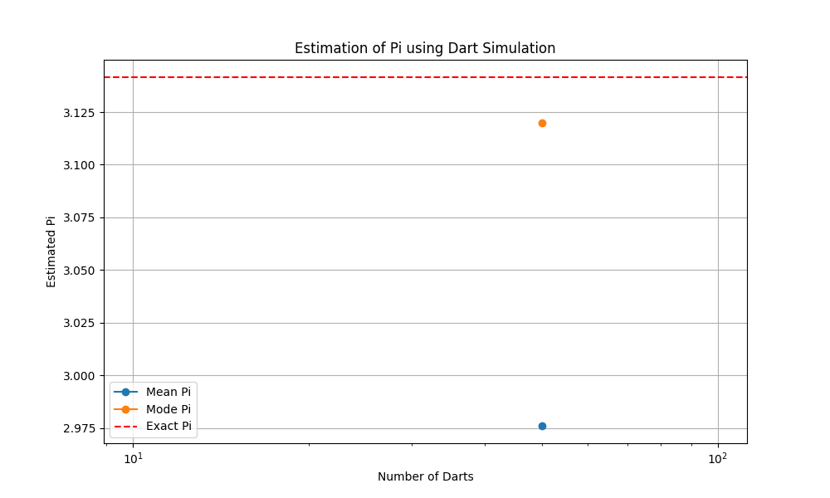
Plot of Experiment 104

Experiment 105 Plot
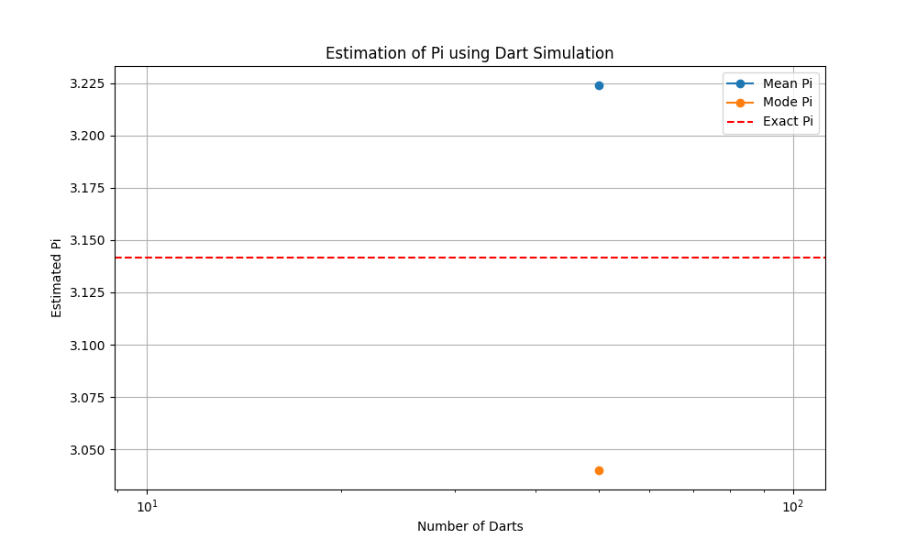
Plot of Experiment 105

Experiment 107 Plot
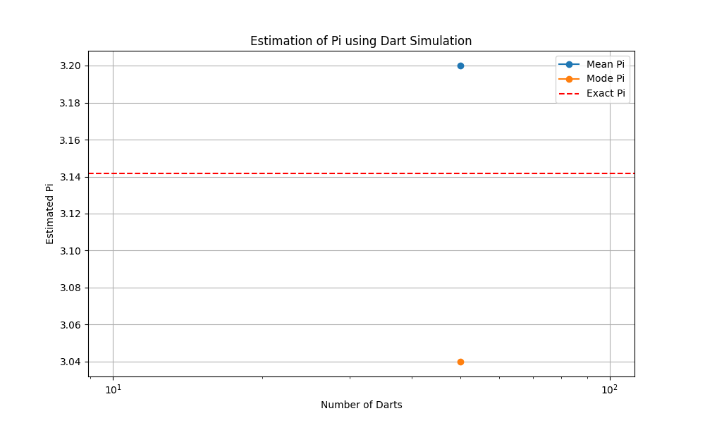
Plot of Experiment 107

Experiment 108 Plot
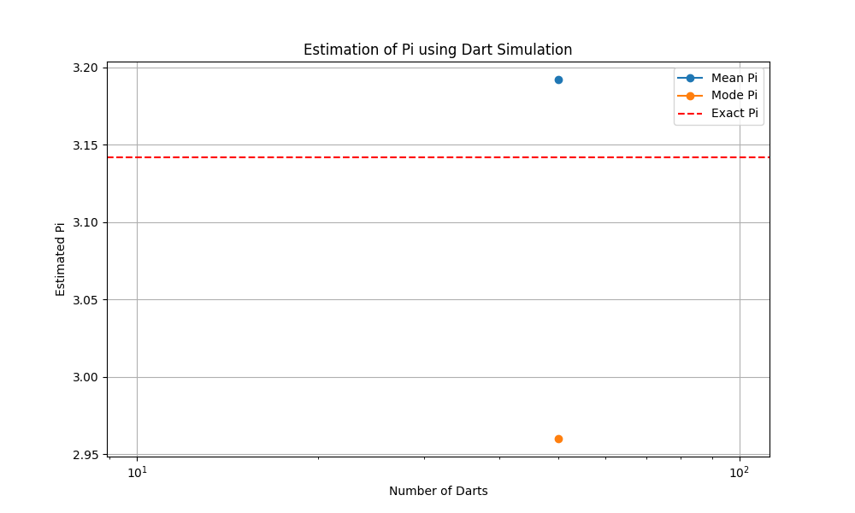
Plot of Experiment 108

Experiment 109 Plot
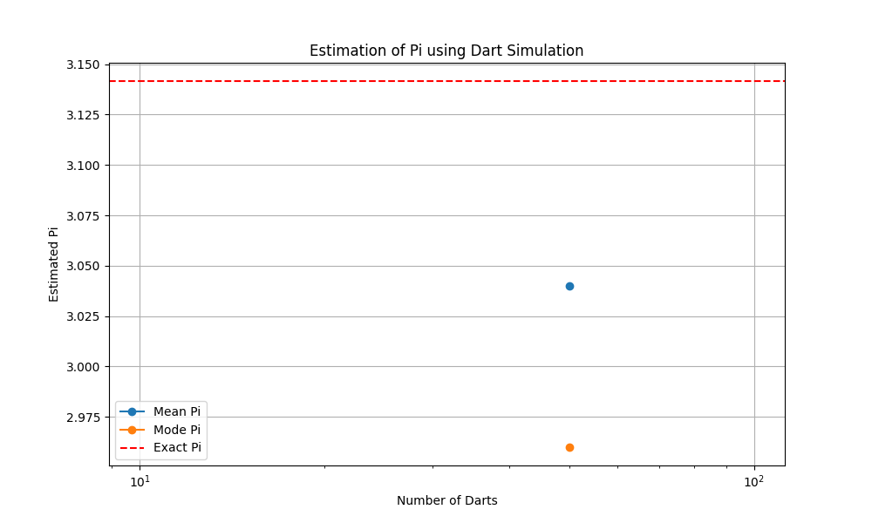
Plot of Experiment 109

