Num Darts 1000 Plot
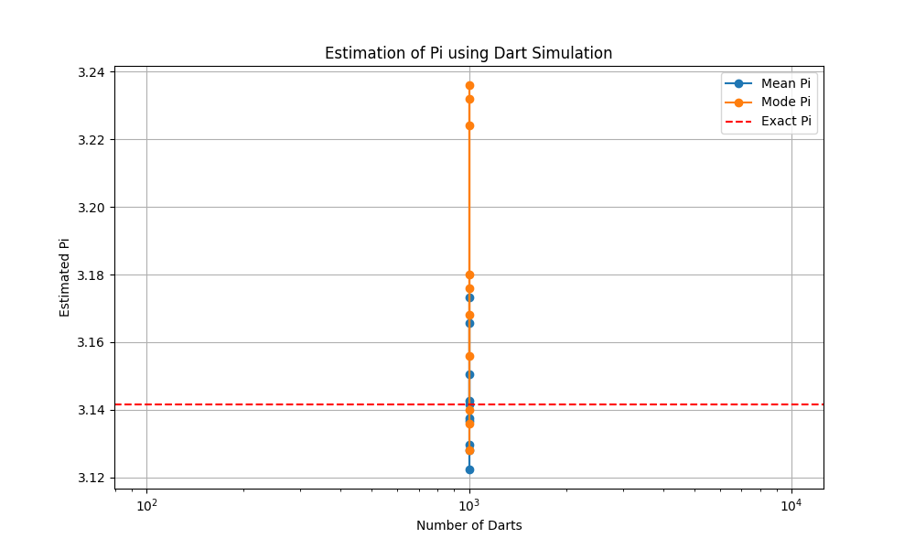
Plot of Num Darts 1000

Num Darts 10000 Plot
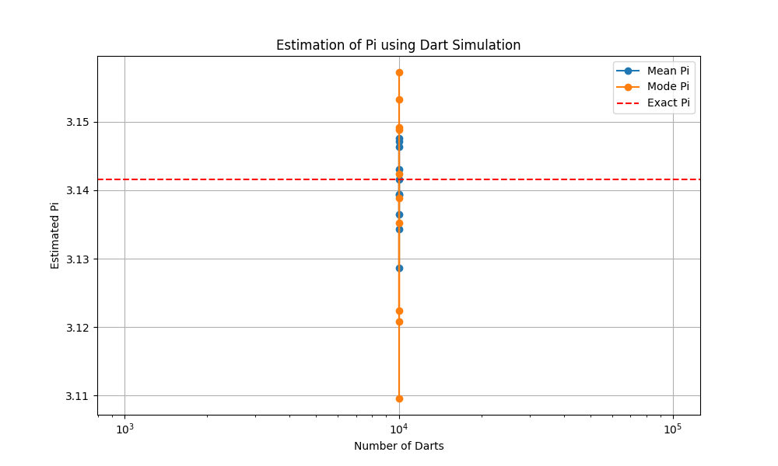
Plot of Num Darts 10000

Num Darts 100000 Plot
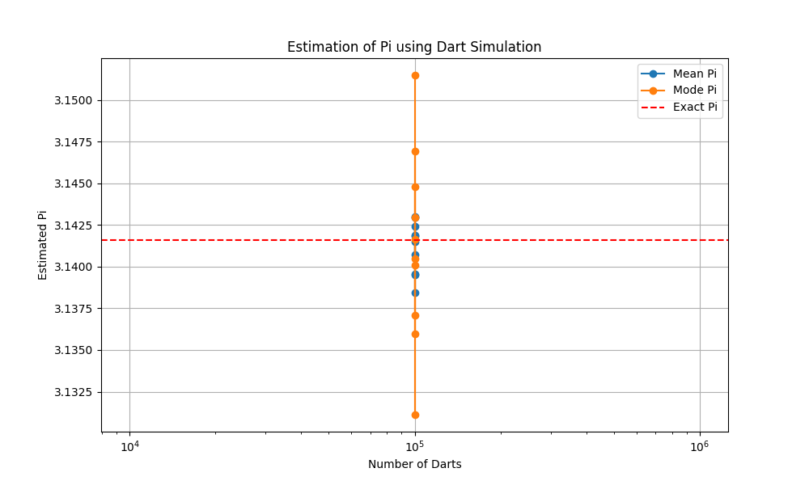
Plot of Num Darts 100000

Num Darts 1000000 Plot
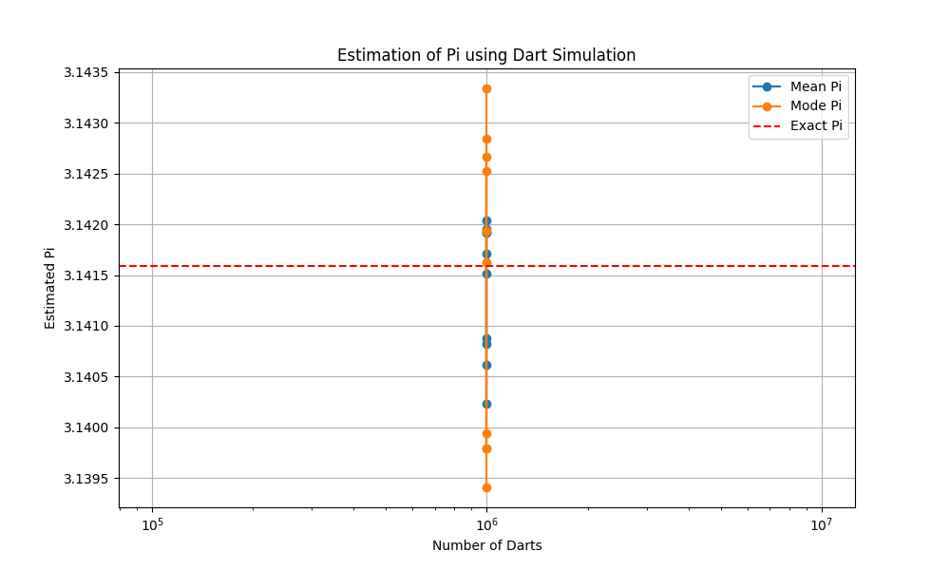
Plot of Num Darts 1000000

