Sheet1
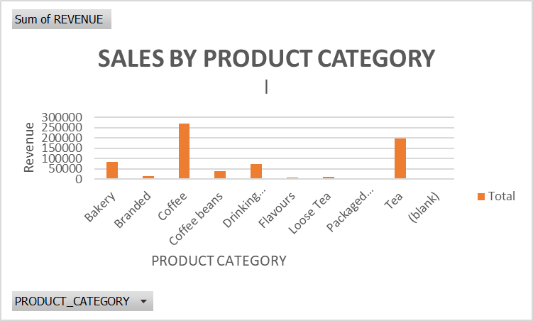
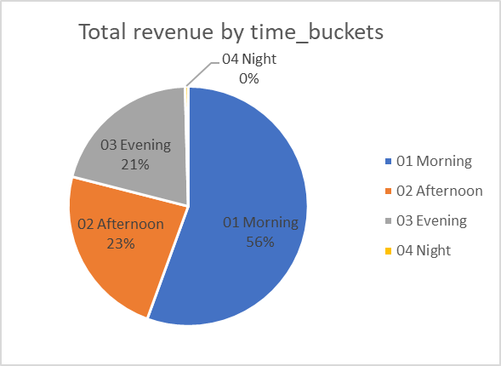
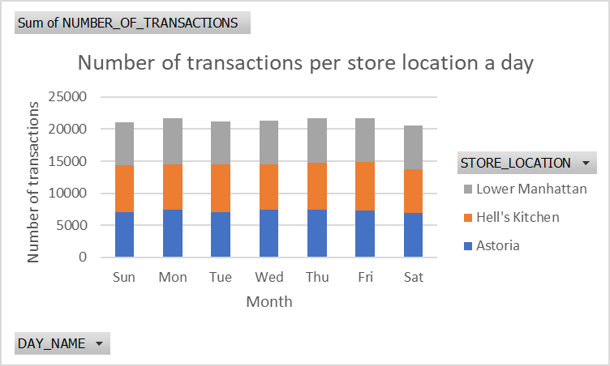
NUMBER OF TRANSACTIONS PER PRODUCT TYPE
 | Total
Brewed Chai tea | 17183
Gourmet brewed coffee | 16912
Barista Espresso | 16403
Hot chocolate | 11468
Brewed Black tea | 11350
Brewed herbal tea | 11245
Scone | 10173
Organic brewed coffee | 8489
Drip coffee | 8477
Premium brewed coffee | 8135
Pastry | 6912
Biscotti | 5711
Brewed Green tea | 5671
Regular syrup | 4979
Sugar free syrup | 1811
Housewares | 526
Chai tea | 443
Organic Beans | 415
Gourmet Beans | 366
Premium Beans | 336
Espresso Beans | 319
Herbal tea | 305
Black tea | 303
Drinking Chocolate | 266
Clothing | 221
Organic Chocolate | 221
House blend Beans | 183
Green tea | 159
Green beans | 134
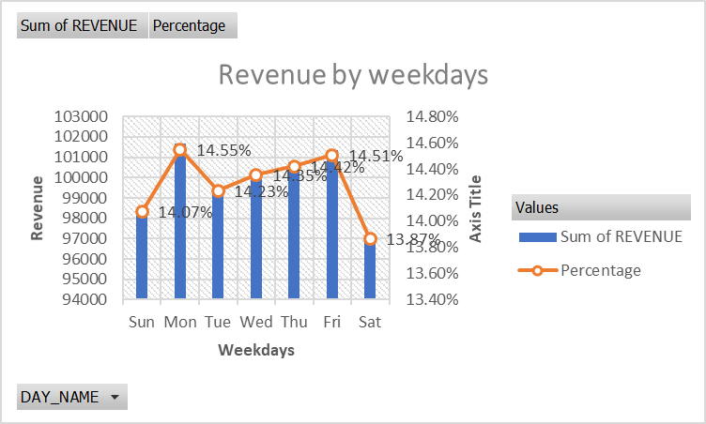

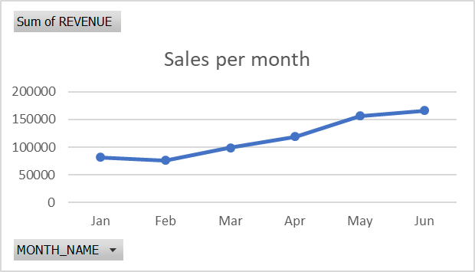
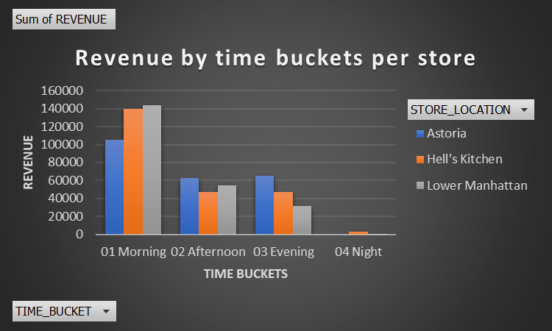
Months | Sum of REVENUE
Jan | 81677.74
Feb | 76145.19
Mar | 98834.68
Apr | 118941.08
May | 156727.76
Jun | 166485.88
Grand Total | 698812.33

