Sheet2
Anova: Two-Factor Without Replication
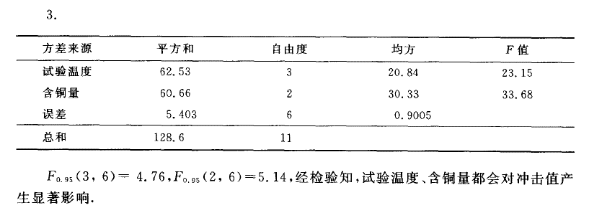
SUMMARY | Count | Sum | Average | Variance
0.002 | 4 | 26 | 6.5 | 9.2133333333
0.004 | 4 | 35.7 | 8.925 | 7.6225
0.008 | 4 | 48 | 12 | 6.36

20 | 3 | 36.7 | 12.233333333 | 4.1033333333
0 | 3 | 31.3 | 10.433333333 | 10.163333333
-20 | 3 | 22.5 | 7.5 | 13.69
-40 | 3 | 19.2 | 6.4 | 5.07

ANOVA
Source of Variation | SS | df | MS | F | P-value | F crit
Rows | 60.781666667 | 2 | 30.390833333 | 34.589630098 | 0.00050834623109 | 5.1432528498
Columns | 64.315833333 | 3 | 21.438611111 | 24.40056908 | 0.0009235983046 | 4.7570626631
Error | 5.2716666667 | 6 | 0.87861111111

Total | 130.36916667 | 11

