Bug Reports
Bug ID | Bug Name | Description | Steps to reproduce | Test data | Expected result | Actual result | Repro rate | Attachments | Priority | Severity

BR:001 | Error message is not visible when we leave empty fields and press Submit button | Error message is not visible when we leave empty fields without any data inside and press Submit button | 1. Open Chrome browser(Version 114.0.5735.134 (Official Build) (64-bit) 2. Insert https://demoqa.com/ in google search bar and press Enter 3. Click on the Elements card shown on the home page 4. Click on Text box element in drop-down list of Elements 5.Click on Submit button | Without any input. Blanc fields | Error message is visible. Required fields are necessary. | Error message is not visible. Can submit form without any notification. | 100% | 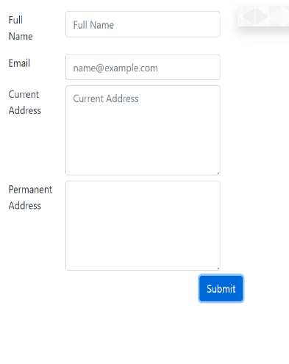 | High | High
BR:003 | Error message is not visible when we insert invalid datas and press Submit button | Error message is not visible when we insert invalid datas and press Submit button but have successful output message with inserted datas. | 1. Open Chrome browser(Version 114.0.5735.134 (Official Build) (64-bit) 2. Insert https://demoqa.com/ in google search bar and press Enter 3. Click on the Elements card shown on the home page 4. Click on Text box element in drop-down list of Elements 5. Click on the field 'Full name' and type letter 'a' 6. Click on the field 'Email' and type 'a@a.aa' 7.Click on the field 'Current Address' and type letter 'a' 8.Click on the field 'Permanent Address' and type 'a' 9. Click 'Submit' button | a' , 'a@a.aa' | Error message is visible. Invalid datas. Inputs are too short. Can't submit this form. | Error message is not visible. Output message successfully show submited inputs. | 100% | 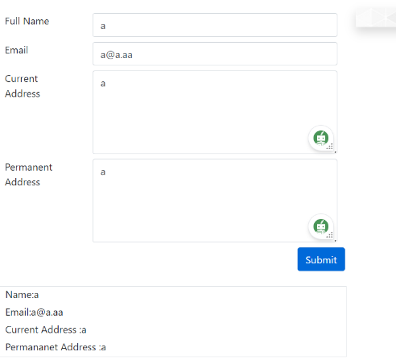 | High | High | Related Test Case ID:004
BR:004 | Error message is not visible when we leave empty fields, insert 'johndoe@example.co' in email field and press Submit button | Error message is not visible when we leave empty fields, insert 'johndoe@example.co' in email field and press Submit button but have successful output message with inserted datas. | 1. Open Chrome browser(Version 114.0.5735.134 (Official Build) (64-bit) 2. Insert https://demoqa.com/ in google search bar and press Enter 3. Click on the Elements card shown on the home page 4. Click on Text box element in drop-down list of Elements 5.Click on the field 'Email' and type 'johndoe@example.co' 6. Click 'Submit' button | johndoe@example.co' | Error message is visible. Invalid datas. Inputs are too short. Can't submit this form. | Error message is not visible. Output message successfully show submited input of Email. | 100% | 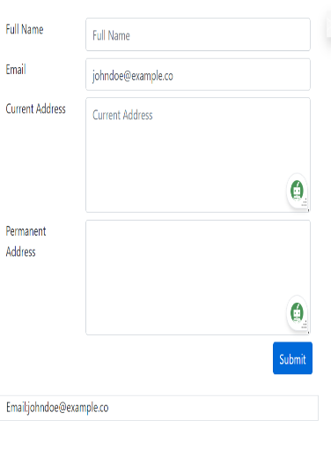 | High | High | Related Test Case ID:003

