Sheet1
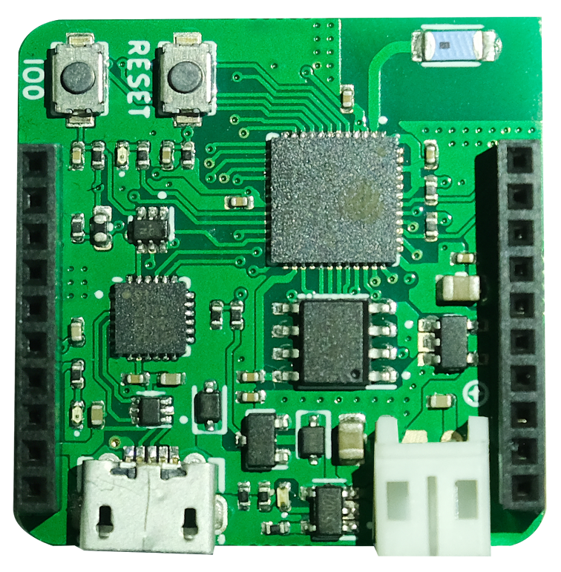

 |  |  |  | LED | IO13

 | Analog |  | INPUT |  | IO36 |  |  |  |  |  | IO21 | PWM | INPUT | SDA
 | Analog |  | INPUT |  | IO35 |  |  |  |  |  | IO22 | PWM | INPUT | SCL
Rx | Analog |  | INPUT |  | IO34 |  |  |  |  |  | IO23 | PWM | INPUT | OUTPUT | Analog | MOSI
 | Analog | OUTPUT | INPUT | PWM | IO33 |  |  |  |  |  | IO19 | PWM | INPUT | OUTPUT | Analog | MISO
Tx | Analog | OUTPUT | INPUT | PWM | IO32 |  |  |  |  |  | IO18 | PWM | INPUT | OUTPUT | Analog | SCLK
 |  | OUTPUT | INPUT | PWM | IO25 |  |  |  |  |  | IO05 | PWM | INPUT | OUTPUT
 |  | OUTPUT | INPUT | PWM | IO26 |  |  |  |  |  | IO04 | PWM | INPUT | OUTPUT | Analog
 |  | OUTPUT | INPUT | PWM | IO27 |  |  |  |  |  | + BATT
 |  |  |  |  | 5V |  |  |  |  |  | 3.3V
 |  |  |  |  | GND |  |  |  |  |  | GND

 |  |  |  |  |  | Temperature
 |  |  |  |  |  | Humidity |  | IMU |  | Light
 |  |  |  |  |  | i2c |  | i2c |  | i2c
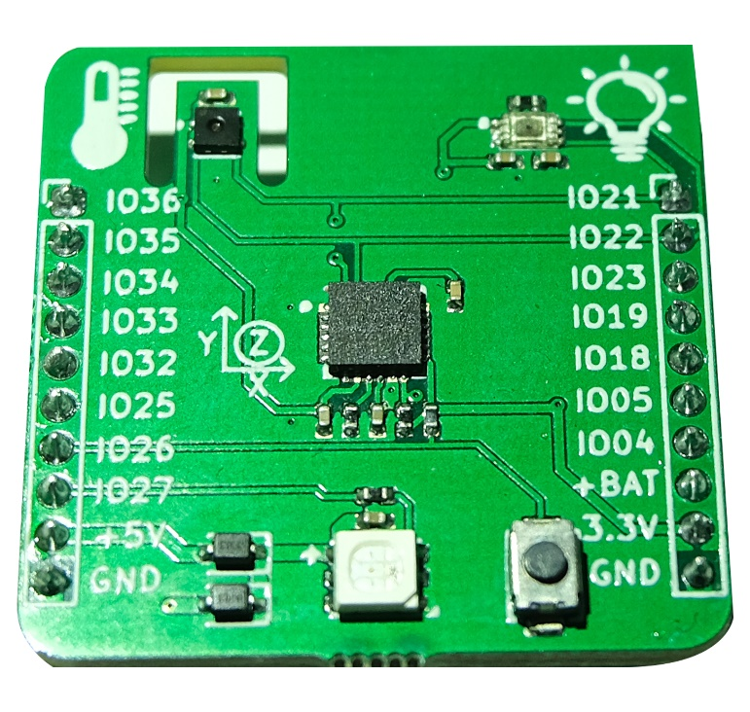

 |  |  |  |  |  |  | IO27 |  | IO26
 |  |  |  |  |  |  | RGB |  | Button

