Relationships
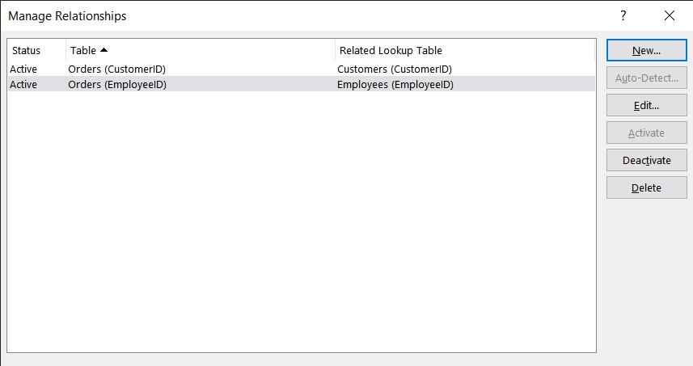

Products Target > 150 PC
High Target Level Products
 | Chicken Soup | Hot Cereal | Potato Chips | Vegetable Soup
Total | 200 | 200 | 200 | 200

EC Dried Fruits-Nuts Target %
Dried Fruit & Nuts Target Level Distribution by Product
 | Total
Almonds | 0.093023255814
Dried Apples | 0.18604651163
Dried Pears | 0.18604651163
Dried Plums | 0.3488372093
Walnuts | 0.18604651163

