0.0
0.0 Data Preparation
import numpy as np
import pandas as pd
import matplotlib.pyplot as plt
import seaborn as sns plt.style.use('fivethirtyeight')
import warnings warnings.filterwarnings('ignore')
%matplotlib inline
import numpy as np
import pandas as pd
import matplotlib.pyplot as plt
import seaborn as sns
plt.style.use('fivethirtyeight')
import warnings
warnings.filterwarnings('ignore')
%matplotlib inline

train = pd.read_csv('train.csv')
test = pd.read_csv('test.csv')

1.2
1.2 Type Of Features Check

Discrete Variable (Categorical) | Nominal Variable | 직업, 사는곳, 인종 | 구분만 있는 것
 | Ordinal Variable | 학력, 등수 | 순서는 있지만 간격의 의미가 없는 것
Continuous Variable (Numeric) | Ratio Variable | 키, 몸무게, 소득, 거리 | 비율의 의미가 있는 것
 | Interval Variable | 년도, 시간, 온도 | 간격에 의미가 있지만 비율이 의미가 없는 것

추가 정리 필요

1.3
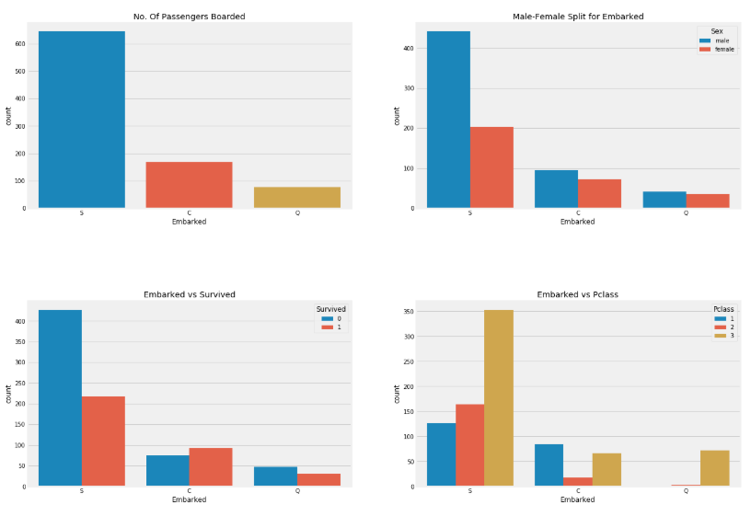
1.3 Data Visualization

- Plot 유형

 | - Basic Form : sns.OOOplot(data = train, x = 'Pclass', y = 'Count', hue = 'Survived', figsize = (10, 5), ax = ax[0] )

 | 1. Count Plot |  | sns.countplot('Pclass',hue='Survived',data=data,ax=ax[1])
 | 2. Bar Plot |  | sns.barplot
 | 3. Factor Plot |  | sns.factorplot
 | 4. Violin Plot |  | sns.violinplot("Pclass","Age", hue="Survived", data=data,split=True,ax=ax[0])
 | 5. Dist Plot |  | distplot

- Example

 | 1) Graph 2ea 동시 Plot

 |  | < Exam ① >

 |  | f,ax=plt.subplots(1,2,figsize=(18,8))
 |  | data['Pclass'].value_counts().plot.bar(color=['#CD7F32','#FFDF00','#D3D3D3'],ax=ax[0])
 |  | ax[0].set_title('Number Of Passengers By Pclass')
 |  | ax[0].set_ylabel('Count')
 |  | sns.countplot('Pclass',hue='Survived',data=data,ax=ax[1])
 |  | ax[1].set_title('Pclass:Survived vs Dead')
 |  | plt.show()

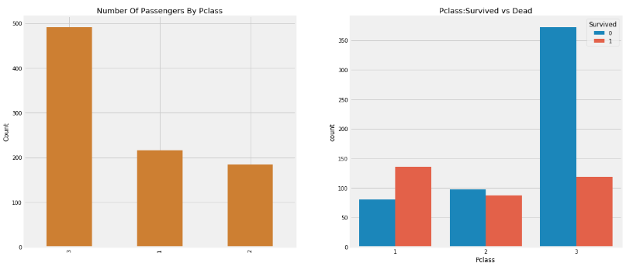

 |  | < Exam ② >

 |  | f,ax=plt.subplots(1,2,figsize=(18,8))
 |  | sns.violinplot("Pclass","Age", hue="Survived", data=data,split=True,ax=ax[0])
 |  | ax[0].set_title('Pclass and Age vs Survived')
 |  | ax[0].set_yticks(range(0,110,10))
 |  | sns.violinplot("Sex","Age", hue="Survived", data=data,split=True,ax=ax[1])
 |  | ax[1].set_title('Sex and Age vs Survived')
 |  | ax[1].set_yticks(range(0,110,10))
 |  | plt.show()

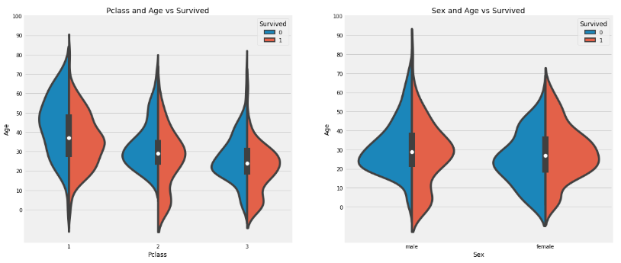

 | 2) Graph 4ea 동시 Plot

 |  | < Exam ① >

 |  | f,ax=plt.subplots(2,2,figsize=(20,15))
 |  | sns.countplot('Embarked',data=data,ax=ax[0,0])
 |  | ax[0,0].set_title('No. Of Passengers Boarded')
 |  | sns.countplot('Embarked',hue='Sex',data=data,ax=ax[0,1])
 |  | ax[0,1].set_title('Male-Female Split for Embarked')
 |  | sns.countplot('Embarked',hue='Survived',data=data,ax=ax[1,0])
 |  | ax[1,0].set_title('Embarked vs Survived')
 |  | sns.countplot('Embarked',hue='Pclass',data=data,ax=ax[1,1])
 |  | ax[1,1].set_title('Embarked vs Pclass')
 |  | plt.subplots_adjust(wspace=0.2,hspace=0.5)
 |  | plt.show()

3.2
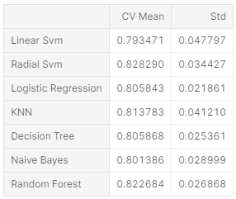
3.2 Cross Validation

from sklearn.model_selection import KFold #for K-fold cross validation
from sklearn.model_selection import cross_val_score #score evaluation
from sklearn.model_selection import cross_val_predict #prediction
kfold = KFold(n_splits=10, random_state=22) # k=10, split the data into 10 equal parts
xyz=[]
accuracy=[]
std=[]
classifiers=['Linear Svm','Radial Svm','Logistic Regression','KNN','Decision Tree','Naive Bayes','Random Forest']
models=[svm.SVC(kernel='linear'),svm.SVC(kernel='rbf'),LogisticRegression(),KNeighborsClassifier(n_neighbors=9),DecisionTreeClassifier(),GaussianNB(),RandomForestClassifier(n_estimators=100)]
for i in models:
model = i
cv_result = cross_val_score(model,X,Y, cv = kfold,scoring = "accuracy")
cv_result=cv_result
xyz.append(cv_result.mean())
std.append(cv_result.std())
accuracy.append(cv_result)
new_models_dataframe2=pd.DataFrame({'CV Mean':xyz,'Std':std},index=classifiers)
new_models_dataframe2

