시트1
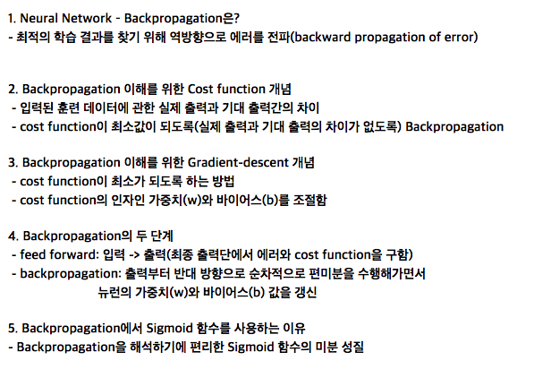
node 3 | x1 | w13 | x2 | w23 | s |  | s : sigmoid threadhold
 | 0.2 | 0.05 | 0.9 | 0.01 | -0.3
 |  |  | O3 |  |  |  | a : learning rate
 | 0.281 |  | 0.43 |  |  |  | 0.5

node 6 | x3 | w36 | x4 | w46 | x5 | w56 |  | s
 | 0.43 | 0.01 | 0.51 | 0.05 | 0.51 | 0.015 |  | -0.015
 |  |  | O6 = y
 | -0.02245 |  | 0.506

node 6 learning error |  |  |  | E6 = y * (1-y) * (1-y) |  |  |  | 0.123

node 6 modified weight |  |  |  | W36" = W36 - a * E6 * O3 |  |  |  | -0.016

node 3 learning error |  |  |  | E3 = E6*W36*O3(1-O3) |  |  |  | 0.000301473

node 3 modified weight |  |  |  | W13" = W13 - a * E3 * O1 |  |  |  | 0.05

