male
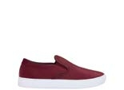
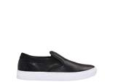
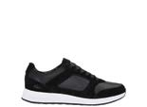
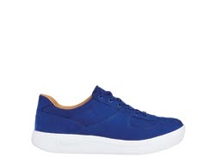
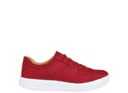

Name | 731CAM0102 |  | 731CAM0116 | 731CAM0122
Code | unknown |  | unknown | unknown
Color Name | 112 | 024 | 024 | 125 | 047
Color Code | DK RED | BLK | BLK | BLU | RED
Code+Color | 731CAM0102112 | 731CAM0102024 | 731CAM0116024 | 731CAM0122125 | 731CAM0122047
Order | LTH | LTH | SDE/LTH | LTH | LTH
 | 21 | 10 | 1 | 11 | 11

female
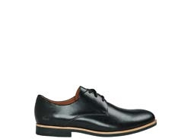

Name | 731CAW0115
Code | unknown
Color Name | 024
Color Code | BLK
Code+Color | 731CAW0115024
Order | LTH
 | 20

