C4.5
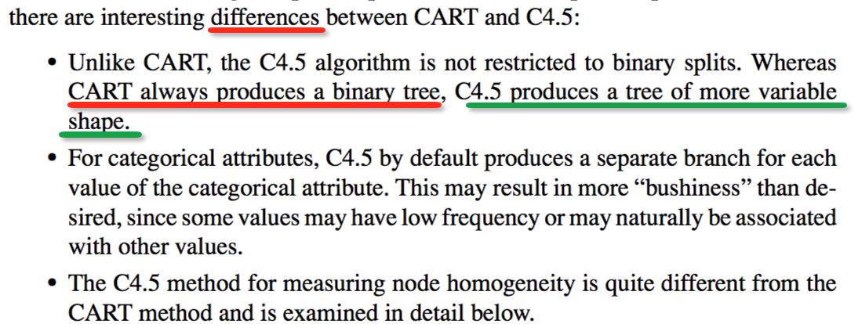
At each decision node, C4.5 chooses the optimal split to be the split that has the greatest information gain, gain(S).
So according to the four tables below, spliting by occupation, we can get the greatest information gain.
Split
None | Pj | - (Pj* log(Pj)
 | 2/11 | -2/11*log(2/11)
 | 3/11 | -3/11 * log(3/11)
 | 4/11 | -4/11 * log(4/11)
 | 2/11 | -2/11 * log(2/11)
Total Entropy
 | 0.181818 | 0.447
 | 0.272727 | 0.51121873258
 | 0.363636 | 0.53070240069
 | 0.181818 | 0.44716920035
Total Entropy |  | 1.936

Split |  | - (Pj* log(Pj) |  | - (Pj* log(Pj) |  | - (Pj* log(Pj) |  | - (Pj* log(Pj) | Row Total | Percent | * Row Total
Occupation | Level 1 | Level 1 | Level 2 | Level 2 | Level 3 | Level 3 | Level 4 | Level 4
Occupation =Services | 0.33 | 0.528 | 0.33 | 0.528 | 0.33 | 0.528 | 0 | 0.000 | 1.58396580004846 | 0.27 | 0.432
Occupation =Management | 0 | 0.000 | 0 | 0.000 | 0.5 | 0.500 | 0.5 | 0.500 | 1.000 | 0.36 | 0.364
Occupation =Sales | 0 | 0 | 0.5 | 0.500 | 0.5 | 0.500 | 0 | 0 | 1.000 | 0.18 | 0.182
Occupation =Staff | 0.5 | 0.500 | 0.5 | 0.500 | 0 | 0 | 0 | 0 | 1.000 | 0.18 | 0.182
Total |  |  |  |  |  |  |  |  |  | 1.000 | 1.159
Net Gain |  |  |  | 1.936 - 1.159 | 0.776996133952604

Split |  | - (Pj* log(Pj) |  | - (Pj* log(Pj) |  | - (Pj* log(Pj) |  | - (Pj* log(Pj) | Row Total | Percent | * Row Total
Age | Level 1 | Level 1 | Level 2 | Level 2 | Level 3 | Level 3 | Level 4 | Level 4
Age = Category 1 | 0.4 | 0.529 | 0.2 | 0.464 | 0.4 | 0.529 | 0 | 0.000 | 1.522 | 0.45 | 0.692
Age = Category 2 | 0 | 0.000 | 0.33 | 0.528 | 0.33 | 0.528 | 0.33 | 0.528 | 1.583 | 0.27 | 0.432
Age = Category 3 | 0 | 0.000 | 0.33 | 0.528 | 0.33 | 0.528 | 0.33 | 0.528 | 1.583 | 0.27 | 0.432
Total |  |  |  |  |  |  |  |  |  | 1.000 | 1.555
Net Gain |  |  |  | 1.936 - 1.555 | 0.380764518264960

Split |  | - (Pj* log(Pj) |  | - (Pj* log(Pj) |  | - (Pj* log(Pj) |  | - (Pj* log(Pj) | Row Total | Percent | * Row Total
Gender | Level 1 | Level 1 | Level 2 | Level 2 | Level 3 | Level 3 | Level 4 | Level 4
Gender = Female | 0 | 0.000 | 0.2 | 0.464 | 0.4 | 0.529 | 0.4 | 0.529 | 1.522 | 0.45 | 0.692
Gender = Male | 0.33 | 0.528 | 0.33 | 0.528 | 0.33 | 0.528 | 0 | 0.000 | 1.585 | 0.55 | 0.865
Total |  |  |  |  |  |  |  |  |  | 1.00 | 1.556
Net Gain |  |  |  | 1.936 - 1.556 | 0.379949035896388

