ELC
*Declare and characterize the new technologies by sector. Sheet names should indicate the sector as <SectorName>_<Anything>

 | Sector Name | Description | Type | Activity Unit | Capacity unit | Currency Unit |  | New
 | ELC | Electricity Plants | Power Plants | PJ | GW | M$2021 |  | N |  |  |  |  |  | ~FI_Comm
 |  |  |  |  |  |  |  |  |  |  |  |  |  | Csets | Region | CommName | CommDesc | Unit | LimType | CTSLvl | PeakTS | Ctype
 | Power Plant Type | Thermal | CHP | Renewable | Nuclear | Storage |  |  |  |  |  |  |  | *Commodity Set Membership | Region Name | Commodity Name | Commodity Description | Unit | Sense of the Balance EQN. | Timeslice Level | Peak Monitoring | Electricity Indicator
 | Code | T | C | R | N | S

 |  |  |  | ~FI_T |  |  |  |  |  |  |  |  |  | ~FI_Process
 | TechName | Comm-IN | Comm-OUT | Year | START | EFF | AFA | INVCOST | FIXOM | VAROM | LIFE | CAP2ACT | Peak | Sets | Region | TechName | TechDesc | Tact | Tcap | Tslvl | PrimaryCG | Vintage
 | *Technology Name | Input Commodity | Output Commodity |  |  | Efficiency | Utilisation Factor | Invesctment Cost | Fixed O&M Cost | Variable O&M Cost | Lifetime | Capacity to Activity Factor | % contribution to PEAK | *Process Set Membership | Region Name | Technology Name | Technology Description | Activity Unit | Capacity Unit | TimeSlice level of Process Activity | Primary Commodity Group | Vintage Tracking
 | *Units |  |  |  |  |  |  | M$/GW | M$/PJa | M$/PJ | Years | (Act Unit/Cap Unit) |  | *
 | ELCTNCOA01 | ELCCOA | ELC |  | 2023 | 0.42 | 0.85 | 1650 | 30.00 | 0.40 | 40 | 31.536 | 1.00 | ELE |  | ELCTNCOA01 | Power Plants New 1 - Solid Fuels | PJ | GW | DAYNITE
 | ELCTNOIL01 | ELCOIL | ELC |  | 2023 | 0.30 | 0.85 | 250 | 20.00 | 0.20 | 40 | 31.536 | 1.00 | ELE |  | ELCTNOIL01 | Power Plants New 1 - Oil | PJ | GW | DAYNITE
 | ELCTNGAS01 | ELCGAS | ELC | 2027 | 2027 | 0.50 | 0.85 | 1100 | 30.00 | 0.35 | 40 | 31.536 | 1.00 | ELE |  | ELCTNGAS01 | Power Plants New 1 - Natural Gas | PJ | GW | DAYNITE |  | Yes
 |  |  |  | 2035 |  | 0.51 |  |  |  |  |  |  |  | ELE |  | ELCRNBIO01 | Power Plants New 1 - Biomass | PJ | GW | DAYNITE
 |  |  |  | 2040 |  | 0.52 |  |  |  |  |  |  |  | ELE |  | ELCRNHYD01 | Power Plants New 1 - Hydro power | PJ | GW | DAYNITE
 |  |  |  | 2045 |  | 0.55 |  |  |  |  |  |  |  | ELE |  | ELCRNWIN01 | Power Plants New 1 - Wind energy | PJ | GW | DAYNITE
 | ELCRNBIO01 | ELCBIO | ELC |  | 2028 | 0.35 | 0.60 | 2500 | 30 | 0.35 | 25 | 31.536 | 1.00 | ELE |  | ELCRNSOL01 | Power Plants New 1 - Solar energy | PJ | GW | DAYNITE
 | ELCRNHYD01 | ELCHYD | ELC |  | 2026 | 1.00 | 0.50 | 3000 | 35 | 2.00 | 50 | 31.536 | 0.35 | ELE, STG |  | ELCSNBES01 | Power Plants New 1 - Battery Energy Storage System | PJ | GW | DAYNITE
 | ELCRNWIN01 | ELCWIN | ELC |  | 2026 | 1.00 | 0.35 | 1340 | 26.7 |  | 25 | 31.536 | 0.30 | ELE |  | ELCRNBSO01 | Power Plants New 1 - Solar energy with BESS | PJ | GW | DAYNITE
 |  |  |  |  | 2035 | 1.00 | 0.35 | 1273 | 25.365
 |  |  |  |  | 2040 | 1.00 | 0.35 | 1209.35 | 24.09675
 | ELCRNSOL01 | ELCSOL | ELC |  | 2022 | 1.00 | 0.30 | 550 | 7 | 0.00 | 25 | 31.536 | 0.20 | ELE |  | ELCRNPHY01 | Power Plants New 1 - Pumped Hydro power | PJ | GW | DAYNITE
 | ELCRNBSO01 | ELCSOL | ELC |  | 2026 | 1.00 | 0.30 | 1090 | 21.8 | 0.00 | 25 | 31.536 | 0.50
 | ELCRNPHY01 | ELCHYD | ELC |  | 2028 | 1.00 | 0.8 | 1990 | 39.8 | 2.00 | 40 | 31.536 | 0.45
 | ELCSNBES01 | ELC | ELC |  | 2026 | 0.85 | 0.15 | 490 | 9.8 |  | 15 | 31.536 | 0.5

Define each "new" power plants (FI_Process table).
Declare technology attributes (FI_T) such as INVCOST.
Existing technologies are defined in the base-year template while new fuel technologies are defined here.
Duplicate definition should be avoided.
Vintaging ELCTNGAS00 in the FI_PROCESS setting YES cellW15 and then specifing data by year in table FI_T (column Year. In this example EFF is vintaged for periods 2006 to 2020.

RCA
*Declare and characterize the new technologies by sector. Sheet names should indicate the sector as <SectorName>_<Anything>

 | Sector Name | Description | Type | Activity Unit | Capacity unit |  | Currency Unit | New
 | AGR | Agriculture | Demand Technologies | PJ | Pja |  | M$2021 | N
 | COM | Commercial | Demand Technologies | PJ | GW |  | M$2021 | N |  |  | ~FI_Comm
 | RSD | Residential | Demand Technologies | PJ | GW |  | M$2021 | N |  |  | Csets | Region | CommName | CommDesc | Unit | LimType | CTSLvl | PeakTS | Ctype
 |  |  |  |  |  |  |  |  |  |  | *Commodity Set Membership | Region Name | Commodity Name | Commodity Description | Unit | Sense of the Balance EQN. | Timeslice Level | Peak Monitoring | Electricity Indicator
 |  |  |  |  |  |  |  |  |  |  | NRG |  | ELC |  | PJ | FX | DAYNITE |  | ELC
 |  |  |  |  |  |  |  |  |  |  | ENV |  | ELCCO2 |  | kt |  | ANNUAL

 |  |  | ~FI_T |  |  |  |  |  |  |  | ~FI_Process
 | TechName | Comm-IN | Comm-OUT | START | EFF | AFA | CAP2ACT | INVCOST | FIXOM | LIFE | Sets | Region | TechName | TechDesc | Tact | Tcap | Tslvl | PrimaryCG | Vintage
 | *Technology Name | Input Commodity | Output Commodity |  | Efficiency | Utilisation Factor | Capacity to Activity Factor | Invesctment Cost | Fixed O&M Cost | Lifetime | *Process Set Membership | Region Name | Technology Name | Technology Description | Activity Unit | Capacity Unit | TimeSlice level of Process Activity | Primary Commodity Group | Vintage Tracking
 | *Units |  |  |  |  |  | Capacity Unit/PJ | M$/Capacity Unit | M$/Capacity unit | Years | *
 | CSCNSOL1 | COMSOL | DCSC | 2022 | 0.35 | 0.30 | 31.536 | 700 | 12 | 15 | DMD |  | CSCNSOL1 | Demand Technologies Commercial Sector - New Space Cooling - Solar energy | PJ | GW | DAYNITE
 | CSCNELC1 | COMELC | DCSC | 2022 | 0.96 | 0.30 | 31.536 | 550 | 12 | 20 | DMD |  | CSCNELC1 | Demand Technologies Commercial Sector - New Space Cooling - Natural Gas | PJ | GW | DAYNITE
 | CAPNELC1 | COMELC | DCAP | 2022 | 1.02 | 0.30 | 31.536 | 0.50 |  | 5 | DMD |  | CAPNELC1 | Demand Technologies Commercial Sector - New Appliances - Electricity | PJ | PJa
 | COTNOIL1 | COMOIL | DCOT | 2022 | 1.02 | 0.30 | 31.536 | 0.30 |  | 15 | DMD |  | COTNOIL1 | Demand Technologies Commercial Sector - New Other - oil | PJ | PJa
 | COTNELC1 | COMELC | DCOT | 2022 | 1.05 | 0.30 | 31.536 | 0.75 |  | 15 | DMD |  | COTNELC1 | Demand Technologies Commercial Sector - New Other - Electricity | PJ | PJa | DAYNITE
 | RSCNSOL1 | RSDSOL | DRSC | 2022 | 0.35 | 0.30 | 31.536 | 700 | 14 | 15 | DMD |  | RSCNSOL1 | Demand Technologies Residential Sector - New Space Cooling - Solar energy | PJ | GW
 | RSCNELC1 | RSDELC | DRSC | 2022 | 0.96 | 0.30 | 31.536 | 550 | 11 | 20 | DMD |  | RSCNELC1 | Demand Technologies Residential Sector - New Space Cooling - Natural Gas | PJ | GW
 | RAPNELC1 | RSDELC | DRAP | 2022 | 1.02 | 0.30 | 31.536 | 0.50 |  | 5 | DMD |  | RAPNELC1 | Demand Technologies Residential Sector - New Appliancens - Electricity | PJ | PJa | DAYNITE
 | ROTNOIL1 | RSDOIL | DROT | 2022 | 1.02 | 0.30 | 31.536 | 0.30 |  | 15 | DMD |  | ROTNOIL1 | Demand Technologies Residential Sector - New Other - oil | PJ | PJa
 | ROTNBIO1 | RSDBIO | DROT | 2022 | 1.02 | 0.30 | 31.536 | 1.00 |  | 15 | DMD |  | ROTNBIO1 | Demand Technologies Residential Sector - New Other - Biomass | PJ | PJa
 | ROTNELC1 | RSDELC | DROT | 2022 | 1.05 | 0.30 | 31.536 | 0.75 |  | 15 | DMD |  | ROTNELC1 | Demand Technologies Residential Sector - New Other - Electricity | PJ | PJa | DAYNITE
 | AMANCNDSL | AGROIL | DAMANC | 2022 | 0.35 | 0.09 | 31.536 | 1185 | 48 | 15.5 | DMD |  | AMANCNDSL | Demand Technologies Agriculture Sector - New Machinery - Diesel | PJ | PJa
 | AMANCNELC | AGRELC | DAMANC | 2022 | 0.39 | 0.09 | 31.536 | 1072 | 70 | 12 | DMD |  | AMANCNELC | Demand Technologies Agriculture Sector - New Machinery - Electricity | PJ | PJa | DAYNITE
 | APUMPNDSL | AGROIL | DAPUMP | 2022 | 0.50 | 0.23 | 31.536 | 1089 | 38 | 12.5 | DMD |  | APUMPNDSL | Demand Technologies Agriculture Sector - New Pump - Diesel | PJ | PJa
 | APUMPNELC | AGRELC | DAPUMP | 2022 | 0.70 | 0.23 | 31.536 | 1089 | 38 | 12.5 | DMD |  | APUMPNELC | Demand Technologies Agriculture Sector - New Pump - Electricity | PJ | PJa | DAYNITE
 | AOTHNDSL | AGROIL | DAOTH | 2022 | 0.25 | 0.35 | 31.536 | 1212 |  | 20 | DMD |  | AOTHNDSL | Demand Technologies Agriculture Sector - New Other - Diesel | PJ | PJa
 | AOTHNDELC | AGRELC | DAOTH | 2022 | 0.90 | 0.35 | 31.536 | 5000 |  | 4 | DMD |  | AOTHNDELC | Demand Technologies Agriculture Sector - New Other - Electricity | PJ | PJa | DAYNITE

Define each "new" agriculture, commercial and residential demand technologies (FI_Process table).
Declare technology attributes (FI_T) such as INVCOST.
Existing demand technologies are defined in the base-year template while new demand technologies are defined here.
Duplicate definition should be avoided.

TRA
Sector Name | Description | Type | Default Unit | Currency Unit | Capacity |  | New
TRA | Transport | Demand Technologies | PJ | M$ | 000_Units |  | N |  |  |  | ~FI_Comm
 |  |  |  |  |  |  |  |  |  |  | Csets | Region | CommName | CommDesc | Unit | LimType | CTSLvl | PeakTS | Ctype
 |  |  |  |  |  |  |  |  |  |  | *Commodity Set Membership | Region Name | Commodity Name | Commodity Description | Unit | Sense of the Balance EQN. | Timeslice Level | Peak Monitoring | Electricity Indicator
 |  |  |  |  |  |  |  |  |  |  | NRG |  | ELC |  | PJ | FX | DAYNITE |  | ELC
 |  |  |  |  |  |  |  |  |  |  | ENV |  | ELCCO2 |  | kt |  | ANNUAL

 |  | ~FI_T |  |  |  |  |  |  |  |  | ~FI_Process
TechName | Comm-IN | Comm-OUT | START | EFF | AFA | ACTFLO~DEMO | INVCOST | FIXOM | LIFE | CAP2ACT | Sets | Region | TechName | TechDesc | Tact | Tcap | Tslvl | PrimaryCG | Vintage
*Technology Name | Input Commodity | Output Commodity |  | Efficiency | Utilisation Factor | Activity to Flo | Investment Cost | Fixed O&M Cost | Lifetime | Capacity to Activity Factor | *Process Set Membership | Region Name | Technology Name | Technology Description | Activity Unit | Capacity Unit | TimeSlice level of Process Activity | Primary Commodity Group | Vintage Tracking
*Units |  |  |  | BV*km/PJ | '000 km | Passenger/Car | M$/000_Units | M$/000_Units/a | Years | bvkm/mvkm | *
TCANGAS1 | TRAGAS | DTCAR | 2022 | 0.40 | 14 | 1.25 | 19.4 | 0.16 | 20 | 0.001 | DMD |  | TCANGAS1 | Demand Technologies Transport Sector - New Cars - Natural Gas | BPkm | 000_Units |  | DEMO
TCANDSL1 | TRADSL | DTCAR | 2022 | 0.43 | 17 | 1.25 | 17.3 | 0.16 | 20 | 0.001 | DMD |  | TCANDSL1 | Demand Technologies Transport Sector - New Cars - Diesel oil | BPkm | 000_Units |  | DEMO
TCANLPG1 | TRALPG | DTCAR | 2022 | 0.40 | 14 | 1.25 | 16.7 | 0.16 | 20 | 0.001 | DMD |  | TCANLPG1 | Demand Technologies Transport Sector - New Cars - LPG | BPkm | 000_Units |  | DEMO
TCANGSL1 | TRAGSL | DTCAR | 2022 | 0.42 | 12 | 1.25 | 16.7 | 0.15 | 20 | 0.001 | DMD |  | TCANGSL1 | Demand Technologies Transport Sector - New Cars - Motor spirit | BPkm | 000_Units |  | DEMO
TCARNBIO1 | TRABIO | DTCAR | 2030 | 0.42 | 15 | 1.25 | 19.4 | 0.15 | 20 | 0.001 | DMD |  | TCARNBIO1 | Demand Technologies Transport Sector - New Cars - Biofuels | BPkm | 000_Units |  | DEMO
TCANELC1 | TRAELC | DTCAR | 2026 | 0.42 | 8 | 1.25 | 27.0 | 0.15 | 20 | 0.001 | DMD |  | TCANELC1 | Demand Technologies Transport Sector - New Cars - Electricity | BPkm | 000_Units |  | DEMO
TPUNGAS1 | TRAGAS | DTPUB | 2022 | 0.11 | 50 | 15 | 29.2 | 0.24 | 30 | 0.001 | DMD |  | TPUNGAS1 | Demand Technologies Transport Sector - New Pub - Natural Gas | BPkm | 000_Units |  | DEMO
TPUNDSL1 | TRADSL | DTPUB | 2022 | 0.16 | 50 | 15 | 25.9 | 0.24 | 30 | 0.001 | DMD |  | TPUNDSL1 | Demand Technologies Transport Sector - New Pub - Diesel oil | BPkm | 000_Units |  | DEMO
TPUNLPG1 | TRALPG | DTPUB | 2022 | 0.11 | 50 | 15 | 25.1 | 0.24 | 30 | 0.001 | DMD |  | TPUNLPG1 | Demand Technologies Transport Sector - New Pub - LPG | BPkm | 000_Units |  | DEMO
TPUNGSL1 | TRAGSL | DTPUB | 2022 | 0.16 | 20 | 15 | 25.1 | 0.22 | 30 | 0.001 | DMD |  | TPUNGSL1 | Demand Technologies Transport Sector - New Pub - Motor spirit | BPkm | 000_Units |  | DEMO
TPUBNBIO1 | TRABIO | DTPUB | 2030 | 0.16 | 20 | 15 | 29.2 | 0.22 | 30 | 0.001 | DMD |  | TPUBNBIO1 | Demand Technologies Transport Sector - New Pub - Biofuels | BPkm | 000_Units |  | DEMO
TPUNELC1 | TRAELC | DTPUB | 2026 | 0.03 | 15 | 200 | 40.5 | 0.22 | 30 | 0.001 | DMD |  | TPUNELC1 | Demand Technologies Transport Sector - New Pub - Electricity | BPkm | 000_Units |  | DEMO
TMOTNDSL1 | TRADSL | DTMOT | 2022 | 1.15 | 10 | 1.2 | 2.4 | 0.03 | 10 | 0.001 | DMD |  | TMOTNDSL1 | Demand Technologies Transport Sector - New Motor - Diesel oil | BPkm | 000_Units |  | DEMO
TMOTNGSL1 | TRAGSL | DTMOT | 2022 | 1.10 | 9 | 1.2 | 2.2 | 0.02 | 10 | 0.001 | DMD |  | TMOTNGSL1 | Demand Technologies Transport Sector - New Motor - Motor spirit | BPkm | 000_Units |  | DEMO
TMOTNBIO1 | TRABIO | DTMOT | 2030 | 1.10 | 10 | 1.2 | 2.6 | 0.03 | 10 | 0.001 | DMD |  | TMOTNBIO1 | Demand Technologies Transport Sector - New Motor - Biofuels | BPkm | 000_Units |  | DEMO
TMOTNELC1 | TRAELC | DTMOT | 2026 | 3.2 | 8 | 1.2 | 2 | 0.02 | 10 | 0.001 | DMD |  | TMOTNELC1 | Demand Technologies Transport Sector - New Motor - Electricity | BPkm | 000_Units |  | DEMO
TTRINDSL1 | TRADSL | DTTRI | 2022 | 0.75 | 15 | 2 | 4.2 | 0.05 | 10 | 0.001 | DMD |  | TTRINDSL1 | Demand Technologies Transport Sector - New Motor - Diesel oil | BPkm | 000_Units |  | DEMO
TTRINLPG1 | TRALPG | DTTRI | 2022 | 0.68 | 15 | 2 | 4 | 0.04 | 10 | 0.001 | DMD |  | TTRINLPG1 | Demand Technologies Transport Sector - New Motor - LPG | BPkm | 000_Units |  | DEMO
TTRINGSL1 | TRAGSL | DTTRI | 2022 | 0.70 | 14 | 2 | 3.8 | 0.04 | 10 | 0.001 | DMD |  | TTRINGSL1 | Demand Technologies Transport Sector - New Motor - Motor spirit | BPkm | 000_Units |  | DEMO
TTRINBIO1 | TRABIO | DTTRI | 2030 | 0.70 | 15 | 2 | 4.6 | 0.05 | 10 | 0.001 | DMD |  | TTRINBIO1 | Demand Technologies Transport Sector - New Motor - Biofuels | BPkm | 000_Units |  | DEMO
TTRINELC1 | TRAELC | DTTRI | 2026 | 2.1 | 12 | 2 | 5.8 | 0.03 | 10 | 0.001 | DMD |  | TTRINELC1 | Demand Technologies Transport Sector - New Motor - Electricity | BPkm | 000_Units |  | DEMO
TFRENGAS1 | TRAGAS | DTFRE | 2022 | 0.35 | 45 | 12 | 85 | 1.20 | 30 | 0.001 | DMD |  | TFRENGAS1 | Demand Technologies Transport Sector - New Motor - Natural Gas | BPkm | 000_Units |  | DEMO
TFRENDSL1 | TRADSL | DTFRE | 2022 | 0.40 | 55 | 12 | 82 | 1.15 | 30 | 0.001 | DMD |  | TFRENDSL1 | Demand Technologies Transport Sector - New Motor - Diesel oil | BPkm | 000_Units |  | DEMO
TFRENLPG1 | TRALPG | DTFRE | 2022 | 0.34 | 45 | 12 | 86 | 1.25 | 30 | 0.001 | DMD |  | TFRENLPG1 | Demand Technologies Transport Sector - New Motor - LPG | BPkm | 000_Units |  | DEMO
TFRENGSL1 | TRAGSL | DTFRE | 2022 | 0.32 | 40 | 12 | 80 | 1.10 | 30 | 0.001 | DMD |  | TFRENGSL1 | Demand Technologies Transport Sector - New Motor - Motor spirit | BPkm | 000_Units |  | DEMO
TFRENBIO1 | TRABIO | DTFRE | 2030 | 0.40 | 55 | 12 | 88 | 1.25 | 30 | 0.001 | DMD |  | TFRENBIO1 | Demand Technologies Transport Sector - New Motor - Biofuels | BPkm | 000_Units |  | DEMO
TFRENELC1 | TRAELC | DTFRE | 2026 | 1.1 | 50 | 12 | 145 | 0.85 | 30 | 0.001 | DMD |  | TFRENELC1 | Demand Technologies Transport Sector - New Motor - Electricity | BPkm | 000_Units |  | DEMO
TAVINKER1 | TRAKER | DTAVI | 2022 | 0.1 | 65 | 180 | 50000 | 70 | 30 | 0.001 | DMD |  | TAVINKER1 | Demand Technologies Transport Sector - New Motor - Kerosenes | BPkm | 000_Units |  | DEMO
TRAINDSL1 | TRADSL | DTRAI | 2022 | 0.26 | 60 | 400 | 2100 | 30 | 30 | 0.001 | DMD |  | TRAINDSL1 | Demand Technologies Transport Sector - New Motor - Diesel oil | BPkm | 000_Units |  | DEMO
TRAINHYG1 | TRAHYG | DTRAI | 2040 |  |  |  |  |  | 30 | 0.001 | DMD |  | TRAINHYG1 | Demand Technologies Transport Sector - New Motor - Hydrogen | BPkm | 000_Units |  | DEMO
TRAINELC1 | TRAELC | DTRAI | 2040 | 0.78 | 66 | 500 | 3100 | 22 | 30 | 0.001 | DMD |  | TRAINELC1 | Demand Technologies Transport Sector - New Motor - Electricity | BPkm | 000_Units |  | DEMO
TMARNGAS1 | TRAGAS | DTMAR | 2022 | 0.28 | 65 | 800 | 6500 | 95 | 30 | 0.001 | DMD |  | TMARNGAS1 | Demand Technologies Transport Sector - New Motor - Natural Gas | BPkm | 000_Units |  | DEMO
TMARNDSL1 | TRADSL | DTMAR | 2022 | 0.32 | 70 | 1000 | 6000 | 88 | 30 | 0.001 | DMD |  | TMARNDSL1 | Demand Technologies Transport Sector - New Motor - Diesel oil | BPkm | 000_Units |  | DEMO
TMARNLPG1 | TRALPG | DTMAR | 2022 | 0.27 | 60 | 800 | 6800 | 98 | 30 | 0.001 | DMD |  | TMARNLPG1 | Demand Technologies Transport Sector - New Motor - LPG | BPkm | 000_Units |  | DEMO
TMARNGSL1 | TRAGSL | DTMAR | 2022 | 0.25 | 60 | 800 | 5800 | 82 | 30 | 0.001 | DMD |  | TMARNGSL1 | Demand Technologies Transport Sector - New Motor - Motor spirit | BPkm | 000_Units |  | DEMO
TMARNBIO1 | TRABIO | DTMAR | 2030 | 0.32 | 70 | 1000 | 6600 | 92 | 30 | 0.001 | DMD |  | TMARNBIO1 | Demand Technologies Transport Sector - New Motor - Biofuels | BPkm | 000_Units |  | DEMO
TMARNELC1 | TRAELC | DTMAR | 2026 | 0.85 | 50 | 400 | 9500 | 70 | 30 | 0.001 | DMD |  | TMARNELC1 | Demand Technologies Transport Sector - New Motor - Electricity | BPkm | 000_Units |  | DEMO

Define each "new" transportation technologies (FI_Process table).
Declare technology attributes (FI_T) such as INVCOST.
Existing technologies are defined in the base-year template while new fuel technologies are defined here.
Duplicate definition should be avoided.

IEA-ETSAP_ETechDS
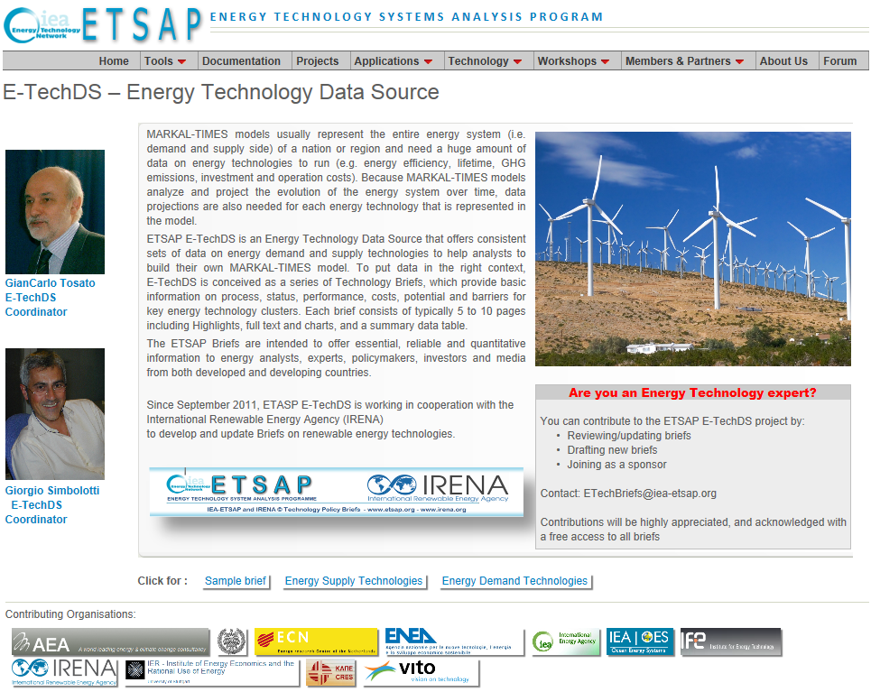
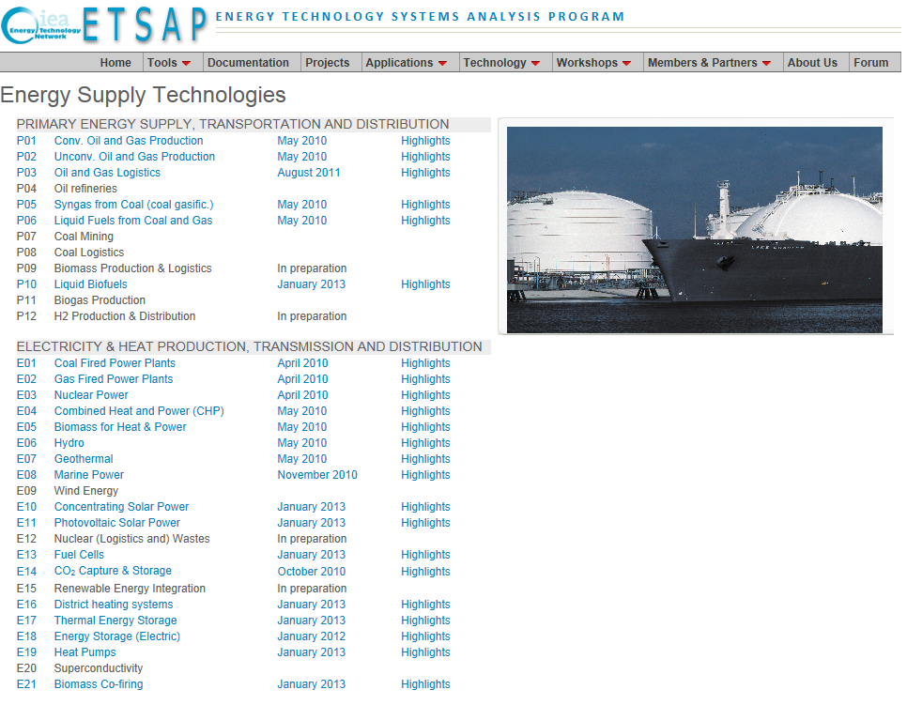
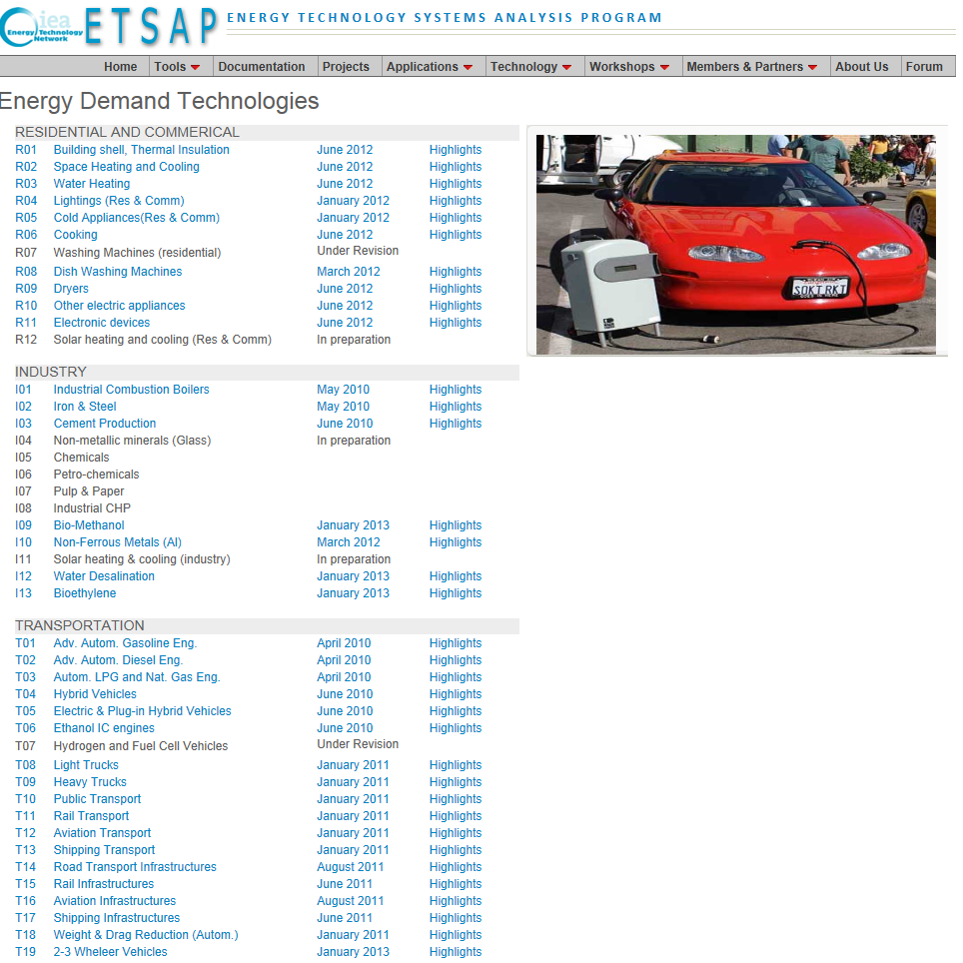
http://www.iea-etsap.org/Energy_Technologies/Energy_Technology.asp | http://www.iea-etsap.org/Energy_Technologies/Energy_Supply.asp | http://www.iea-etsap.org/Energy_Technologies/Energy_Demand.asp

