ELC
*Declare and characterize the new technologies by sector. Sheet names should indicate the sector as <SectorName>_<Anything>

 | Sector Name | Description | Type | Activity Unit | Capacity unit | Currency Unit |  | New
 | ELC | Electricity Plants | Power Plants | PJ | GW | M$2021 |  | N |  |  |  |  |  | ~FI_Comm
 |  |  |  |  |  |  |  |  |  |  |  |  |  | Csets | Region | CommName | CommDesc | Unit | LimType | CTSLvl | PeakTS | Ctype
 | Power Plant Type | Thermal | CHP | Renewable | Nuclear | Storage |  |  |  |  |  |  |  | *Commodity Set Membership | Region Name | Commodity Name | Commodity Description | Unit | Sense of the Balance EQN. | Timeslice Level | Peak Monitoring | Electricity Indicator
 | Code | T | C | R | N | S

 |  |  |  | ~FI_T |  |  |  |  |  |  |  |  |  | ~FI_Process
 | TechName | Comm-IN | Comm-OUT | Year | START | EFF | AFA | INVCOST | FIXOM | VAROM | LIFE | CAP2ACT | Peak | Sets | Region | TechName | TechDesc | Tact | Tcap | Tslvl | PrimaryCG | Vintage
 | *Technology Name | Input Commodity | Output Commodity |  |  | Efficiency | Utilisation Factor | Invesctment Cost | Fixed O&M Cost | Variable O&M Cost | Lifetime | Capacity to Activity Factor | % contribution to PEAK | *Process Set Membership | Region Name | Technology Name | Technology Description | Activity Unit | Capacity Unit | TimeSlice level of Process Activity | Primary Commodity Group | Vintage Tracking
 | *Units |  |  |  |  |  |  | M$/GW | M$/PJa | M$/PJ | Years | (Act Unit/Cap Unit) |  | *
 | ELCTNCOA01 | ELCCOA | ELC |  | 2023 | 0.42 | 0.85 | 1650 | 30.00 | 0.40 | 40 | 31.536 | 1.00 | ELE |  | ELCTNCOA01 | Power Plants New 1 - Solid Fuels | PJ | GW | SEASON
 | ELCTNOIL01 | ELCOIL | ELC |  | 2023 | 0.30 | 0.85 | 250 | 20.00 | 0.20 | 40 | 31.536 | 1.00 | ELE |  | ELCTNOIL01 | Power Plants New 1 - Oil | PJ | GW
 | ELCTNGAS01 | ELCGAS | ELC | 2027 | 2027 | 0.50 | 0.85 | 1100 | 30.00 | 0.35 | 40 | 31.536 | 1.00 | ELE |  | ELCTNGAS01 | Power Plants New 1 - Natural Gas | PJ | GW |  |  | Yes
 |  |  |  | 2035 |  | 0.51 |  |  |  |  |  |  |  | ELE |  | ELCRNBIO01 | Power Plants New 1 - Biomass | PJ | GW
 |  |  |  | 2040 |  | 0.52 |  |  |  |  |  |  |  | ELE |  | ELCRNHYD01 | Power Plants New 1 - Hydro power | PJ | GW
 |  |  |  | 2045 |  | 0.55 |  |  |  |  |  |  |  | ELE |  | ELCRNWIN01 | Power Plants New 1 - Wind energy | PJ | GW
 | ELCRNBIO01 | ELCBIO | ELC |  | 2028 | 0.35 | 0.60 | 2500 | 30 | 0.35 | 25 | 31.536 | 1.00 | ELE |  | ELCRNSOL01 | Power Plants New 1 - Solar energy | PJ | GW
 | ELCRNHYD01 | ELCHYD | ELC |  | 2026 | 1.00 | 0.50 | 3000 | 35 | 2.00 | 50 | 31.536 | 0.35 | ELE |  | ELCSNBES01 | Power Plants New 1 - Battery Energy Storage System | PJ | GW | DAYNITE
 |  |  |  |  |  |  |  |  |  |  |  |  |  | ELE |  | ELCRNBSO01 | Power Plants New 1 - Solar energy with BESS | PJ | GW | SEASON
 |  |  |  |  |  |  |  |  |  |  |  |  |  | ELE |  | ELCRNPHY01 | Power Plants New 1 - Pumped Hydro power | PJ | GW | SEASON

Define each "new" power plants (FI_Process table).
Declare technology attributes (FI_T) such as INVCOST.
Existing technologies are defined in the base-year template while new fuel technologies are defined here.
Duplicate definition should be avoided.
Vintaging ELCTNGAS00 in the FI_PROCESS setting YES cellW15 and then specifing data by year in table FI_T (column Year. In this example EFF is vintaged for periods 2006 to 2020.

IEA-ETSAP_ETechDS
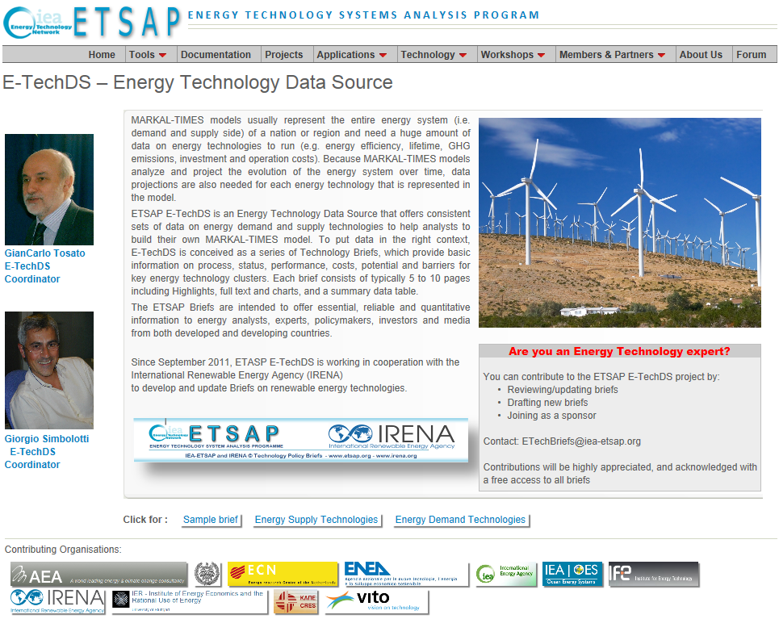
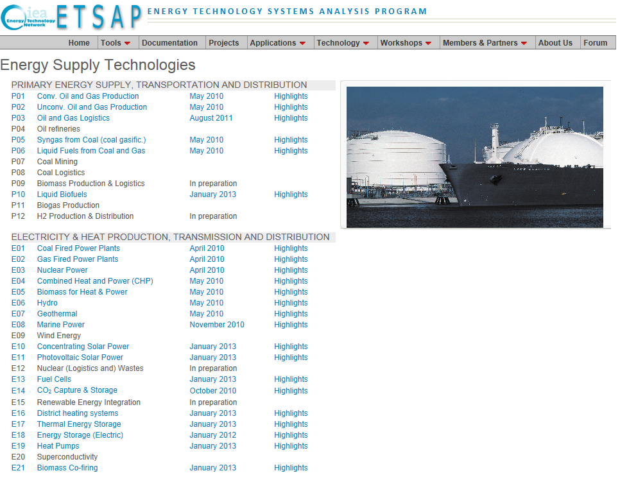
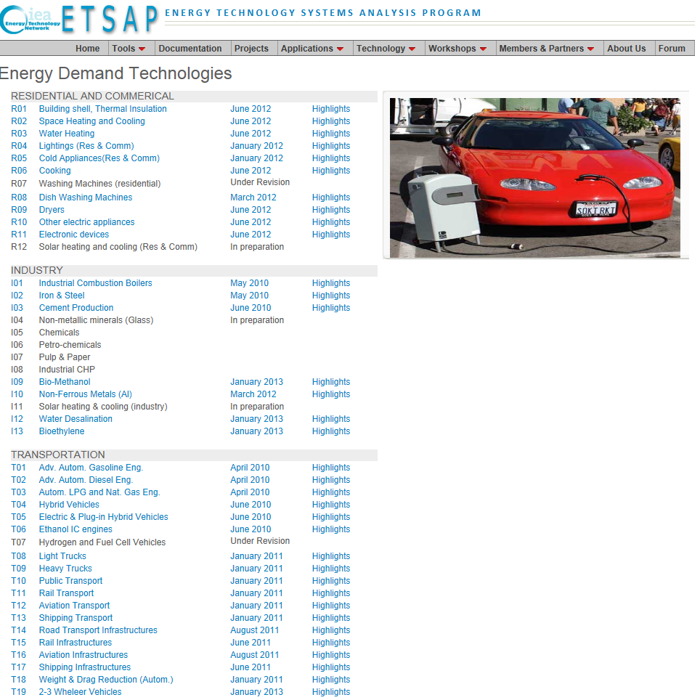
http://www.iea-etsap.org/Energy_Technologies/Energy_Technology.asp | http://www.iea-etsap.org/Energy_Technologies/Energy_Supply.asp | http://www.iea-etsap.org/Energy_Technologies/Energy_Demand.asp

