TRA
Sector Name | Description | Type | Default Unit | Currency Unit | Capacity |  | New
TRA | Transport | Demand Technologies | PJ | M$ | 000_Units |  | N |  |  |  | ~FI_Comm
 |  |  |  |  |  |  |  |  |  |  | Csets | Region | CommName | CommDesc | Unit | LimType | CTSLvl | PeakTS | Ctype
 |  |  |  |  |  |  |  |  |  |  | *Commodity Set Membership | Region Name | Commodity Name | Commodity Description | Unit | Sense of the Balance EQN. | Timeslice Level | Peak Monitoring | Electricity Indicator

 |  | ~FI_T |  |  |  |  |  |  |  |  | ~FI_Process
TechName | Comm-IN | Comm-OUT | START | EFF | AFA | ACTFLO~DEMO | INVCOST | FIXOM | LIFE | CAP2ACT | Sets | Region | TechName | TechDesc | Tact | Tcap | Tslvl | PrimaryCG | Vintage
*Technology Name | Input Commodity | Output Commodity |  | Efficiency | Utilisation Factor | Activity to Flo | Investment Cost | Fixed O&M Cost | Lifetime | Capacity to Activity Factor | *Process Set Membership | Region Name | Technology Name | Technology Description | Activity Unit | Capacity Unit | TimeSlice level of Process Activity | Primary Commodity Group | Vintage Tracking
*Units |  |  |  | BV*km/PJ | '000 km | Passenger/Car | M$/000_Units | M$/000_Units/a | Years | bvkm/mvkm | *
TCANDSL1 | TRADSL | DTCAR | 2022 | 0.43 | 17 | 1.25 | 17.3 | 0.16 | 20 | 0.001 | DMD |  | TCANDSL1 | Demand Technologies Transport Sector - New Cars - Diesel oil | BPkm | 000_Units |  | DEMO
TCANLPG1 | TRALPG | DTCAR | 2022 | 0.40 | 14 | 1.25 | 16.7 | 0.16 | 20 | 0.001 | DMD |  | TCANLPG1 | Demand Technologies Transport Sector - New Cars - LPG | BPkm | 000_Units |  | DEMO
TCANGSL1 | TRAGSL | DTCAR | 2022 | 0.42 | 12 | 1.25 | 16.7 | 0.15 | 20 | 0.001 | DMD |  | TCANGSL1 | Demand Technologies Transport Sector - New Cars - Motor spirit | BPkm | 000_Units |  | DEMO
TPUNDSL1 | TRADSL | DTPUB | 2022 | 0.16 | 50 | 15 | 25.9 | 0.24 | 30 | 0.001 | DMD |  | TPUNDSL1 | Demand Technologies Transport Sector - New Pub - Diesel oil | BPkm | 000_Units |  | DEMO
TPUNLPG1 | TRALPG | DTPUB | 2022 | 0.11 | 50 | 15 | 25.1 | 0.24 | 30 | 0.001 | DMD |  | TPUNLPG1 | Demand Technologies Transport Sector - New Pub - LPG | BPkm | 000_Units |  | DEMO
TMOTNGSL1 | TRAGSL | DTMOT | 2022 | 1.10 | 9 | 1.2 | 2.2 | 0.02 | 10 | 0.001 | DMD |  | TMOTNGSL1 | Demand Technologies Transport Sector - New Motor - Motor spirit | BPkm | 000_Units |  | DEMO
TTRINLPG1 | TRALPG | DTTRI | 2022 | 0.68 | 15 | 2 | 4 | 0.04 | 10 | 0.001 | DMD |  | TTRINLPG1 | Demand Technologies Transport Sector - New Motor - LPG | BPkm | 000_Units |  | DEMO
TTRINGSL1 | TRAGSL | DTTRI | 2022 | 0.70 | 14 | 2 | 3.8 | 0.04 | 10 | 0.001 | DMD |  | TTRINGSL1 | Demand Technologies Transport Sector - New Motor - Motor spirit | BPkm | 000_Units |  | DEMO
TFRENDSL1 | TRADSL | DTFRE | 2022 | 0.40 | 55 | 12 | 82 | 1.15 | 30 | 0.001 | DMD |  | TFRENDSL1 | Demand Technologies Transport Sector - New Motor - Diesel oil | BPkm | 000_Units |  | DEMO
TAVINKER1 | TRAKER | DTAVI | 2022 | 0.1 | 65 | 180 | 50000 | 70 | 30 | 0.001 | DMD |  | TAVINKER1 | Demand Technologies Transport Sector - New Motor - Kerosenes | BPkm | 000_Units |  | DEMO
TRAINDSL1 | TRADSL | DTRAI | 2022 | 0.26 | 60 | 400 | 2100 | 30 | 30 | 0.001 | DMD |  | TRAINDSL1 | Demand Technologies Transport Sector - New Motor - Diesel oil | BPkm | 000_Units |  | DEMO
TMARNDSL1 | TRADSL | DTMAR | 2022 | 0.32 | 70 | 1000 | 6000 | 88 | 30 | 0.001 | DMD |  | TMARNDSL1 | Demand Technologies Transport Sector - New Motor - Diesel oil | BPkm | 000_Units |  | DEMO
TMARNGSL1 | TRAGSL | DTMAR | 2022 | 0.25 | 60 | 800 | 5800 | 82 | 30 | 0.001 | DMD |  | TMARNGSL1 | Demand Technologies Transport Sector - New Motor - Motor spirit | BPkm | 000_Units |  | DEMO

Define each "new" transportation technologies (FI_Process table).
Declare technology attributes (FI_T) such as INVCOST.
Existing technologies are defined in the base-year template while new fuel technologies are defined here.
Duplicate definition should be avoided.

IEA-ETSAP_ETechDS
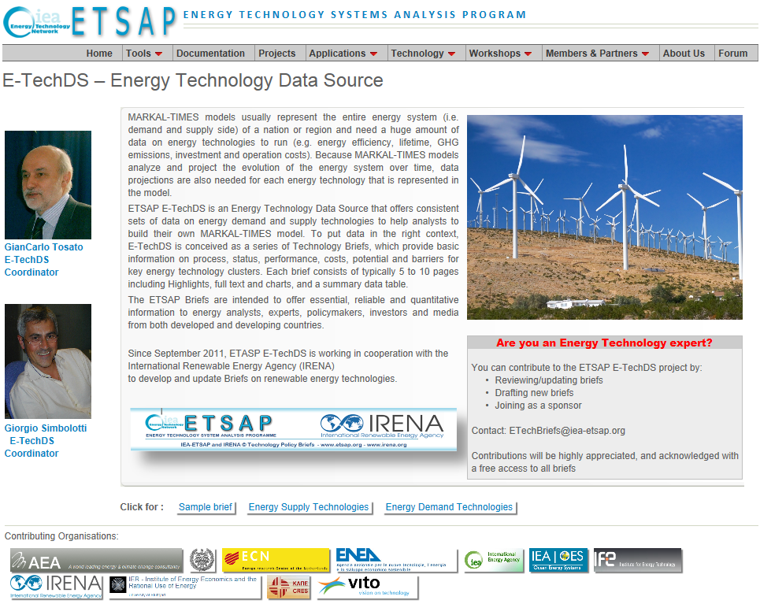
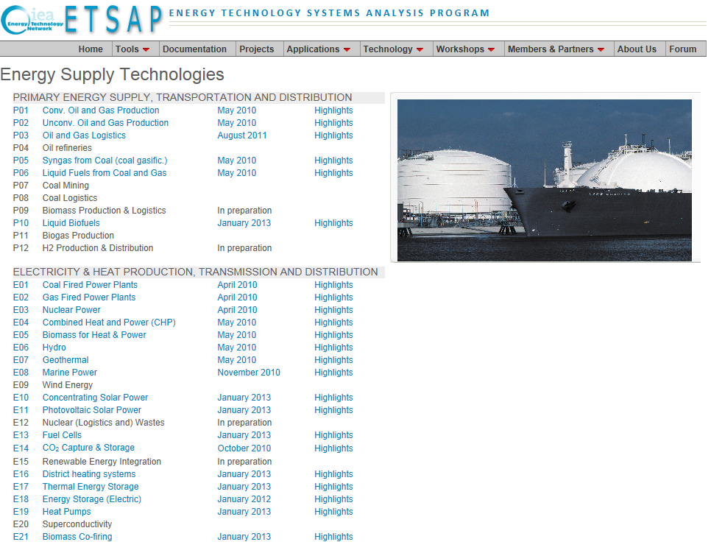
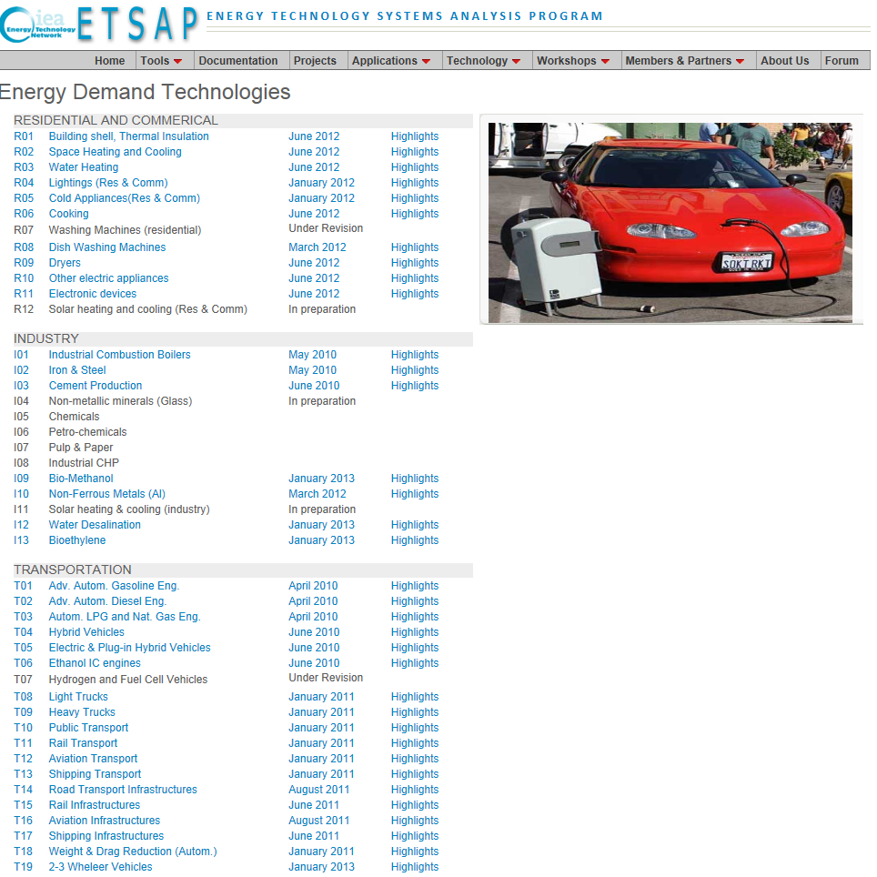
http://www.iea-etsap.org/Energy_Technologies/Energy_Technology.asp | http://www.iea-etsap.org/Energy_Technologies/Energy_Supply.asp | http://www.iea-etsap.org/Energy_Technologies/Energy_Demand.asp

