RSD
*Declare and characterize the new technologies by sector. Sheet names should indicate the sector as <SectorName>_<Anything>

 | Sector Name | Description | Type | Activity Unit | Capacity unit |  | Currency Unit | New
 | AGR | Agriculture | Demand Technologies | PJ | Pja |  | M$2021 | N
 | COM | Commercial | Demand Technologies | PJ | GW |  | M$2021 | N |  |  | ~FI_Comm
 | RSD | Residential | Demand Technologies | PJ | GW |  | M$2021 | N |  |  | Csets | Region | CommName | CommDesc | Unit | LimType | CTSLvl | PeakTS | Ctype
 |  |  |  |  |  |  |  |  |  |  | *Commodity Set Membership | Region Name | Commodity Name | Commodity Description | Unit | Sense of the Balance EQN. | Timeslice Level | Peak Monitoring | Electricity Indicator
 |  |  |  |  |  |  |  |  |  |  | NRG |  | ELC |  | PJ | FX | DAYNITE |  | ELC
 |  |  |  |  |  |  |  |  |  |  | ENV |  | ELCCO2 |  | kt |  | ANNUAL

 |  |  | ~FI_T |  |  |  |  |  |  |  | ~FI_Process
 | TechName | Comm-IN | Comm-OUT | START | EFF | AFA | CAP2ACT | INVCOST | FIXOM | LIFE | Sets | Region | TechName | TechDesc | Tact | Tcap | Tslvl | PrimaryCG | Vintage
 | *Technology Name | Input Commodity | Output Commodity |  | Efficiency | Utilisation Factor | Capacity to Activity Factor | Invesctment Cost | Fixed O&M Cost | Lifetime | *Process Set Membership | Region Name | Technology Name | Technology Description | Activity Unit | Capacity Unit | TimeSlice level of Process Activity | Primary Commodity Group | Vintage Tracking
 | *Units |  |  |  |  |  | Capacity Unit/PJ | M$/Capacity Unit | M$/Capacity unit | Years | *
 | RSCNELC1 | RSDELC | DRSC | 2022 | 0.96 | 0.30 | 31.536 | 550 | 11 | 20 | DMD |  | RSCNELC1 | Demand Technologies Residential Sector - New Space Cooling - Natural Gas | PJ | GW
 | RAPNELC1 | RSDELC | DRAP | 2022 | 1.02 | 0.30 | 31.536 | 0.50 |  | 5 | DMD |  | RAPNELC1 | Demand Technologies Residential Sector - New Appliancens - Electricity | PJ | PJa
 | ROTNOIL1 | RSDOIL | DROT | 2022 | 1.02 | 0.30 | 31.536 | 0.30 |  | 15 | DMD |  | ROTNOIL1 | Demand Technologies Residential Sector - New Other - oil | PJ | PJa
 | ROTNBIO1 | RSDBIO | DROT | 2022 | 1.02 | 0.30 | 31.536 | 1.00 |  | 15 | DMD |  | ROTNBIO1 | Demand Technologies Residential Sector - New Other - Biomass | PJ | PJa
 | ROTNELC1 | RSDELC | DROT | 2022 | 1.05 | 0.30 | 31.536 | 0.75 |  | 15 | DMD |  | ROTNELC1 | Demand Technologies Residential Sector - New Other - Electricity | PJ | PJa

Define each "new" agriculture, commercial and residential demand technologies (FI_Process table).
Declare technology attributes (FI_T) such as INVCOST.
Existing demand technologies are defined in the base-year template while new demand technologies are defined here.
Duplicate definition should be avoided.

IEA-ETSAP_ETechDS
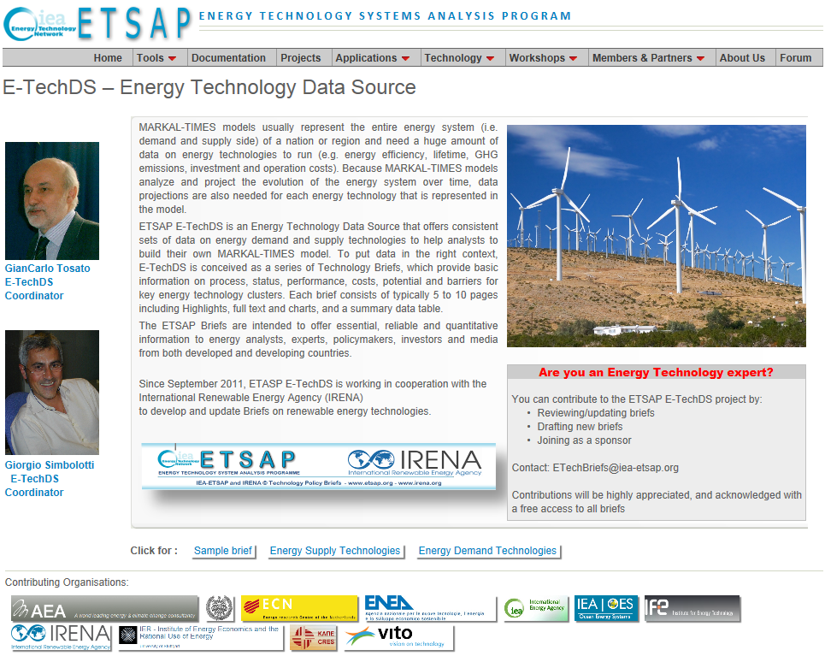
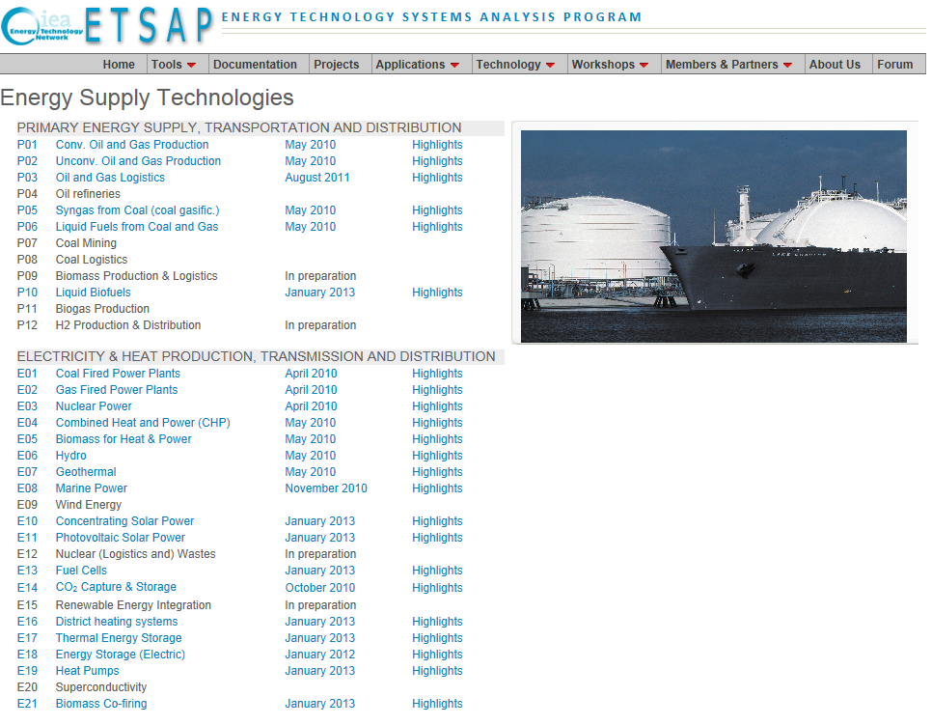
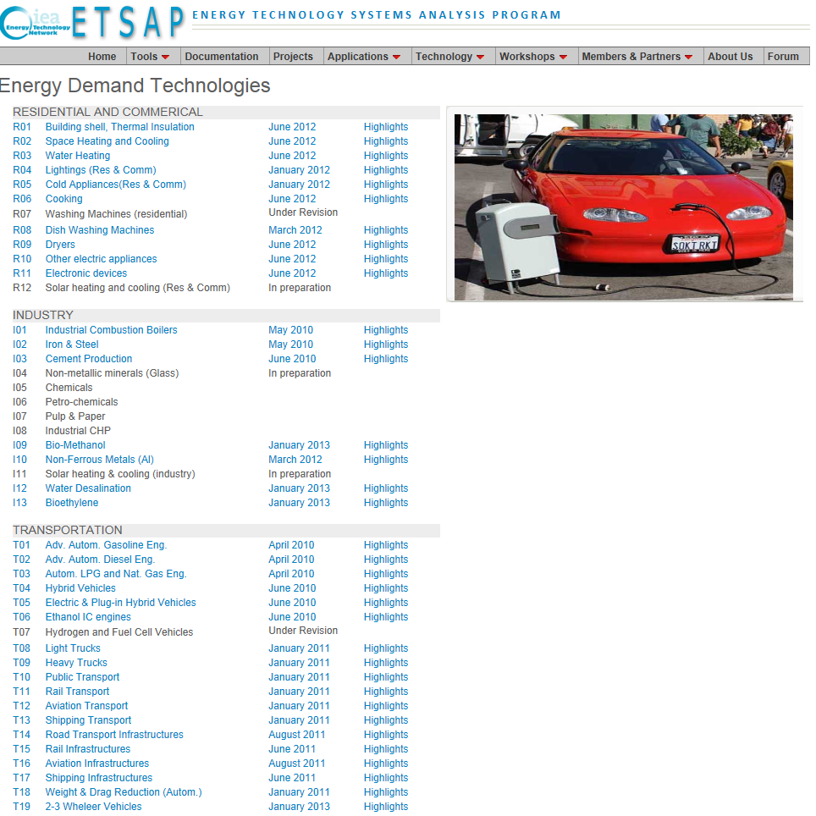
http://www.iea-etsap.org/Energy_Technologies/Energy_Technology.asp | http://www.iea-etsap.org/Energy_Technologies/Energy_Supply.asp | http://www.iea-etsap.org/Energy_Technologies/Energy_Demand.asp

