IEA-ETSAP_ETechDS
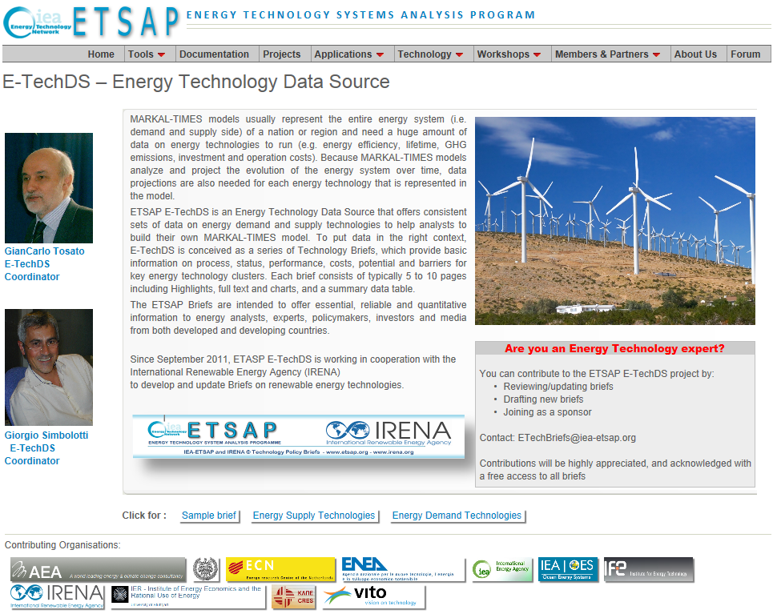
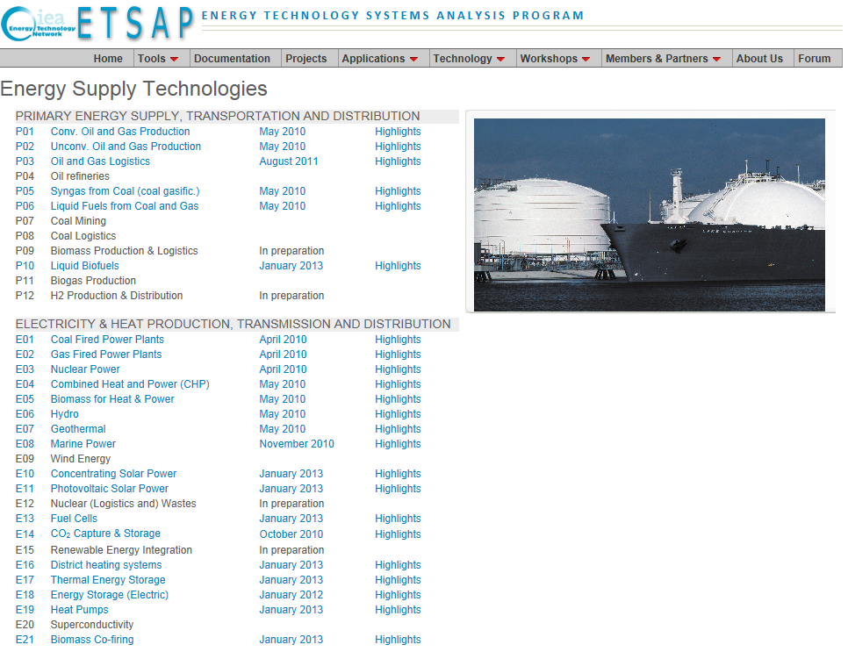
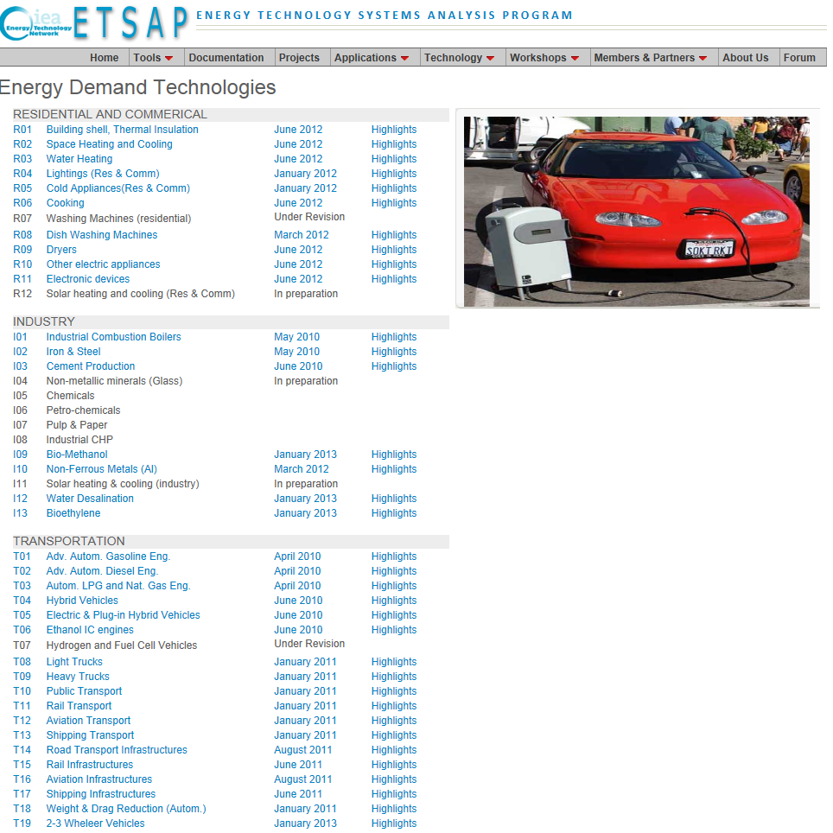
http://www.iea-etsap.org/Energy_Technologies/Energy_Technology.asp | http://www.iea-etsap.org/Energy_Technologies/Energy_Supply.asp | http://www.iea-etsap.org/Energy_Technologies/Energy_Demand.asp

