RCA
*Declare and characterize the new technologies by sector. Sheet names should indicate the sector as <SectorName>_<Anything>

 | Sector Name | Description | Type | Activity Unit | Capacity unit |  | Currency Unit | New
 | AGR | Agriculture | Demand Technologies | PJ | Pja |  | M$2021 | N
 | COM | Commercial | Demand Technologies | PJ | GW |  | M$2021 | N |  |  | ~FI_Comm
 | RSD | Residential | Demand Technologies | PJ | GW |  | M$2021 | N |  |  | Csets | Region | CommName | CommDesc | Unit | LimType | CTSLvl | PeakTS | Ctype
 |  |  |  |  |  |  |  |  |  |  | *Commodity Set Membership | Region Name | Commodity Name | Commodity Description | Unit | Sense of the Balance EQN. | Timeslice Level | Peak Monitoring | Electricity Indicator
 |  |  |  |  |  |  |  |  |  |  | NRG |  | ELC |  | PJ | FX | DAYNITE |  | ELC
 |  |  |  |  |  |  |  |  |  |  | ENV |  | ELCCO2 |  | kt |  | ANNUAL

 | ~FI_T |  |  |  |  |  |  |  |  |  | ~FI_Process
 | TechName | Comm-IN | Comm-OUT | START | EFF | AFA | CAP2ACT | INVCOST | FIXOM | LIFE | Sets | Region | TechName | TechDesc | Tact | Tcap | Tslvl | PrimaryCG | Vintage
 | *Technology Name | Input Commodity | Output Commodity |  | Efficiency | Utilisation Factor | Capacity to Activity Factor | Invesctment Cost | Fixed O&M Cost | Lifetime | *Process Set Membership | Region Name | Technology Name | Technology Description | Activity Unit | Capacity Unit | TimeSlice level of Process Activity | Primary Commodity Group | Vintage Tracking
 | *Units |  |  |  |  |  | Capacity Unit/PJ | M$/Capacity Unit | M$/Capacity unit | Years | *
 | CSCNSOL1 | COMSOL | DCSC | 2022 | 0.35 | 0.30 | 31.536 | 700 | 12 | 15 | DMD |  | CSCNSOL1 | Demand Technologies Commercial Sector - New Space Cooling - Solar energy | PJ | GW | DAYNITE
 | CSCNELC1 | COMELC | DCSC | 2022 | 1.00 | 0.30 | 31.536 | 550 | 12 | 20 | DMD |  | CSCNELC1 | Demand Technologies Commercial Sector - New Space Cooling - Natural Gas | PJ | GW | DAYNITE
 | CAPNELC1 | COMELC | DCAP | 2022 | 1.02 | 0.30 | 31.536 | 0.50 |  | 5 | DMD |  | CAPNELC1 | Demand Technologies Commercial Sector - New Appliances - Electricity | PJ | PJa
 | COTNOIL1 | COMOIL | DCOT | 2022 | 1.02 | 0.30 | 31.536 | 0.30 |  | 15 | DMD |  | COTNOIL1 | Demand Technologies Commercial Sector - New Other - oil | PJ | PJa
 | COTNELC1 | COMELC | DCOT | 2022 | 1.05 | 0.30 | 31.536 | 0.75 |  | 15 | DMD |  | COTNELC1 | Demand Technologies Commercial Sector - New Other - Electricity | PJ | PJa | DAYNITE
 | RSCNSOL1 | RSDSOL | DRSC | 2022 | 0.35 | 0.30 | 31.536 | 700 | 14 | 15 | DMD |  | RSCNSOL1 | Demand Technologies Residential Sector - New Space Cooling - Solar energy | PJ | GW
 | RSCNELC1 | RSDELC | DRSC | 2022 | 0.96 | 0.30 | 31.536 | 550 | 11 | 20 | DMD |  | RSCNELC1 | Demand Technologies Residential Sector - New Space Cooling - Natural Gas | PJ | GW
 | RAPNELC1 | RSDELC | DRAP | 2022 | 1.02 | 0.30 | 31.536 | 0.50 |  | 5 | DMD |  | RAPNELC1 | Demand Technologies Residential Sector - New Appliancens - Electricity | PJ | PJa | DAYNITE
 | ROTNOIL1 | RSDOIL | DROT | 2022 | 1.02 | 0.30 | 31.536 | 0.30 |  | 15 | DMD |  | ROTNOIL1 | Demand Technologies Residential Sector - New Other - oil | PJ | PJa
 | ROTNBIO1 | RSDBIO | DROT | 2022 | 1.02 | 0.30 | 31.536 | 1.00 |  | 15 | DMD |  | ROTNBIO1 | Demand Technologies Residential Sector - New Other - Biomass | PJ | PJa
 | ROTNELC1 | RSDELC | DROT | 2022 | 1.05 | 0.30 | 31.536 | 0.75 |  | 15 | DMD |  | ROTNELC1 | Demand Technologies Residential Sector - New Other - Electricity | PJ | PJa | DAYNITE
 | AOTHNDSL | AGROIL | DAOTH | 2022 | 0.25 | 0.35 | 31.536 | 1212 |  | 20 | DMD |  | AOTHNDSL | Demand Technologies Agriculture Sector - New Other - Diesel | PJ | PJa
 | AOTHNDELC | AGRELC | DAOTH | 2022 | 0.90 | 0.35 | 31.536 | 5000 |  | 4 | DMD |  | AOTHNDELC | Demand Technologies Agriculture Sector - New Other - Electricity | PJ | PJa | DAYNITE

Define each "new" agriculture, commercial and residential demand technologies (FI_Process table).
Declare technology attributes (FI_T) such as INVCOST.
Existing demand technologies are defined in the base-year template while new demand technologies are defined here.
Duplicate definition should be avoided.

TRA
Sector Name | Description | Type | Default Unit | Currency Unit | Capacity |  | New
TRA | Transport | Demand Technologies | PJ | M$ | 000_Units |  | N |  |  |  | ~FI_Comm
 |  |  |  |  |  |  |  |  |  |  | Csets | Region | CommName | CommDesc | Unit | LimType | CTSLvl | PeakTS | Ctype
 |  |  |  |  |  |  |  |  |  |  | *Commodity Set Membership | Region Name | Commodity Name | Commodity Description | Unit | Sense of the Balance EQN. | Timeslice Level | Peak Monitoring | Electricity Indicator
 |  |  |  |  |  |  |  |  |  |  | NRG |  | ELC |  | PJ | FX | DAYNITE |  | ELC
 |  |  |  |  |  |  |  |  |  |  | ENV |  | ELCCO2 |  | kt |  | ANNUAL

~FI_T |  |  |  |  |  |  |  |  |  |  | ~FI_Process
TechName | Comm-IN | Comm-OUT | START | EFF | AFA | ACTFLO~DEMO | INVCOST | FIXOM | LIFE | CAP2ACT | Sets | Region | TechName | TechDesc | Tact | Tcap | Tslvl | PrimaryCG | Vintage
*Technology Name | Input Commodity | Output Commodity |  | Efficiency | Utilisation Factor | Activity to Flo | Investment Cost | Fixed O&M Cost | Lifetime | Capacity to Activity Factor | *Process Set Membership | Region Name | Technology Name | Technology Description | Activity Unit | Capacity Unit | TimeSlice level of Process Activity | Primary Commodity Group | Vintage Tracking
*Units |  |  |  | BV*km/PJ | '000 km | Passenger/Car | M$/000_Units | M$/000_Units/a | Years | bvkm/mvkm | *
TCANDSL1 | TRADSL | DTCAR | 2022 | 0.31 | 12 | 1.35 | 30.0 | 0.50 | 20 | 0.001 | DMD |  | TCANDSL1 | Demand Technologies Transport Sector - New Cars - Diesel oil | BPkm | 000_Units |  | DEMO
TCANLPG1 | TRALPG | DTCAR | 2022 | 0.40 | 12 | 1.25 | 16.9 | 0.50 | 20 | 0.001 | DMD |  | TCANLPG1 | Demand Technologies Transport Sector - New Cars - LPG | BPkm | 000_Units |  | DEMO
TCANGSL1 | TRAGSL | DTCAR | 2022 | 0.38 | 12 | 1.25 | 25.0 | 0.50 | 20 | 0.001 | DMD |  | TCANGSL1 | Demand Technologies Transport Sector - New Cars - Motor spirit | BPkm | 000_Units |  | DEMO
TCANELC1 | TRAELC | DTCAR | 2026 | 1.56 | 12 | 1.25 | 20.0 | 0.15 | 20 | 0.001 | DMD |  | TCANELC1 | Demand Technologies Transport Sector - New Cars - Electricity | BPkm | 000_Units |  | DEMO
TPUNDSL1 | TRADSL | DTPUB | 2022 | 0.16 | 50 | 15 | 40.0 | 0.24 | 30 | 0.001 | DMD |  | TPUNDSL1 | Demand Technologies Transport Sector - New Pub - Diesel oil | BPkm | 000_Units |  | DEMO
TPUNLPG1 | TRALPG | DTPUB | 2022 | 0.11 | 50 | 15 | 40.0 | 0.24 | 30 | 0.001 | DMD |  | TPUNLPG1 | Demand Technologies Transport Sector - New Pub - LPG | BPkm | 000_Units |  | DEMO
TPUNGSL1 | TRAGSL | DTPUB | 2022 | 0.16 | 20 | 15 | 40.0 | 0.22 | 30 | 0.001 | DMD |  | TPUNGSL1 | Demand Technologies Transport Sector - New Pub - Motor spirit | BPkm | 000_Units |  | DEMO
TPUNELC1 | TRAELC | DTPUB | 2026 | 0.03 | 15 | 200 | 40.0 | 0.22 | 30 | 0.001 | DMD |  | TPUNELC1 | Demand Technologies Transport Sector - New Pub - Electricity | BPkm | 000_Units |  | DEMO
TMOTNGSL1 | TRAGSL | DTMOT | 2022 | 1.10 | 9 | 1.2 | 2.2 | 0.02 | 10 | 0.001 | DMD |  | TMOTNGSL1 | Demand Technologies Transport Sector - New Motor - Motor spirit | BPkm | 000_Units |  | DEMO
TMOTNELC1 | TRAELC | DTMOT | 2026 | 3.2 | 8 | 1.2 | 2 | 0.02 | 10 | 0.001 | DMD |  | TMOTNELC1 | Demand Technologies Transport Sector - New Motor - Electricity | BPkm | 000_Units |  | DEMO
TTRINLPG1 | TRALPG | DTTRI | 2022 | 0.68 | 15 | 2 | 3 | 0.25 | 10 | 0.001 | DMD |  | TTRINLPG1 | Demand Technologies Transport Sector - New Motor - LPG | BPkm | 000_Units |  | DEMO
TTRINGSL1 | TRAGSL | DTTRI | 2022 | 0.70 | 14 | 2 | 1.2 | 0.25 | 10 | 0.001 | DMD |  | TTRINGSL1 | Demand Technologies Transport Sector - New Motor - Motor spirit | BPkm | 000_Units |  | DEMO
TTRINELC1 | TRAELC | DTTRI | 2026 | 2.1 | 12 | 2 | 4.9 | 0.12 | 10 | 0.001 | DMD |  | TTRINELC1 | Demand Technologies Transport Sector - New Motor - Electricity | BPkm | 000_Units |  | DEMO
TFRENDSL1 | TRADSL | DTFRE | 2022 | 0.40 | 55 | 12 | 82 | 1.15 | 30 | 0.001 | DMD |  | TFRENDSL1 | Demand Technologies Transport Sector - New Motor - Diesel oil | BPkm | 000_Units |  | DEMO
TFRENLPG1 | TRALPG | DTFRE | 2022 | 0.34 | 45 | 12 | 86 | 1.25 | 30 | 0.001 | DMD |  | TFRENLPG1 | Demand Technologies Transport Sector - New Motor - LPG | BPkm | 000_Units |  | DEMO
TFRENELC1 | TRAELC | DTFRE | 2026 | 1.1 | 50 | 12 | 145 | 0.85 | 30 | 0.001 | DMD |  | TFRENELC1 | Demand Technologies Transport Sector - New Motor - Electricity | BPkm | 000_Units |  | DEMO
TAVINKER1 | TRAKER | DTAVI | 2022 | 0.1 | 65 | 180 | 50000 | 70 | 30 | 0.001 | DMD |  | TAVINKER1 | Demand Technologies Transport Sector - New Motor - Kerosenes | BPkm | 000_Units |  | DEMO
TRAINHFO1 | TRADSL | DTRAI | 2022 | 0.26 | 60 | 400 | 2100 | 30 | 30 | 0.001 | DMD |  | TRAINHFO1 | Demand Technologies Transport Sector - New Motor - Diesel oil | BPkm | 000_Units |  | DEMO
TRAINELC1 | TRAELC | DTRAI | 2040 | 0.78 | 66 | 500 | 3100 | 22 | 30 | 0.001 | DMD |  | TRAINELC1 | Demand Technologies Transport Sector - New Motor - Electricity | BPkm | 000_Units |  | DEMO
TMARNDSL1 | TRADSL | DTMAR | 2022 | 0.32 | 70 | 1000 | 6000 | 88 | 30 | 0.001 | DMD |  | TMARNDSL1 | Demand Technologies Transport Sector - New Motor - Diesel oil | BPkm | 000_Units |  | DEMO
TMARNLPG1 | TRALPG | DTMAR | 2022 | 0.27 | 60 | 800 | 6800 | 98 | 30 | 0.001 | DMD |  | TMARNLPG1 | Demand Technologies Transport Sector - New Motor - LPG | BPkm | 000_Units |  | DEMO
TMARNELC1 | TRAELC | DTMAR | 2026 | 0.85 | 50 | 400 | 9500 | 70 | 30 | 0.001 | DMD |  | TMARNELC1 | Demand Technologies Transport Sector - New Motor - Electricity | BPkm | 000_Units |  | DEMO

Define each "new" transportation technologies (FI_Process table).
Declare technology attributes (FI_T) such as INVCOST.
Existing technologies are defined in the base-year template while new fuel technologies are defined here.
Duplicate definition should be avoided.

IEA-ETSAP_ETechDS
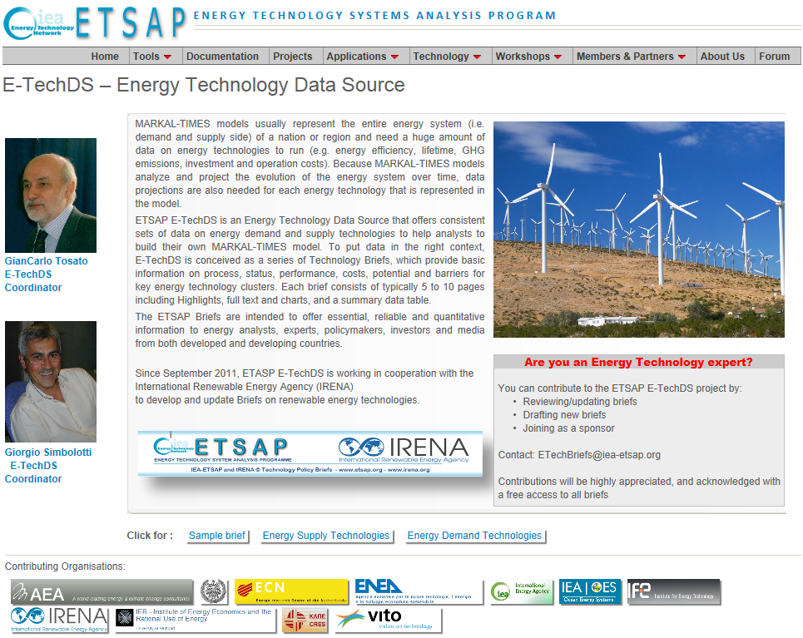
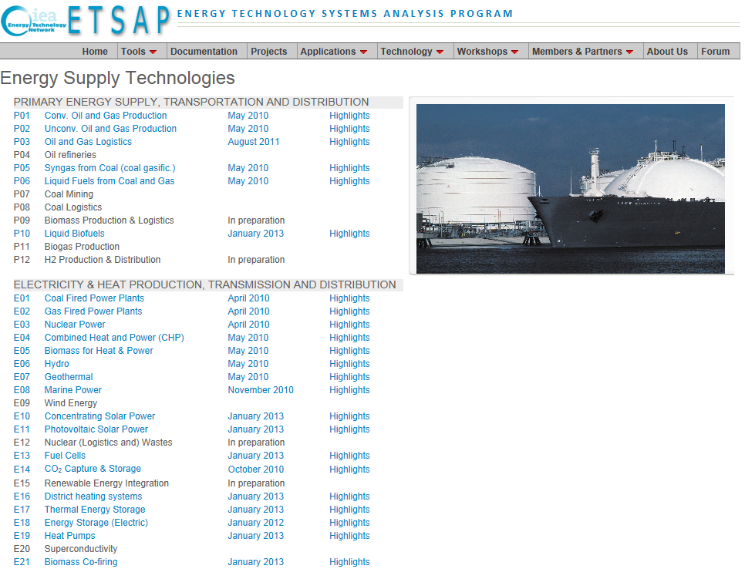
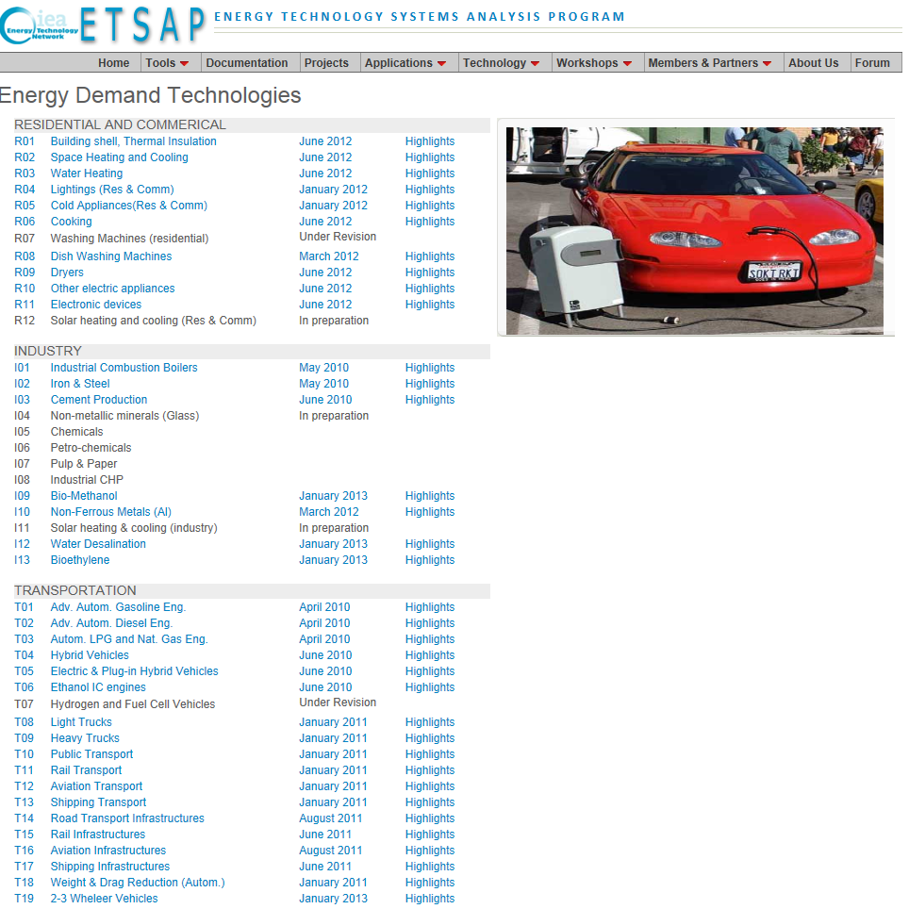
http://www.iea-etsap.org/Energy_Technologies/Energy_Technology.asp | http://www.iea-etsap.org/Energy_Technologies/Energy_Supply.asp | http://www.iea-etsap.org/Energy_Technologies/Energy_Demand.asp

