Bloomberg
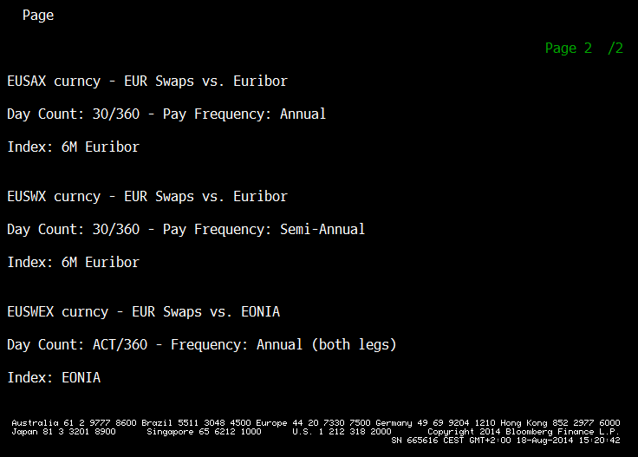
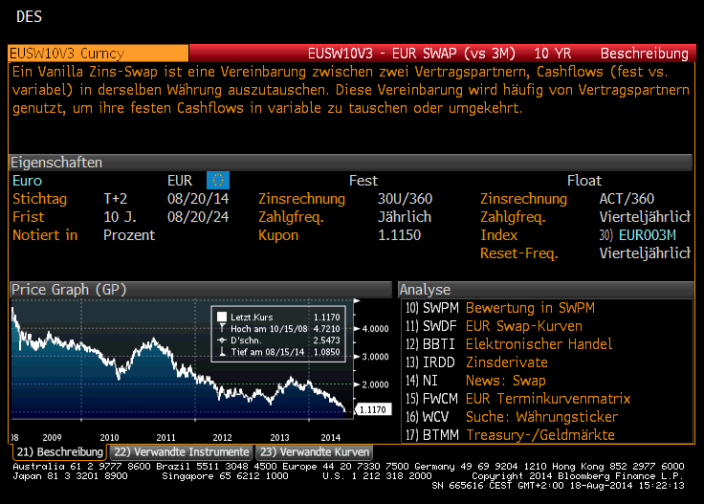

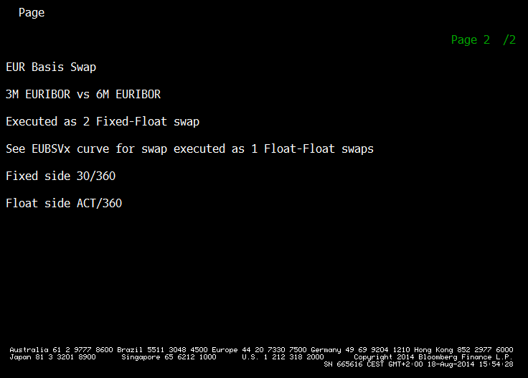
Date | 31-Jul-2014
Field | PX_LAST

Ticker (Core) | EUSWE |  |  | Ticker (Core) | EUSW |  |  | Ticker (Core) | EUSA |  |  | Ticker (Core) | EUBSVT |  |  |  | Ticker (Core) | EUBSV
Source | CBBT |  |  | Source | V3 CBBT |  |  | Source | CBBT |  |  | Source | CMPN |  |  |  | Source | CMPN
BB Market | Curncy |  |  | BB Market | Curncy |  |  | BB Market | Curncy |  |  | BB Market | Curncy |  |  |  | BB Market | Curncy

Term (Y) | Ticker | Quote | Value | Term (Y) | Ticker | Quote | Value | Term (Y) | Ticker | Quote | Value | Term (Y) | Ticker | Quote | Value | Check | Term (Y) | Ticker | Quote | Value | Check
1 | EUSWE1 CBBT Curncy | 0.0600 | 0.0600 | 1 | EUSW1V3 CBBT Curncy | 0.2040 | 0.2040 | 1 | EUSA1 CBBT Curncy | 0.3100 | 0.3100 | 1 | EUBSVT1 CMPN Curncy | 10.5500 | 10.5500 | 10.60 | 1 | EUBSV1 CMPN Curncy | 10.5000 | 10.5000 | 0.05
2 | EUSWE2 CBBT Curncy | 0.0710 | 0.0710 | 2 | EUSW2V3 CBBT Curncy | 0.2210 | 0.2210 | 2 | EUSA2 CBBT Curncy | 0.3360 | 0.3360 | 2 | EUBSVT2 CMPN Curncy | 11.5000 | 11.5000 | 11.50 | 2 | EUBSV2 CMPN Curncy | 11.2250 | 11.2250 | 0.28
3 | EUSWE3 CBBT Curncy | 0.1240 | 0.1240 | 3 | EUSW3V3 CBBT Curncy | 0.2850 | 0.2850 | 3 | EUSA3 CBBT Curncy | 0.4050 | 0.4050 | 3 | EUBSVT3 CMPN Curncy | 12.1000 | 12.1000 | 12.00 | 3 | EUBSV3 CMPN Curncy | 11.8750 | 11.8750 | 0.22
5 | EUSWE5 CBBT Curncy | 0.3370 | 0.3370 | 5 | EUSW5V3 CBBT Curncy | 0.5160 | 0.5160 | 5 | EUSA5 CBBT Curncy | 0.6440 | 0.6440 | 5 | EUBSVT5 CMPN Curncy | 12.8500 | 12.8500 | 12.80 | 5 | EUBSV5 CMPN Curncy | 12.6750 | 12.6750 | 0.17
7 | EUSWE7 CBBT Curncy | 0.6310 | 0.6310 | 7 | EUSW7V3 CBBT Curncy | 0.8180 | 0.8180 | 7 | EUSA7 CBBT Curncy | 0.9470 | 0.9470 | 7 | EUBSVT7 CMPN Curncy | 12.8500 | 12.8500 | 12.90 | 7 | EUBSV7 CMPN Curncy | 12.6250 | 12.6250 | 0.22
10 | EUSWE10 CBBT Curncy | 1.0490 | 1.0490 | 10 | EUSW10V3 CBBT Curncy | 1.2450 | 1.2450 | 10 | EUSA10 CBBT Curncy | 1.3660 | 1.3660 | 10 | EUBSVT10 CMPN Curncy | 12.2500 | 12.2500 | 12.10 | 10 | EUBSV10 CMPN Curncy | 12.0250 | 12.0250 | 0.22
15 | EUSWE15 CBBT Curncy | 1.5090 | 1.5090 | 15 | EUSW15V3 CBBT Curncy | 1.6940 | 1.6940 | 15 | EUSA15 CBBT Curncy | 1.7960 | 1.7960 | 15 | EUBSVT15 CMPN Curncy | 10.1000 | 10.1000 | 10.20 | 15 | EUBSV15 CMPN Curncy | 9.9000 | 9.9000 | 0.20
20 | EUSWE20 CBBT Curncy | 1.7240 | 1.7240 | 20 | EUSW20V3 CBBT Curncy | 1.8950 | 1.8950 | 20 | EUSA20 CBBT Curncy | 1.9800 | 1.9800 | 20 | EUBSVT20 CMPN Curncy | 8.4500 | 8.4500 | 8.50 | 20 | EUBSV20 CMPN Curncy | 8.2750 | 8.2750 | 0.17
25 | EUSWE25 CBBT Curncy | 1.8170 | 1.8170 | 25 | EUSW25V3 CBBT Curncy | 1.9730 | 1.9730 | 25 | EUSA25 CBBT Curncy | 2.0490 | 2.0490 | 25 | EUBSVT25 CMPN Curncy | 7.3500 | 7.3500 | 7.60 | 25 | EUBSV25 CMPN Curncy | 7.2500 | 7.2500 | 0.10
30 | EUSWE30 CBBT Curncy | 1.8530 | 1.8530 | 30 | EUSW30V3 CBBT Curncy | 2.0000 | 2.0000 | 30 | EUSA30 CBBT Curncy | 2.0660 | 2.0660 | 30 | EUBSVT30 CMPN Curncy | 6.6500 | 6.6500 | 6.60 | 30 | EUBSV30 CMPN Curncy | 6.5250 | 6.5250 | 0.13
40 | EUSWE40 CBBT Curncy | 1.9110 | 1.9110 | 40 | EUSW40V3 CBBT Curncy | 2.0460 | 2.0460 | 40 | EUSA40 CBBT Curncy | 2.1040 | 2.1040 | 40 | EUBSVT40 CMPN Curncy | 5.7000 | 5.7000 | 5.80 | 40 | EUBSV40 CMPN Curncy | #N/A N/A | #N/A N/A | #VALUE!
50 | EUSWE50 CBBT Curncy | 1.9310 | 1.9310 | 50 | EUSW50V3 CBBT Curncy | 2.0580 | 2.0580 | 50 | EUSA50 CBBT Curncy | 2.1110 | 2.1110 | 50 | EUBSVT50 CMPN Curncy | 5.1000 | 5.1000 | 5.30 | 50 | EUBSV50 CMPN Curncy | #N/A N/A | #N/A N/A | #VALUE!

Date | 31-Jul-2014
Field | PX_LAST

Ticker (Core) | USSO |  |  | Ticker (Core) | USSW |  |  | Ticker (Core) | USBC
Source | CMPN |  |  | Source | CMPN |  |  | Source | CMPN
BB Market | Curncy |  |  | BB Market | Curncy |  |  | BB Market | Curncy
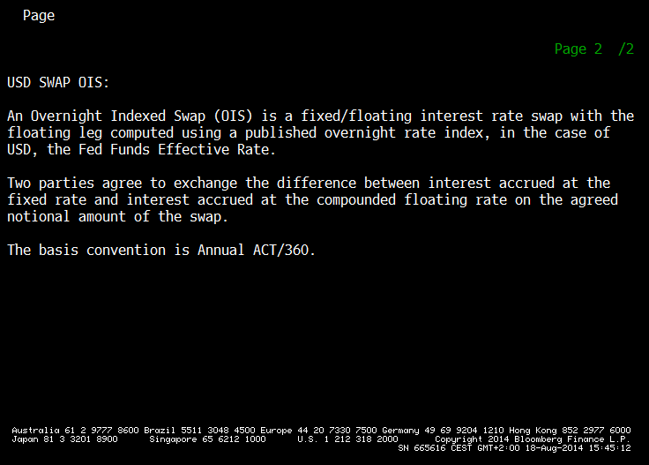
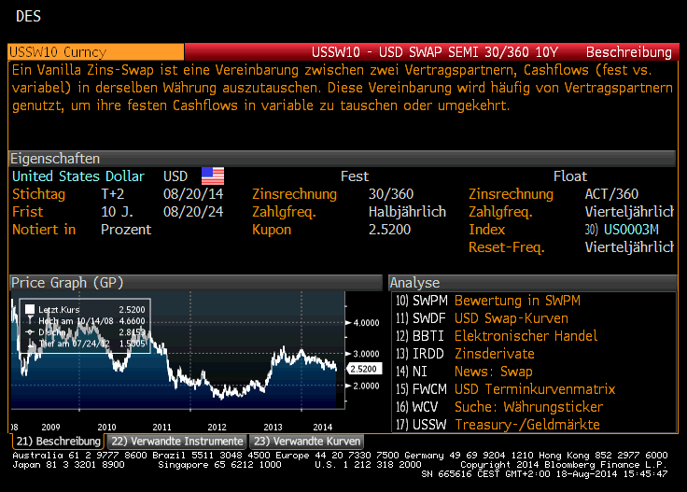
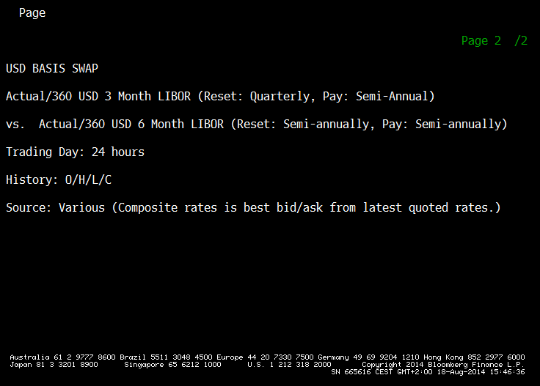
Term (Y) | Ticker | Quote | Value | Term (Y) | Ticker | Quote | Value | Term (Y) | Ticker | Quote | Value
1 | USSO1 CMPN Curncy | 0.1835 | 0.1835 | 1 | USSW1 CMPN Curncy | 0.3375 | 0.3375 | 1 | USBC1 CMPN Curncy | 8.5625 | 8.5625
2 | USSO2 CMPN Curncy | 0.5543 | 0.5543 | 2 | USSW2 CMPN Curncy | 0.7290 | 0.7290 | 2 | USBC2 CMPN Curncy | 8.8750 | 8.8750
3 | USSO3 CMPN Curncy | 1.0065 | 1.0065 | 3 | USSW3 CMPN Curncy | 1.1970 | 1.1970 | 3 | USBC3 CMPN Curncy | 8.8750 | 8.8750
5 | USSO5 CMPN Curncy | 1.6630 | 1.6630 | 5 | USSW5 CMPN Curncy | 1.8842 | 1.8842 | 5 | USBC5 CMPN Curncy | 9.0000 | 9.0000
7 | USSO7 CMPN Curncy | 2.0740 | 2.0740 | 7 | USSW7 CMPN Curncy | 2.3060 | 2.3060 | 7 | USBC7 CMPN Curncy | 9.0625 | 9.0625
10 | USSO10 CMPN Curncy | 2.4560 | 2.4560 | 10 | USSW10 CMPN Curncy | 2.6973 | 2.6973 | 10 | USBC10 CMPN Curncy | 9.1875 | 9.1875
15 | USSO15 CMPN Curncy | 2.7990 | 2.7990 | 15 | USSW15 CMPN Curncy | 3.0481 | 3.0481 | 15 | USBC15 CMPN Curncy | 9.4625 | 9.4625
20 | USSO20 CMPN Curncy | 2.9530 | 2.9530 | 20 | USSW20 CMPN Curncy | 3.2010 | 3.2010 | 20 | USBC20 CMPN Curncy | 9.1875 | 9.1875
25 | USSO25 CMPN Curncy | 3.0220 | 3.0220 | 25 | USSW25 CMPN Curncy | 3.2683 | 3.2683 | 25 | USBC25 CMPN Curncy | 9.1875 | 9.1875
30 | USSO30 CMPN Curncy | 3.0530 | 3.0530 | 30 | USSW30 CMPN Curncy | 3.2993 | 3.2993 | 30 | USBC30 CMPN Curncy | 9.3000 | 9.3000
40 | USSO40 CMPN Curncy | 3.0860 | 3.0860 | 40 | USSW40 CMPN Curncy | 3.3185 | 3.3185 | 40 | USBC40 CMPN Curncy | #N/A N/A | #N/A N/A
50 | USSO50 CMPN Curncy | #N/A N/A | #N/A N/A | 50 | USSW50 CMPN Curncy | 3.2978 | 3.2978 | 50 | USBC50 CMPN Curncy | #N/A N/A | #N/A N/A

Date | 31-Jul-2014
Field | PX_LAST

Ticker (Core) | EUBS
Source | CMPN
BB Market | Curncy

Term (Y) | Ticker | Quote | Value
1 | EUBS1 CMPN Curncy | -8.5000 | -8.5000
2 | EUBS2 CMPN Curncy | -8.5000 | -8.5000
3 | EUBS3 CMPN Curncy | -8.0000 | -8.0000
5 | EUBS5 CMPN Curncy | -6.7500 | -6.7500
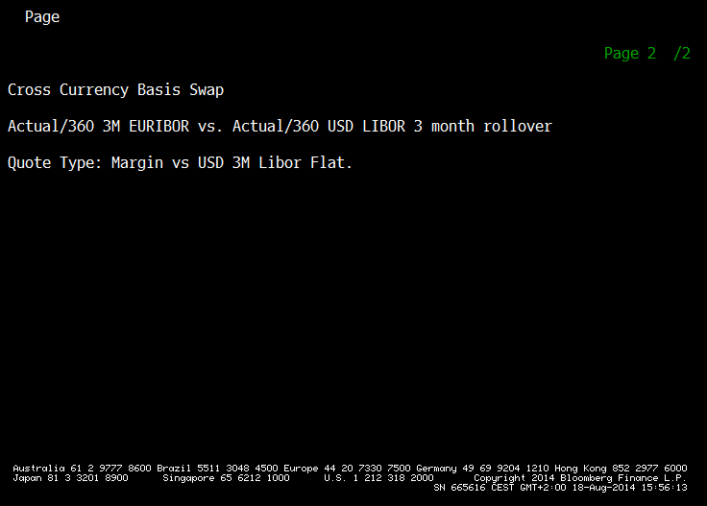
7 | EUBS7 CMPN Curncy | -5.7500 | -5.7500
10 | EUBS10 CMPN Curncy | -4.0000 | -4.0000
15 | EUBS15 CMPN Curncy | -2.5000 | -2.5000
20 | EUBS20 CMPN Curncy | -2.0000 | -2.0000
25 | EUBS25 CMPN Curncy | -1.7500 | -1.7500
30 | EUBS30 CMPN Curncy | -2.0000 | -2.0000
40 | EUBS40 CMPN Curncy | -2.2500 | -2.2500
50 | EUBS50 CMPN Curncy | -2.2500 | -2.2500

Curves
Clear Repository | =ohRepositoryDeleteAllObjects(TRUE)

 |  |  |  |  |  |  |  |  |  |  |  | 78
TRUE
Eval.Date | 2014-07-31

EUR OIS Curve

RateHelpers |  |  | BootstrapIndex | Eonia-Bootstrapindex#0002 |  |  |  |  |  |  |  |  |  |  |  |  | Yield Curve Stripping |  | Resulting Curve

Base | Period | Par | ObjectID | Shifted | Spot | Period | FixingDays |  |  |  | Eonia Index |  |  |  | Swaps | Error | YieldCurve | EONIA-Curve-Par#0002 | Dates | Values | Period | Zshift | ShZero | YieldCurve | EONIA-Curve-Zero#0002
Quote | Tenor | Shift |  | Quote | Days | Tenor |  |  |  |  |  |  |  |  |  |  | Error |  | 2014-07-31 | 0.061% | 0D | 0.0000 | 0.061% | Error
0.0600% | 1Y | 0.0000 |  | 0.0600% |  | 1Y | 2 |  |  |  | Eonia-Bootstrapindex#0002 |  |  |  | obj_01ba8#0002 |  | ObjectID | EONIA-Curve-Par | 2015-08-04 | 0.061% | 1Y | 0.0000 | 0.061% | ObjectID | EONIA-Curve-Zero
0.0710% | 2Y | 0.0000 |  | 0.0710% |  | 2Y | 2 |  |  |  | Eonia-Bootstrapindex#0002 |  |  |  | obj_01bb0#0002 |  | NDays (advance) | 0 | 2016-08-04 | 0.072% | 2Y | 0.0000 | 0.072% | Dates
0.1240% | 3Y | 0.0000 |  | 0.1240% |  | 3Y | 2 |  |  |  | Eonia-Bootstrapindex#0002 |  |  |  | obj_01ba7#0002 |  | Calendar | TARGET | 2017-08-04 | 0.125% | 3Y | 0.0000 | 0.125% | Yields
0.3370% | 5Y | 0.0000 |  | 0.3370% |  | 5Y | 2 |  |  |  | Eonia-Bootstrapindex#0002 |  |  |  | obj_01ba3#0002 |  | RateHelpers |  | 2019-08-05 | 0.342% | 5Y | 0.0000 | 0.342% | DCC | Actual/365 (Fixed)
0.6310% | 7Y | 0.0000 |  | 0.6310% |  | 7Y | 2 |  |  |  | Eonia-Bootstrapindex#0002 |  |  |  | obj_01ba1#0002 |  | DCC | Actual/365 (Fixed) | 2021-08-04 | 0.644% | 7Y | 0.0000 | 0.644% | Permanent
1.0490% | 10Y | 0.0000 |  | 1.0490% |  | 10Y | 2 |  |  |  | Eonia-Bootstrapindex#0002 |  |  |  | obj_01ba9#0002 |  | Jumps |  | 2024-08-05 | 1.082% | 10Y | 0.0000 | 1.082% | Trigger
1.5090% | 15Y | 0.0000 |  | 1.5090% |  | 15Y | 2 |  |  |  | Eonia-Bootstrapindex#0002 |  |  |  | obj_01b9a#0002 |  | JumpDates |  | 2029-08-06 | 1.583% | 15Y | 0.0000 | 1.583% | OverWrite
1.7240% | 20Y | 0.0000 |  | 1.7240% |  | 20Y | 2 |  |  |  | Eonia-Bootstrapindex#0002 |  |  |  | obj_01b9e#0002 |  | Accuracy |  | 2034-08-04 | 1.823% | 20Y | 0.0000 | 1.823%
1.8170% | 25Y | 0.0000 |  | 1.8170% |  | 25Y | 2 |  |  |  | Eonia-Bootstrapindex#0002 |  |  |  | obj_01ba4#0002 |  | Traits | ZeroYield | 2039-08-04 | 1.923% | 25Y | 0.0000 | 1.923%
1.8530% | 30Y | 0.0000 |  | 1.8530% |  | 30Y | 2 |  |  |  | Eonia-Bootstrapindex#0002 |  |  |  | obj_01baf#0002 |  | Interpolator | Linear | 2044-08-04 | 1.956% | 30Y | 0.0000 | 1.956%
1.9110% | 40Y | 0.0000 |  | 1.9110% |  | 40Y | 2 |  |  |  | Eonia-Bootstrapindex#0002 |  |  |  | obj_01b9b#0002 |  | Permanent |  | 2054-08-04 | 2.016% | 40Y | 0.0000 | 2.016%
1.9310% | 50Y | 0.0000 |  | 1.9310% |  | 50Y | 2 |  |  |  | Eonia-Bootstrapindex#0002 |  |  |  | obj_01bac#0002 |  | Trigger |  | 2064-08-04 | 2.029% | 50Y | 0.0000 | 2.029%
 |  |  |  |  |  |  |  |  |  |  |  |  |  |  |  |  | OverWrite

EUR 3M Curve

RateHelpers |  |  | BootstrapIndex | 3M-Euribor-BootstrapIndex#0002 |  |  |  |  |  |  |  |  |  |  |  |  | Yield Curve Stripping |  | Resulting Curve

Base | Period | Par | ObjectID | Quote | Spot | Period | Calendar | Fixed Feq. | Fixed Convention | Fixed DCC | IBOR Index | Spread | FW Start | DiscountCurve | Swaps | Error | YieldCurve | 3M-EUR-Swap-Curve-Par#0001 | Dates | Values | Period | Zshift | ShZero | YieldCurve | 3M-EUR-Swap-Curve-Zero#0001
Quote | Tenor | Shift |  |  | Days |  |  |  |  |  |  |  |  |  |  |  | Error |  | 2014-07-31 | 0.204% | 0D | 0.0000 | 0.204% | Error
0.2040% | 1Y | 0.0000 |  | 0.2040% | 2 | 1Y | Target | Annual | Unadjusted | 30/360 (Bond Basis) | 3M-Euribor-BootstrapIndex#0002 | 0 | 0D | EONIA-Curve-Par#0002 | obj_01bb6#0002 |  | ObjectID | 3M-EUR-Swap-Curve-Par | 2015-08-04 | 0.204% | 1Y | 0.0000 | 0.204% | ObjectID | 3M-EUR-Swap-Curve-Zero
0.2210% | 2Y | 0.0000 |  | 0.2210% | 2 | 2Y | Target | Annual | Unadjusted | 30/360 (Bond Basis) | 3M-Euribor-BootstrapIndex#0002 | 0 | 0D | EONIA-Curve-Par#0002 | obj_01bc0#0001 |  | NDays (advance) | 0 | 2016-08-04 | 0.220% | 2Y | 0.0000 | 0.220% | Dates
0.2850% | 3Y | 0.0000 |  | 0.2850% | 2 | 3Y | Target | Annual | Unadjusted | 30/360 (Bond Basis) | 3M-Euribor-BootstrapIndex#0002 | 0 | 0D | EONIA-Curve-Par#0002 | obj_01bbe#0001 |  | Calendar | TARGET | 2017-08-04 | 0.284% | 3Y | 0.0000 | 0.284% | Yields
0.5160% | 5Y | 0.0000 |  | 0.5160% | 2 | 5Y | Target | Annual | Unadjusted | 30/360 (Bond Basis) | 3M-Euribor-BootstrapIndex#0002 | 0 | 0D | EONIA-Curve-Par#0002 | obj_01bbd#0001 |  | RateHelpers |  | 2019-08-05 | 0.515% | 5Y | 0.0000 | 0.515% | DCC | Actual/365 (Fixed)
0.8180% | 7Y | 0.0000 |  | 0.8180% | 2 | 7Y | Target | Annual | Unadjusted | 30/360 (Bond Basis) | 3M-Euribor-BootstrapIndex#0002 | 0 | 0D | EONIA-Curve-Par#0002 | obj_01bc9#0001 |  | DCC | Actual/365 (Fixed) | 2021-08-04 | 0.820% | 7Y | 0.0000 | 0.820% | Permanent
1.2450% | 10Y | 0.0000 |  | 1.2450% | 2 | 10Y | Target | Annual | Unadjusted | 30/360 (Bond Basis) | 3M-Euribor-BootstrapIndex#0002 | 0 | 0D | EONIA-Curve-Par#0002 | obj_01bc6#0001 |  | Jumps |  | 2024-08-05 | 1.261% | 10Y | 0.0000 | 1.261% | Trigger
1.6940% | 15Y | 0.0000 |  | 1.6940% | 2 | 15Y | Target | Annual | Unadjusted | 30/360 (Bond Basis) | 3M-Euribor-BootstrapIndex#0002 | 0 | 0D | EONIA-Curve-Par#0002 | obj_01bba#0001 |  | JumpDates |  | 2029-08-06 | 1.742% | 15Y | 0.0000 | 1.742% | OverWrite
1.8950% | 20Y | 0.0000 |  | 1.8950% | 2 | 20Y | Target | Annual | Unadjusted | 30/360 (Bond Basis) | 3M-Euribor-BootstrapIndex#0002 | 0 | 0D | EONIA-Curve-Par#0002 | obj_01bbc#0001 |  | Accuracy |  | 2034-08-04 | 1.962% | 20Y | 0.0000 | 1.962%
1.9730% | 25Y | 0.0000 |  | 1.9730% | 2 | 25Y | Target | Annual | Unadjusted | 30/360 (Bond Basis) | 3M-Euribor-BootstrapIndex#0002 | 0 | 0D | EONIA-Curve-Par#0002 | obj_01bca#0001 |  | Traits | ZeroYield | 2039-08-04 | 2.043% | 25Y | 0.0000 | 2.043%
2.0000% | 30Y | 0.0000 |  | 2.0000% | 2 | 30Y | Target | Annual | Unadjusted | 30/360 (Bond Basis) | 3M-Euribor-BootstrapIndex#0002 | 0 | 0D | EONIA-Curve-Par#0002 | obj_01bb8#0001 |  | Interpolator | Linear | 2044-08-04 | 2.064% | 30Y | 0.0000 | 2.064%
2.0460% | 40Y | 0.0000 |  | 2.0460% | 2 | 40Y | Target | Annual | Unadjusted | 30/360 (Bond Basis) | 3M-Euribor-BootstrapIndex#0002 | 0 | 0D | EONIA-Curve-Par#0002 | obj_01bc2#0001 |  | Permanent |  | 2054-08-04 | 2.108% | 40Y | 0.0000 | 2.108%
2.0580% | 50Y | 0.0000 |  | 2.0580% | 2 | 50Y | Target | Annual | Unadjusted | 30/360 (Bond Basis) | 3M-Euribor-BootstrapIndex#0002 | 0 | 0D | EONIA-Curve-Par#0002 | obj_01bb9#0001 |  | Trigger |  | 2064-08-04 | 2.110% | 50Y | 0.0000 | 2.110%
 |  |  |  |  |  |  |  |  |  |  |  |  |  |  |  |  | OverWrite

EUR 6M Curve

RateHelpers |  |  | BootstrapIndex | 6M-Euribor-BootstrapIndex#0002 |  |  |  |  |  |  |  |  |  |  |  |  | Yield Curve Stripping |  | Resulting Curve

Base | Period | Par | ObjectID | Quote | Spot | Period | Calendar | Fixed Feq. | Fixed Convention | Fixed DCC | IBOR Index | Spread | FW Start | DiscountCurve | Swaps | Error | YieldCurve | 6M-EUR-Swap-Curve-Par#0001 | Dates | Values | Period | Zshift | ShZero | YieldCurve | 6M-EUR-Swap-Curve-Zero#0001
Quote | Tenor | Shift |  |  | Days |  |  |  |  |  |  |  |  |  |  |  | Error |  | 2014-07-31 | 0.310% | 0D | 0.0000 | 0.310% | Error
0.3100% | 1Y | 0.0000 |  | 0.3100% | 2 | 1Y | Target | Annual | Unadjusted | 30/360 (Bond Basis) | 6M-Euribor-BootstrapIndex#0002 | 0 | 0D | EONIA-Curve-Par#0002 | obj_01bc4#0001 |  | ObjectID | 6M-EUR-Swap-Curve-Par | 2015-08-04 | 0.310% | 1Y | 0.0000 | 0.310% | ObjectID | 6M-EUR-Swap-Curve-Zero
0.3360% | 2Y | 0.0000 |  | 0.3360% | 2 | 2Y | Target | Annual | Unadjusted | 30/360 (Bond Basis) | 6M-Euribor-BootstrapIndex#0002 | 0 | 0D | EONIA-Curve-Par#0002 | obj_01bcd#0001 |  | NDays (advance) | 0 | 2016-08-04 | 0.335% | 2Y | 0.0000 | 0.335% | Dates
0.4050% | 3Y | 0.0000 |  | 0.4050% | 2 | 3Y | Target | Annual | Unadjusted | 30/360 (Bond Basis) | 6M-Euribor-BootstrapIndex#0002 | 0 | 0D | EONIA-Curve-Par#0002 | obj_01bb7#0001 |  | Calendar | TARGET | 2017-08-04 | 0.404% | 3Y | 0.0000 | 0.404% | Yields
0.6440% | 5Y | 0.0000 |  | 0.6440% | 2 | 5Y | Target | Annual | Unadjusted | 30/360 (Bond Basis) | 6M-Euribor-BootstrapIndex#0002 | 0 | 0D | EONIA-Curve-Par#0002 | obj_01bcc#0001 |  | RateHelpers |  | 2019-08-05 | 0.642% | 5Y | 0.0000 | 0.642% | DCC | Actual/365 (Fixed)
0.9470% | 7Y | 0.0000 |  | 0.9470% | 2 | 7Y | Target | Annual | Unadjusted | 30/360 (Bond Basis) | 6M-Euribor-BootstrapIndex#0002 | 0 | 0D | EONIA-Curve-Par#0002 | obj_01bc3#0001 |  | DCC | Actual/365 (Fixed) | 2021-08-04 | 0.948% | 7Y | 0.0000 | 0.948% | Permanent
1.3660% | 10Y | 0.0000 |  | 1.3660% | 2 | 10Y | Target | Annual | Unadjusted | 30/360 (Bond Basis) | 6M-Euribor-BootstrapIndex#0002 | 0 | 0D | EONIA-Curve-Par#0002 | obj_01bc7#0001 |  | Jumps |  | 2024-08-05 | 1.380% | 10Y | 0.0000 | 1.380% | Trigger
1.7960% | 15Y | 0.0000 |  | 1.7960% | 2 | 15Y | Target | Annual | Unadjusted | 30/360 (Bond Basis) | 6M-Euribor-BootstrapIndex#0002 | 0 | 0D | EONIA-Curve-Par#0002 | obj_01bbb#0001 |  | JumpDates |  | 2029-08-06 | 1.840% | 15Y | 0.0000 | 1.840% | OverWrite
1.9800% | 20Y | 0.0000 |  | 1.9800% | 2 | 20Y | Target | Annual | Unadjusted | 30/360 (Bond Basis) | 6M-Euribor-BootstrapIndex#0002 | 0 | 0D | EONIA-Curve-Par#0002 | obj_01bc5#0001 |  | Accuracy |  | 2034-08-04 | 2.041% | 20Y | 0.0000 | 2.041%
2.0490% | 25Y | 0.0000 |  | 2.0490% | 2 | 25Y | Target | Annual | Unadjusted | 30/360 (Bond Basis) | 6M-Euribor-BootstrapIndex#0002 | 0 | 0D | EONIA-Curve-Par#0002 | obj_01bc1#0001 |  | Traits | ZeroYield | 2039-08-04 | 2.111% | 25Y | 0.0000 | 2.111%
2.0660% | 30Y | 0.0000 |  | 2.0660% | 2 | 30Y | Target | Annual | Unadjusted | 30/360 (Bond Basis) | 6M-Euribor-BootstrapIndex#0002 | 0 | 0D | EONIA-Curve-Par#0002 | obj_01bbf#0001 |  | Interpolator | Linear | 2044-08-04 | 2.120% | 30Y | 0.0000 | 2.120%
2.1040% | 40Y | 0.0000 |  | 2.1040% | 2 | 40Y | Target | Annual | Unadjusted | 30/360 (Bond Basis) | 6M-Euribor-BootstrapIndex#0002 | 0 | 0D | EONIA-Curve-Par#0002 | obj_01bc8#0001 |  | Permanent |  | 2054-08-04 | 2.155% | 40Y | 0.0000 | 2.155%
2.1110% | 50Y | 0.0000 |  | 2.1110% | 2 | 50Y | Target | Annual | Unadjusted | 30/360 (Bond Basis) | 6M-Euribor-BootstrapIndex#0002 | 0 | 0D | EONIA-Curve-Par#0002 | obj_01bcb#0001 |  | Trigger |  | 2064-08-04 | 2.151% | 50Y | 0.0000 | 2.151%
 |  |  |  |  |  |  |  |  |  |  |  |  |  |  |  |  | OverWrite

EUR 3M Curve (from Tenor Basis)

RateHelpers |  |  | 6M Index | 6M-Euribor-ForwardIndex#0001 |  |  |  |  |  | TRUE |  |  |  |  |  |  | Yield Curve Stripping |  | Resulting Curve

Base | Period | Par | ObjectID | Quote |  | Period | FW Start | Calendar | Convention | SpreadOnRecLeg | Pay Index | Rec Index |  | DiscountCurve | Swaps | Error | YieldCurve | 3M-EUR-TenorBasis-Curve-Par#0001 | Dates | Values | Period | Zshift | ShZero | YieldCurve | 3M-EUR-TenorBasis-Curve-Zero#0001
Quote | Tenor | Shift |  |  |  | Tenor |  |  |  |  |  |  |  |  |  |  | Error |  | 2014-07-31 | 0.203% | 0D | 0.0000 | 0.203% | Error
0.1050% | 1Y | 0.0000 |  | 0.1050% |  | 1Y | 0D | Target | Following | TRUE | 6M-Euribor-ForwardIndex#0001 | 3M-Euribor-BootstrapIndex#0002 |  | EONIA-Curve-Par#0002 | obj_01bde#0001 |  | ObjectID | 3M-EUR-TenorBasis-Curve-Par | 2015-08-04 | 0.203% | 1Y | 0.0000 | 0.203% | ObjectID | 3M-EUR-TenorBasis-Curve-Zero
0.1123% | 2Y | 0.0000 |  | 0.1123% |  | 2Y | 0D | Target | Following | TRUE | 6M-Euribor-ForwardIndex#0001 | 3M-Euribor-BootstrapIndex#0002 |  | EONIA-Curve-Par#0002 | obj_01bd9#0011 |  | NDays (advance) | 0 | 2016-08-04 | 0.221% | 2Y | 0.0000 | 0.221% | Dates
0.1188% | 3Y | 0.0000 |  | 0.1188% |  | 3Y | 0D | Target | Following | TRUE | 6M-Euribor-ForwardIndex#0001 | 3M-Euribor-BootstrapIndex#0002 |  | EONIA-Curve-Par#0002 | obj_01bda#0001 |  | Calendar | TARGET | 2017-08-04 | 0.284% | 3Y | 0.0000 | 0.284% | Yields
0.1268% | 5Y | 0.0000 |  | 0.1268% |  | 5Y | 0D | Target | Following | TRUE | 6M-Euribor-ForwardIndex#0001 | 3M-Euribor-BootstrapIndex#0002 |  | EONIA-Curve-Par#0002 | obj_01bdb#0001 |  | RateHelpers |  | 2019-08-05 | 0.514% | 5Y | 0.0000 | 0.514% | DCC | Actual/365 (Fixed)
0.1263% | 7Y | 0.0000 |  | 0.1263% |  | 7Y | 0D | Target | Following | TRUE | 6M-Euribor-ForwardIndex#0001 | 3M-Euribor-BootstrapIndex#0002 |  | EONIA-Curve-Par#0002 | obj_01bdc#0001 |  | DCC | Actual/365 (Fixed) | 2021-08-04 | 0.821% | 7Y | 0.0000 | 0.821% | Permanent
0.1203% | 10Y | 0.0000 |  | 0.1203% |  | 10Y | 0D | Target | Following | TRUE | 6M-Euribor-ForwardIndex#0001 | 3M-Euribor-BootstrapIndex#0002 |  | EONIA-Curve-Par#0002 | obj_01bd4#0001 |  | Jumps |  | 2024-08-05 | 1.259% | 10Y | 0.0000 | 1.259% | Trigger
0.0990% | 15Y | 0.0000 |  | 0.0990% |  | 15Y | 0D | Target | Following | TRUE | 6M-Euribor-ForwardIndex#0001 | 3M-Euribor-BootstrapIndex#0002 |  | EONIA-Curve-Par#0002 | obj_01bd3#0001 |  | JumpDates |  | 2029-08-06 | 1.743% | 15Y | 0.0000 | 1.743% | OverWrite
0.0828% | 20Y | 0.0000 |  | 0.0828% |  | 20Y | 0D | Target | Following | TRUE | 6M-Euribor-ForwardIndex#0001 | 3M-Euribor-BootstrapIndex#0002 |  | EONIA-Curve-Par#0002 | obj_01bd2#0001 |  | Accuracy |  | 2034-08-04 | 1.963% | 20Y | 0.0000 | 1.963%
0.0725% | 25Y | 0.0000 |  | 0.0725% |  | 25Y | 0D | Target | Following | TRUE | 6M-Euribor-ForwardIndex#0001 | 3M-Euribor-BootstrapIndex#0002 |  | EONIA-Curve-Par#0002 | obj_01bd7#0001 |  | Traits | ZeroYield | 2039-08-04 | 2.045% | 25Y | 0.0000 | 2.045%
0.0653% | 30Y | 0.0000 |  | 0.0653% |  | 30Y | 0D | Target | Following | TRUE | 6M-Euribor-ForwardIndex#0001 | 3M-Euribor-BootstrapIndex#0002 |  | EONIA-Curve-Par#0002 | obj_01bd8#0001 |  | Interpolator | Linear | 2044-08-04 | 2.063% | 30Y | 0.0000 | 2.063%
0.0568% | 40Y | 0.0000 |  | 0.0568% |  | 40Y | 0D | Target | Following | TRUE | 6M-Euribor-ForwardIndex#0001 | 3M-Euribor-BootstrapIndex#0002 |  | EONIA-Curve-Par#0002 | obj_01bd6#0001 |  | Permanent |  | 2054-08-04 | 2.108% | 40Y | 0.0000 | 2.108%
0.0518% | 50Y | 0.0000 |  | 0.0518% |  | 50Y | 0D | Target | Following | TRUE | 6M-Euribor-ForwardIndex#0001 | 3M-Euribor-BootstrapIndex#0002 |  | EONIA-Curve-Par#0002 | obj_01bdf#0001 |  | Trigger |  | 2064-08-04 | 2.111% | 50Y | 0.0000 | 2.111%
 |  |  |  |  |  |  |  |  |  |  |  |  |  |  |  |  | OverWrite

USD OIS Curve

RateHelpers |  |  | BootstrapIndex | USD-OIS-BootstrapIndex#0002 |  |  |  |  |  |  |  |  |  |  |  |  | Yield Curve Stripping |  | Resulting Curve

Base | Period | Par | ObjectID | Shifted |  | Period | FixingDays |  |  |  | OIS Index |  |  |  | Swaps | Error | YieldCurve | OIS-Curve-Par#0002 | Dates | Values | Period | Zshift | ShZero | YieldCurve | OIS-Curve-Zero#0002
Quote | Tenor | Shift |  | Quote |  | Tenor |  |  |  |  |  |  |  |  |  |  | Error |  | 2014-07-31 | 0.186% | 0D | 0.0000 | 0.186% | Error
0.1835% | 1Y | 0.0000 |  | 0.1835% |  | 1Y | 2 |  |  |  | USD-OIS-BootstrapIndex#0002 |  |  |  | obj_01ba6#0002 |  | ObjectID | OIS-Curve-Par | 2015-08-04 | 0.186% | 1Y | 0.0000 | 0.186% | ObjectID | OIS-Curve-Zero
0.5543% | 2Y | 0.0000 |  | 0.5543% |  | 2Y | 2 |  |  |  | USD-OIS-BootstrapIndex#0002 |  |  |  | obj_01bad#0002 |  | NDays (advance) | 0 | 2016-08-04 | 0.559% | 2Y | 0.0000 | 0.559% | Dates
1.0065% | 3Y | 0.0000 |  | 1.0065% |  | 3Y | 2 |  |  |  | USD-OIS-BootstrapIndex#0002 |  |  |  | obj_01bae#0002 |  | Calendar | TARGET | 2017-08-04 | 1.018% | 3Y | 0.0000 | 1.018% | Yields
1.6630% | 5Y | 0.0000 |  | 1.6630% |  | 5Y | 2 |  |  |  | USD-OIS-BootstrapIndex#0002 |  |  |  | obj_01ba2#0002 |  | RateHelpers |  | 2019-08-05 | 1.693% | 5Y | 0.0000 | 1.693% | DCC | Actual/365 (Fixed)
2.0740% | 7Y | 0.0000 |  | 2.0740% |  | 7Y | 2 |  |  |  | USD-OIS-BootstrapIndex#0002 |  |  |  | obj_01baa#0002 |  | DCC | Actual/365 (Fixed) | 2021-08-04 | 2.123% | 7Y | 0.0000 | 2.123% | Permanent
2.4560% | 10Y | 0.0000 |  | 2.4560% |  | 10Y | 2 |  |  |  | USD-OIS-BootstrapIndex#0002 |  |  |  | obj_01b9c#0002 |  | Jumps |  | 2024-08-05 | 2.532% | 10Y | 0.0000 | 2.532% | Trigger
2.7990% | 15Y | 0.0000 |  | 2.7990% |  | 15Y | 2 |  |  |  | USD-OIS-BootstrapIndex#0002 |  |  |  | obj_01ba0#0002 |  | JumpDates |  | 2029-08-06 | 2.914% | 15Y | 0.0000 | 2.914% | OverWrite
2.9530% | 20Y | 0.0000 |  | 2.9530% |  | 20Y | 2 |  |  |  | USD-OIS-BootstrapIndex#0002 |  |  |  | obj_01bb1#0002 |  | Accuracy |  | 2034-08-04 | 3.086% | 20Y | 0.0000 | 3.086%
3.0220% | 25Y | 0.0000 |  | 3.0220% |  | 25Y | 2 |  |  |  | USD-OIS-BootstrapIndex#0002 |  |  |  | obj_01b9f#0002 |  | Traits | ZeroYield | 2039-08-04 | 3.159% | 25Y | 0.0000 | 3.159%
3.0530% | 30Y | 0.0000 |  | 3.0530% |  | 30Y | 2 |  |  |  | USD-OIS-BootstrapIndex#0002 |  |  |  | obj_01bab#0002 |  | Interpolator | Linear | 2044-08-04 | 3.184% | 30Y | 0.0000 | 3.184%
3.0860% | 40Y | 0.0000 |  | 3.0860% |  | 40Y | 2 |  |  |  | USD-OIS-BootstrapIndex#0002 |  |  |  | obj_01b9d#0002 |  | Permanent |  | 2054-08-04 | 3.209% | 40Y | 0.0000 | 3.209%
3.0860% | 50Y | 0.0000 |  | 3.0860% |  | 50Y | 2 |  |  |  | USD-OIS-BootstrapIndex#0002 |  |  |  | obj_01ba5#0002 |  | Trigger |  | 2064-08-04 | 3.183% | 50Y | 0.0000 | 3.183%
 |  |  |  |  |  |  |  |  |  |  |  |  |  |  |  |  | OverWrite

USD 3M Curve

RateHelpers |  |  | BootstrapIndex | 3M-USDLibor-BootstrapIndex#0002 |  |  |  |  |  |  |  |  |  |  |  |  | Yield Curve Stripping |  | Resulting Curve

Base | Period | Par | ObjectID | Quote | Spot | Period | Calendar | Fixed Feq. | Fixed Convention | Fixed DCC | IBOR Index | Spread | FW Start | DiscountCurve | Swaps | Error | YieldCurve | 3M-USD-Swap-Curve-Par#0000 | Dates | Values | Period | Zshift | ShZero | YieldCurve | 3M-USD-Swap-Curve-Zero#0000
Quote | Tenor | Shift |  |  | Days |  |  |  |  |  |  |  |  |  |  |  | Error |  | 2014-07-31 | 0.337% | 0D | 0.0000 | 0.337% | Error
0.3375% | 1Y | 0.0000 |  | 0.3375% | 2 | 1Y | London stock exchange | Semiannual | Unadjusted | 30/360 (Bond Basis) | 3M-USDLibor-BootstrapIndex#0002 | 0 | 0D | OIS-Curve-Par#0002 | obj_01be2#0000 |  | ObjectID | 3M-USD-Swap-Curve-Par | 2015-08-04 | 0.337% | 1Y | 0.0000 | 0.337% | ObjectID | 3M-USD-Swap-Curve-Zero
0.7290% | 2Y | 0.0000 |  | 0.7290% | 2 | 2Y | London stock exchange | Semiannual | Unadjusted | 30/360 (Bond Basis) | 3M-USDLibor-BootstrapIndex#0002 | 0 | 0D | OIS-Curve-Par#0002 | obj_01be7#0000 |  | NDays (advance) | 0 | 2016-08-04 | 0.726% | 2Y | 0.0000 | 0.726% | Dates
1.1970% | 3Y | 0.0000 |  | 1.1970% | 2 | 3Y | London stock exchange | Semiannual | Unadjusted | 30/360 (Bond Basis) | 3M-USDLibor-BootstrapIndex#0002 | 0 | 0D | OIS-Curve-Par#0002 | obj_01be8#0000 |  | Calendar | TARGET | 2017-08-04 | 1.196% | 3Y | 0.0000 | 1.196% | Yields
1.8842% | 5Y | 0.0000 |  | 1.8842% | 2 | 5Y | London stock exchange | Semiannual | Unadjusted | 30/360 (Bond Basis) | 3M-USDLibor-BootstrapIndex#0002 | 0 | 0D | OIS-Curve-Par#0002 | obj_01bed#0000 |  | RateHelpers |  | 2019-08-05 | 1.896% | 5Y | 0.0000 | 1.896% | DCC | Actual/365 (Fixed)
2.3060% | 7Y | 0.0000 |  | 2.3060% | 2 | 7Y | London stock exchange | Semiannual | Unadjusted | 30/360 (Bond Basis) | 3M-USDLibor-BootstrapIndex#0002 | 0 | 0D | OIS-Curve-Par#0002 | obj_01be4#0000 |  | DCC | Actual/365 (Fixed) | 2021-08-04 | 2.335% | 7Y | 0.0000 | 2.335% | Permanent
2.6973% | 10Y | 0.0000 |  | 2.6973% | 2 | 10Y | London stock exchange | Semiannual | Unadjusted | 30/360 (Bond Basis) | 3M-USDLibor-BootstrapIndex#0002 | 0 | 0D | OIS-Curve-Par#0002 | obj_01be5#0000 |  | Jumps |  | 2024-08-05 | 2.752% | 10Y | 0.0000 | 2.752% | Trigger
3.0481% | 15Y | 0.0000 |  | 3.0481% | 2 | 15Y | London stock exchange | Semiannual | Unadjusted | 30/360 (Bond Basis) | 3M-USDLibor-BootstrapIndex#0002 | 0 | 0D | OIS-Curve-Par#0002 | obj_01be3#0000 |  | JumpDates |  | 2029-08-06 | 3.141% | 15Y | 0.0000 | 3.141% | OverWrite
3.2010% | 20Y | 0.0000 |  | 3.2010% | 2 | 20Y | London stock exchange | Semiannual | Unadjusted | 30/360 (Bond Basis) | 3M-USDLibor-BootstrapIndex#0002 | 0 | 0D | OIS-Curve-Par#0002 | obj_01be9#0000 |  | Accuracy |  | 2034-08-04 | 3.313% | 20Y | 0.0000 | 3.313%
3.2683% | 25Y | 0.0000 |  | 3.2683% | 2 | 25Y | London stock exchange | Semiannual | Unadjusted | 30/360 (Bond Basis) | 3M-USDLibor-BootstrapIndex#0002 | 0 | 0D | OIS-Curve-Par#0002 | obj_01bea#0000 |  | Traits | ZeroYield | 2039-08-04 | 3.382% | 25Y | 0.0000 | 3.382%
3.2993% | 30Y | 0.0000 |  | 3.2993% | 2 | 30Y | London stock exchange | Semiannual | Unadjusted | 30/360 (Bond Basis) | 3M-USDLibor-BootstrapIndex#0002 | 0 | 0D | OIS-Curve-Par#0002 | obj_01bec#0000 |  | Interpolator | Linear | 2044-08-04 | 3.407% | 30Y | 0.0000 | 3.407%
3.3185% | 40Y | 0.0000 |  | 3.3185% | 2 | 40Y | London stock exchange | Semiannual | Unadjusted | 30/360 (Bond Basis) | 3M-USDLibor-BootstrapIndex#0002 | 0 | 0D | OIS-Curve-Par#0002 | obj_01beb#0000 |  | Permanent |  | 2054-08-04 | 3.407% | 40Y | 0.0000 | 3.407%
3.2978% | 50Y | 0.0000 |  | 3.2978% | 2 | 50Y | London stock exchange | Semiannual | Unadjusted | 30/360 (Bond Basis) | 3M-USDLibor-BootstrapIndex#0002 | 0 | 0D | OIS-Curve-Par#0002 | obj_01be6#0000 |  | Trigger |  | 2064-08-04 | 3.338% | 50Y | 0.0000 | 3.338%
 |  |  |  |  |  |  |  |  |  |  |  |  |  |  |  |  | OverWrite

USD 6M Curve (from Tenor Basis)

RateHelpers |  |  | 6M Index | 6M-USDLibor-BootstrapIndex#0002 |  |  | 3M Index | 3M-USDLibor-CurveIndex#0000 |  |  |  |  |  |  |  |  | Yield Curve Stripping |  | Resulting Curve

Base | Period | Par | ObjectID | Quote | Period | Period | FW Start | Calendar | Convention | SpreadOnRecLeg | Pay Index | Rec Index |  | DiscountCurve | Swaps | Error | YieldCurve | 6M-USD-TenorBasis-Curve-Par#0000 | Dates | Values | Period | Zshift | ShZero | YieldCurve | 6M-USD-TenorBasis-Curve-Zero#0000
Quote | Tenor | Shift |  |  | Tenor | Tenor |  |  |  |  |  |  |  |  |  |  | Error |  | 2014-07-31 | 0.424% | 0D | 0.0000 | 0.424% | Error
0.0856% | 1Y | 0.0000 |  | 0.0856% | 1Y | 1Y | 0D | London stock exchange | Following | TRUE | 6M-USDLibor-BootstrapIndex#0002 | 3M-USDLibor-CurveIndex#0000 |  | OIS-Curve-Par#0002 | obj_01bfa#0000 |  | ObjectID | 6M-USD-TenorBasis-Curve-Par | 2015-08-04 | 0.424% | 1Y | 0.0000 | 0.424% | ObjectID | 6M-USD-TenorBasis-Curve-Zero
0.0887% | 2Y | 0.0000 |  | 0.0887% | 2Y | 2Y | 0D | London stock exchange | Following | TRUE | 6M-USDLibor-BootstrapIndex#0002 | 3M-USDLibor-CurveIndex#0000 |  | OIS-Curve-Par#0002 | obj_01bf5#0000 |  | NDays (advance) | 0 | 2016-08-04 | 0.815% | 2Y | 0.0000 | 0.815% | Dates
0.0887% | 3Y | 0.0000 |  | 0.0887% | 3Y | 3Y | 0D | London stock exchange | Following | TRUE | 6M-USDLibor-BootstrapIndex#0002 | 3M-USDLibor-CurveIndex#0000 |  | OIS-Curve-Par#0002 | obj_01bf2#0000 |  | Calendar | TARGET | 2017-08-04 | 1.285% | 3Y | 0.0000 | 1.285% | Yields
0.0900% | 5Y | 0.0000 |  | 0.0900% | 5Y | 5Y | 0D | London stock exchange | Following | TRUE | 6M-USDLibor-BootstrapIndex#0002 | 3M-USDLibor-CurveIndex#0000 |  | OIS-Curve-Par#0002 | obj_01bf0#0000 |  | RateHelpers |  | 2019-08-05 | 1.986% | 5Y | 0.0000 | 1.986% | DCC | Actual/365 (Fixed)
0.0906% | 7Y | 0.0000 |  | 0.0906% | 7Y | 7Y | 0D | London stock exchange | Following | TRUE | 6M-USDLibor-BootstrapIndex#0002 | 3M-USDLibor-CurveIndex#0000 |  | OIS-Curve-Par#0002 | obj_01bf6#0000 |  | DCC | Actual/365 (Fixed) | 2021-08-04 | 2.426% | 7Y | 0.0000 | 2.426% | Permanent
0.0919% | 10Y | 0.0000 |  | 0.0919% | 10Y | 10Y | 0D | London stock exchange | Following | TRUE | 6M-USDLibor-BootstrapIndex#0002 | 3M-USDLibor-CurveIndex#0000 |  | OIS-Curve-Par#0002 | obj_01bfb#0000 |  | Jumps |  | 2024-08-05 | 2.844% | 10Y | 0.0000 | 2.844% | Trigger
0.0946% | 15Y | 0.0000 |  | 0.0946% | 15Y | 15Y | 0D | London stock exchange | Following | TRUE | 6M-USDLibor-BootstrapIndex#0002 | 3M-USDLibor-CurveIndex#0000 |  | OIS-Curve-Par#0002 | obj_01bf1#0000 |  | JumpDates |  | 2029-08-06 | 3.236% | 15Y | 0.0000 | 3.236% | OverWrite
0.0919% | 20Y | 0.0000 |  | 0.0919% | 20Y | 20Y | 0D | London stock exchange | Following | TRUE | 6M-USDLibor-BootstrapIndex#0002 | 3M-USDLibor-CurveIndex#0000 |  | OIS-Curve-Par#0002 | obj_01bf3#0000 |  | Accuracy |  | 2034-08-04 | 3.403% | 20Y | 0.0000 | 3.403%
0.0919% | 25Y | 0.0000 |  | 0.0919% | 25Y | 25Y | 0D | London stock exchange | Following | TRUE | 6M-USDLibor-BootstrapIndex#0002 | 3M-USDLibor-CurveIndex#0000 |  | OIS-Curve-Par#0002 | obj_01bf7#0000 |  | Traits | ZeroYield | 2039-08-04 | 3.473% | 25Y | 0.0000 | 3.473%
0.0930% | 30Y | 0.0000 |  | 0.0930% | 30Y | 30Y | 0D | London stock exchange | Following | TRUE | 6M-USDLibor-BootstrapIndex#0002 | 3M-USDLibor-CurveIndex#0000 |  | OIS-Curve-Par#0002 | obj_01bf8#0000 |  | Interpolator | Linear | 2044-08-04 | 3.500% | 30Y | 0.0000 | 3.500%
0.0930% | 40Y | 0.0000 |  | 0.0930% | 40Y | 40Y | 0D | London stock exchange | Following | TRUE | 6M-USDLibor-BootstrapIndex#0002 | 3M-USDLibor-CurveIndex#0000 |  | OIS-Curve-Par#0002 | obj_01bf9#0000 |  | Permanent |  | 2054-08-04 | 3.500% | 40Y | 0.0000 | 3.500%
0.0930% | 50Y | 0.0000 |  | 0.0930% | 50Y | 50Y | 0D | London stock exchange | Following | TRUE | 6M-USDLibor-BootstrapIndex#0002 | 3M-USDLibor-CurveIndex#0000 |  | OIS-Curve-Par#0002 | obj_01bf4#0000 |  | Trigger |  | 2064-08-04 | 3.431% | 50Y | 0.0000 | 3.431%
 |  |  |  |  |  |  |  |  |  |  |  |  |  |  |  |  | OverWrite

EUR XCY Basis Curve (ohne FX Reset)

RateHelpers |  |  | 3M USD Libor | 3M-USDLibor-CurveIndex#0000 |  |  | 3M Euribor | 3M-Euribor-CurveIndex#0001 |  |  |  |  |  | FXResetable | FALSE |  | Yield Curve Stripping |  | Resulting Curve

Base | Period | Par | ObjectID | Quote | Period | Period | FW Start | Calendar | Convention | SpreadOnRecLeg | Pay Index | Rec Index |  | Pay Discount | Swaps | Error | YieldCurve | EUR-XCYBasis-Curve-Par#0000 | Dates | Values | Period | Zshift | ShZero | YieldCurve | EUR-XCYBasis-Curve-Zero#0000
Quote | Tenor | Shift | ObjectID | Quote | Tenor | Tenor |  |  |  |  |  |  |  |  |  |  | Error |  | 2014-07-31 | -0.034% | 0D | 0.0000 | -0.034% | Error
-0.0850% | 1Y | 0.0000 |  | -0.0850% | 1Y | 1Y | 0D | London stock exchange | Following | TRUE | 3M-USDLibor-CurveIndex#0000 | 3M-Euribor-CurveIndex#0001 |  | OIS-Curve-Par#0002 | obj_01c01#0000 |  | ObjectID | EUR-XCYBasis-Curve-Par | 2015-08-04 | -0.034% | 1Y | 0.0000 | -0.034% | ObjectID | EUR-XCYBasis-Curve-Zero
-0.0850% | 2Y | 0.0000 |  | -0.0850% | 2Y | 2Y | 0D | London stock exchange | Following | TRUE | 3M-USDLibor-CurveIndex#0000 | 3M-Euribor-CurveIndex#0001 |  | OIS-Curve-Par#0002 | obj_01c02#0000 |  | NDays (advance) | 0 | 2016-08-04 | -0.032% | 2Y | 0.0000 | -0.032% | Dates
-0.0800% | 3Y | 0.0000 |  | -0.0800% | 3Y | 3Y | 0D | London stock exchange | Following | TRUE | 3M-USDLibor-CurveIndex#0000 | 3M-Euribor-CurveIndex#0001 |  | OIS-Curve-Par#0002 | obj_01c0b#0000 |  | Calendar | TARGET | 2017-08-04 | 0.027% | 3Y | 0.0000 | 0.027% | Yields
-0.0675% | 5Y | 0.0000 |  | -0.0675% | 5Y | 5Y | 0D | London stock exchange | Following | TRUE | 3M-USDLibor-CurveIndex#0000 | 3M-Euribor-CurveIndex#0001 |  | OIS-Curve-Par#0002 | obj_01c03#0000 |  | RateHelpers |  | 2019-08-05 | 0.249% | 5Y | 0.0000 | 0.249% | DCC | Actual/365 (Fixed)
-0.0575% | 7Y | 0.0000 |  | -0.0575% | 7Y | 7Y | 0D | London stock exchange | Following | TRUE | 3M-USDLibor-CurveIndex#0000 | 3M-Euribor-CurveIndex#0001 |  | OIS-Curve-Par#0002 | obj_01c14#0000 |  | DCC | Actual/365 (Fixed) | 2021-08-04 | 0.560% | 7Y | 0.0000 | 0.560% | Permanent
-0.0400% | 10Y | 0.0000 |  | -0.0400% | 10Y | 10Y | 0D | London stock exchange | Following | TRUE | 3M-USDLibor-CurveIndex#0000 | 3M-Euribor-CurveIndex#0001 |  | OIS-Curve-Par#0002 | obj_01c04#0000 |  | Jumps |  | 2024-08-05 | 1.017% | 10Y | 0.0000 | 1.017% | Trigger
-0.0250% | 15Y | 0.0000 |  | -0.0250% | 15Y | 15Y | 0D | London stock exchange | Following | TRUE | 3M-USDLibor-CurveIndex#0000 | 3M-Euribor-CurveIndex#0001 |  | OIS-Curve-Par#0002 | obj_01c09#0000 |  | JumpDates |  | 2029-08-06 | 1.515% | 15Y | 0.0000 | 1.515% | OverWrite
-0.0200% | 20Y | 0.0000 |  | -0.0200% | 20Y | 20Y | 0D | London stock exchange | Following | TRUE | 3M-USDLibor-CurveIndex#0000 | 3M-Euribor-CurveIndex#0001 |  | OIS-Curve-Par#0002 | obj_01c0c#0000 |  | Accuracy |  | 2034-08-04 | 1.748% | 20Y | 0.0000 | 1.748%
-0.0175% | 25Y | 0.0000 |  | -0.0175% | 25Y | 25Y | 0D | London stock exchange | Following | TRUE | 3M-USDLibor-CurveIndex#0000 | 3M-Euribor-CurveIndex#0001 |  | OIS-Curve-Par#0002 | obj_01c11#0000 |  | Traits | ZeroYield | 2039-08-04 | 1.839% | 25Y | 0.0000 | 1.839%
-0.0200% | 30Y | 0.0000 |  | -0.0200% | 30Y | 30Y | 0D | London stock exchange | Following | TRUE | 3M-USDLibor-CurveIndex#0000 | 3M-Euribor-CurveIndex#0001 |  | OIS-Curve-Par#0002 | obj_01bfe#0000 |  | Interpolator | Linear | 2044-08-04 | 1.862% | 30Y | 0.0000 | 1.862%
-0.0225% | 40Y | 0.0000 |  | -0.0225% | 40Y | 40Y | 0D | London stock exchange | Following | TRUE | 3M-USDLibor-CurveIndex#0000 | 3M-Euribor-CurveIndex#0001 |  | OIS-Curve-Par#0002 | obj_01c10#0000 |  | Permanent |  | 2054-08-04 | 1.928% | 40Y | 0.0000 | 1.928%
-0.0225% | 50Y | 0.0001 |  | -0.0125% | 50Y | 50Y | 0D | London stock exchange | Following | TRUE | 3M-USDLibor-CurveIndex#0000 | 3M-Euribor-CurveIndex#0001 |  | OIS-Curve-Par#0002 | obj_01c0e#0000 |  | Trigger |  | 2064-08-04 | 1.980% | 50Y | 0.0000 | 1.980%
 |  |  |  |  |  |  |  |  |  |  |  |  |  |  |  |  | OverWrite

EUR XCY Basis Curve (mit FX Reset)

RateHelpers |  |  | 3M USD Libor | 3M-USDLibor-CurveIndex#0000 |  |  | 3M Euribor | 3M-Euribor-CurveIndex#0001 |  |  |  |  |  | FXResetable | TRUE |  | Yield Curve Stripping |  | Resulting Curve

Base | Period | Par | ObjectID | Quote | Period | Period | FW Start | Calendar | Convention | SpreadOnRecLeg | Pay Index | Rec Index |  | Pay Discount | Swaps | Error | YieldCurve | EUR-XCYBasisResetable-Curve-Par#0000 | Dates | Values | Period | Zshift | ShZero | YieldCurve | EUR-XCYBasisResetable-Curve-Zero#0000
Quote | Tenor | Shift | ObjectID | Quote | Tenor | Tenor |  |  |  |  |  |  |  |  |  |  | Error |  | 2014-07-31 | -0.034% | 0D | 0.0000 | -0.034% | Error
-0.0850% | 1Y | 0.0000 |  | -0.0850% | 1Y | 1Y | 0D | London stock exchange | Following | TRUE | 3M-USDLibor-CurveIndex#0000 | 3M-Euribor-CurveIndex#0001 |  | OIS-Curve-Par#0002 | obj_01c0a#0000 |  | ObjectID | EUR-XCYBasisResetable-Curve-Par | 2015-08-04 | -0.034% | 1Y | 0.0000 | -0.034% | ObjectID | EUR-XCYBasisResetable-Curve-Zero
-0.0850% | 2Y | 0.0000 |  | -0.0850% | 2Y | 2Y | 0D | London stock exchange | Following | TRUE | 3M-USDLibor-CurveIndex#0000 | 3M-Euribor-CurveIndex#0001 |  | OIS-Curve-Par#0002 | obj_01c15#0000 |  | NDays (advance) | 0 | 2016-08-04 | -0.032% | 2Y | 0.0000 | -0.032% | Dates
-0.0800% | 3Y | 0.0000 |  | -0.0800% | 3Y | 3Y | 0D | London stock exchange | Following | TRUE | 3M-USDLibor-CurveIndex#0000 | 3M-Euribor-CurveIndex#0001 |  | OIS-Curve-Par#0002 | obj_01c05#0000 |  | Calendar | TARGET | 2017-08-04 | 0.026% | 3Y | 0.0000 | 0.026% | Yields
-0.0675% | 5Y | 0.0000 |  | -0.0675% | 5Y | 5Y | 0D | London stock exchange | Following | TRUE | 3M-USDLibor-CurveIndex#0000 | 3M-Euribor-CurveIndex#0001 |  | OIS-Curve-Par#0002 | obj_01bff#0000 |  | RateHelpers |  | 2019-08-05 | 0.244% | 5Y | 0.0000 | 0.244% | DCC | Actual/365 (Fixed)
-0.0575% | 7Y | 0.0000 |  | -0.0575% | 7Y | 7Y | 0D | London stock exchange | Following | TRUE | 3M-USDLibor-CurveIndex#0000 | 3M-Euribor-CurveIndex#0001 |  | OIS-Curve-Par#0002 | obj_01c08#0000 |  | DCC | Actual/365 (Fixed) | 2021-08-04 | 0.550% | 7Y | 0.0000 | 0.550% | Permanent
-0.0400% | 10Y | 0.0000 |  | -0.0400% | 10Y | 10Y | 0D | London stock exchange | Following | TRUE | 3M-USDLibor-CurveIndex#0000 | 3M-Euribor-CurveIndex#0001 |  | OIS-Curve-Par#0002 | obj_01c07#0000 |  | Jumps |  | 2024-08-05 | 1.002% | 10Y | 0.0000 | 1.002% | Trigger
-0.0250% | 15Y | 0.0000 |  | -0.0250% | 15Y | 15Y | 0D | London stock exchange | Following | TRUE | 3M-USDLibor-CurveIndex#0000 | 3M-Euribor-CurveIndex#0001 |  | OIS-Curve-Par#0002 | obj_01c0d#0000 |  | JumpDates |  | 2029-08-06 | 1.491% | 15Y | 0.0000 | 1.491% | OverWrite
-0.0200% | 20Y | 0.0000 |  | -0.0200% | 20Y | 20Y | 0D | London stock exchange | Following | TRUE | 3M-USDLibor-CurveIndex#0000 | 3M-Euribor-CurveIndex#0001 |  | OIS-Curve-Par#0002 | obj_01c0f#0000 |  | Accuracy |  | 2034-08-04 | 1.718% | 20Y | 0.0000 | 1.718%
-0.0175% | 25Y | 0.0000 |  | -0.0175% | 25Y | 25Y | 0D | London stock exchange | Following | TRUE | 3M-USDLibor-CurveIndex#0000 | 3M-Euribor-CurveIndex#0001 |  | OIS-Curve-Par#0002 | obj_01c06#0000 |  | Traits | ZeroYield | 2039-08-04 | 1.805% | 25Y | 0.0000 | 1.805%
-0.0200% | 30Y | 0.0000 |  | -0.0200% | 30Y | 30Y | 0D | London stock exchange | Following | TRUE | 3M-USDLibor-CurveIndex#0000 | 3M-Euribor-CurveIndex#0001 |  | OIS-Curve-Par#0002 | obj_01c00#0000 |  | Interpolator | Linear | 2044-08-04 | 1.822% | 30Y | 0.0000 | 1.822%
-0.0225% | 40Y | 0.0000 |  | -0.0225% | 40Y | 40Y | 0D | London stock exchange | Following | TRUE | 3M-USDLibor-CurveIndex#0000 | 3M-Euribor-CurveIndex#0001 |  | OIS-Curve-Par#0002 | obj_01c13#0000 |  | Permanent |  | 2054-08-04 | 1.887% | 40Y | 0.0000 | 1.887%
-0.0225% | 50Y | 0.0001 |  | -0.0125% | 50Y | 50Y | 0D | London stock exchange | Following | TRUE | 3M-USDLibor-CurveIndex#0000 | 3M-Euribor-CurveIndex#0001 |  | OIS-Curve-Par#0002 | obj_01c12#0000 |  | Trigger |  | 2064-08-04 | 1.949% | 50Y | 0.0000 | 1.949%
 |  |  |  |  |  |  |  |  |  |  |  |  |  |  |  |  | OverWrite

EUR Cross Currency Discount Kurve (USD Collateral)
 |  |  |  |  |  |  |  |  |  |  |  |  |  |  |  |  |  |  |  |  |  |  | Variance resulting zero rates [w/o - w/] FX reset

 |  |  |  |  |  |  |  |  |  |  |  |  |  |  |  |  |  |  |  |  |  |  | Variance (BP)
 |  |  |  |  |  |  |  |  |  |  |  |  |  |  |  |  |  |  |  |  |  |  | 0.0
 |  |  |  |  |  |  |  |  |  |  |  |  |  |  |  |  |  |  |  |  |  |  | 0.0
 |  |  |  |  |  |  |  |  |  |  |  |  |  |  |  |  |  |  |  |  |  |  | 0.1
 |  |  |  |  |  |  |  |  |  |  |  |  |  |  |  |  |  |  |  |  |  |  | 0.2
 |  |  |  |  |  |  |  |  |  |  |  |  |  |  |  |  |  |  |  |  |  |  | 0.5
 |  |  |  |  |  |  |  |  |  |  |  |  |  |  |  |  |  |  |  |  |  |  | 1.0
 |  |  |  |  |  |  |  |  |  |  |  |  |  |  |  |  |  |  |  |  |  |  | 1.5
 |  |  |  |  |  |  |  |  |  |  |  |  |  |  |  |  |  |  |  |  |  |  | 2.4
 |  |  |  |  |  |  |  |  |  |  |  |  |  |  |  |  |  |  |  |  |  |  | 3.0
 |  |  |  |  |  |  |  |  |  |  |  |  |  |  |  |  |  |  |  |  |  |  | 3.5
 |  |  |  |  |  |  |  |  |  |  |  |  |  |  |  |  |  |  |  |  |  |  | 4.0
 |  |  |  |  |  |  |  |  |  |  |  |  |  |  |  |  |  |  |  |  |  |  | 4.1
 |  |  |  |  |  |  |  |  |  |  |  |  |  |  |  |  |  |  |  |  |  |  | 3.2

