Sergey_2
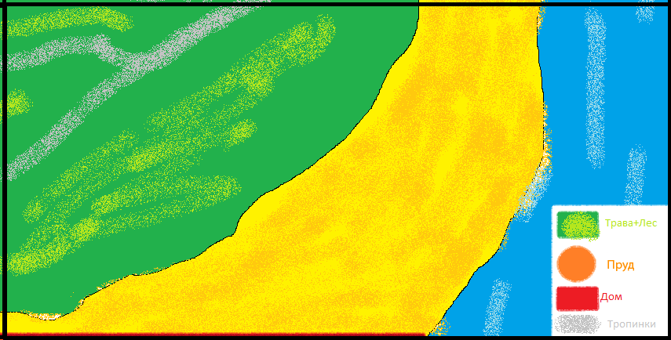
59 | 60 | 61 | 62 | 63
1300 | 1300 | 0900 | 0900 | 1300
1300 | 1300 | 0900 | 0900 | 1300
1300 | 1300 | 0900 | 0900 | 1300
1300 | 1300 | 1300 | 1300 | 1300
1300 | 1300 | 1300 | 1300 | 1300
1300 | 1300 | 1300 | 1300 | 1300
1300 | 1300 | 1300 | 1300 | 1300
1300 | 1300 | 1300 | 1300 | 1300
1300 | 1300 | 1300 | 1300 | 1300
1300 | 1300 | 1300 | 1300 | 1300
1300 | 1300 | 1300 | 1300 | 1300
1300 | 1300 | 1300 | 1300 | 1300
1300 | 1300 | 1300 | 1300 | 1300
1300 | 1300 | 1300 | 1300 | 1300
1300 | 1300 | 1300 | 1300 | 1300
1300 | 1300 | 1300 | 1300 | 1300
1300 | 1300 | 1300 | 1300 | 1300
1300 | 1300 | 0900 | 1300 | 1300
1300 | 0900 | 0900 | 1300 | 1300
1300 | 0900 | 0900 | 1300 | 1300
1300 | 0900 | 0900 | 1300 | 1300
1300 | 0900 | 0900 | 1300 | 1300
1300 | 0900 | 0900 | 1300 | 1300
1300 | 0900 | 1300 | 1300 | 1300
1300 | 1300 | 1300 | 1300 | 1300
1300 | 1300 | 1300 | 1300 | 1300
1300 | 1300 | 1300 | 1300 | 1300
1300 | 1300 | 1300 | 1300 | 1300
1300 | 1300 | 1300 | 1300 | 1300
1300 | 1300 | 1300 | 1300 | 1300
1300 | 1300 | 1300 | 1300 | 1300
1300 | 1300 | 1300 | 1300 | 1300
1300 | 1300 | 1300 | 1300 | 1300
1300 | 1300 | 1300 | 1300 | 1300
1300 | 1300 | 1300 | 1300 | 1300
1300 | 1300 | 1300 | 1300 | 1300
1300 | 1300 | 1300 | 1300 | 1300
1300 | 1300 | 1300 | 1300 | 1300
1300 | 1300 | 1300 | 1300 | 1300
1300 | 1300 | 1300 | 1300 | 1300
...

Макет



