Cognizant
 | Based on SEMrush Keyword Gap, Advertising Research, Display Advertising, Backlink Analytics and Backlink Audit tools.

 | Conclusions: 1. Cognizant has well-structured Search campaigns on Desktop and Mobile, that take mostly top ads positions. Their budget on Search is near 1 mln$/month (Google Ads + unknown budget on Bing Ads) by the end of 2019. 2. Cognizant wisely spends its' budget (no competitors keywords, for each offering there is ads and landing page, separated mobile and desktop campaigns). Tracking of its' Search also is the strong evidence of permanent targeting testing. It also may indicate that Congnizant wants to build end-to-end analysis. From "keywords" to "deals". 3. Tier-1 countries for Search: USA, UK, France, Germany, Australia. Tier-2 countries: Netherlands, Spain, Denmark, Singapore, Switzerland. 4. Based on SEMrush data, Cognizant use Display Ads to promote educational materials, whitepapers and industry reports/data/trends (it could be nurturing) to very small audience. It's seems that there is no massive remarketing. 5. UTM's shows that Cognizant works with digital marketing agency or has people from it on its' side: naming of campaigns with clustering is the strong evidence of it. Update: this agency is OMD. 6. Usage of Outbrain (platfrom to reach audience by display) may indicate that Cognizant searches for new channels to reach its' audience. 7. Cognizant definelty makes SEO: large high-quality link building since 2018 and permanent maintenance of website. 8. Cognizant has 212$% ROI (estimated) in the worst case (low CR to Qualified Lead and VERY low CR to Deal). Attribution window (from click/impression to deal) is very wide due to long purchase cycle. Cognizant probably evalutes effectiveness after 3, 6, 9, 12 months after first click/impression.

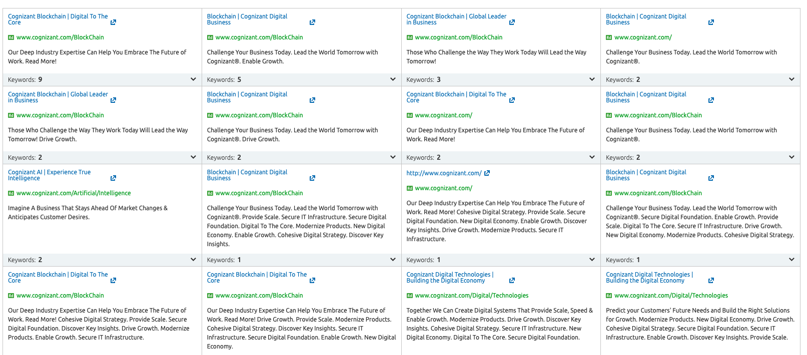
 |  |  |  |  |  |  |  |  |  |  |  |  |  |  |  |  |  | Search Ads
 |  | Simplifed Monthly Key Metrics (November 2019) and Leads Estimation (Search Only)
 | Cognizant | Scope: |  | min |  |  | avg |  |  | max
 |  | Metrics |  | Google Ads | + 30% Est. error | + Bing | Google Ads | + 30% Est. error | + Bing | Google Ads | + 30% Est. error | + Bing
 |  | Visitors |  | 187071 | 243192 | 247192 | 187071 | 243192 | 247192 | 187071 | 243192 | 247192
 |  | CR to Qualifed Leads, % (1) |  | 1.5% | 1.5% | 1.5% | 2.5% | 2.5% | 2.5% | 3.0% | 3.0% | 3.0%
 |  | Qualifed Leads |  | 2806 | 3648 | 3708 | 4677 | 6080 | 6180 | 5612 | 7296 | 7416
 |  | Costs, $ |  | $938,251 | $1,219,726 | $1,234,726 | $938,251 | $1,219,726 | $1,234,726 | $938,251 | $1,219,726 | $1,234,726
 |  | CPL, $ |  | $334 | $334 | $333 | $201 | $201 | $200 | $167 | $167 | $167
 |  | CR to Deal, % (2) |  | 0.1% | 0.1% | 0.1% | 0.5% | 0.5% | 0.5% | 1.0% | 1.0% | 1.0%
 |  | Deals |  | 3 | 4 | 4 | 23 | 30 | 31 | 56 | 73 | 74
 |  | Deal Cost |  | $334,365 | $334,365 | $333,000 | $40,124 | $40,124 | $39,960 | $16,718 | $16,718 | $16,650
 |  | Deal Outcome (3) |  | $1,000,000 | $1,000,000 | $1,000,000 | $1,000,000 | $1,000,000 | $1,000,000 | $1,000,000 | $1,000,000 | $1,000,000
 |  | Gross Profit |  | $2,806,065 | $3,647,885 | $3,707,885 | $23,383,875 | $30,399,038 | $30,899,038 | $56,121,300 | $72,957,690 | $74,157,690
 |  | Net Profit |  | $1,867,814 | $2,428,158 | $2,473,158 | $22,445,624 | $29,179,311 | $29,664,311 | $55,183,049 | $71,737,964 | $72,922,964
 |  | ROI |  | 199% | 199% | 200% | 2392% | 2392% | 2403% | 5881% | 5881% | 5906%

 |  | References:
 | 1. | Conversion rate, Qualified Leads by industry:
 |  | https://blog.alexa.com/average-conversion-rates/#b2b

 | 2. | Conversion rate, Closed leads/Deals
 |  | https://www.propellercrm.com/blog/sales-benchmark-rates
 |  | https://blog.hubspot.com/sales/new-sales-close-rate-industry-benchmarks-how-does-your-close-rate-compare
 |  | https://www.hubspot.com/sales-close-rate
 |  | ​
 | 3. | Size of the project
 |  | Expert opinion of Sergei Karas

Costs by Tier
 | Итог
Tier-1 | 841901
Tier-2 | 69538
Tier-3 | 26812
 |  |  | Search Ads, November 2019 (Estimated)
 |  | Countries | Type | Traffic | Costs | Keywords
 | Tier-1 (by budget) | United States | Desktop | 47802 | $464,508 | 712 |  |  |  |  |  |  | SEARCH STATS (DESKTOP ONLY!)
 |  |  | Mobile | 2933 | $18,488 | 149
 |  | United Kingdom | Desktop | 9541 | 66636 | 351 |  |  |  |  |  |  | United States
 |  |  | Mobile | 7028 | 50088 | 33 |  |  |  |  |  |  | Costs
 |  | France | Desktop | 13136 | $57,776 | 228
 |  |  | Mobile | 29068 | $31,640 | 32
 |  | Germany | Desktop | 9717 | $35,883 | 286
 |  |  | Mobile | 17821 | $61,112 | 62
 |  | Australia | Desktop | 5855 | $32,235 | 810
 |  |  | Mobile | 3827 | $23,535 | 75
 | Tier-2 | Netherlands | Desktop | 4521 | $12,626 | 442
 |  |  | Mobile | 5635 | $12,898 | 49
 |  | Spain | Desktop | 3855 | $8,499 | 85
 | Итог
Desktop | 716103
Mobile | 222148
 |  |  | Mobile | 3742 | $8,033 | 18 |  |  |  |  |  |  | Traffic
 |  | Denmark | Desktop | 1435 | $7,325 | 88
 |  |  | Mobile | 1857 | $5,454 | 45
 |  | Singapore | Desktop | 2033 | $7,580 | 176
 |  |  | Mobile | 0 | $0 | 0 |  |  |  |  |  |  |  |  |  |  |  | SEO
 |  | Switzerland | Desktop | 2524 | $7,123 | 35 |  |  |  |  |  |  |  |  |  |  |  | Site Audit
 |  |  | Mobile | 0 | $0 | 0
 | Tier-3 | Belgium | Desktop | 1612 | $4,566 | 31
 |  |  | Mobile | 0 | $0 | 0
 |  | Norway | Desktop | 993 | $4,439 | 44
 |  |  | Mobile | 0 | $0 | 0
 |  | Ireland | Desktop | 919 | $2,658 | 29
 |  |  | Mobile | 0 | $0 | 0
 |  | Sweden | Desktop | 534 | $1,351 | 9
 |  |  | Mobile | 985 | $4,371 | 12 |  |  |  |  |  |  | United Kingdom
 |  | India | Desktop | 1124 | $1,187 | 77 |  |  |  |  |  |  | Costs
 |  |  | Mobile | 7418 | $6,529 | 17
 |  | Malaysia | Desktop | 1156 | $1,711 | 95
 |  |  | Mobile | 0 | $0 | 0
 |  | Total | - | 187071 | $938,251 | 3990
 |  | *Estimation error could be around +30% |  | 243192 | $1,219,726
 |  | **Data without Microsoft Ads (Bing); |  | 247192 | $1,234,726
 | Search
1. | Structure:
2. | Brand
3. | Consulting
4. | Blockchain |  |  |  |  |  |  |  |  |  |  |  | Traffic
5. | AI and Machine Learning
6. | Upgrade
7. | Process Automation
8. | Promotion of Researches

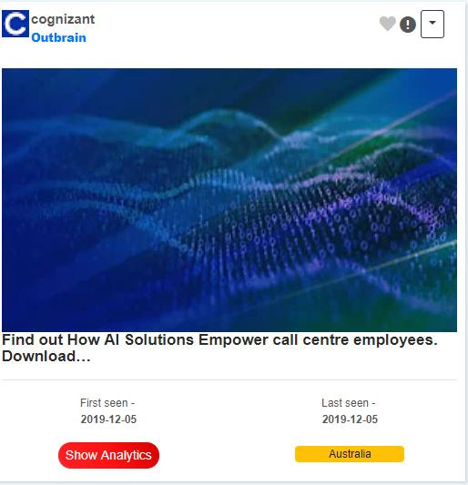
1. | Targeting features:
2. | Buying most expensive keywords
3. | Showing ads only to selected audience
4. | Using of native keywords (for Germany - keywords in German)
5. | Showing ads on moslty top ads positions
6. | Showing ads on both Desktop and Mobile (on Mobile since June 2019)
7. | Mobile is not just targeting, but separete campaigns with it's own keywords
8. | Each theme has its' own ads
9. | They don't use competitors' keywords (only by incident when targeting on interested theme, blockchain, for example) -> it's known these are the most expensive keywords not only because of cpc, but due to low intent from the audience.
10. | All campaigns are well-tracked by utms' in the way like agencies love to track. It's a little bit odd old method, because nowadays Google has parallel tracking.

11. | Cognizant also uses Bing to promote its' offerings. Costs of promotion is unknown because of the lack of the data.

 | Top Landing Pages (Search) |  |  |  |  |  | Landings |  |  |  |  |  |  |  | Traffic Est. | CPC Est. | Costs Est.
1. | https://www.cognizant.com/ |  |  |  |  | Main | https://www.cognizant.com/ |  |  |  |  |  |  |  | 81773 | 3 | 345084
2. | https://www.cognizant.com/enterprise-blockchain-solutions |  |  |  |  | Blockchain | https://www.cognizant.com/enterprise-blockchain-solutions |  |  |  |  |  |  |  | 35502 | 3 | 165048
3. | https://www.cognizant.com/ai/ |  |  |  |  | AI | https://www.cognizant.com/ai/ |  |  |  |  |  |  |  | 27967 | 4 | 204703
4. | https://www.cognizant.com/cognizant-digital-operations |  |  |  |  | Digital Operations | https://www.cognizant.com/cognizant-digital-operations |  |  |  |  |  |  |  | 13175 | 4 | 11046
5. | https://www.cognizant.com/cognizant-digital-business/iot-solutions |  |  |  |  | Internet of Things | https://www.cognizant.com/cognizant-digital-business/iot-solutions |  |  |  |  |  |  |  | 7854 | 6 | 46514
6. | https://www.cognizant.com/consulting |  |  |  |  | Consulting | https://www.cognizant.com/consulting |  |  |  |  |  |  |  | 4385 | 5 | 24229
7. | https://www.cognizant.com/cognizant-digital-systems-technology/core-application-modernization |  |  |  |  | Modernizaion | https://www.cognizant.com/cognizant-digital-systems-technology/core-application-modernization |  |  |  |  |  |  |  | 2981 | 6 | 21526
8. | https://www.cognizant.com/cognizant-digital-systems-technology/enterprise-quality-engineering-assurance |  |  |  |  | QA | https://www.cognizant.com/cognizant-digital-systems-technology/enterprise-quality-engineering-assurance |  |  |  |  |  |  |  | 2619 | 2 | 7240
 |  |  |  |  |  |  | https://www.cognizant.com/de-de/ |  |  |  |  |  |  |  | 2290 | 5 | 19424
 |  |  |  |  |  | Digital Engineering | https://www.cognizant.com/cognizant-digital-business/digital-engineering |  |  |  |  |  |  |  | 2185 | 11 | 39055
 |  |  |  |  |  | Future of Work | https://www.cognizant.com/futureofwork |  |  |  |  |  |  |  | 1534 | 2 | 6432
 |  |  |  |  |  | Cloud | https://www.cognizant.com/cognizant-digital-systems-technology/cloud-enablement-services |  |  |  |  |  |  |  | 1065 | 6 | 4932
 |  |  |  |  |  | Process Automation | https://www.cognizant.com/cognizant-digital-operations/intelligent-process-automation |  |  |  |  |  |  |  | 578 | 23 | 13551
 |  |  |  |  |  |  | https://www.cognizant.com/nl-be/ |  |  |  |  |  |  |  | 453 | 2 | 1015
 |  |  |  |  |  |  | https://www.cognizant.com/smart-manufacturing-avm |  |  |  |  |  |  |  | 429 | 5 | 2120
 |  |  |  |  |  |  | https://www.cognizant.com/cognizant-digital-operations/industry-platform-solutions |  |  |  |  |  |  |  | 412 | 23 | 5547
 |  |  |  |  |  |  | https://www.cognizant.com/cognizant-digital-business/digital-strategy |  |  |  |  |  |  |  | 371 | 7 | 3029
 |  |  |  |  |  |  | https://www.cognizant.com/cognizant-digital-systems-technology |  |  |  |  |  |  |  | 296 | 6 | 3887
 |  |  |  |  |  |  | https://www.cognizant.com/cognizant-digital-systems-technology/enterprise-application-services |  |  |  |  |  |  |  | 263 | 21 | 10712
 |  |  |  |  |  |  | https://www.cognizant.com/fr-fr/ |  |  |  |  |  |  |  | 186 | 0 | 117
 |  |  |  |  |  |  | https://www.cognizant.com/cognizant-digital-operations/enterprise-business-analytics |  |  |  |  |  |  |  | 184 | 4 | 851
 |  |  |  |  |  |  | https://www.cognizant.com/cognizant-digital-business |  |  |  |  |  |  |  | 104 | 4 | 484
 |  |  |  |  |  |  | https://www.cognizant.com/es-es/ |  |  |  |  |  |  |  | 78 | 0 | 5
 |  |  |  |  |  |  | https://www.cognizant.com/de-ch/ |  |  |  |  |  |  |  | 77 | 3 | 355
 |  |  |  |  |  |  | https://www.cognizant.com/en-dk/ |  |  |  |  |  |  |  | 66 | 8 | 506
 |  |  |  |  |  |  | https://www.cognizant.com/en-uk/ |  |  |  |  |  |  |  | 66 | 1 | 40
 |  |  |  |  |  |  | https://www.cognizant.com/cognizant-digital-systems-technology/enterprise-application-services/supply-chain-management |  |  |  |  |  |  |  | 63 | 3 | 181
 |  |  |  |  |  |  | https://www.cognizant.com/en-no/ |  |  |  |  |  |  |  | 49 | 3 | 276
 |  |  |  |  |  |  | https://www.cognizant.com/digital-infrastructure/transformation |  |  |  |  |  |  |  | 29 | 8 | 162
 |  |  |  |  |  |  | https://www.cognizant.com/digital-customer-service |  |  |  |  |  |  |  | 25 | 5 | 125
 |  |  |  |  |  |  | https://www.cognizant.com/cognizant-digital-systems-technology/cybersecurity-services/iam-solutions |  |  |  |  |  |  |  | 5 | 8 | 27
 |  |  |  |  |  |  | https://www.cognizant.com/life-sciences-technology-solutions |  |  |  |  |  |  |  | 4 | 3 | 23
 |  |  |  |  |  |  | https://www.cognizant.com/digital-infrastructure/customer-experience |  |  |  |  |  |  |  | 3 | 2 | 5
 |  |  |  |  |  |  |  |  |  |  |  |  |  | Total | 187071 |  | 938251

 | Example of naming:
 | ?utm_source=google&utm_medium=ppc&utm_campaign=Latest%20Thinking%20|%20Non%20Brand%20|%20Exact|na|NA|US|crsIND|crsSERV|crsHZ|&utm_term=blockchain&utm_content=Exact|na|na|na|AlwaysOn&gclid=EAIaIQobChMIsLHB9o_U5gIVk6DsCh1w8QRoEAAYAyAAEgJpb_D_BwE |  |  |  |  |  |  |  |  |  |  |  | Germany
 | &utm_medium=ppc |  |  |  |  |  |  |  |  |  |  |  | Costs
 | &utm_campaign=Latest Thinking|Non Brand|Exact|na|NA|US|crsIND|crsSERV|crsHZ|
 | |Non Brand|Exact|na|NA|US|crsIND|crsSERV|crsHZ| - targeting
 | &utm_term=blockchain
 | &gclid=EAIaIQobChMIsLHB9o_U5gIVk6DsCh1w

 | ?utm_source=google&utm_medium=ppc&utm_campaign=Digital%20Business_AI_and_20Analytics_Non_Brand|Q4|NA|US|crsIND|CDB|AIA|AI_and_20Analytics&utm_term=ai&utm_content=Exact|na|na|na|AlwaysOn&gclid=EAIaIQobChMIs6X-lpLU5gIVh9lkCh1JKQgXEAMYAiAAEgJ0PPD_BwE
 | &utm_medium=ppc
 | &utm_campaign=DigitalBusiness_AI_and_20Analytics_Non_Brand|Q4|NA|US|crsIND|CDB|AIA|AI_and_20Analytics
 |  |  |  |  |  |  |  |  |  |  |  |  | Traffic
 | Display Ads
1. | No acquisition
2. | No remarkable remarketing
3. | Used only for promotion of reports/industry trends/data for a small audience
4. | Congnizant tested such display channel as Outbrain in the beginning of 2019 to promote researches.

 | Top Landing Pages (Display)
1. | https://www.cognizant.com/singapore/customer-experience-solutions
2. | https://www.cognizant.com/middle-east/customer-experience-solutions
3. | https://www.cognizant.com/australia/customer-experience-solutions

 | Example of naming: |  |  |  |  |  |  |  |  |  |  |  | France
 | ?utm_source=google&utm_medium=ppc&utm_campaign=apac_sg_cog_cx|ao|apac|ae|tech|cdb|cx|generic-mkt_jobs&utm_term=future%20of%20marketing&utm_content=phrase|na|na|na|na |  |  |  |  |  |  |  |  |  |  |  | Costs
 | apac - region
 | sg - Singapore
 | cog - Cognizant (Client)
 | cx|ao|apac|ae|tech|cdb|cx|generic-mkt_jobs - Display Targeting

 |  |  |  |  |  |  |  |  |  |  |  |  | Traffic

 |  |  |  |  |  |  |  |  |  |  |  |  | Australia
 |  |  |  |  |  |  |  |  |  |  |  |  | Costs

 |  |  |  |  |  |  |  |  |  |  |  |  | Traffic

 |  |  |  |  |  |  |  |  |  |  |  |  | Spain
 |  |  |  |  |  |  |  |  |  |  |  |  | Costs

 |  |  |  |  |  |  |  |  |  |  |  |  | Traffic

 |  |  |  |  |  |  |  |  |  |  |  |  | Netherlands
 |  |  |  |  |  |  |  |  |  |  |  |  | Costs

 |  |  |  |  |  |  |  |  |  |  |  |  | Traffic

 |  |  |  |  |  |  |  |  |  |  |  |  | India
 |  |  |  |  |  |  |  |  |  |  |  |  | Costs

 |  |  |  |  |  |  |  |  |  |  |  |  | Traffic

 |  |  |  |  |  |  |  |  |  |  |  |  | Denmark
 |  |  |  |  |  |  |  |  |  |  |  |  | Costs

 |  |  |  |  |  |  |  |  |  |  |  |  | Traffic

 |  |  |  |  |  |  |  |  |  |  |  |  | Sweden
 |  |  |  |  |  |  |  |  |  |  |  |  | Costs

 |  |  |  |  |  |  |  |  |  |  |  |  | Traffic

 |  |  |  |  |  |  |  |  |  |  |  |  | Norway
 |  |  |  |  |  |  |  |  |  |  |  |  | Costs

 |  |  |  |  |  |  |  |  |  |  |  |  | Traffic

 |  |  |  |  |  |  |  |  |  |  |  |  | Switzerland
 |  |  |  |  |  |  |  |  |  |  |  |  | Costs

 |  |  |  |  |  |  |  |  |  |  |  |  | Traffic

 |  |  |  |  |  |  |  |  |  |  |  |  | Singapore
 |  |  |  |  |  |  |  |  |  |  |  |  | Costs

 |  |  |  |  |  |  |  |  |  |  |  |  | Traffic

 |  |  |  |  |  |  |  |  |  |  |  |  | Malaysia
 |  |  |  |  |  |  |  |  |  |  |  |  | Costs

 |  |  |  |  |  |  |  |  |  |  |  |  | Traffic

 |  |  |  |  |  |  |  |  |  |  |  |  | Ireland
 |  |  |  |  |  |  |  |  |  |  |  |  | Costs

 |  |  |  |  |  |  |  |  |  |  |  |  | Traffic

