Basics
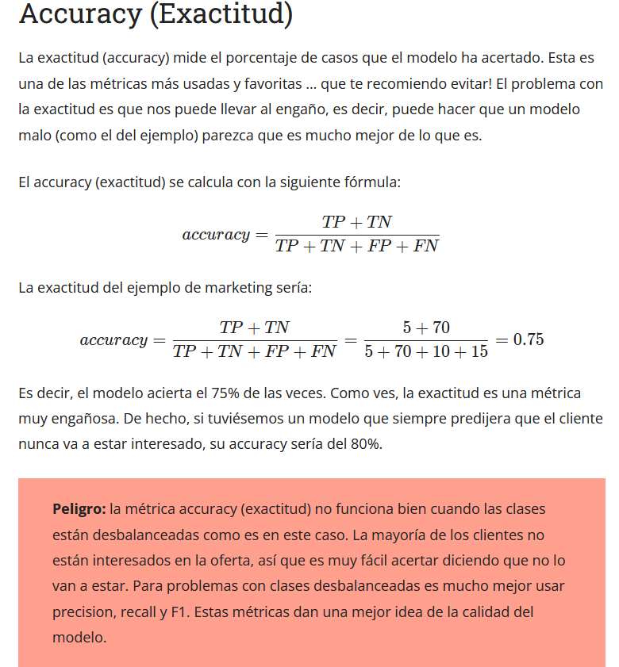
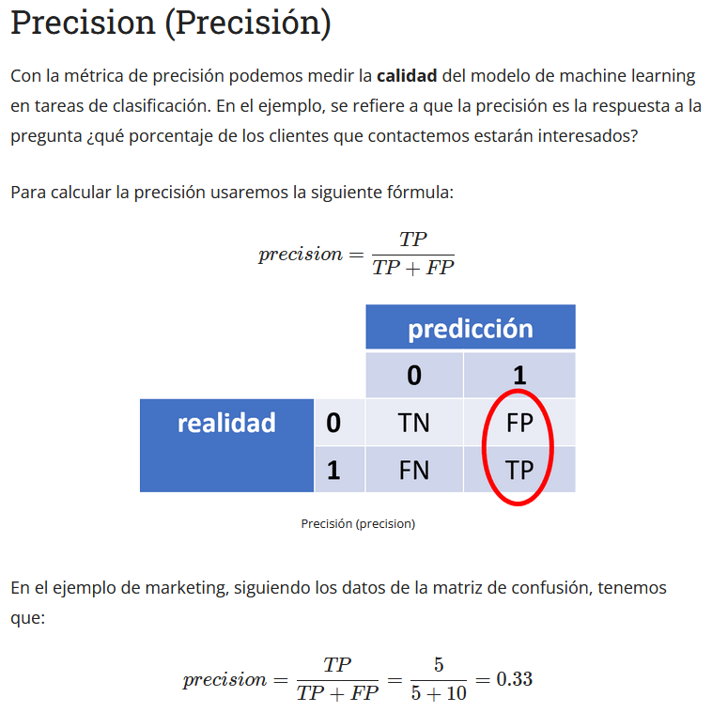
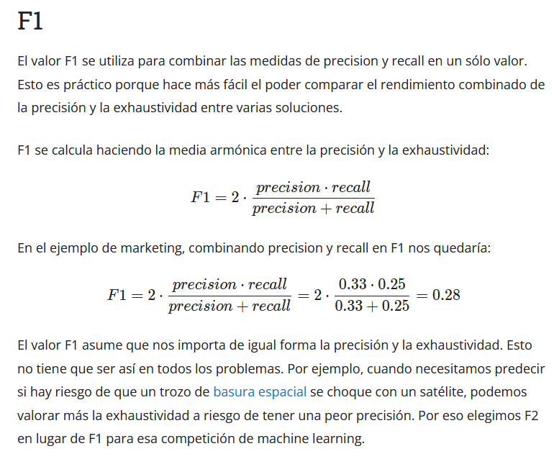

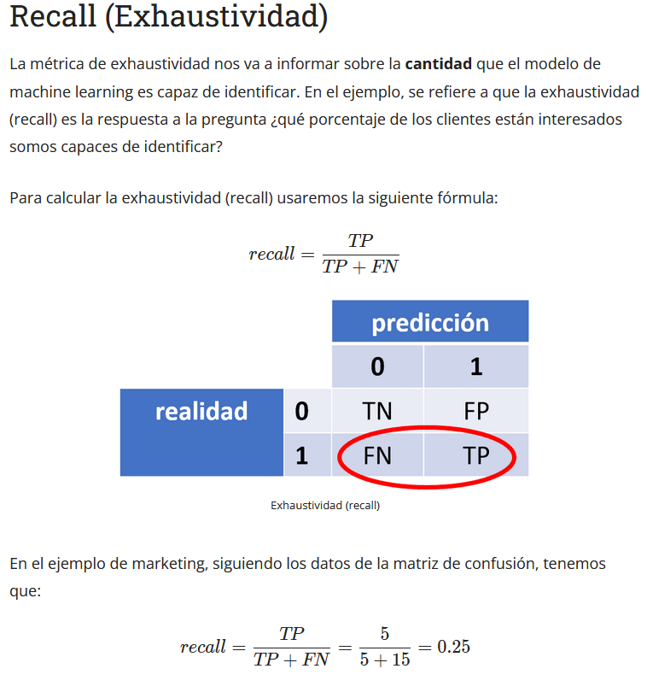

CIC_IDS_2017
Resultados del paper del dataset |  |  |  |  |  | Accuracy (Acc), precision, Detection Rate (DR), F-Measure, Attack Detection Rate (ADR), and False Alarm Rate (FAR).The mathematical calculations of the utilized evalu- ation metrics are explained in 10.1007/s00500-017-2856-4 |  |  |  |  | 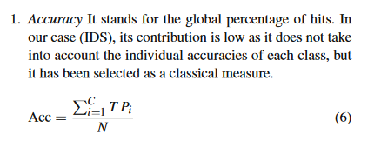
Algorithm | Precision | Recall | F1 | False Alarm Rate (FAR) | Detection Rate | Algorithm | Accuracy | False Alarm Rate (FAR) | Detection Rate | DOI
KNN | 0.96 | 0.96 | 0.96 | 4 | 96 | CFS-BA | 99.89 | 0.12 | 99.9 | https://doi.org/10.1016/j.comnet.2020.107247
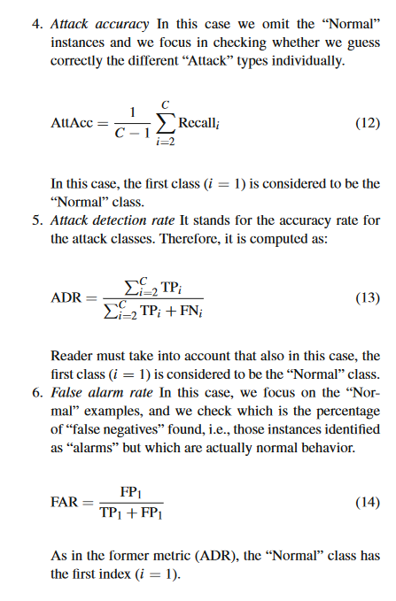
RF | 0.98 | 0.97 | 0.97 | 2 | 97 | ANN | 98.694 | 1.882 | 98.694 | 10.1093/comjnl/bxz064
ID3 (Decision Trees) | 0.98 | 0.98 | 0.98 | 2 | 98 | Sparse auto encoder with swish-PReLU activation | 99.93 | 0.07 | 99.96 | https://doi.org/10.1007/s12652-021-03077-0
AdaBoost | 0.77 | 0.84 | 0.77 | 23 | 84 | XGBoost-IDS | 91.36 | 12 | 98.38 | 10.1007/978-981-13-1810-8_37
MLP | 0.77 | 0.83 | 0.76 | 23 | 83 | ZED-IDS (Autoencoder) | 95.73 | 4.32 | 95.82 | 10.3233/JHS-190620
Naive-Bayes | 0.88 | 0.04 | 0.04 | 12 | 4 | DeepWindow (LSTM) | 99.5 | N/A | 99.4 | 10.1109/HPCC/SmartCity/DSS.2019.00335
QDA | 0.97 | 0.88 | 0.92 | 3 | 88 | HELAD (Autoencoder+LSTM ) | 99.58 | 2.15 | 99.58 | 10.1016/j.comnet.2019.107049
 |  |  |  |  |  | DARE (One-class SVM) | 66 | N/A | 57 | 10.5281/zenodo.3266038
 |  |  |  |  |  | Watson (Multilayer perceptron) | 95.32 | 4.68 | 94.5 | https://doi.org/10.13016/M2G737680

