Columnas_relevantes_dashboard
Gender | Sales |  |  |  | Annual Income Type | Sales |  |  | Body style | Sales
Female | 21.37% |  |  |  | High | 34.55% |  |  | Hardtop | 647
Male | 78.63% |  |  |  | Low | 22.24% |  |  | Hatchback | 1,298
Total general | 100.00% |  |  |  | Superior | 43.21% |  |  | Passenger | 883
 |  |  |  |  | Total general | 100.00% |  |  | Sedan | 945
 |  |  |  |  |  |  |  |  | SUV | 1,335
 |  |  |  |  |  |  |  |  | Total general | 5,108

Género
Segmentador |  |  |  |  | Tipo de ingresos anuales
 |  |  |  |  | Segmentador

 |  |  |  |  |  |  |  |  | Sales
Company | Sales |  | Transmission | Sales |  |  | Color | Sales | 5,108 |  | 5,108
Chevrolet | 388 |  | Auto | 12571 |  |  | Black | 7857
Chrysler | 246 |  | Manual | 11335 |  |  | Pale White | 11256
Dodge | 344 |  | Total general | 23906 |  |  | Red | 4793 | Total Sales ($)
Ford | 367 |  |  |  |  |  | Total general | 23906 | 144440271 |  | $144,440,271
Mercedes-B | 292
Mitsubishi | 269
Nissan | 208
Oldsmobile | 218
Toyota | 222
Volkswagen | 289
Total general | 2,843

 |  |  | Tipo de transmisión
 |  |  | Segmentador
 |  |  |  |  |  |  | Color
 |  |  |  |  |  |  | Segmentador

 |  |  |  |  | Ciudad | Sales
 |  |  |  |  | Austin | 17.30%
 |  |  |  |  | Janesville | 15.98%
 |  |  |  |  | Scottsdale | 14.36%
 |  |  |  |  | Pasco | 13.10%
 |  |  |  |  | Aurora | 13.09%
 |  |  |  |  | Greenville | 13.08%
 |  |  |  |  | Middletown | 13.08%
 |  |  |  |  | Total general | 100.00%

Marca del coche

Date | Sales
2022 | 2,133
ene | 76
feb | 80
mar | 144
abr | 189
may | 161
jun | 161
jul | 173
ago | 210
sep | 276
oct | 160
nov | 241
dic | 262
2023 | 2,975
ene | 78 | Fecha de las ventas
feb | 85 | Año / mes segmentador
mar | 172
abr | 267
may | 268
jun | 242
jul | 221
ago | 167
sep | 380
oct | 288
nov | 384
dic | 423
Total general | 5,108

graficos_dashboard
Car sales Anaylisis
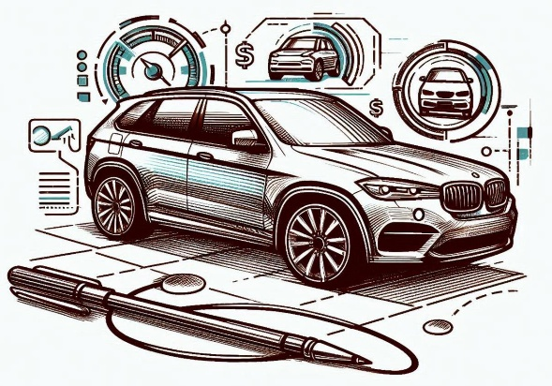

5.108
Total cars sold
$144.440.271
Total sales amount
$28.277
Average sales amount

Top ten company
Annual Income Type
Body style
 | Total
Hardtop | 647
Hatchback | 1,298
Passenger | 883
Sedan | 945
SUV | 1,335
 | Total
Chevrolet | 388
Chrysler | 246
Dodge | 344
Ford | 367
Mercedes-B | 292
Mitsubishi | 269
Nissan | 208
Oldsmobile | 218
Toyota | 222
Volkswagen | 289
 | Total
High | 34.55%
Low | 22.24%
Superior | 43.21%

 | Total
ene | 76
feb | 80
mar | 144
abr | 189
may | 161
jun | 161
jul | 173
ago | 210
sep | 276
oct | 160
nov | 241
dic | 262
ene | 78
feb | 85
mar | 172
abr | 267
may | 268
jun | 242
jul | 221
ago | 167
sep | 380
oct | 288
nov | 384
dic | 423

