Fibonacci
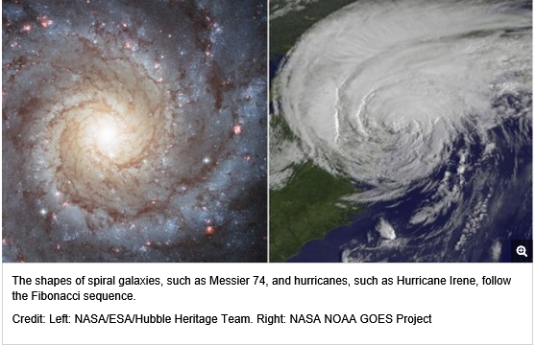
https://www.livescience.com/37470-fibonacci-sequence.html
 | N0 | N1 | N2 | N3 | N4 | N5 | N6 | N7 | N8 | N9
 | 0 | 1 | 1 | 2 | 3 | 5 | 8 | 13 | 21 | 34

Godel
https://plato.stanford.edu/entries/goedel-incompleteness/sup1.html

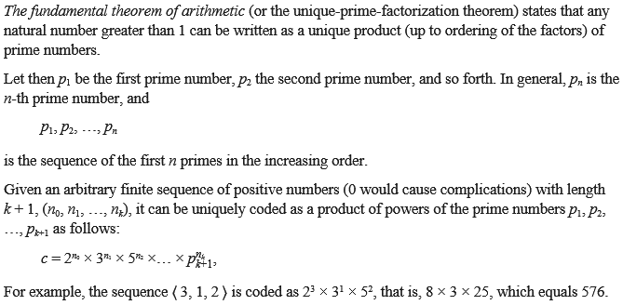

 |  |  |  | 1 | 3 | 7

 |  | N0 | N1 | N2 | N3 | N4 | N5 | N6
 | PrimeNbr | 2 | 3 | 5 | 7 | 11 | 13 | 17
 | SeqNbr | 2 | 2 | 1 | 3 | 7

 | Partial Result | 4 | 9 | 5 | 343 | 19487171 | 1 | 1
 | Godel Nbr | 1203137937540

