E&E
start | ELECTRIC & ELECTRONIC
 | Name | Units | Price | URL | Photo
 | ARDUINO UNO REV3 | 1 | 20 € | arduino.cc
 | PROTO SHIELD REV3 (UNO SIZE) | 1 | 6.90 € | arduino.cc
 | BLUETOOTH (HC-05) | 1 | 3.99 € | ebay
 | INTEGRATED CHIP (L293D) | 1 | 1.79 € | ebay
 | ARDUINO BUZZER | 1 | 1.05 € | ebay
 | ALIMENTATION JACK | 1 | 1.95 € | ebay | 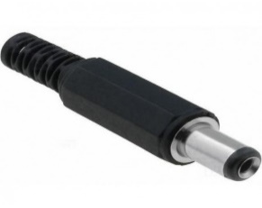
 | LIPO BATTERY (850mAh 2S 25C) | 1 | 5.18 € | hobbyking
 | FEMALE JST | 1 | 1.90 € | hobbyking
 | SWITCH | 1 | 1.03 € | aliexpress
 | WIRE | 1 | 2.90 € | amazon
 | ADHESIVE VELCRO | 1 | 2.77 € | aliexpress
 | SCREW 3X15 | 2
 | SCREW 3X5 | 4
 | CLAMP | 1
 | DC MOTORS ARDUINO 6V 600RPM | 2 | 2.21 € | aliexpress

Parts
start | PARTS
 | Name | Units | URL | Photo
 | Base and back | 1 | STL | 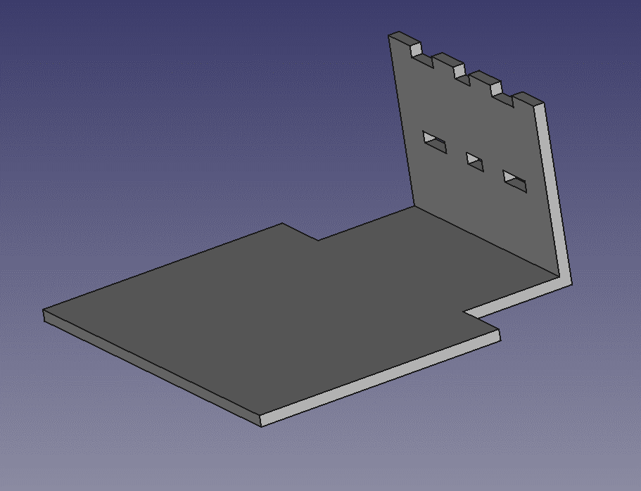
 |  |  | freecad
 | Pololu wheel | 2 | STL | 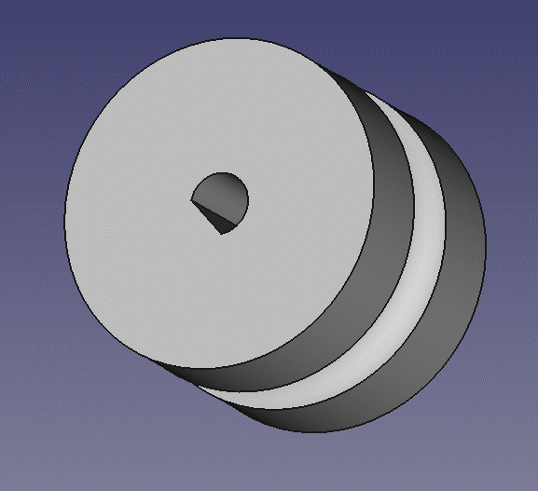
 |  |  | freecad
 | Front side | 1 | STL | 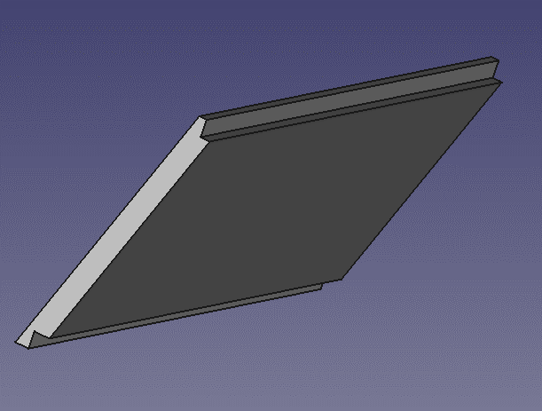
 |  |  | freecad
 | Motor bracket | 2 | STL | 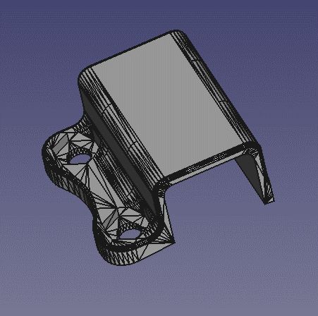

 | Ball caster | 1 | STL | 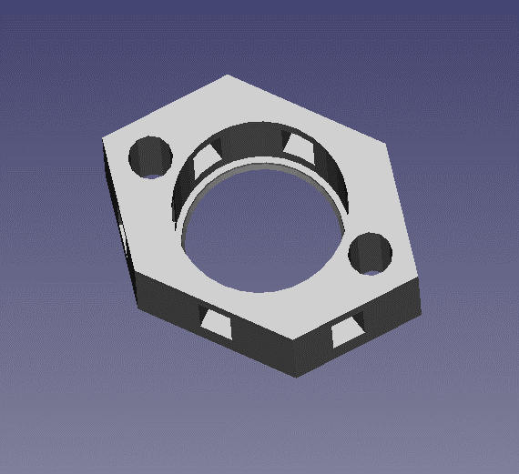

 | Tire wheel | 2 | ebay
 | Metal ball | 1

