Parts
start | PARTS
 | Name | Units | URL | Photo
 | Base and back | 1 | STL | 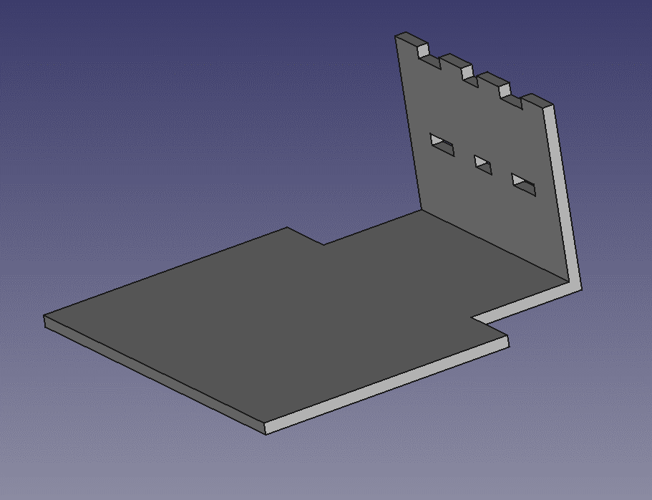
 |  |  | freecad
 | Pololu wheel | 2 | STL | 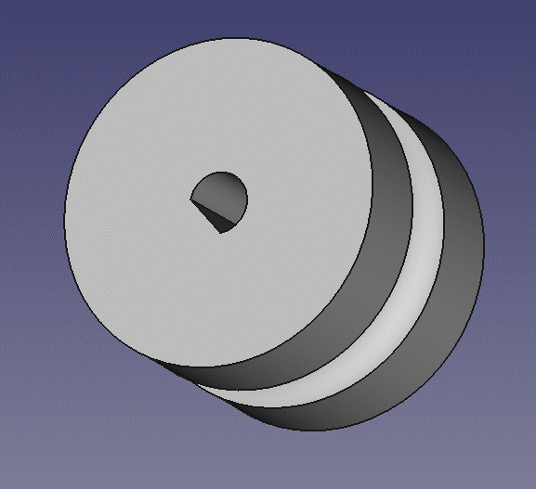
 |  |  | freecad
 | Motor bracket | 2 | STL | 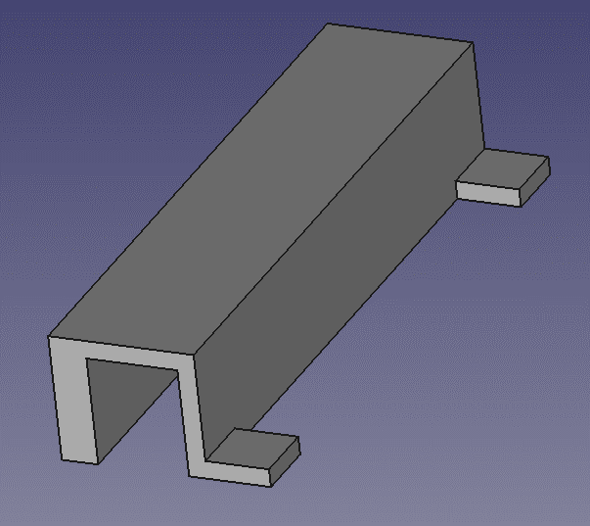
 |  |  | freecad
 | Sonar plate |  | STL
 |  |  | freecad
 | Sonar case |  | STL | 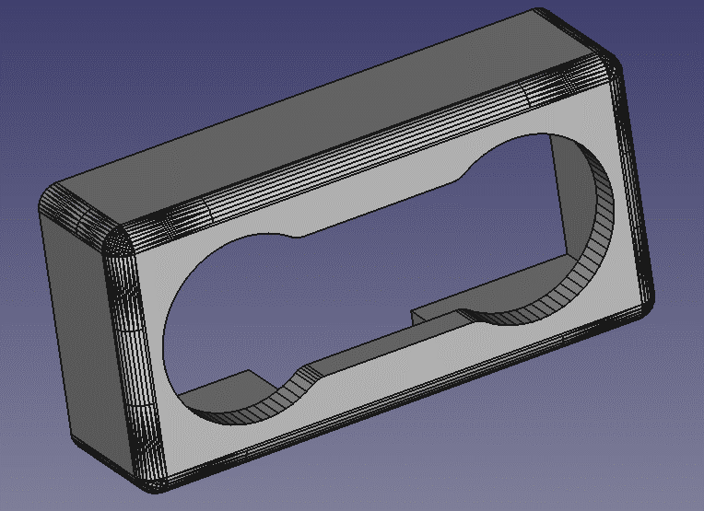
 |  |  | freecad
 | Pushpin supp |  | STL
 |  |  | freecad
 | Tire wheel | 2 | ebay

