E&E
start | ELECTRIC & ELECTRONIC
 | Name | Units | Price | URL | Photo
 | ARDUINO UNO REV3 | 1 | 20 € | arduino.cc
 | PROTO SHIELD REV3 (UNO SIZE) | 1 | 6.90 € | arduino.cc
 | PROTO 200 | 1 | 3.44 € | aliexpress
 | DS 1307 | 1 | 1.90 € | ebay
 | LM 35 | 1 | 1.72 € | aliexpress
 | LCD 16X2 | 1 | 1.62 € | aliexpress
 | HC SR04 | 1 | 2.08 € | aliexpress
 | 360º SERVO | 1 | 6.45 € | aliexpress
 | ALIMENTATION JACK | 1 | 1.95 € | ebay
 | LIPO BATTERY (850mAh 2S 25C) | 1 | 5.18 € | hobbyking
 | FEMALE JST | 1 | 1.90 € | hobbyking
 | SWITCH | 1 | 0.98 € | aliexpress
 | ARDUINO BUTTON | 3 | 1 € | ebay
 | RESISTANCE 10KΩ | 2 | 1.82 € | aliexpress
 | UPT CABLE | 1m |  |  | 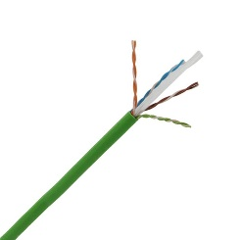
 | WIRE | 1 | 2.90 € | amazon
 | ADHESIVE VELCRO | 1 | 2.77 € | aliexpress
 | RIVET | 1
 | SCREW 3X15 | 12
 | SCREW 1X5 | 2

