Introduction & Setplay
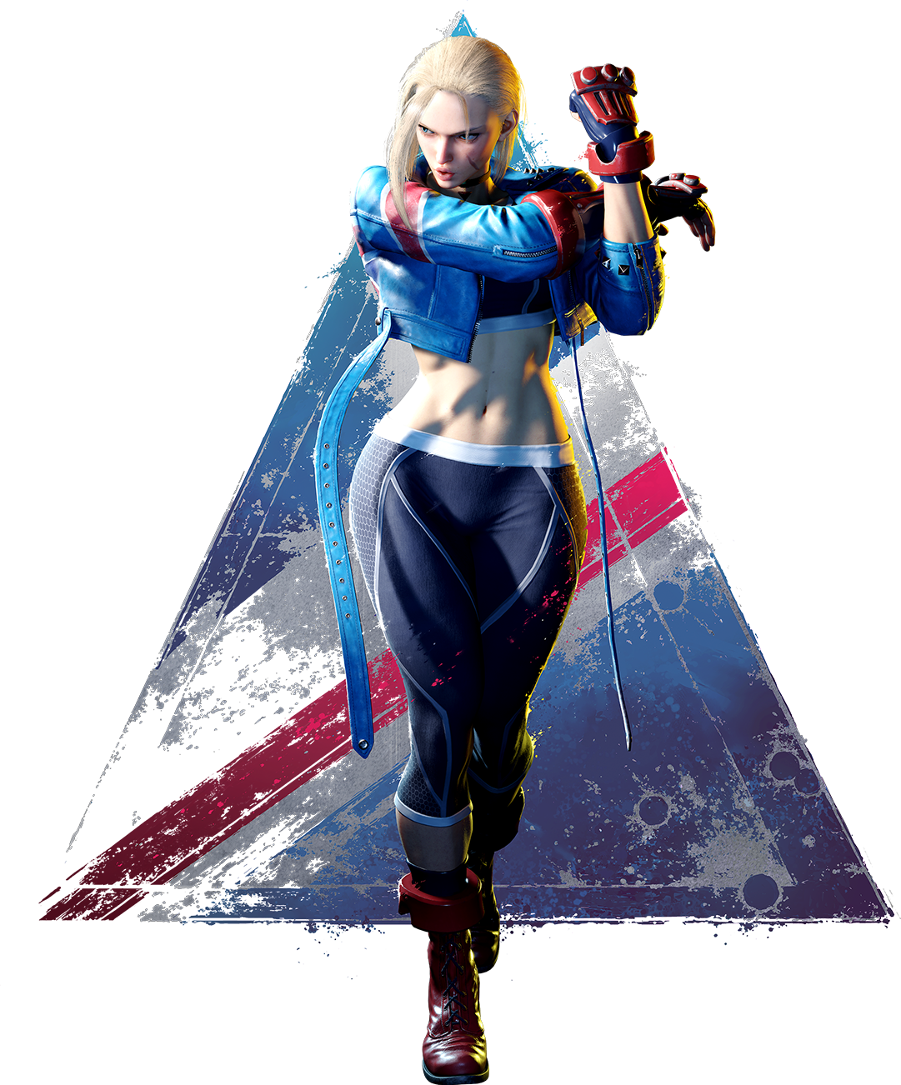
UPDATED FOR SEASON 3 | Why did I make this and why is it here still? |  | Cammy Setplay
 | I originally created this document for myself to help me learn Divekick spacing. Then, I wanted a quick reference for certain scenarios, and I also wanted a place to keep my cashouts. It became much bigger than I intended and grew legs with labbing, drills, and now OKI. |  | Thankfully, the GOAT that is ShinLad has made a video on Cammy's setplay. You can click the link below and it will take you straight to it. If you're new to Cammy then this is the sauce you're after. Any questions on it then you can reach out to the Community in the CammyCord that will be able to help.
 | What is in this document? |  | Cammy Has Setplay Now (SF6 Guide)
 | The goal of this document is to help you hit the ground running with Cammy and provide answers to common situations and scenarios without the bloat. |  | The above unfortunately has lost a lot of it's spice now. Capcom changed it so the cancel window is 2 frames later now which has lowered the advantage of her Hooligan play. It's a lot harder to overhead now and it can never be drive reversal safe. The slide is now only +2 instead of 3 which means she can no longer Link into Arrow, SA1, or SA3. She can still Heavy DP though, even midscreen.

 | A big thanks to everyone in the Cammy Discord who has contributed tech that has helped make this document. Huge shout-out to Shinlad, who continues to create clear and concise YouTube videos, and to James2088 for his Cammy combo videos. |  | Never fear though, we have new setplay! It's not as easy to route into as stHP > HK, but the oppurtunities arise often. I'm going to cover both setups one by one and the options that follow. All of these will be followed up with Charged Hooligan and they work midscreen or corner.
 | Shinlad - youtube.com/@ShinLadFGC
 | James2088 - youtube.com/@james2088 | Setup |  | Overhead oB/oH | Fastfall | Safejump | Grab | Grab Follow Ups | Divekick | Drive Rev Safe
 |  | bMP > HK, DR stLK xx L Knuckle |  | -2 / +8 | -1 | Whiff crLK, jHK | Yes | L Arrow, SA3 | Yes | Yes
Cammy Discord | Contact Me |  |  |  |  |  |  | M Arrow
https://discord.gg/UCfgFhwXVy | Discord - notz | bHK, L Knuckle |  | -2 / +8 | -1 | Whiff crLK, jHK | Yes | L Arrow, SA3 | Yes | Yes
Cammy Wiki | Twitter - @CptnNotz |  |  |  |  |  |  | M Arrow
Street Fighter 6/Cammy - SuperCombo Wiki | CFN - n0tz
 |  | Here's the big question...How do we route into these? bMP can be done from stLP, a divekick, a jump in, even DRC routes but this would mean you've now spent 4 bars and I personally don't think that's good business with how important Drive is in this game. Is it worth it in this route? Absolutely. It's auto-timed for the overhead, but manually timed for the grab so you'll need to practice this. Moving onto bHK, this is a little more complicated when jump ins are involved because you need to confirm your opponent is standing. If it's after a fireball then it's easy but other situations may be harder. There's no easy way to solve this without spending meter and if you're not sure then you can just go for the bMP route. Routing into this from a DRC though is simple. DRC crHP, bHK. The reason for the crHP here is to force stand. This route followed up with L Knuckle is 1856 damage, whereas her most damage midscreen combo from crMK DRC is 2101 so you're not giving up a great deal for a mix. Another simple way to route into this is counter-hit crHP, or punish counter crHP. I'm not going to cover all the damage options here, but I personally think we're giving up a lot of damage when from a PC we only need to spend 1 bar to get 3100 damage.
Check the tabs! | The Hooligan Primer - by dudeglove
1 - Start your Cammy journey here | Hooligans And You: A Primer by dudeglove
2 - All of your Common Combos that you need and want to know | A huge thank you to dudeglove! You play Cammy for the love of footsies, Dudeglove plays Cammy for the love of Hooligan. They've written a primer on her Hooligan and it is excellent! Thank you for putting this together man.
3 - More Situational Combos when you want to kill or cashout
4 - Divekick spacing and how to achieve it using normals
5 - Must Know Okizeme
6 - Detailed Okizeme
7 - Counter-Hit and Punish Counter conversions
8 - 2 Minutes Drills to keep you sharp!
9 - Cheat Sheet for all of her dirty tech and who it works on
10 - Lab Setups to practice her common situations

4.Dive Kicks
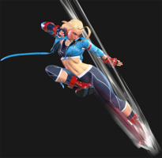
This is where the document all began. I created this because I was bad at spacing my divekicks and realised I can use a normal to use as a reference point. This is not great midscreen because they can obviously walk back, however in the corner this is incredibly powerful! You simply input the string, followed by the corresponding divekick and if you space it correctly then your frame data should be the same.

These are not block strings, but pressure strings. All of these are assumed on Block.
Any divekick that is -1 on block has a frame difference of 6f on hit. This allows you add 5LK into M Spiral Arrow.
I am aware you can use 2MP here on hit. I would however advise against this unless you are 110% sure you're > +7.

String | Dive Kick | oB Frame Advantage | oH Frame Adv | cH Frame Adv | pC Frame Adv
5LP, 2LK, 2LP | Light | +3 | +9 | +11 | +13
5LK | Medium | +1 | +7 | +9 | +11
5MK | Heavy | +1 | +7 | +9 | +11
5HK | Medium | 0 | +6 | +8 | +10
2MP | Medium | +2 | +8 | +10 | +12
2MK | Heavy | +1 | +7 | +9 | +11
2LP, 2LP, 5LP | Light | +1 | +7 | +9 | +11

These are assumed on hit and opponent back rises.

Forward Throw (Corner) | Light | -1 | +5 | +7 | +9
2LP, 2LP, 5LK xx Medium Spiral Arrow | Heavy | +1 | +7 | +9 | +11
Anything xx Heavy Spiral Arrow (I don't advise dive kick after this because dash crHP hits meaty +3) | Heavy | +1 | +7 | +9 | +11
4MP > HK, 9MP, Heavy Spike | Medium | +3 | +9 | +11 | +13

SEASON 3.5 - Divekicks had a massive change as of the 17th March 26. If you hit them perfectly on the toes you get an extra +2 frame advantage on hit and block! This is signified with a screen shake.

9.Daily 2 Minute Drills (WIP)
The 2 Minute Drills Dojo!
These are drills I like to do daily. Perform each drill for 2 minutes on the left and 2 minutes on the right. If you find some of these too easy, you can reduce it to 1 minute on either side instead (or if you're pressed for time).

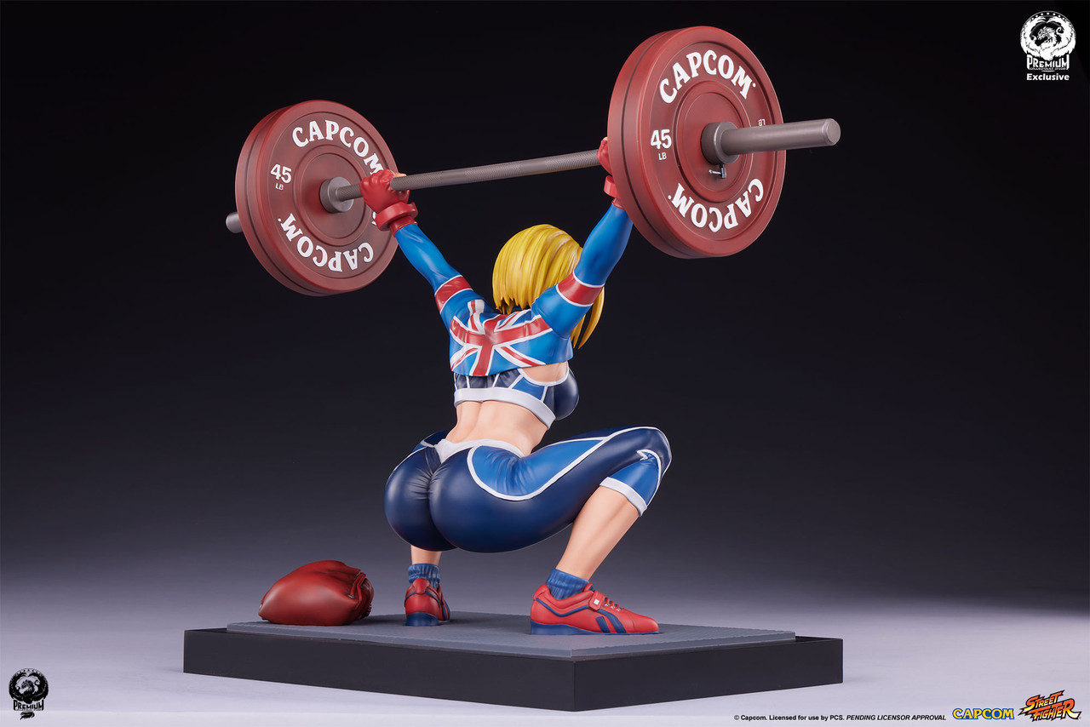
crMK DRC
Setup
Set CPU to Random Block
Set CPU to OD Reversal on Block - Count 1
Drill
crMK DRC, if the opponent blocks then you press stLP to jail, then reset.
crMK DRC, if the opponent is hit, you press stMP, crHP, crMP xx H Arrow

Counter-Hit stMP
Setup
Set CPU to Random Block
Set CPU to Random Counter (turn off Punish Counter)
Drill
Press stMP. On block, or regular hit, do nothing.
Press stMP. On Counter-Hit, press stHP > HK xx L/M Arrow

Dive Kicks
Setup
Start in the far corner, then record the Dummy walking back, then stopping, then walking back, stopping, etc
Drill
Perform different strength dive kicks and use different movement. Do them from crouching, do them after back dash, forward dash, after a button. The idea is to to get comfortable doing them in a pinch.

Anti-Airs
Setup
Select Anti-Air Practice
Turn on Slots 4 and 5
Create a seperate recording with the Dummy doing crMK
Drill
Walk back and forth with the opponent, staying just outside of their crMK range. Don't get caught by their crMK, and Anti-Air all of their jump in attempts with DP

Shimmy
Setup
Pick Ken
Change position to Corner
Set CPU to Wake up throw, 4f Delay
Set CPU to Wake up Neutral Jump
Set CPU to Wake up CrMK
Set CPU to Wake up Parry
Set CPU to wake up Forward Jump
Drill
Knock Dummy down using Medium Arrow
Walk forward, then Shimmy. You're going to crouch block to avoid being hit by crMK, this will also put you out of range of the throw.
Punish the tech, Anti-Air the Jump, Block the crMK, Throw Ken if he parries

Neutral Reactions
Setup
Pick Ken
Position Midscreen
Create Recording of Neutral Jump, DI
Create Recording of Neutral Jump, DR stLP
Create Recording of Neutral, Jump Forward HP
Drill
Activate All Recordings
Walk Forward slightly
Counter DI
Check DR
Anti-Air

