F02.CFG-Paths
 |  | VVSS, Info Romana, 2019-2020

F02. Afisarea task-rilor planificate intr-o anumita perioada de timp, precizata ca data si ora de inceput si data si ora de sfarsit.

F02. Covered source code |  |  | F02. Control Flow Graph (CFG) | F02. Cyclomatic Complexity (CC)
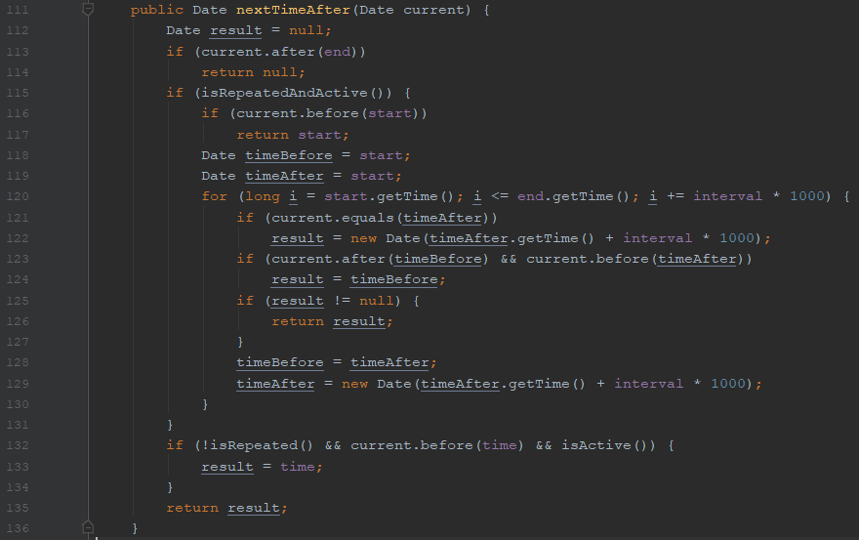
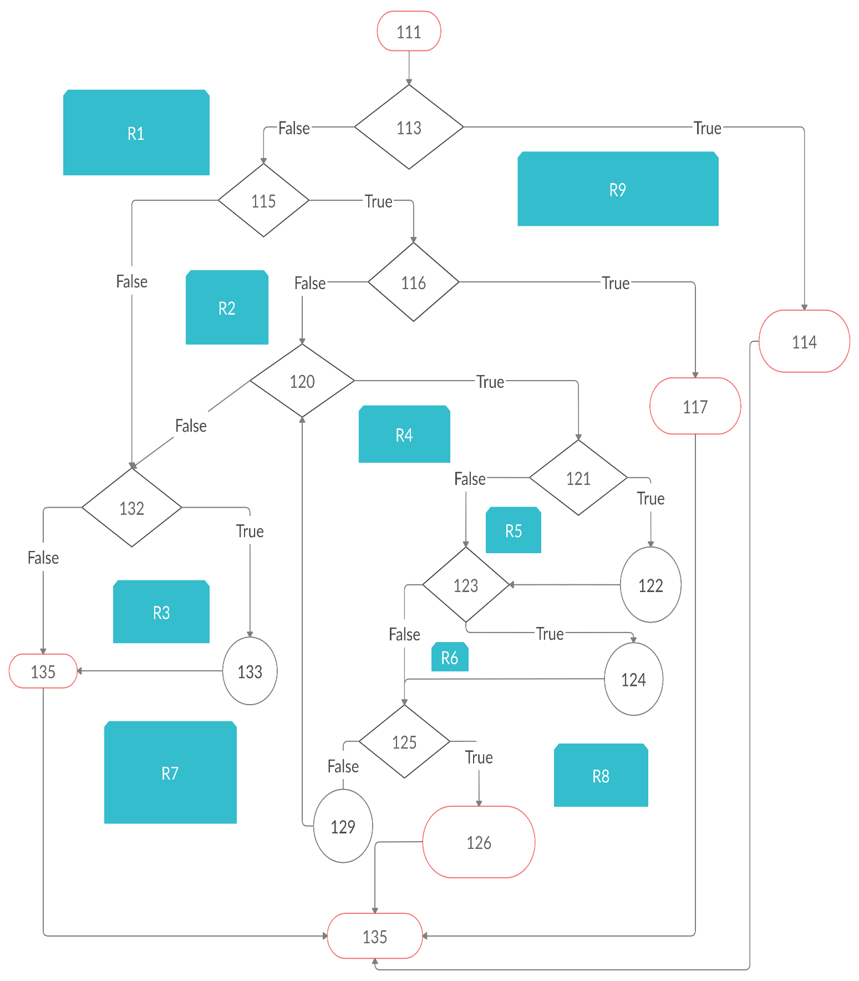
Line No. | Source code |  | Please insert the CFG for this associated source code | CC1 = No. of regions = |  | 9
Req02_L01 | … |  | It may be a screenshot, picture, etc. | CC2 = Edges - Nodes + 2 = 25- 18 + 2 = |  | 9
Req02_L02 | … |  |  | CC3 = No. of Conditions + 1 = |  | 9
Req02_L03 | …
... | …
.. | … |  |  | F02. Individual Paths
... | …
 |  |  |  | Path No. | Path
 |  |  |  | F02_P01 | 111 - 113(F) - 115(F)- 132(F) - 135 - 136
 |  |  |  | F02_P02 | 111 - 113(F) - 115(F)- 132(T) - 133 - 135 - 136
 |  |  |  | F02_P03 | 111 - 113(F) - 115(T) - 116(F) - 120(F) - 132(F) - 135 -136
 |  |  |  | F02_P04 | 111 - 113(F) - 115(T) - 116(F) - 120(F) - 132(T) - 133 - 135 -136
 |  |  |  | F02_P05 | 111 - 113(F) -115(T) - 116(F) - 120(T) -121(F) - 123(F) - 125(F) - 129 - 120
 |  |  |  | F02_P06 | 111 - 113(F) -115(T) - 116(F) - 120(T) -121(F) - 123(F) - 125(T) - 126 - 136
 |  |  |  | F02_P07 | 111 - 113(F) -115(T) - 116(F) - 120(T) -121(F) - 123(T) - 124 - 125(F) - 129 - 120
 |  |  |  | F02_P08 | 111 - 113(F) -115(T) - 116(F) - 120(T) -121(F) - 123(T) - 124 - 125(T) - 126 - 136
 |  |  |  | F02_P09 | 111 - 113(F) -115(T) - 116(F) - 120(T) -121(T) - 122 - 123(F) - 125(F) - 129 - 120
 |  |  |  | F02_P10 | 111 - 113(F) -115(T) - 116(F) - 120(T) -121(T) -122- 123(F) - 125(T) - 126 - 136
 |  |  |  | F02_P11 | 111 - 113(F) -115(T) - 116(F) - 120(T) -121(T) - 122 - 123(T) - 124 - 125(F) - 129 - 120
 |  |  |  | F02_P12 | 111 - 113(F) -115(T) - 116(F) - 120(T) -121(T) - 122 - 123(T) - 124 - 125(T) - 126 - 136
 |  |  |  | F02_P13 | 111 - 113(F) - 115(T) - 116(T) - 117 -136
 |  |  |  | F02_P14 | 111 - 113(T) - 114 - 136

