MIX_Avg
Average response time (ms)
 |  | ' | 3 | 'Average' response time (ms) for stress test
 | transaction | Average | Average | Average | Average | Average
 |  | 70% capacity | 120% capacity | 200% capacity | 300% capacity | 500% capacity
 | TC_Ed_Editpost | 539 | 1400 | 3190 | 3980 | 4910
 | TC_Ad_Add user | 338 | 854 | 2500 | 3210 | 3650
 | leave a comment | 116 | 400 | 905 | 1570 | 2840
 | TC_Ad_Login | 76 | 247 | 1100 | 1740 | 1760
 | TC_Ad_Delete user | 250 | 664 | 1380 | 2000 | 2180
 | TC_Ed_Open editpost page | 148 | 468 | 1290 | 1830 | 2490
 | TC_Search by Name | 150 | 418 | 897 | 1620 | 2850
 | TC_Ad_LogOff | 36 | 862 | 952 | 1660 | 2190
 | TC_Ad_Open login page | 109 | 485 | 948 | 3510 | 4110
 | TC_Open Random page =1 | 56 | 425 | 1130 | 2450 | 1750
 | TC_Ad_Open Users page | 200 | 584 | 1530 | 2080 | 2560
 | TC_Ed_Open login page | 89 | 156 | 714 | 1400 | 652
 | TC_Ad_Open Home page | 51 | 181 | 295 | 626 | 1180
 | Open Random post | 78 | 290 | 828 | 1500 | 2750
 | Open first post | 96 | 302 | 800 | 1470 | 2740
 | TC_start_Open Home page | 84 | 313 | 885 | 1580 | 2640
 | TC_Ed_Open Random post | 76 | 244 | 722 | 890 | 1250
 | TC_Open Home page | 75 | 278 | 788 | 1460 | 2730
 | TC_Ed_Open Predefined Date | 76 | 253 | 901 | 943 | 1240
 | TC_Open Large Calendar | 102 | 297 | 790 | 1480 | 2660
 | TC_Open Contacts | 93 | 253 | 755 | 1440 | 2640
 | TC_Open Random page >1 | 77 | 289 | 804 | 1420 | 2670
 | TC_Open Predefined Date | 80 | 290 | 800 | 1460 | 2740
 | TC_Open Random Date | 88 | 297 | 792 | 1420 | 2610
 | TC_Ad_Open Admin Page | 80 | 309 | 702 | 901 | 906
 | TC_Ad_Open USERS menu | 69 | 287 | 786 | 1100 | 1190
 | TC_Ed_Login | 42 | 64 | 294 | 715 | 178
 | TC_Ed_Open Home page | 30 | 62 | 212 | 526 | 269

 | Performance Indicators | 70% capacity | 120% capacity | 200% capacity | 300% capacity | 500% capacity
 | Throughput max (rps) | 36 | 58 | 68 | 67 | 87
 | Throughput avg (rps) | 30 | 38 | 41 | 39 | 37
 | CPU usage max (%) | 100 | 100 | 100 | 100 | 100
 | CPU usage avg (%) | 78 | 90 | 90 | 92 | 92
 | Memory usage max (%) | 95 | 89 | 85 | 88 | 88
 | Memory usage avg (%) | 81 | 86 | 81 | 83 | 83
 | IIS stopped during the test | N | N | N | N | N
 | An effective duration of test (sec) | 905 | 905 | 908 | 907 | 909
 | Transactions count | 27233 | 34758 | 35830 | 34632 | 33891
 | Error count | 44 | 104 | 114 | 55 | 41
 | Averge error rate (%) | 0.2 | 0.3 | 0.3 | 0.2 | 0.1

 |  | 70% capacity | 120% capacity | 200% capacity | 300% capacity | 500% capacity
TC_Ed_Editpost | Error rate TC_Ed_Editpost | 13% | 41% | 55% | 42% | 36%
leave a comment | Error rate leave a comment | 0% | 0% | 1% | 0% | 1%
Open Random post | Error rate Open Random post | - | 0% | 0% | - | -
TC_Ad_Add user | Error rate TC_Ad_Add user | 1% | 1% | - | 2% | -
TC_Open Home page | Error rate TC_Open Home page | - | - | - | - | -
Open first post | Error rate Open first post | - | 0% | 0% | 0% | -
TC_start_Open Home page | Error rate TC_start_Open Home page | - | - | - | - | -
TC_Search by Name | Error rate TC_Search by Name | - | - | - | - | -
TC_Open Random Date | Error rate TC_Open Random Date | - | - | - | - | -
TC_Open Predefined Date | Error rate TC_Open Predefined Date | - | - | - | - | -

MIX_Pct90
Pct90 response time (ms)
 | ' | 4 | 'pct90' response time (ms) for stress test
transaction | pct90 | pct90 | pct90 | pct90 | pct90
 | 70% capacity | 120% capacity | 200% capacity | 300% capacity | 500% capacity
TC_Ed_Editpost | 2980 | 4690 | 9350 | 11240 | 12380
TC_Ad_Add user | 2380 | 1920 | 8620 | 9600 | 13160
leave a comment | 768 | 1350 | 2220 | 3920 | 6960
TC_Ad_Login | 255 | 797 | 3880 | 5480 | 12460
TC_Ad_Delete user | 1330 | 2870 | 3180 | 5770 | 8170
TC_Ed_Open editpost page | 630 | 2030 | 3410 | 5890 | 8090
TC_Search by Name | 702 | 1350 | 2400 | 4310 | 6170
TC_Ad_LogOff | 119 | 6000 | 2320 | 4910 | 7100
TC_Ad_Open login page | 240 | 1810 | 2950 | 12810 | 15660
TC_Open Random page =1 | 174 | 954 | 2860 | 4220 | 4440
TC_Ad_Open Users page | 723 | 2150 | 7200 | 5880 | 8670
TC_Ed_Open login page | 280 | 445 | 1820 | 5160 | 1170
TC_Ad_Open Home page | 133 | 849 | 1160 | 2200 | 8910
Open Random post | 482 | 1110 | 3480 | 4020 | 6010
Open first post | 558 | 1190 | 2170 | 3990 | 6290
TC_start_Open Home page | 427 | 2000 | 3850 | 4270 | 5290
TC_Ed_Open Random post | 512 | 1280 | 1830 | 2520 | 4230
TC_Open Home page | 297 | 1440 | 2290 | 3880 | 5920
TC_Ed_Open Predefined Date | 497 | 1180 | 1410 | 2340 | 4390
TC_Open Large Calendar | 1210 | 1550 | 2020 | 4070 | 5310
TC_Open Contacts | 657 | 1010 | 1760 | 3340 | 5120
TC_Open Random page >1 | 704 | 1730 | 1740 | 3260 | 5800
TC_Open Predefined Date | 541 | 1290 | 2300 | 4770 | 6150
TC_Open Random Date | 791 | 1230 | 3370 | 3760 | 5640
TC_Ad_Open Admin Page | 567 | 1760 | 1490 | 2380 | 3680
TC_Ad_Open USERS menu | 215 | 1650 | 1670 | 3300 | 3940
TC_Ed_Login | 233 | 519 | 2790 | 2830 | 184
TC_Ed_Open Home page | 187 | 193 | 718 | 1920 | 363

Performance Indicators | 70% capacity | 120% capacity | 200% capacity | 300% capacity | 500% capacity
Throughput avg (rps) | 30 | 38 | 41 | 39 | 37
CPU usage avg (%) | 78 | 90 | 90 | 92 | 92
Memory usage avg (%) | 81 | 86 | 81 | 83 | 83
Averge error rate (%) | 0.2 | 0.3 | 0.3 | 0.2 | 0.1

70% capacity
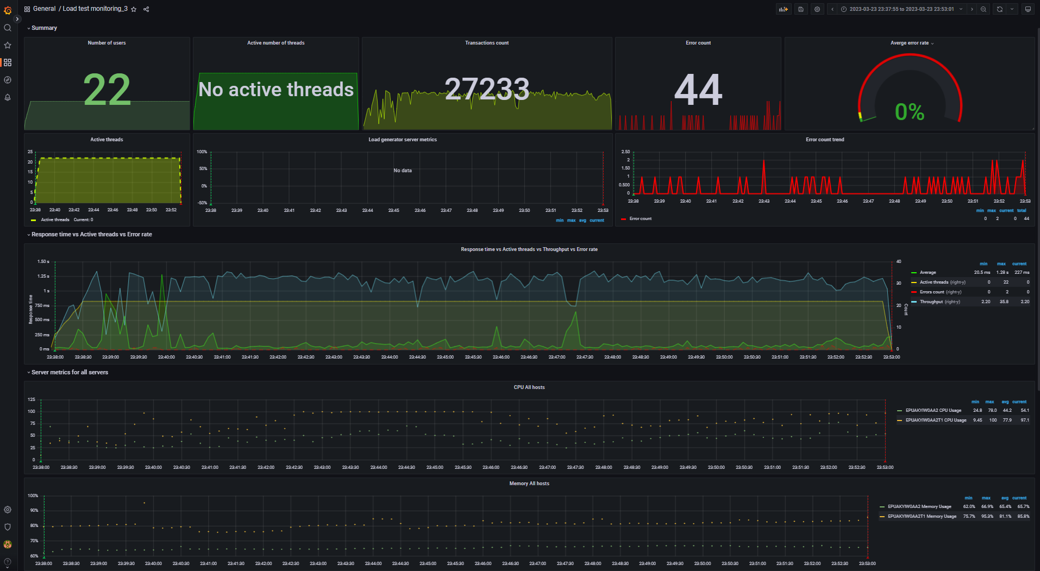
Aggregate report data for 70% capacity (DB mode) |  |  |  |  |  |  |  |  | Data converted to digital format
transaction | NumberOfSamples | Average | pct90 | pct95 | pct99 | Min | Max | Error Count | transaction | NumberOfSamples | Average | pct90 | pct95 | pct99 | Min | Max | Error Count
TC_start_Open Home page | 265 | 84.49 | 427.4 | 1.53 K | 1.84 K | 5 | 1.84 K | - | TC_start_Open Home page | 265 | 84.49 | 427.4 | 1530 | 1840 | 5 | 1840 | -
TC_Search by Name | 3.80 K | 149.91 | 702.2 | 1.50 K | 5.69 K | 0 | 5.69 K | - | TC_Search by Name | 3800 | 149.91 | 702.2 | 1500 | 5690 | 0 | 5690 | -
TC_Open Random page >1 | 964 | 76.86 | 704.2 | 1.42 K | 5.36 K | 0 | 5.40 K | - | TC_Open Random page >1 | 964 | 76.86 | 704.2 | 1420 | 5360 | 0 | 5400 | -
TC_Open Random page =1 | 14 | 56.33 | 174 | 174 | 299 | 6 | 299 | - | TC_Open Random page =1 | 14 | 56.33 | 174 | 174 | 299 | 6 | 299 | -
TC_Open Random Date | 1.26 K | 88.35 | 791.2 | 1.95 K | 5.18 K | 3 | 5.20 K | - | TC_Open Random Date | 1260 | 88.35 | 791.2 | 1950 | 5180 | 3 | 5200 | -
TC_Open Predefined Date | 3.86 K | 80.48 | 540.8 | 1.76 K | 5.26 K | 0 | 5.27 K | - | TC_Open Predefined Date | 3860 | 80.48 | 540.8 | 1760 | 5260 | 0 | 5270 | -
TC_Open Large Calendar | 1.26 K | 101.7 | 1.21 K | 1.50 K | 5.66 K | 0 | 5.68 K | - | TC_Open Large Calendar | 1260 | 101.7 | 1210 | 1500 | 5660 | 0 | 5680 | -
TC_Open Home page | 1.90 K | 74.61 | 296.6 | 1.84 K | 3.48 K | 5 | 3.48 K | - | TC_Open Home page | 1900 | 74.61 | 296.6 | 1840 | 3480 | 5 | 3480 | -
TC_Open Contacts | 535 | 93.2 | 656.8 | 1.61 K | 5.21 K | 3 | 5.21 K | - | TC_Open Contacts | 535 | 93.2 | 656.8 | 1610 | 5210 | 3 | 5210 | -
TC_Ed_Open login page | 6 | 88.58 | 280 | 280 | 280 | 59 | 280 | - | TC_Ed_Open login page | 6 | 88.58 | 280 | 280 | 280 | 59 | 280 | -
TC_Ed_Open editpost page | 283 | 147.58 | 629.9 | 2.03 K | 4.92 K | 4 | 4.92 K | - | TC_Ed_Open editpost page | 283 | 147.58 | 629.9 | 2030 | 4920 | 4 | 4920 | -
TC_Ed_Open Random post | 283 | 76.05 | 512.2 | 818 | 974 | 6 | 974 | - | TC_Ed_Open Random post | 283 | 76.05 | 512.2 | 818 | 974 | 6 | 974 | -
TC_Ed_Open Predefined Date | 283 | 75.65 | 497.4 | 1.45 K | 1.58 K | 5 | 1.58 K | - | TC_Ed_Open Predefined Date | 283 | 75.65 | 497.4 | 1450 | 1580 | 5 | 1580 | -
TC_Ed_Open Home page | 6 | 29.88 | 187 | 187 | 187 | 5 | 187 | - | TC_Ed_Open Home page | 6 | 29.88 | 187 | 187 | 187 | 5 | 187 | -
TC_Ed_Login | 6 | 41.85 | 233 | 233 | 233 | 14 | 233 | - | TC_Ed_Login | 6 | 41.85 | 233 | 233 | 233 | 14 | 233 | -
TC_Ed_LogOff | 4 | 17.25 | 32 | 32 | 32 | 12 | 32 | - | TC_Ed_LogOff | 4 | 17.25 | 32 | 32 | 32 | 12 | 32 | -
TC_Ad_Open login page | 46 | 108.74 | 240 | 380.5 | 615 | 43 | 615 | - | TC_Ad_Open login page | 46 | 108.74 | 240 | 380.5 | 615 | 43 | 615 | -
TC_Ad_Open Users page | 449 | 200.21 | 722.5 | 2.84 K | 4.32 K | 0 | 4.32 K | - | TC_Ad_Open Users page | 449 | 200.21 | 722.5 | 2840 | 4320 | 0 | 4320 | -
TC_Ad_Open USERS menu | 449 | 68.66 | 215.2 | 958.9 | 1.59 K | 2 | 1.59 K | - | TC_Ad_Open USERS menu | 449 | 68.66 | 215.2 | 958.9 | 1590 | 2 | 1590 | -
TC_Ad_Open Home page | 46 | 51.06 | 132.7 | 165.2 | 225 | 5 | 225 | - | TC_Ad_Open Home page | 46 | 51.06 | 132.7 | 165.2 | 225 | 5 | 225 | -
TC_Ad_Open Admin Page | 449 | 80.25 | 566.9 | 1.86 K | 2.33 K | 1 | 2.33 K | - | TC_Ad_Open Admin Page | 449 | 80.25 | 566.9 | 1860 | 2330 | 1 | 2330 | -
TC_Ad_Login | 46 | 76.36 | 254.8 | 367.6 | 373 | 11 | 373 | - | TC_Ad_Login | 46 | 76.36 | 254.8 | 367.6 | 373 | 11 | 373 | -
TC_Ad_LogOff | 44 | 35.73 | 119.1 | 165.8 | 375 | 7 | 375 | - | TC_Ad_LogOff | 44 | 35.73 | 119.1 | 165.8 | 375 | 7 | 375 | -
TC_Ad_Delete user | 221 | 249.59 | 1.33 K | 4.71 K | 5.69 K | 7 | 5.69 K | - | TC_Ad_Delete user | 221 | 249.59 | 1330 | 4710 | 5690 | 7 | 5690 | -
Open first post | 2.83 K | 96.18 | 558 | 1.60 K | 5.71 K | 5 | 5.71 K | - | Open first post | 2830 | 96.18 | 558 | 1600 | 5710 | 5 | 5710 | -
Open Random post | 5.72 K | 77.67 | 482.2 | 1.23 K | 5.53 K | 5 | 5.54 K | - | Open Random post | 5720 | 77.67 | 482.2 | 1230 | 5530 | 5 | 5540 | -
TC_Ed_Editpost | 282 | 538.58 | 2.98 K | 4.80 K | 5.75 K | 110 | 5.75 K | 37 | TC_Ed_Editpost | 282 | 538.58 | 2980 | 4800 | 5750 | 110 | 5750 | 37
leave a comment | 1.69 K | 116.34 | 768.1 | 1.90 K | 3.14 K | 1 | 3.15 K | 5 | leave a comment | 1690 | 116.34 | 768.1 | 1900 | 3140 | 1 | 3150 | 5
TC_Ad_Add user | 227 | 337.67 | 2.38 K | 4.01 K | 6.88 K | 8 | 6.88 K | 2 | TC_Ad_Add user | 227 | 337.67 | 2380 | 4010 | 6880 | 8 | 6880 | 2

 |  |  |  |  |  |  |  |  | -- Performance Ind. -- | -- Data --
 |  |  |  |  |  |  |  |  | Throughput max (rps) | 35.8
 |  |  |  |  |  |  |  |  | Throughput avg (rps) | 30.1
 |  |  |  |  |  |  |  |  | CPU usage max (%) | 100
 |  |  |  |  |  |  |  |  | CPU usage avg (%) | 77.9
 |  |  |  |  |  |  |  |  | Memory usage max (%) | 95.3
 |  |  |  |  |  |  |  |  | Memory usage avg (%) | 81.1
 |  |  |  |  |  |  |  |  | IIS stopped during the test | N | http://localhost:3000/d/rxKcwpFmk_3/load-test-monitoring_3?orgId=1&from=1679607475868&to=1679608381031&var-group_time=5s&var-metric=All&var-scenario=All&var-transactions=All&var-server_measurements=All&var-host=All&var-measurement=jmeter
 |  |  |  |  |  |  |  |  | An effective duration of test (sec) | 905 | 1679607475868 | 1679608381031

 |  |  |  |  |  |  |  |  | Transactions count | 27233
 |  |  |  |  |  |  |  |  | Error count | 44
 |  |  |  |  |  |  |  |  | Averge error rate (%) | 0.2

120% capacity
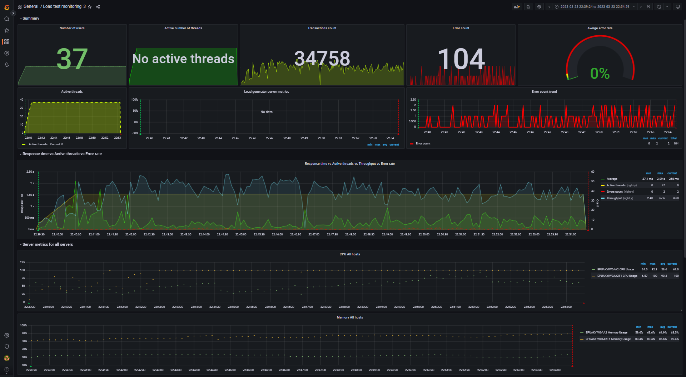
Aggregate report data for 120% capacity (DB mode) |  |  |  |  |  |  |  |  | Data converted to digital format
transaction | NumberOfSamples | Average | pct90 | pct95 | pct99 | Min | Max | Error Count | transaction | NumberOfSamples | Average | pct90 | pct95 | pct99 | Min | Max | Error Count
TC_start_Open Home page | 364 | 313.42 | 2.00 K | 2.98 K | 3.49 K | 6 | 3.49 K | - | TC_start_Open Home page | 364 | 313.42 | 2000 | 2980 | 3490 | 6 | 3490 | -
TC_Search by Name | 5.03 K | 417.8 | 1.35 K | 2.15 K | 3.74 K | 0 | 7.51 K | - | TC_Search by Name | 5030 | 417.8 | 1350 | 2150 | 3740 | 0 | 7510 | -
TC_Open Random page >1 | 1.36 K | 288.99 | 1.73 K | 3.38 K | 7.43 K | 0 | 7.49 K | - | TC_Open Random page >1 | 1360 | 288.99 | 1730 | 3380 | 7430 | 0 | 7490 | -
TC_Open Random page =1 | 13 | 424.79 | 954 | 954 | 954 | 32 | 954 | - | TC_Open Random page =1 | 13 | 424.79 | 954 | 954 | 954 | 32 | 954 | -
TC_Open Random Date | 1.69 K | 297.29 | 1.23 K | 1.88 K | 6.11 K | 3 | 6.11 K | - | TC_Open Random Date | 1690 | 297.29 | 1230 | 1880 | 6110 | 3 | 6110 | -
TC_Open Predefined Date | 5.17 K | 289.86 | 1.29 K | 2.13 K | 7.43 K | 0 | 7.43 K | - | TC_Open Predefined Date | 5170 | 289.86 | 1290 | 2130 | 7430 | 0 | 7430 | -
TC_Open Large Calendar | 1.69 K | 297.03 | 1.55 K | 2.15 K | 6.04 K | 0 | 6.09 K | - | TC_Open Large Calendar | 1690 | 297.03 | 1550 | 2150 | 6040 | 0 | 6090 | -
TC_Open Home page | 2.73 K | 277.78 | 1.44 K | 1.82 K | 7.38 K | 0 | 7.39 K | - | TC_Open Home page | 2730 | 277.78 | 1440 | 1820 | 7380 | 0 | 7390 | -
TC_Open Contacts | 699 | 253.18 | 1.01 K | 1.73 K | 2.31 K | 4 | 2.31 K | - | TC_Open Contacts | 699 | 253.18 | 1010 | 1730 | 2310 | 4 | 2310 | -
TC_Ed_Open login page | 6 | 155.9 | 445 | 445 | 445 | 61 | 445 | - | TC_Ed_Open login page | 6 | 155.9 | 445 | 445 | 445 | 61 | 445 | -
TC_Ed_Open editpost page | 225 | 467.5 | 2.03 K | 2.97 K | 3.90 K | 5 | 3.90 K | - | TC_Ed_Open editpost page | 225 | 467.5 | 2030 | 2970 | 3900 | 5 | 3900 | -
TC_Ed_Open Random post | 225 | 244.15 | 1.28 K | 1.49 K | 1.50 K | 8 | 1.50 K | - | TC_Ed_Open Random post | 225 | 244.15 | 1280 | 1490 | 1500 | 8 | 1500 | -
TC_Ed_Open Predefined Date | 225 | 252.54 | 1.18 K | 1.92 K | 1.97 K | 5 | 1.97 K | - | TC_Ed_Open Predefined Date | 225 | 252.54 | 1180 | 1920 | 1970 | 5 | 1970 | -
TC_Ed_Open Home page | 6 | 62.27 | 193 | 193 | 193 | 9 | 193 | - | TC_Ed_Open Home page | 6 | 62.27 | 193 | 193 | 193 | 9 | 193 | -
TC_Ed_Login | 6 | 64.25 | 519 | 519 | 519 | 17 | 519 | - | TC_Ed_Login | 6 | 64.25 | 519 | 519 | 519 | 17 | 519 | -
TC_Ed_LogOff | 4 | 567.17 | 785 | 785 | 785 | 52 | 785 | - | TC_Ed_LogOff | 4 | 567.17 | 785 | 785 | 785 | 52 | 785 | -
TC_Ad_Open login page | 33 | 484.5 | 1.81 K | 2.81 K | 2.81 K | 44 | 2.81 K | - | TC_Ad_Open login page | 33 | 484.5 | 1810 | 2810 | 2810 | 44 | 2810 | -
TC_Ad_Open Users page | 321 | 583.79 | 2.15 K | 3.78 K | 7.59 K | 0 | 7.65 K | - | TC_Ad_Open Users page | 321 | 583.79 | 2150 | 3780 | 7590 | 0 | 7650 | -
TC_Ad_Open USERS menu | 321 | 287.24 | 1.65 K | 2.17 K | 2.59 K | 3 | 2.59 K | - | TC_Ad_Open USERS menu | 321 | 287.24 | 1650 | 2170 | 2590 | 3 | 2590 | -
TC_Ad_Open Home page | 33 | 180.99 | 849 | 849 | 858 | 14 | 858 | - | TC_Ad_Open Home page | 33 | 180.99 | 849 | 849 | 858 | 14 | 858 | -
TC_Ad_Open Admin Page | 321 | 309.45 | 1.76 K | 2.41 K | 2.59 K | 1 | 2.59 K | - | TC_Ad_Open Admin Page | 321 | 309.45 | 1760 | 2410 | 2590 | 1 | 2590 | -
TC_Ad_Login | 33 | 247.22 | 797 | 841.5 | 852 | 22 | 852 | - | TC_Ad_Login | 33 | 247.22 | 797 | 841.5 | 852 | 22 | 852 | -
TC_Ad_LogOff | 31 | 861.5 | 6.00 K | 6.00 K | 6.00 K | 8 | 6.00 K | - | TC_Ad_LogOff | 31 | 861.5 | 6000 | 6000 | 6000 | 8 | 6000 | -
TC_Ad_Delete user | 162 | 663.99 | 2.87 K | 3.39 K | 3.47 K | 15 | 3.47 K | - | TC_Ad_Delete user | 162 | 663.99 | 2870 | 3390 | 3470 | 15 | 3470 | -
TC_Ed_Editpost | 224 | 1.40 K | 4.69 K | 5.44 K | 7.82 K | 175 | 7.82 K | 91 | TC_Ed_Editpost | 224 | 1400 | 4690 | 5440 | 7820 | 175 | 7820 | 91
leave a comment | 2.22 K | 400.32 | 1.35 K | 2.34 K | 7.35 K | 14 | 7.35 K | 8 | leave a comment | 2220 | 400.32 | 1350 | 2340 | 7350 | 14 | 7350 | 8
Open Random post | 7.55 K | 290.13 | 1.11 K | 2.08 K | 6.91 K | 5 | 7.59 K | 3 | Open Random post | 7550 | 290.13 | 1110 | 2080 | 6910 | 5 | 7590 | 3
TC_Ad_Add user | 158 | 853.98 | 1.92 K | 2.53 K | 8.06 K | 16 | 8.06 K | 1 | TC_Ad_Add user | 158 | 853.98 | 1920 | 2530 | 8060 | 16 | 8060 | 1
Open first post | 3.90 K | 301.97 | 1.19 K | 2.24 K | 7.42 K | 5 | 7.42 K | 1 | Open first post | 3900 | 301.97 | 1190 | 2240 | 7420 | 5 | 7420 | 1

 |  |  |  |  |  |  |  |  | -- Performance Ind. -- | -- Data --
 |  |  |  |  |  |  |  |  | Throughput max (rps) | 57.6
 |  |  |  |  |  |  |  |  | Throughput avg (rps) | 38.4
 |  |  |  |  |  |  |  |  | CPU usage max (%) | 100
 |  |  |  |  |  |  |  |  | CPU usage avg (%) | 90.4
 |  |  |  |  |  |  |  |  | Memory usage max (%) | 89.4
 |  |  |  |  |  |  |  |  | Memory usage avg (%) | 85.5
 |  |  |  |  |  |  |  |  | IIS stopped during the test | N | http://localhost:3000/d/rxKcwpFmk_3/load-test-monitoring_3?orgId=1&from=1679603964143&to=1679604869427&var-group_time=5s&var-metric=All&var-scenario=All&var-transactions=All&var-server_measurements=All&var-host=All&var-measurement=jmeter
 |  |  |  |  |  |  |  |  | An effective duration of test (sec) | 905 | 1679603964143 | 1679604869427

 |  |  |  |  |  |  |  |  | Transactions count | 34758
 |  |  |  |  |  |  |  |  | Error count | 104
 |  |  |  |  |  |  |  |  | Averge error rate (%) | 0.3

200% capacity
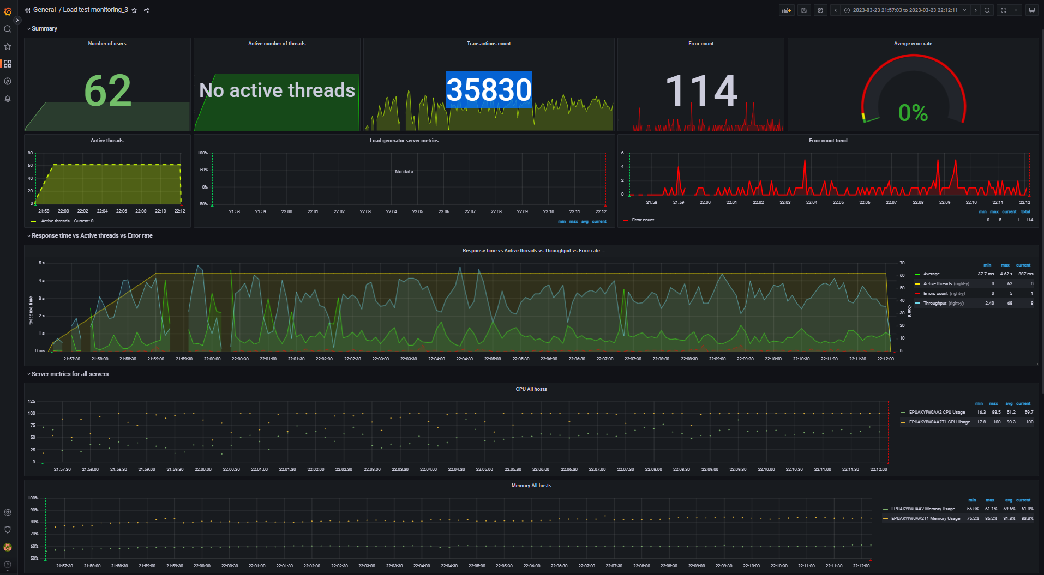
Aggregate report data for 200% capacity (DB mode) |  |  |  |  |  |  |  |  | Data converted to digital format
transaction | NumberOfSamples | Average | pct90 | pct95 | pct99 | Min | Max | Error Count | transaction | NumberOfSamples | Average | pct90 | pct95 | pct99 | Min | Max | Error Count
TC_start_Open Home page | 391 | 884.75 | 3.85 K | 6.91 K | 15.74 K | 7 | 15.74 K | - | TC_start_Open Home page | 391 | 884.75 | 3850 | 6910 | 15740 | 7 | 15740 | -
TC_Search by Name | 5.50 K | 896.84 | 2.40 K | 5.47 K | 15.88 K | 0 | 20.59 K | - | TC_Search by Name | 5500 | 896.84 | 2400 | 5470 | 15880 | 0 | 20590 | -
TC_Open Random page >1 | 1.39 K | 804.39 | 1.74 K | 18.51 K | 20.61 K | 0 | 20.61 K | - | TC_Open Random page >1 | 1390 | 804.39 | 1740 | 18510 | 20610 | 0 | 20610 | -
TC_Open Random page =1 | 15 | 1.13 K | 2.86 K | 2.86 K | 2.86 K | 172 | 2.86 K | - | TC_Open Random page =1 | 15 | 1130 | 2860 | 2860 | 2860 | 172 | 2860 | -
TC_Open Random Date | 1.81 K | 792 | 3.37 K | 5.82 K | 20.43 K | 3 | 20.43 K | - | TC_Open Random Date | 1810 | 792 | 3370 | 5820 | 20430 | 3 | 20430 | -
TC_Open Predefined Date | 5.55 K | 800.19 | 2.30 K | 7.46 K | 15.67 K | 0 | 20.44 K | - | TC_Open Predefined Date | 5550 | 800.19 | 2300 | 7460 | 15670 | 0 | 20440 | -
TC_Open Large Calendar | 1.80 K | 790.23 | 2.02 K | 6.44 K | 20.56 K | 6 | 20.56 K | - | TC_Open Large Calendar | 1800 | 790.23 | 2020 | 6440 | 20560 | 6 | 20560 | -
TC_Open Home page | 2.71 K | 787.65 | 2.29 K | 7.60 K | 20.45 K | 0 | 20.45 K | - | TC_Open Home page | 2710 | 787.65 | 2290 | 7600 | 20450 | 0 | 20450 | -
TC_Open Contacts | 694 | 754.59 | 1.76 K | 5.27 K | 19.11 K | 5 | 19.11 K | - | TC_Open Contacts | 694 | 754.59 | 1760 | 5270 | 19110 | 5 | 19110 | -
TC_Ed_Open login page | 4 | 714.17 | 1.82 K | 1.82 K | 1.82 K | 171 | 1.82 K | - | TC_Ed_Open login page | 4 | 714.17 | 1820 | 1820 | 1820 | 171 | 1820 | -
TC_Ed_Open Random post | 152 | 722.12 | 1.83 K | 7.80 K | 7.80 K | 8 | 7.80 K | - | TC_Ed_Open Random post | 152 | 722.12 | 1830 | 7800 | 7800 | 8 | 7800 | -
TC_Ed_Open Predefined Date | 152 | 901.49 | 1.41 K | 15.34 K | 19.15 K | 7 | 19.15 K | - | TC_Ed_Open Predefined Date | 152 | 901.49 | 1410 | 15340 | 19150 | 7 | 19150 | -
TC_Ed_Open Home page | 4 | 212.42 | 718 | 718 | 718 | 14 | 718 | - | TC_Ed_Open Home page | 4 | 212.42 | 718 | 718 | 718 | 14 | 718 | -
TC_Ed_Login | 4 | 293.79 | 2.79 K | 2.79 K | 2.79 K | 37 | 2.79 K | - | TC_Ed_Login | 4 | 293.79 | 2790 | 2790 | 2790 | 37 | 2790 | -
TC_Ed_LogOff | 2 | 887 | 948 | 948 | 948 | 704 | 948 | - | TC_Ed_LogOff | 2 | 887 | 948 | 948 | 948 | 704 | 948 | -
TC_Ad_Open login page | 20 | 947.75 | 2.95 K | 3.89 K | 3.89 K | 100 | 3.89 K | - | TC_Ad_Open login page | 20 | 947.75 | 2950 | 3890 | 3890 | 100 | 3890 | -
TC_Ad_Open Users page | 195 | 1.53 K | 7.20 K | 8.58 K | 9.10 K | 33 | 9.10 K | - | TC_Ad_Open Users page | 195 | 1530 | 7200 | 8580 | 9100 | 33 | 9100 | -
TC_Ad_Open USERS menu | 196 | 785.95 | 1.67 K | 6.70 K | 15.57 K | 0 | 15.57 K | - | TC_Ad_Open USERS menu | 196 | 785.95 | 1670 | 6700 | 15570 | 0 | 15570 | -
TC_Ad_Open Home page | 20 | 294.98 | 1.16 K | 1.37 K | 1.37 K | 10 | 1.37 K | - | TC_Ad_Open Home page | 20 | 294.98 | 1160 | 1370 | 1370 | 10 | 1370 | -
TC_Ad_Open Admin Page | 196 | 702.24 | 1.49 K | 2.28 K | 19.34 K | 2 | 19.34 K | - | TC_Ad_Open Admin Page | 196 | 702.24 | 1490 | 2280 | 19340 | 2 | 19340 | -
TC_Ad_Login | 20 | 1.10 K | 3.88 K | 3.88 K | 3.88 K | 18 | 3.88 K | - | TC_Ad_Login | 20 | 1100 | 3880 | 3880 | 3880 | 18 | 3880 | -
TC_Ad_LogOff | 18 | 951.71 | 2.32 K | 2.32 K | 2.32 K | 257 | 2.32 K | - | TC_Ad_LogOff | 18 | 951.71 | 2320 | 2320 | 2320 | 257 | 2320 | -
TC_Ad_Delete user | 97 | 1.38 K | 3.18 K | 5.60 K | 8.26 K | 14 | 8.26 K | - | TC_Ad_Delete user | 97 | 1380 | 3180 | 5600 | 8260 | 14 | 8260 | -
TC_Ad_Add user | 97 | 2.50 K | 8.62 K | 21.55 K | 22.43 K | 59 | 22.43 K | - | TC_Ad_Add user | 97 | 2500 | 8620 | 21550 | 22430 | 59 | 22430 | -
TC_Ed_Editpost | 152 | 3.19 K | 9.35 K | 19.07 K | 27.28 K | 188 | 27.28 K | 83 | TC_Ed_Editpost | 152 | 3190 | 9350 | 19070 | 27280 | 188 | 27280 | 83
leave a comment | 2.40 K | 905.47 | 2.22 K | 6.31 K | 20.42 K | 2 | 20.42 K | 26 | leave a comment | 2400 | 905.47 | 2220 | 6310 | 20420 | 2 | 20420 | 26
TC_Ed_Open editpost page | 152 | 1.29 K | 3.41 K | 5.00 K | 8.34 K | 6 | 8.34 K | 3 | TC_Ed_Open editpost page | 152 | 1290 | 3410 | 5000 | 8340 | 6 | 8340 | 3
Open first post | 4.16 K | 800.15 | 2.17 K | 8.74 K | 20.40 K | 6 | 20.41 K | 1 | Open first post | 4160 | 800.15 | 2170 | 8740 | 20400 | 6 | 20410 | 1
Open Random post | 7.93 K | 828.11 | 3.48 K | 7.06 K | 15.80 K | 5 | 20.56 K | 1 | Open Random post | 7930 | 828.11 | 3480 | 7060 | 15800 | 5 | 20560 | 1

 |  |  |  |  |  |  |  |  | -- Performance Ind. -- | -- Data --
 |  |  |  |  |  |  |  |  | Throughput max (rps) | 68
 |  |  |  |  |  |  |  |  | Throughput avg (rps) | 41
 |  |  |  |  |  |  |  |  | CPU usage max (%) | 100
 |  |  |  |  |  |  |  |  | CPU usage avg (%) | 90.3
 |  |  |  |  |  |  |  |  | Memory usage max (%) | 85.2
 |  |  |  |  |  |  |  |  | Memory usage avg (%) | 81.3
 |  |  |  |  |  |  |  |  | IIS stopped during the test | N | http://localhost:3000/d/rxKcwpFmk_3/load-test-monitoring_3?orgId=1&from=1679601423214&to=1679602331141&var-group_time=5s&var-metric=All&var-scenario=All&var-transactions=All&var-server_measurements=All&var-host=All&var-measurement=jmeter
 |  |  |  |  |  |  |  |  | An effective duration of test (sec) | 908 | 1679601423214 | 1679602331141

 |  |  |  |  |  |  |  |  | Transactions count | 35830
 |  |  |  |  |  |  |  |  | Error count | 114
 |  |  |  |  |  |  |  |  | Averge error rate (%) | 0.3

300% capacity
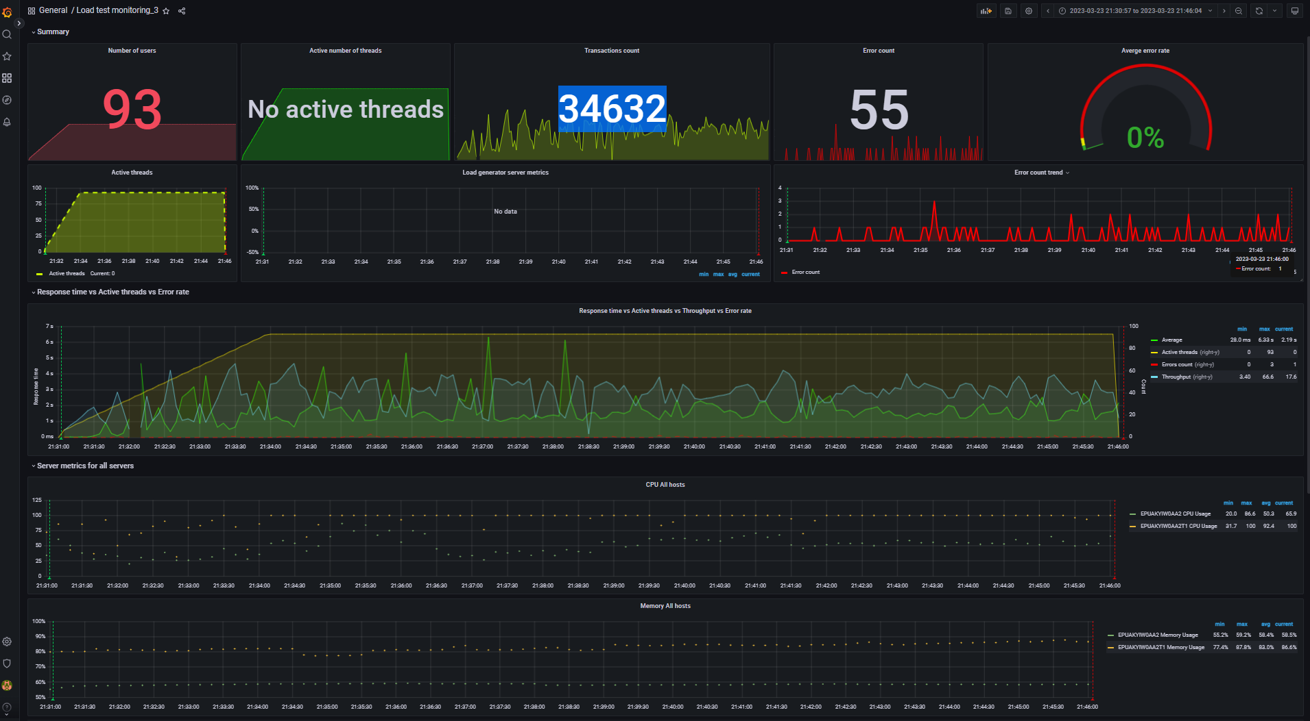
Aggregate report data for 300% capacity (DB mode) |  |  |  |  |  |  |  |  | Data converted to digital format
transaction | NumberOfSamples | Average | pct90 | pct95 | pct99 | Min | Max | Error Count | transaction | NumberOfSamples | Average | pct90 | pct95 | pct99 | Min | Max | Error Count
TC_start_Open Home page | 395 | 1.58 K | 4.27 K | 8.16 K | 9.35 K | 8 | 9.35 K | - | TC_start_Open Home page | 395 | 1580 | 4270 | 8160 | 9350 | 8 | 9350 | -
TC_Search by Name | 5.35 K | 1.62 K | 4.31 K | 5.85 K | 9.91 K | 0 | 9.91 K | - | TC_Search by Name | 5350 | 1620 | 4310 | 5850 | 9910 | 0 | 9910 | -
TC_Open Random page >1 | 1.25 K | 1.42 K | 3.26 K | 6.87 K | 7.99 K | 0 | 7.99 K | - | TC_Open Random page >1 | 1250 | 1420 | 3260 | 6870 | 7990 | 0 | 7990 | -
TC_Open Random page =1 | 11 | 2.45 K | 4.22 K | 4.22 K | 4.22 K | 834 | 4.22 K | - | TC_Open Random page =1 | 11 | 2450 | 4220 | 4220 | 4220 | 834 | 4220 | -
TC_Open Random Date | 1.76 K | 1.42 K | 3.76 K | 6.73 K | 8.12 K | 4 | 8.12 K | - | TC_Open Random Date | 1760 | 1420 | 3760 | 6730 | 8120 | 4 | 8120 | -
TC_Open Predefined Date | 5.51 K | 1.46 K | 4.77 K | 5.85 K | 9.91 K | 4 | 9.91 K | - | TC_Open Predefined Date | 5510 | 1460 | 4770 | 5850 | 9910 | 4 | 9910 | -
TC_Open Large Calendar | 1.80 K | 1.48 K | 4.07 K | 7.48 K | 8.34 K | 0 | 8.34 K | - | TC_Open Large Calendar | 1800 | 1480 | 4070 | 7480 | 8340 | 0 | 8340 | -
TC_Open Home page | 2.55 K | 1.46 K | 3.88 K | 7.87 K | 9.90 K | 6 | 9.90 K | - | TC_Open Home page | 2550 | 1460 | 3880 | 7870 | 9900 | 6 | 9900 | -
TC_Open Contacts | 758 | 1.44 K | 3.34 K | 6.65 K | 8.97 K | 4 | 8.97 K | - | TC_Open Contacts | 758 | 1440 | 3340 | 6650 | 8970 | 4 | 8970 | -
TC_Ed_Open login page | 4 | 1.40 K | 5.16 K | 5.16 K | 5.16 K | 63 | 5.16 K | - | TC_Ed_Open login page | 4 | 1400 | 5160 | 5160 | 5160 | 63 | 5160 | -
TC_Ed_Open editpost page | 113 | 1.83 K | 5.89 K | 7.24 K | 8.22 K | 8 | 8.22 K | - | TC_Ed_Open editpost page | 113 | 1830 | 5890 | 7240 | 8220 | 8 | 8220 | -
TC_Ed_Open Random post | 114 | 889.8 | 2.52 K | 2.94 K | 4.09 K | 6 | 4.09 K | - | TC_Ed_Open Random post | 114 | 889.8 | 2520 | 2940 | 4090 | 6 | 4090 | -
TC_Ed_Open Predefined Date | 114 | 942.61 | 2.34 K | 3.84 K | 4.77 K | 6 | 4.77 K | - | TC_Ed_Open Predefined Date | 114 | 942.61 | 2340 | 3840 | 4770 | 6 | 4770 | -
TC_Ed_Open Home page | 4 | 525.94 | 1.92 K | 1.92 K | 1.92 K | 15 | 1.92 K | - | TC_Ed_Open Home page | 4 | 525.94 | 1920 | 1920 | 1920 | 15 | 1920 | -
TC_Ed_Login | 4 | 714.63 | 2.83 K | 2.83 K | 2.83 K | 17 | 2.83 K | - | TC_Ed_Login | 4 | 714.63 | 2830 | 2830 | 2830 | 17 | 2830 | -
TC_Ed_LogOff | 2 | 3.64 K | 4.01 K | 4.01 K | 4.01 K | 3.51 K | 4.01 K | - | TC_Ed_LogOff | 2 | 3640 | 4010 | 4010 | 4010 | 3510 | 4010 | -
TC_Ad_Open login page | 14 | 3.51 K | 12.81 K | 12.81 K | 12.81 K | 83 | 12.81 K | - | TC_Ad_Open login page | 14 | 3510 | 12810 | 12810 | 12810 | 83 | 12810 | -
TC_Ad_Open Users page | 132 | 2.08 K | 5.88 K | 7.92 K | 9.67 K | 25 | 9.67 K | - | TC_Ad_Open Users page | 132 | 2080 | 5880 | 7920 | 9670 | 25 | 9670 | -
TC_Ad_Open USERS menu | 133 | 1.10 K | 3.30 K | 5.64 K | 6.75 K | 3 | 6.75 K | - | TC_Ad_Open USERS menu | 133 | 1100 | 3300 | 5640 | 6750 | 3 | 6750 | -
TC_Ad_Open Home page | 14 | 625.68 | 2.20 K | 2.22 K | 2.22 K | 11 | 2.22 K | - | TC_Ad_Open Home page | 14 | 625.68 | 2200 | 2220 | 2220 | 11 | 2220 | -
TC_Ad_Open Admin Page | 133 | 900.85 | 2.38 K | 3.26 K | 3.30 K | 2 | 3.30 K | - | TC_Ad_Open Admin Page | 133 | 900.85 | 2380 | 3260 | 3300 | 2 | 3300 | -
TC_Ad_Login | 14 | 1.74 K | 5.48 K | 5.48 K | 5.48 K | 19 | 5.48 K | - | TC_Ad_Login | 14 | 1740 | 5480 | 5480 | 5480 | 19 | 5480 | -
TC_Ad_LogOff | 12 | 1.66 K | 4.91 K | 4.91 K | 4.91 K | 114 | 4.91 K | - | TC_Ad_LogOff | 12 | 1660 | 4910 | 4910 | 4910 | 114 | 4910 | -
TC_Ad_Delete user | 66 | 2.00 K | 5.77 K | 7.21 K | 7.21 K | 17 | 7.21 K | - | TC_Ad_Delete user | 66 | 2000 | 5770 | 7210 | 7210 | 17 | 7210 | -
Open Random post | 7.82 K | 1.50 K | 4.02 K | 6.56 K | 9.79 K | 5 | 9.80 K | - | Open Random post | 7820 | 1500 | 4020 | 6560 | 9790 | 5 | 9800 | -
TC_Ed_Editpost | 113 | 3.98 K | 11.24 K | 12.20 K | 12.28 K | 104 | 12.28 K | 48 | TC_Ed_Editpost | 113 | 3980 | 11240 | 12200 | 12280 | 104 | 12280 | 48
leave a comment | 2.30 K | 1.57 K | 3.92 K | 6.65 K | 9.53 K | 13 | 9.53 K | 5 | leave a comment | 2300 | 1570 | 3920 | 6650 | 9530 | 13 | 9530 | 5
TC_Ad_Add user | 65 | 3.21 K | 9.60 K | 14.82 K | 14.82 K | 15 | 14.82 K | 1 | TC_Ad_Add user | 65 | 3210 | 9600 | 14820 | 14820 | 15 | 14820 | 1
Open first post | 4.08 K | 1.47 K | 3.99 K | 6.84 K | 10.28 K | 5 | 10.28 K | 1 | Open first post | 4080 | 1470 | 3990 | 6840 | 10280 | 5 | 10280 | 1

 |  |  |  |  |  |  |  |  | -- Performance Ind. -- | -- Data --
 |  |  |  |  |  |  |  |  | Throughput max (rps) | 66.6
 |  |  |  |  |  |  |  |  | Throughput avg (rps) | 38.5
 |  |  |  |  |  |  |  |  | CPU usage max (%) | 100
 |  |  |  |  |  |  |  |  | CPU usage avg (%) | 92.4
 |  |  |  |  |  |  |  |  | Memory usage max (%) | 87.8
 |  |  |  |  |  |  |  |  | Memory usage avg (%) | 83
 |  |  |  |  |  |  |  |  | IIS stopped during the test | N | http://localhost:3000/d/rxKcwpFmk_3/load-test-monitoring_3?orgId=1&from=1679599857741&to=1679600764766&var-group_time=5s&var-metric=All&var-scenario=All&var-transactions=All&var-server_measurements=All&var-host=All&var-measurement=jmeter
 |  |  |  |  |  |  |  |  | An effective duration of test (sec) | 907 | 1679599857741 | 1679600764766

 |  |  |  |  |  |  |  |  | Transactions count | 34632
 |  |  |  |  |  |  |  |  | Error count | 55
 |  |  |  |  |  |  |  |  | Averge error rate (%) | 0.2

500% capacity
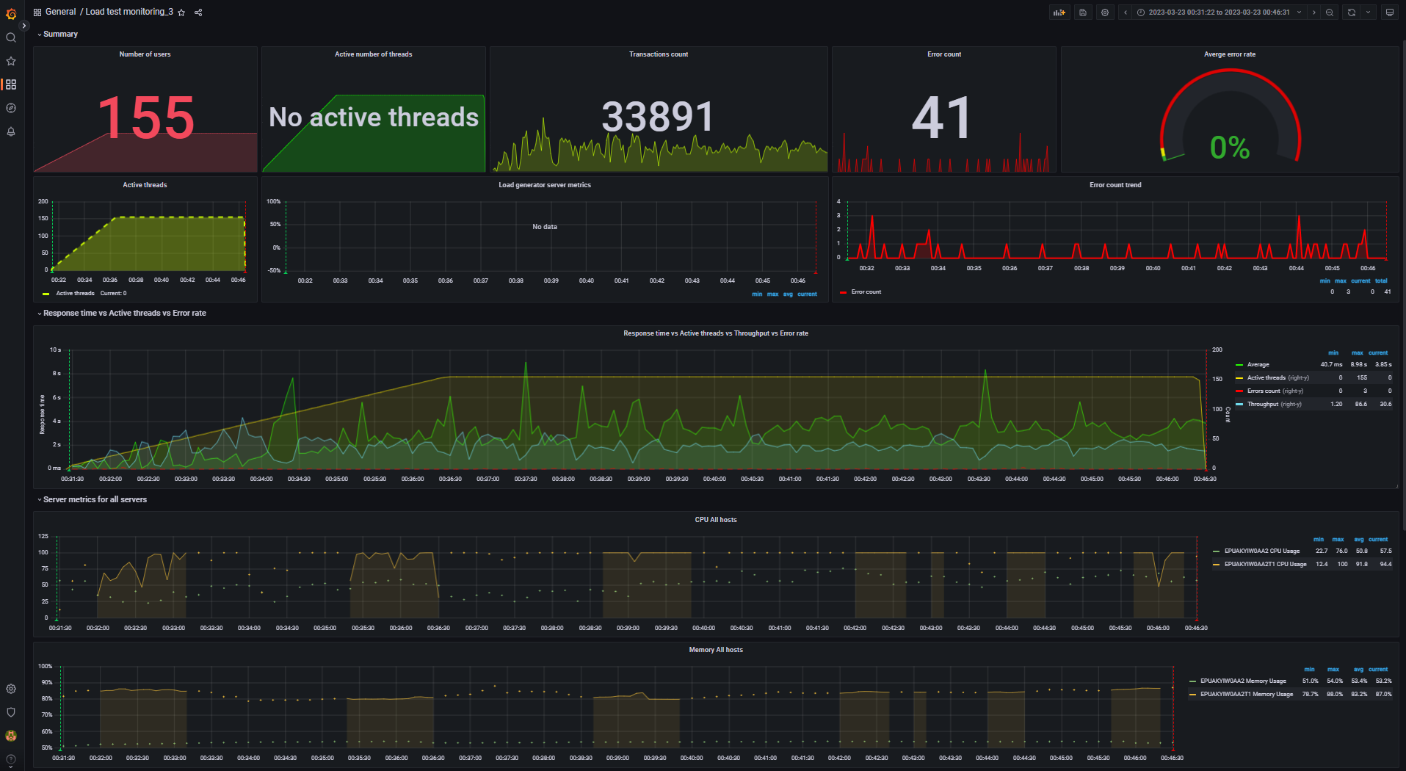
Aggregate report data for 500% capacity (DB mode) |  |  |  |  |  |  |  |  | Data converted to digital format
transaction | NumberOfSamples | Average | pct90 | pct95 | pct99 | Min | Max | Error Count | transaction | NumberOfSamples | Average | pct90 | pct95 | pct99 | Min | Max | Error Count
TC_start_Open Home page | 422 | 2.64 K | 5.29 K | 8.28 K | 10.61 K | 11 | 10.63 K | - | TC_start_Open Home page | 422 | 2640 | 5290 | 8280 | 10610 | 11 | 10630 | -
TC_Search by Name | 5.20 K | 2.85 K | 6.17 K | 8.67 K | 9.89 K | 4 | 9.90 K | - | TC_Search by Name | 5200 | 2850 | 6170 | 8670 | 9890 | 4 | 9900 | -
TC_Open Random page >1 | 1.27 K | 2.67 K | 5.80 K | 8.70 K | 9.72 K | 6 | 9.75 K | - | TC_Open Random page >1 | 1270 | 2670 | 5800 | 8700 | 9720 | 6 | 9750 | -
TC_Open Random page =1 | 12 | 1.75 K | 4.44 K | 4.44 K | 4.44 K | 359 | 4.44 K | - | TC_Open Random page =1 | 12 | 1750 | 4440 | 4440 | 4440 | 359 | 4440 | -
TC_Open Random Date | 1.77 K | 2.61 K | 5.64 K | 8.31 K | 9.27 K | 0 | 9.29 K | - | TC_Open Random Date | 1770 | 2610 | 5640 | 8310 | 9270 | 0 | 9290 | -
TC_Open Predefined Date | 5.39 K | 2.74 K | 6.15 K | 8.43 K | 9.75 K | 0 | 9.76 K | - | TC_Open Predefined Date | 5390 | 2740 | 6150 | 8430 | 9750 | 0 | 9760 | -
TC_Open Large Calendar | 1.75 K | 2.66 K | 5.31 K | 8.43 K | 9.69 K | 5 | 9.69 K | - | TC_Open Large Calendar | 1750 | 2660 | 5310 | 8430 | 9690 | 5 | 9690 | -
TC_Open Home page | 2.61 K | 2.73 K | 5.92 K | 8.75 K | 9.25 K | 6 | 9.25 K | - | TC_Open Home page | 2610 | 2730 | 5920 | 8750 | 9250 | 6 | 9250 | -
TC_Open Contacts | 721 | 2.64 K | 5.12 K | 8.48 K | 9.21 K | 4 | 9.21 K | - | TC_Open Contacts | 721 | 2640 | 5120 | 8480 | 9210 | 4 | 9210 | -
TC_Ed_Open login page | 2 | 651.5 | 1.17 K | 1.17 K | 1.17 K | 134 | 1.17 K | - | TC_Ed_Open login page | 2 | 651.5 | 1170 | 1170 | 1170 | 134 | 1170 | -
TC_Ed_Open editpost page | 82 | 2.49 K | 8.09 K | 10.69 K | 12.50 K | 8 | 12.50 K | - | TC_Ed_Open editpost page | 82 | 2490 | 8090 | 10690 | 12500 | 8 | 12500 | -
TC_Ed_Open Random post | 82 | 1.25 K | 4.23 K | 5.35 K | 8.36 K | 12 | 8.36 K | - | TC_Ed_Open Random post | 82 | 1250 | 4230 | 5350 | 8360 | 12 | 8360 | -
TC_Ed_Open Predefined Date | 83 | 1.24 K | 4.39 K | 5.81 K | 6.30 K | 8 | 6.30 K | - | TC_Ed_Open Predefined Date | 83 | 1240 | 4390 | 5810 | 6300 | 8 | 6300 | -
TC_Ed_Open Home page | 2 | 268.5 | 363 | 363 | 363 | 174 | 363 | - | TC_Ed_Open Home page | 2 | 268.5 | 363 | 363 | 363 | 174 | 363 | -
TC_Ed_Login | 2 | 178.25 | 184 | 184 | 184 | 161 | 184 | - | TC_Ed_Login | 2 | 178.25 | 184 | 184 | 184 | 161 | 184 | -
TC_Ad_Open login page | 10 | 4.11 K | 15.66 K | 15.66 K | 15.66 K | 138 | 15.66 K | - | TC_Ad_Open login page | 10 | 4110 | 15660 | 15660 | 15660 | 138 | 15660 | -
TC_Ad_Open Users page | 97 | 2.56 K | 8.67 K | 10.48 K | 12.16 K | 43 | 12.16 K | - | TC_Ad_Open Users page | 97 | 2560 | 8670 | 10480 | 12160 | 43 | 12160 | -
TC_Ad_Open USERS menu | 98 | 1.19 K | 3.94 K | 4.79 K | 7.53 K | 0 | 7.53 K | - | TC_Ad_Open USERS menu | 98 | 1190 | 3940 | 4790 | 7530 | 0 | 7530 | -
TC_Ad_Open Home page | 10 | 1.18 K | 8.91 K | 8.91 K | 8.91 K | 21 | 8.91 K | - | TC_Ad_Open Home page | 10 | 1180 | 8910 | 8910 | 8910 | 21 | 8910 | -
TC_Ad_Open Admin Page | 98 | 905.53 | 3.68 K | 4.24 K | 4.75 K | 2 | 4.75 K | - | TC_Ad_Open Admin Page | 98 | 905.53 | 3680 | 4240 | 4750 | 2 | 4750 | -
TC_Ad_Login | 10 | 1.76 K | 12.46 K | 12.46 K | 12.46 K | 71 | 12.46 K | - | TC_Ad_Login | 10 | 1760 | 12460 | 12460 | 12460 | 71 | 12460 | -
TC_Ad_LogOff | 8 | 2.19 K | 7.10 K | 7.10 K | 7.10 K | 28 | 7.10 K | - | TC_Ad_LogOff | 8 | 2190 | 7100 | 7100 | 7100 | 28 | 7100 | -
TC_Ad_Delete user | 49 | 2.18 K | 8.17 K | 8.55 K | 9.35 K | 11 | 9.35 K | - | TC_Ad_Delete user | 49 | 2180 | 8170 | 8550 | 9350 | 11 | 9350 | -
TC_Ad_Add user | 48 | 3.65 K | 13.16 K | 16.60 K | 16.76 K | 21 | 16.76 K | - | TC_Ad_Add user | 48 | 3650 | 13160 | 16600 | 16760 | 21 | 16760 | -
Open first post | 4.06 K | 2.74 K | 6.29 K | 8.64 K | 12.65 K | 6 | 12.68 K | - | Open first post | 4060 | 2740 | 6290 | 8640 | 12650 | 6 | 12680 | -
Open Random post | 7.58 K | 2.75 K | 6.01 K | 8.45 K | 9.52 K | 6 | 9.85 K | - | Open Random post | 7580 | 2750 | 6010 | 8450 | 9520 | 6 | 9850 | -
TC_Ed_Editpost | 81 | 4.91 K | 12.38 K | 14.67 K | 15.74 K | 160 | 15.74 K | 29 | TC_Ed_Editpost | 81 | 4910 | 12380 | 14670 | 15740 | 160 | 15740 | 29
leave a comment | 2.34 K | 2.84 K | 6.96 K | 8.60 K | 9.85 K | 12 | 9.85 K | 12 | leave a comment | 2340 | 2840 | 6960 | 8600 | 9850 | 12 | 9850 | 12
 |  |  |  |  |  |  |  |  | 0 | 0 | 0 | 0 | 0 | 0 | 0 | 0 | 0

 |  |  |  |  |  |  |  |  | -- Performance Ind. -- | -- Data --
 |  |  |  |  |  |  |  |  | Throughput max (rps) | 86.6
 |  |  |  |  |  |  |  |  | Throughput avg (rps) | 37.4
 |  |  |  |  |  |  |  |  | CPU usage max (%) | 100
 |  |  |  |  |  |  |  |  | CPU usage avg (%) | 91.8
 |  |  |  |  |  |  |  |  | Memory usage max (%) | 88
 |  |  |  |  |  |  |  |  | Memory usage avg (%) | 83.2
 |  |  |  |  |  |  |  |  | IIS stopped during the test | N | http://localhost:3000/d/rxKcwpFmk_3/load-test-monitoring_3?orgId=1&from=1679524282782&to=1679525191342&var-group_time=5s&var-metric=All&var-scenario=All&var-transactions=All&var-server_measurements=All&var-host=All&var-measurement=jmeter
 |  |  |  |  |  |  |  |  | An effective duration of test (sec) | 909 | 1679524282782 | 1679525191342

 |  |  |  |  |  |  |  |  | Transactions count | 33891
 |  |  |  |  |  |  |  |  | Error count | 41
 |  |  |  |  |  |  |  |  | Averge error rate (%) | 0.1

